Q
Q. Perform ANOVA test to compare the 6 types (use alpha =0.01)

 | Type 1 | Type 2 | Type 3 | Type 4 | Type 5 | Type 6 |  | Total mean: | 6.0633333333
 | 6.5 | 9.8 | 5.3 | 5.1 | 6.2 | 6.3
 | 5.4 | 7.6 | 4.6 | 6.7 | 4.8 | 7.5
 | 5 | 7 | 4.4 | 6.5 | 5.5 | 5.4
 | 5.4 | 8.9 | 5.9 | 6.5 | 5.1 | 7.2
 | 4.3 | 6.9 | 5.1 | 8.3 | 4.9 | 5.4
 | 4.6 | 7.7 | 5.8 | 4.9 | 4.8 | 7.9
 | 5.5 | 6.9 | 5.5 | 6 | 3.9 | 5.6
 | 4 | 8.3 | 5.2 | 5.5 | 4.7 | 6.5
 | 5.1 | 6.3 | 4.5 | 4.7 | 4.4 | 6.1
 | 7 | 9.7 | 6.5 | 6.7 | 5.2 | 9.2
 | 3.7 | 7.9 | 4.7 | 5.5 | 4.2 | 6.7
 | 5.9 | 8 | 4.9 | 7.5 | 4.5 | 7.8
 | 4.4 | 6.9 | 3.9 | 5.8 | 5.4 | 8.3
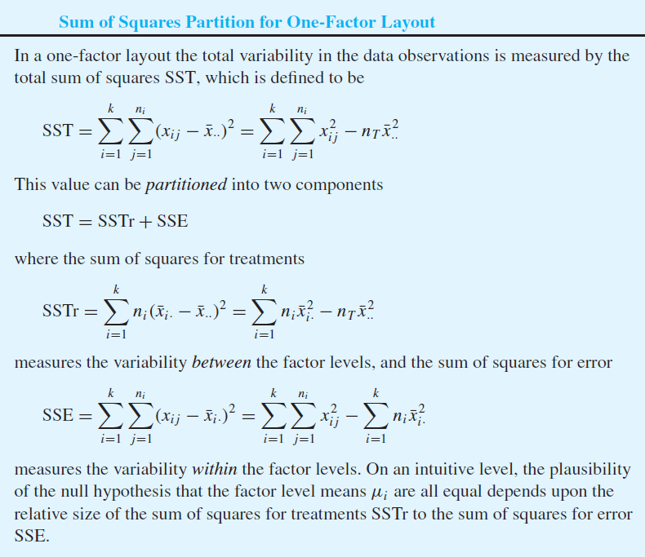
 | 5 | 5.5 |  | 7.6 | 3.6 | 6.8
 | 7 | 7.9 |  | 8.8 |  | 6.2
 | 5.3 | 7.3 |  | 6.5

average | 5.25625 | 7.6625 | 5.1 | 6.4125 | 4.8 | 6.86

size | 16 | 16 | 13 | 16 | 14 | 15 | 90

SSTr | 10.422136111 | 40.917344444 | 12.064144444 | 1.9506777778 | 22.344155556 | 9.5201666667 | 97.218625

SSE | 1.5469140625 | 4.56890625 | 0.04 | 1.72265625 | 1.96 | 0.3136
 | 0.0206640625 | 0.00390625 | 0.25 | 0.08265625 | 0 | 0.4096
 | 0.0656640625 | 0.43890625 | 0.49 | 0.00765625 | 0.49 | 2.1316
 | 0.0206640625 | 1.53140625 | 0.64 | 0.00765625 | 0.09 | 0.1156
 | 0.9144140625 | 0.58140625 | 0 | 3.56265625 | 0.01 | 2.1316
 | 0.4306640625 | 0.00140625 | 0.49 | 2.28765625 | 0 | 1.0816
 | 0.0594140625 | 0.58140625 | 0.16 | 0.17015625 | 0.81 | 1.5876
 | 1.5781640625 | 0.40640625 | 0.01 | 0.83265625 | 0.01 | 0.1296
 | 0.0244140625 | 1.85640625 | 0.36 | 2.93265625 | 0.16 | 0.5776
 | 3.0406640625 | 4.15140625 | 1.96 | 0.08265625 | 0.16 | 5.4756
 | 2.4219140625 | 0.05640625 | 0.16 | 0.83265625 | 0.36 | 0.0256
 | 0.4144140625 | 0.11390625 | 0.04 | 1.18265625 | 0.09 | 0.8836
 | 0.7331640625 | 0.58140625 | 1.44 | 0.37515625 | 0.36 | 2.0736
 | 0.0656640625 | 4.67640625 |  | 1.41015625 | 1.44 | 0.0036
 | 3.0406640625 | 0.05640625 |  | 5.70015625 |  | 0.4356
 | 0.0019140625 | 0.13140625 |  | 0.00765625
 | 84.670375

 | ANOVA Table

 |  | DF | SS | MS | F | p-value
 | Treatment | 5 | 97.218625 | 19.443725 | 19.289779926 | 9.7322856579E-13 | 거의 0
 | Error | 84 | 84.670375 | 1.0079806548
 | Total | 89

Q2
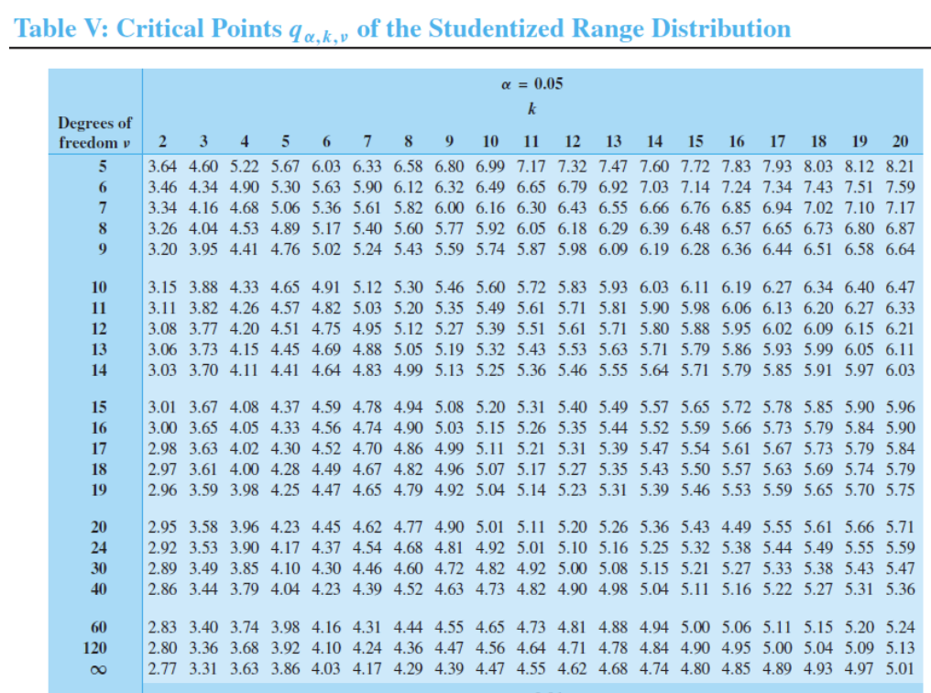
Q. Compare the three levels (use alpha = 0.05)

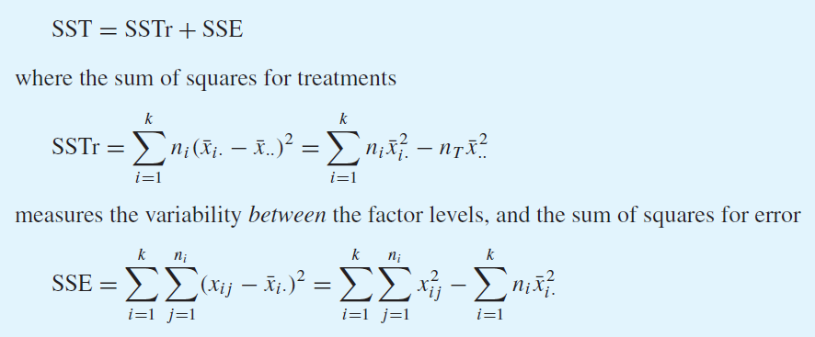
 | Level 1 | Level 2 | Level 3
 | 5 | 6 | 4
 | 6 | 5 | 3
 | 6 | 4 | 3
 | 5 | 7 | 3
 | 4 | 4 | 4

overall mean | 4.6
mean | 5.2 | 5.2 | 3.4
sample size | 5 | 5 | 5 | 15

SSTr | 1.8 | 1.8 | 7.2 | 10.8 |  | 10.8

SSE | 0.04 | 0.64 | 0.36
 | 0.64 | 0.04 | 0.16
 | 0.64 | 1.44 | 0.16
 | 0.04 | 3.24 | 0.16
 | 1.44 | 1.44 | 0.36 | 10.8

ANOVA table
 | DF | SS | MS | F | p-value
Treatment | 2 | 10.8 | 5.4 | 6 | 0.015625 | <-- If alpha = 0.05, reject H0
Error | 12 | 10.8 | 0.9
Total | 14 | 21.6

So then perform pairwise comparison:

alpha | 0.05 |  | mu1-mu2 | -1.599475539 | 1.599475539
q_0.05,3,12 | 3.77 |  | mu1-mu3 | 0.20052446096 | 3.399475539
S | 0.94868329805 |  | mu2-mu3 | 0.20052446096 | 3.399475539

 | xbar_3 |  | xbar_1
 |  |  | xbar_2
 | --> So mu_1 and mu_2 are indistinguishable but mu_3 is the smallest

