height_weight
Index (person) | Height (cm) | Weight (kg)
1 | 167.1 | 51.3
2 | 181.7 | 62.0
3 | 176.3 | 69.5
4 | 173.3 | 64.6
5 | 172.2 | 65.5
6 | 174.5 | 56.0
7 | 177.3 | 64.2
8 | 177.8 | 62.0
9 | 172.5 | 51.0
10 | 169.6 | 54.8
11 | 168.9 | 57.9
12 | 171.8 | 51.8
13 | 173.5 | 57.0
14 | 170.5 | 55.6
15 | 173.4 | 52.7
16 | 180.6 | 63.6
X 1 선 적합도
17 | 168.8 | 58.8
18 | 174.4 | 64.9 | 요약 출력
19 | 180.9 | 62.6
20 | 170.5 | 56.3 | 회귀분석 통계량
21 | 172.3 | 64.1 | 다중 상관계수 | 0.55686473461
22 | 175.0 | 65.2 | 결정계수 | 0.31009833265
23 | 161.2 | 44.4 | 조정된 결정계수 | 0.3066139808
24 | 173.8 | 58.8 | 표준 오차 | 4.5217797157
25 | 171.8 | 64.4 | 관측수 | 200
26 | 170.7 | 58.9
27 | 179.9 | 64.7 | 분산 분석
28 | 171.4 | 59.7 |  | 자유도 | 제곱합 | 제곱 평균 | F 비 | 유의한 F
29 | 169.0 | 49.2 | 회귀 | 1 | 1819.68506 | 1819.68506 | 88.997422056 | 1.1029015151E-17
30 | 166.2 | 51.7 | 잔차 | 198 | 4048.4053758 | 20.446491797
31 | 176.6 | 46.9 | 계 | 199 | 5868.0904359
32 | 167.2 | 54.8
33 | 172.3 | 57.1 |  | 계수 | 표준 오차 | t 통계량 | P-값 | 하위 95% | 상위 95% | 하위 95.0% | 상위 95.0%
34 | 179.3 | 61.8 | Y 절편 | -48.136578728 | 11.229599431 | -4.2865802136 | 2.8318113714E-05 | -70.281545075 | -25.991612381 | -70.281545075 | -25.991612381
35 | 182.4 | 63.6 | X 1 | 0.61355707192 | 0.06503786149 | 9.4338445003 | 1.1029015151E-17 | 0.48530127235 | 0.7418128715 | 0.48530127235 | 0.7418128715
36 | 175.8 | 58.5
37 | 169.7 | 64.4
38 | 171.9 | 55.0
39 | 172.2 | 59.6 | 잔차 출력
40 | 162.7 | 48.4
41 | 174.2 | 56.5 | 관측수 | Y 예측치 | 잔차
42 | 165.6 | 56.7 | 1 | 54.377273118 | -3.079813118
43 | 176.9 | 63.4 | 2 | 63.322689804 | -1.3562298038
44 | 172.6 | 62.4 | 3 | 60.018807683 | 9.4568123171
45 | 167.6 | 48.3 | 4 | 58.179854427 | 6.4425055731
46 | 174.4 | 58.5 | 5 | 57.509727393 | 8.002472607
47 | 169.9 | 66.1 | 6 | 58.927903209 | -2.949703209
48 | 172.0 | 53.0 | 7 | 60.642181668 | 3.594278332
49 | 177.3 | 65.2 | 8 | 60.96945301 | 0.98338698987
50 | 175.5 | 61.3 | 9 | 57.681155239 | -6.6651752389
51 | 177.6 | 66.7 | 10 | 55.935708081 | -1.1515280806
52 | 171.0 | 57.4 | 11 | 55.483761941 | 2.3785380585
53 | 178.5 | 57.0 | 12 | 57.244793449 | -5.4252334493
54 | 175.5 | 52.5 | 13 | 58.304529224 | -1.2775892239
55 | 166.1 | 56.1 | 14 | 56.465575968 | -0.86873596796
56 | 178.3 | 67.1 | 15 | 58.273360525 | -5.5685005247
57 | 178.8 | 70.8 | 16 | 62.65256277 | 0.90743723016
58 | 169.0 | 58.1 | 17 | 55.437008893 | 3.3559911074
59 | 168.6 | 54.2 | 18 | 58.849981461 | 6.0583985391
60 | 171.6 | 60.7 | 19 | 62.870743665 | -0.26414366461
61 | 168.9 | 58.4 | 20 | 56.481160318 | -0.16700031759
62 | 175.3 | 62.4 | 21 | 57.572064791 | 6.5690552085
63 | 173.5 | 58.9 | 22 | 59.208421502 | 5.9587384977
64 | 170.2 | 58.5 | 23 | 50.792872704 | -6.3462727038
65 | 179.9 | 61.4 | 24 | 58.491541419 | 0.30145858054
66 | 173.3 | 49.8 | 25 | 57.260377799 | 7.1395222011
67 | 175.4 | 64.7 | 26 | 56.605835115 | 2.2870448854
68 | 172.0 | 60.3 | 27 | 62.262954029 | 2.3957259708
69 | 170.7 | 47.0 | 28 | 57.042196904 | 2.6815030958
70 | 171.1 | 56.6 | 29 | 55.54609934 | -6.36427934
71 | 165.8 | 58.7 | 30 | 53.847405231 | -2.1413452306
72 | 179.9 | 60.8 | 31 | 60.205819878 | -13.307619878
73 | 177.6 | 63.7 | 32 | 54.424026167 | 0.39647383316
74 | 163.3 | 46.7 | 33 | 57.556480442 | -0.44782044184
75 | 173.4 | 58.3 | 34 | 61.888929638 | -0.045049638119
76 | 168.6 | 54.6 | 35 | 63.759051593 | -0.15365159335
77 | 173.6 | 62.9 | 36 | 59.72270504 | -1.27020504
78 | 166.3 | 60.4 | 37 | 55.96687678 | 8.4103232201
79 | 177.1 | 52.5 | 38 | 57.307130848 | -2.2687108478
80 | 172.0 | 55.6 | 39 | 57.540896092 | 2.0920039078
81 | 174.3 | 61.1 | 40 | 51.681180633 | -3.2348406325
82 | 169.6 | 55.3 | 41 | 58.725306664 | -2.2658666639
83 | 177.9 | 70.5 | 42 | 53.44221214 | 3.2442278597
84 | 168.4 | 58.5 | 43 | 60.424000773 | 2.9861792268
85 | 175.8 | 58.6 | 44 | 57.790245686 | 4.5757343138
86 | 175.6 | 63.3 | 45 | 54.68896011 | -6.3606601105
87 | 171.1 | 64.0 | 46 | 58.88115016 | -0.42411016013
88 | 178.0 | 59.7 | 47 | 56.091551577 | 10.047168423
89 | 178.3 | 55.0 | 48 | 57.369468246 | -4.3331882463
90 | 173.3 | 59.7 | 49 | 60.673350367 | 4.5301296328
91 | 173.1 | 62.0 | 50 | 59.535692844 | 1.7225271555
92 | 178.4 | 64.2 | 51 | 60.813609514 | 5.9334704861
93 | 181.6 | 63.8 | 52 | 56.79284731 | 0.56097268987
94 | 175.8 | 50.9 | 53 | 61.3746461 | -4.4067261004
95 | 178.0 | 60.6 | 54 | 59.551277194 | -7.0189371941
96 | 179.2 | 59.8 | 55 | 53.753899133 | 2.3105608671
97 | 168.4 | 54.5 | 56 | 61.234386954 | 5.9076730462
98 | 161.1 | 55.9 | 57 | 61.592826995 | 9.1857730048
99 | 169.6 | 58.2 | 58 | 55.56168369 | 2.5820963104
100 | 175.0 | 52.4 | 59 | 55.281165396 | -1.0871853963
101 | 164.8 | 46.3 | 60 | 57.120118652 | 3.6296213477
102 | 170.4 | 59.2 | 61 | 55.499346291 | 2.9440737089
103 | 173.6 | 60.9 | 62 | 59.395433698 | 3.0522663022
104 | 166.6 | 44.8 | 63 | 58.304529224 | 0.60651077607
105 | 172.1 | 52.0 | 64 | 56.294148122 | 2.1901318779
106 | 172.8 | 56.1 | 65 | 62.21620098 | -0.78092098028
107 | 171.9 | 55.9 | 66 | 58.179854427 | -8.4169144269
108 | 168.4 | 57.4 | 67 | 59.488939796 | 5.1924402044
109 | 176.4 | 58.3 | 68 | 57.416221295 | 2.8522787048
110 | 162.2 | 57.7 | 69 | 56.621419464 | -9.6187994642
111 | 172.0 | 55.4 | 70 | 56.855184709 | -0.22776470863
112 | 177.9 | 57.9 | 71 | 53.582471287 | 5.124268713
113 | 178.3 | 59.8 | 72 | 62.262954029 | -1.4178740292
114 | 167.5 | 50.8 | 73 | 60.829193863 | 2.9124061365
115 | 177.8 | 55.4 | 74 | 52.055205024 | -5.3658450235
116 | 174.3 | 58.4 | 75 | 58.226607476 | 0.1214725242
117 | 174.8 | 60.2 | 76 | 55.281165396 | -0.66496539632
118 | 177.2 | 61.8 | 77 | 58.398035322 | 4.5263646783
119 | 166.3 | 52.6 | 78 | 53.909742629 | 6.4540973709
120 | 174.8 | 62.2 | 79 | 60.517506871 | -8.026026871
121 | 167.1 | 54.4 | 80 | 57.416221295 | -1.7921412952
122 | 170.7 | 49.5 | 81 | 58.834397111 | 2.2876228888
123 | 176.3 | 58.2 | 82 | 55.935708081 | -0.59310808065
124 | 175.1 | 61.4 | 83 | 61.031790409 | 9.5107295914
125 | 172.6 | 48.5 | 84 | 55.156490599 | 3.3822694007
126 | 166.7 | 56.0 | 85 | 59.70712069 | -1.0957206904
127 | 168.9 | 49.7 | 86 | 59.598030243 | 3.721349757
128 | 172.5 | 54.2 | 87 | 56.839600359 | 7.124459641
129 | 175.0 | 63.7 | 88 | 61.094127807 | -1.3522678071
130 | 178.4 | 60.8 | 89 | 61.234386954 | -6.2459069538
131 | 173.4 | 60.2 | 90 | 58.195438777 | 1.5101012235
132 | 180.9 | 59.3 | 91 | 58.03959528 | 3.9541047197
133 | 175.5 | 52.5 | 92 | 61.327893052 | 2.9085669484
134 | 163.6 | 56.2 | 93 | 63.275936755 | 0.56100324509
135 | 180.6 | 58.2 | 94 | 59.70712069 | -8.7955606904
136 | 173.3 | 61.7 | 95 | 61.047374758 | -0.45653475827
137 | 167.4 | 53.0 | 96 | 61.82659224 | -1.9893922396
138 | 171.3 | 57.6 | 97 | 55.172074949 | -0.67845494893
139 | 187.7 | 68.7 | 98 | 50.714950956 | 5.1724490444
140 | 177.7 | 59.2 | 99 | 55.920123731 | 2.255436269
141 | 176.6 | 61.8 | 100 | 59.224005852 | -6.7960858519
142 | 165.6 | 51.5 | 101 | 52.959097302 | -6.6102373019
143 | 172.7 | 56.9 | 102 | 56.418822919 | 2.7600770809
144 | 173.6 | 57.9 | 103 | 58.382450972 | 2.5352690279
145 | 165.6 | 48.7 | 104 | 54.112339174 | -9.3297791743
146 | 173.4 | 52.9 | 105 | 57.462974344 | -5.4527343441
147 | 174.2 | 60.8 | 106 | 57.868167434 | -1.8037074344
148 | 163.8 | 51.3 | 107 | 57.307130848 | -1.4424308478
149 | 174.5 | 59.4 | 108 | 55.203243648 | 2.2186763518
150 | 175.0 | 62.5 | 109 | 60.081145081 | -1.7784650814
151 | 176.6 | 56.9 | 110 | 51.35390929 | 6.3903507097
152 | 171.2 | 62.9 | 111 | 57.400636946 | -1.9853969456
153 | 168.9 | 54.9 | 112 | 61.031790409 | -3.0968504086
154 | 167.7 | 63.6 | 113 | 61.249971303 | -1.4854113034
155 | 184.0 | 62.1 | 114 | 54.642207062 | -3.8396070616
156 | 162.9 | 48.2 | 115 | 60.96945301 | -5.5632930101
157 | 180.3 | 72.2 | 116 | 58.787644062 | -0.42594406237
158 | 171.5 | 49.4 | 117 | 59.099331055 | 1.1373889451
159 | 182.9 | 63.0 | 118 | 60.579844269 | 1.1913957305
160 | 165.9 | 52.6 | 119 | 53.87857393 | -1.2418139299
161 | 170.4 | 66.4 | 120 | 59.130499754 | 3.0221002458
162 | 163.6 | 49.9 | 121 | 54.408441817 | 0.017078182789
163 | 176.2 | 63.1 | 122 | 56.605835115 | -7.1152951146
164 | 173.7 | 54.4 | 123 | 60.049976382 | -1.8153963821
165 | 165.9 | 58.3 | 124 | 59.3019276 | 2.1197323999
166 | 170.5 | 57.8 | 125 | 57.743492637 | -9.2290526374
167 | 173.7 | 52.3 | 126 | 54.143507874 | 1.8301521264
168 | 168.4 | 56.7 | 127 | 55.499346291 | -5.7818062911
169 | 170.7 | 57.6 | 128 | 57.727908288 | -3.5611682877
170 | 167.6 | 50.5 | 129 | 59.224005852 | 4.4449541481
171 | 176.4 | 55.7 | 130 | 61.327893052 | -0.50097305155
172 | 172.6 | 56.4 | 131 | 58.257776175 | 1.9335438249
173 | 172.1 | 56.6 | 132 | 62.870743665 | -3.5329436646
174 | 165.8 | 54.3 | 133 | 59.551277194 | -7.0870371941
175 | 187.5 | 63.2 | 134 | 52.226632869 | 3.9740271306
176 | 169.7 | 47.6 | 135 | 62.668147119 | -4.4925871195
177 | 169.9 | 55.9 | 136 | 58.179854427 | 3.5459855731
178 | 167.0 | 54.0 | 137 | 54.595454013 | -1.6454340127
179 | 167.6 | 55.2 | 138 | 56.964275156 | 0.61200484398
180 | 169.1 | 54.1 | 139 | 67.031765015 | 1.699294985
181 | 170.5 | 61.3 | 140 | 60.922699961 | -1.7210999613
182 | 167.3 | 52.8 | 141 | 60.205819878 | 1.6335201216
183 | 169.6 | 49.6 | 142 | 53.44221214 | -1.9586121403
184 | 174.6 | 56.4 | 143 | 57.852583085 | -0.95276308475
185 | 168.2 | 64.1 | 144 | 58.366866622 | -0.44554662244
186 | 167.5 | 58.6 | 145 | 53.44221214 | -4.7915721403
187 | 174.2 | 58.1 | 146 | 58.242191825 | -5.3693518254
188 | 169.1 | 54.9 | 147 | 58.725306664 | 2.0380533361
189 | 170.1 | 58.0 | 148 | 52.382476366 | -1.1304163657
190 | 172.9 | 46.1 | 149 | 58.943487559 | 0.42155244136
191 | 178.3 | 65.8 | 150 | 59.224005852 | 3.3190341481
192 | 166.4 | 50.4 | 151 | 60.236988578 | -3.3053885777
193 | 171.3 | 60.3 | 152 | 56.901937758 | 5.9634422425
194 | 171.2 | 66.4 | 153 | 55.468177592 | -0.61589759184
195 | 176.9 | 66.1 | 154 | 54.735713159 | 8.8923868406
196 | 167.1 | 54.9 | 155 | 64.756449969 | -2.6764899695
197 | 167.9 | 52.6 | 156 | 51.80585543 | -3.6319154295
198 | 173.3 | 58.2 | 157 | 62.481134924 | 9.6867050761
199 | 172.8 | 57.9 | 158 | 57.057781254 | -7.6671212538
200 | 181.3 | 58.1 | 159 | 64.101907285 | -1.0957872851
 |  |  | 160 | 53.644808685 | -1.0216686855
 |  |  | 161 | 56.403238569 | 10.012421431
 |  |  | 162 | 52.21104852 | -2.3255285198
 |  |  | 163 | 59.972054634 | 3.156645366
 |  |  | 164 | 58.429204021 | -3.9946040209
 |  |  | 165 | 53.644808685 | 4.6079313145
 |  |  | 166 | 56.496744667 | 1.2702153328
 |  |  | 167 | 58.444788371 | -6.1303683706
 |  |  | 168 | 55.172074949 | 1.4871250511
 |  |  | 169 | 56.574666415 | 1.0606335847
 |  |  | 170 | 54.70454446 | -4.1879644601
 |  |  | 171 | 60.065560732 | -4.4006207318
 |  |  | 172 | 57.790245686 | -1.3989056862
 |  |  | 173 | 57.462974344 | -0.87187434408
 |  |  | 174 | 53.598055637 | 0.66402436339
 |  |  | 175 | 66.922674568 | -3.6804745676
 |  |  | 176 | 55.98246113 | -8.3896411295
 |  |  | 177 | 56.107135927 | -0.24697592654
 |  |  | 178 | 54.314935719 | -0.33887571945
 |  |  | 179 | 54.68896011 | 0.46749988951
 |  |  | 180 | 55.624021088 | -1.4845210881
 |  |  | 181 | 56.449991618 | 4.8490883817
 |  |  | 182 | 54.517532265 | -1.7491122646
 |  |  | 183 | 55.935708081 | -6.3725280806
 |  |  | 184 | 58.990240608 | -2.5943606075
 |  |  | 185 | 55.078568851 | 9.0080711488
 |  |  | 186 | 54.657791411 | 3.9763085888
 |  |  | 187 | 58.740891013 | -0.68791101349
 |  |  | 188 | 55.639605438 | -0.74192543774
 |  |  | 189 | 56.231810724 | 1.7212892764
 |  |  | 190 | 57.961673532 | -11.894293532
 |  |  | 191 | 61.249971303 | 4.5754886966
 |  |  | 192 | 53.972080028 | -3.6007800277
 |  |  | 193 | 56.995443855 | 3.3229961447
 |  |  | 194 | 56.917522107 | 9.5208378929
 |  |  | 195 | 60.424000773 | 5.6738592268
 |  |  | 196 | 54.408441817 | 0.45291818279
 |  |  | 197 | 54.891556656 | -2.3274366556
 |  |  | 198 | 58.211023126 | 0.037176873828
 |  |  | 199 | 57.868167434 | 0.0032125656192
 |  |  | 200 | 63.120093259 | -5.0625732586

Physical_Fitness_Test
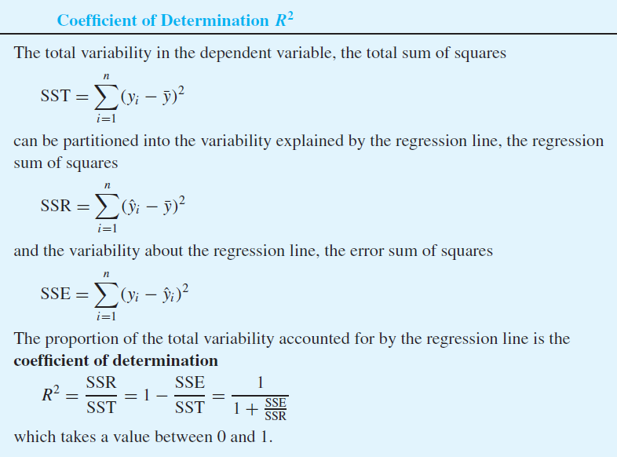
 | Pushups | 2-mile run |  | x_i | y_i | x_i^2 | y_i^2 | x_i*y_i | yhat_i | (yhat_i - ybar)^2 | (y_i - yhat_i)^2 | (x_i - xbar)(y_i - ybar) | (x_i - xbar)^2 | (y_i - ybar)^2
1 | 60 | 847 |  | 60 | 847 | 3600 | 717409 | 50820 | 883.04 | 642.01 | 1298.90 | 83.33 | 60.62 | 114.54
2 | 53 | 887 |  | 53 | 887 | 2809 | 786769 | 47011 | 905.82 | 2315.41 | 354.23 | -433.19 | 218.62 | 858.35
3 | 60 | 879 |  | 60 | 879 | 3600 | 772641 | 52740 | 883.04 | 642.01 | 16.32 | -165.82 | 60.62 | 453.59
4 | 55 | 919 |  | 55 | 919 | 3025 | 844561 | 50545 | 899.31 | 1731.38 | 387.61 | -783.73 | 163.47 | 3757.40
5 | 60 | 816 |  | 60 | 816 | 3600 | 665856 | 48960 | 883.04 | 642.01 | 4494.40 | 324.68 | 60.62 | 1739.09
80 | 78 | 886 |  | 78 | 886 | 6084 | 784996 | 69108 | 824.46 | 1104.99 | 3787.05 | 289.04 | 104.33 | 800.76
81 | 78 | 881 |  | 78 | 881 | 6084 | 776161 | 68718 | 824.46 | 1104.99 | 3196.66 | 237.97 | 104.33 | 542.78
82 | 50 | 825 |  | 50 | 825 | 2500 | 680625 | 41250 | 915.58 | 3350.32 | 8205.52 | 581.64 | 316.33 | 1069.45
83 | 61 | 821 |  | 61 | 821 | 3721 | 674041 | 50081 | 879.79 | 487.68 | 3455.78 | 249.05 | 46.05 | 1347.06
84 | 62 | 832 |  | 62 | 832 | 3844 | 692224 | 51584 | 876.53 | 354.53 | 1983.05 | 148.71 | 33.47 | 660.61

n | 84 |  | sum | 5694 | 72047 | 402972 | 62352661 | 4828432 |  | 180051.14 | 377726.42 | -55325.36 | 17000.14 | 557777.56
 |  |  | mean | 67.79 | 857.70
 |  |  |  |  |  |  |  |  |  | R-squared | 0.323 | r | -0.568
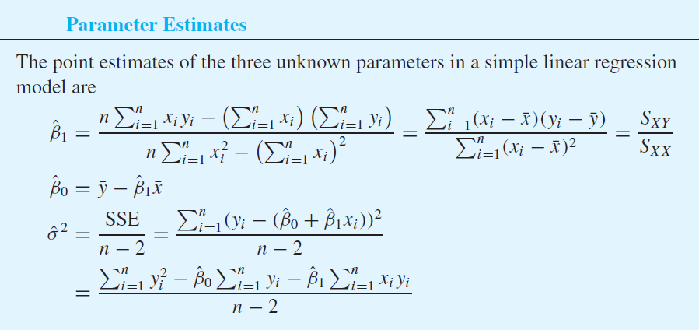
 |  |  |  |  |  |  | beta_1 | -3.25
 |  |  |  |  |  |  | beta_0 | 1078.30

Production_Electricity
Parameter Estimation

 | Production | Electricity usage |  | x_i^2 | y_i^2 | x_i * y_i
January | 4.51 | 2.48 |  | 20.340 | 6.150 | 11.185
February | 3.58 | 2.26 |  | 12.816 | 5.108 | 8.091
March | 4.31 | 2.47 |  | 18.576 | 6.101 | 10.646
April | 5.06 | 2.77 |  | 25.604 | 7.673 | 14.016
May | 5.64 | 2.99 |  | 31.810 | 8.940 | 16.864
June | 4.99 | 3.05 |  | 24.900 | 9.302 | 15.220
July | 5.29 | 3.18 |  | 27.984 | 10.112 | 16.822
August | 5.83 | 3.46 |  | 33.989 | 11.972 | 20.172
September | 4.7 | 3.03 |  | 22.090 | 9.181 | 14.241
October | 5.61 | 3.26 |  | 31.472 | 10.628 | 18.289
November | 4.9 | 2.67 |  | 24.010 | 7.129 | 13.083
December | 4.2 | 2.53 |  | 17.640 | 6.401 | 10.626

sum | 58.620 | 34.150 |  | 291.231 | 98.697 | 169.253
average | 4.885 | 2.846

n | 12
beta_1 | 0.499
beta_0 | 0.409

sigma^2 | 0.030
sigma | 0.173

x | 7
y | 3.901

Confidence Interval for beta_1

 | (x_i - x_bar)^2
January | 0.141
February | 1.703
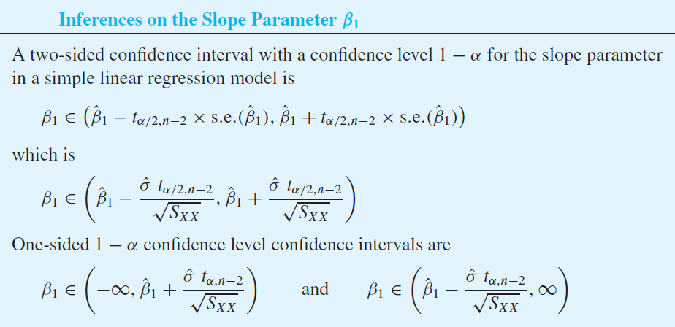
March | 0.331
April | 0.031
May | 0.570
June | 0.011
July | 0.164
August | 0.893
September | 0.034
October | 0.526
November | 0.000
December | 0.469

sum | 4.872

s.e. | 0.0784

alpha | 0.01
t_0.005,n-2 | 3.169

lower | 0.251
upper | 0.747

Hypothesis Test for beta_1

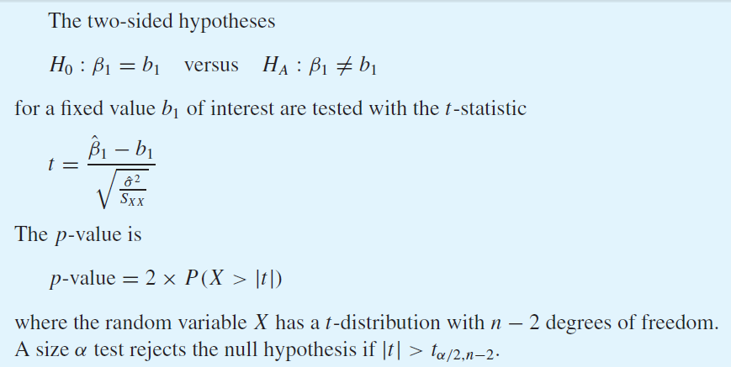
null hypothesis: beta_1 = 0

t-statistic | 6.367
p-value | 8.176E-05

ANOVA Table

null hypothesis: beta_1 = 0

beta_1 | 0.499
beta_0 | 0.409

 | x_i | y_i | yhat_i | (yhat_i - ybar)^2 | (y_i - yhat_i)^2
January | 4.51 | 2.48 | 2.66 | 0.035 | 0.032
February | 3.58 | 2.26 | 2.19 | 0.424 | 0.004
March | 4.31 | 2.47 | 2.56 | 0.082 | 0.008
April | 5.06 | 2.77 | 2.93 | 0.008 | 0.027
May | 5.64 | 2.99 | 3.22 | 0.142 | 0.054
June | 4.99 | 3.05 | 2.90 | 0.003 | 0.023
July | 5.29 | 3.18 | 3.05 | 0.041 | 0.017
August | 5.83 | 3.46 | 3.32 | 0.222 | 0.020
September | 4.70 | 3.03 | 2.75 | 0.009 | 0.076
October | 5.61 | 3.26 | 3.21 | 0.131 | 0.003
November | 4.90 | 2.67 | 2.85 | 0.000 | 0.034
December | 4.20 | 2.53 | 2.50 | 0.117 | 0.001
mean |  | 2.85
sum |  |  |  | 1.212 | 0.299

Source | DF | Sum of squares | Mean squares | F-statistic | p-value
Regression | 1 | 1.212 | 1.212 | 40.533 | 8.176E-05
Error | 10 | 0.299 | 0.030
Total | 11 | 1.511

R-squared | 0.80210939633

Sample correlation coefficient

 | x_i | y_i | (x_i - xbar) | (y_i - ybar) | (x_i-xbar)(y_i-ybar) | (x_i - xbar)^2 | (y_i - ybar)^2
January | 4.51 | 2.48 | -0.38 | -0.366 | 0.137 | 0.141 | 0.134
February | 3.58 | 2.26 | -1.30 | -0.586 | 0.765 | 1.703 | 0.343
March | 4.31 | 2.47 | -0.58 | -0.376 | 0.216 | 0.331 | 0.141
April | 5.06 | 2.77 | 0.17 | -0.076 | -0.013 | 0.031 | 0.006
May | 5.64 | 2.99 | 0.75 | 0.144 | 0.109 | 0.570 | 0.021
June | 4.99 | 3.05 | 0.11 | 0.204 | 0.021 | 0.011 | 0.042
July | 5.29 | 3.18 | 0.41 | 0.334 | 0.135 | 0.164 | 0.112
August | 5.83 | 3.46 | 0.95 | 0.614 | 0.580 | 0.893 | 0.377
September | 4.70 | 3.03 | -0.18 | 0.184 | -0.034 | 0.034 | 0.034
October | 5.61 | 3.26 | 0.73 | 0.414 | 0.300 | 0.526 | 0.172
November | 4.90 | 2.67 | 0.02 | -0.176 | -0.003 | 0.000 | 0.031
December | 4.20 | 2.53 | -0.68 | -0.316 | 0.216 | 0.469 | 0.100
mean | 4.89 | 2.85
sum |  |  |  |  | 2.43 | 4.87 | 1.51
Sq-root |  |  |  |  |  | 2.21 | 1.23

r | 0.89560560311
r^2 | 0.80210939633

