Q
Q. Perform ANOVA test to compare the 6 types (use alpha =0.01)

 | Type 1 | Type 2 | Type 3 | Type 4 | Type 5 | Type 6 | Total mean:
 | 6.5 | 9.8 | 5.3 | 5.1 | 6.2 | 6.3
 | 5.4 | 7.6 | 4.6 | 6.7 | 4.8 | 7.5
 | 5 | 7 | 4.4 | 6.5 | 5.5 | 5.4
 | 5.4 | 8.9 | 5.9 | 6.5 | 5.1 | 7.2
 | 4.3 | 6.9 | 5.1 | 8.3 | 4.9 | 5.4
 | 4.6 | 7.7 | 5.8 | 4.9 | 4.8 | 7.9
 | 5.5 | 6.9 | 5.5 | 6 | 3.9 | 5.6
 | 4 | 8.3 | 5.2 | 5.5 | 4.7 | 6.5
 | 5.1 | 6.3 | 4.5 | 4.7 | 4.4 | 6.1
 | 7 | 9.7 | 6.5 | 6.7 | 5.2 | 9.2
 | 3.7 | 7.9 | 4.7 | 5.5 | 4.2 | 6.7
 | 5.9 | 8 | 4.9 | 7.5 | 4.5 | 7.8
 | 4.4 | 6.9 | 3.9 | 5.8 | 5.4 | 8.3
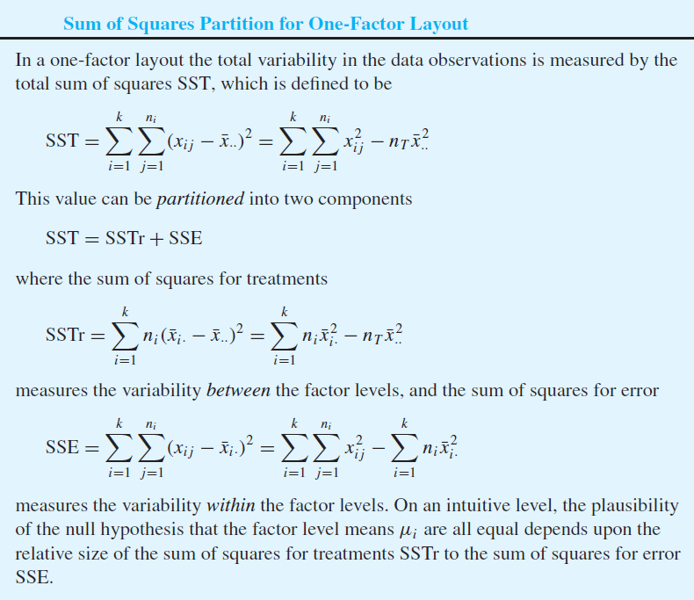
 | 5 | 5.5 |  | 7.6 | 3.6 | 6.8
 | 7 | 7.9 |  | 8.8 |  | 6.2
 | 5.3 | 7.3 |  | 6.5

average

size

SSTr

SSE

 | ANOVA Table

 |  | DF | SS | MS | F | p-value
 | Treatment
 | Error
 | Total

Q2
Q. Compare the three levels (use alpha = 0.05)

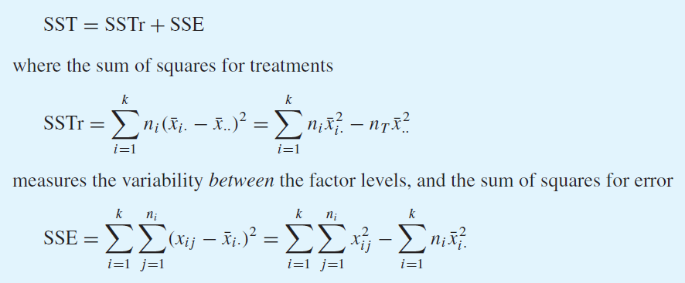
 | Level 1 | Level 2 | Level 3
 | 5 | 6 | 4
 | 6 | 5 | 3
 | 6 | 4 | 3
 | 5 | 7 | 3
 | 4 | 4 | 4

overall mean | 4.6
mean | 5.2 | 5.2 | 3.4
sample size | 5 | 5 | 5 | 15

SSTr | 1.8 | 1.8 | 7.2 | 10.8 |  | 10.8

SSE | 0.04 | 0.64 | 0.36
 | 0.64 | 0.04 | 0.16
 | 0.64 | 1.44 | 0.16
 | 0.04 | 3.24 | 0.16
 | 1.44 | 1.44 | 0.36 | 10.8

ANOVA table
 | DF | SS | MS | F | p-value
Treatment | 2 | 10.8 | 5.4 | 6 | 0.015625 | <-- If alpha = 0.05, reject H0
Error | 12 | 10.8 | 0.9
Total | 14 | 21.6

So then perform pairwise comparison:

alpha | 0.05 |  | mu1-mu2 | -1.599475539 | 1.599475539
q_0.05,3,12 | 3.77 |  | mu1-mu3 | 0.20052446096 | 3.399475539
sigma | 0.94868329805 |  | mu2-mu3 | 0.20052446096 | 3.399475539

 | xbar_3 |  | xbar_1
 |  |  | xbar_2
 | --> So mu_1 and mu_2 are indistinguishable but mu_3 is the smallest

