height_weight
Index (person) | Height (cm) | Weight (kg)
1 | 167.1 | 51.3
2 | 181.7 | 62.0
3 | 176.3 | 69.5
4 | 173.3 | 64.6
5 | 172.2 | 65.5
6 | 174.5 | 56.0
7 | 177.3 | 64.2
8 | 177.8 | 62.0
9 | 172.5 | 51.0
10 | 169.6 | 54.8
11 | 168.9 | 57.9
12 | 171.8 | 51.8
13 | 173.5 | 57.0
14 | 170.5 | 55.6
15 | 173.4 | 52.7
16 | 180.6 | 63.6
17 | 168.8 | 58.8
18 | 174.4 | 64.9
19 | 180.9 | 62.6
20 | 170.5 | 56.3
21 | 172.3 | 64.1
22 | 175.0 | 65.2
23 | 161.2 | 44.4
24 | 173.8 | 58.8
25 | 171.8 | 64.4
26 | 170.7 | 58.9
27 | 179.9 | 64.7
28 | 171.4 | 59.7
29 | 169.0 | 49.2
30 | 166.2 | 51.7
31 | 176.6 | 46.9
32 | 167.2 | 54.8
33 | 172.3 | 57.1
34 | 179.3 | 61.8
35 | 182.4 | 63.6
36 | 175.8 | 58.5
37 | 169.7 | 64.4
38 | 171.9 | 55.0
39 | 172.2 | 59.6
40 | 162.7 | 48.4
41 | 174.2 | 56.5
42 | 165.6 | 56.7
43 | 176.9 | 63.4
44 | 172.6 | 62.4
45 | 167.6 | 48.3
46 | 174.4 | 58.5
47 | 169.9 | 66.1
48 | 172.0 | 53.0
49 | 177.3 | 65.2
50 | 175.5 | 61.3
51 | 177.6 | 66.7
52 | 171.0 | 57.4
53 | 178.5 | 57.0
54 | 175.5 | 52.5
55 | 166.1 | 56.1
56 | 178.3 | 67.1
57 | 178.8 | 70.8
58 | 169.0 | 58.1
59 | 168.6 | 54.2
60 | 171.6 | 60.7
61 | 168.9 | 58.4
62 | 175.3 | 62.4
63 | 173.5 | 58.9
64 | 170.2 | 58.5
65 | 179.9 | 61.4
66 | 173.3 | 49.8
67 | 175.4 | 64.7
68 | 172.0 | 60.3
69 | 170.7 | 47.0
70 | 171.1 | 56.6
71 | 165.8 | 58.7
72 | 179.9 | 60.8
73 | 177.6 | 63.7
74 | 163.3 | 46.7
75 | 173.4 | 58.3
76 | 168.6 | 54.6
77 | 173.6 | 62.9
78 | 166.3 | 60.4
79 | 177.1 | 52.5
80 | 172.0 | 55.6
81 | 174.3 | 61.1
82 | 169.6 | 55.3
83 | 177.9 | 70.5
84 | 168.4 | 58.5
85 | 175.8 | 58.6
86 | 175.6 | 63.3
87 | 171.1 | 64.0
88 | 178.0 | 59.7
89 | 178.3 | 55.0
90 | 173.3 | 59.7
91 | 173.1 | 62.0
92 | 178.4 | 64.2
93 | 181.6 | 63.8
94 | 175.8 | 50.9
95 | 178.0 | 60.6
96 | 179.2 | 59.8
97 | 168.4 | 54.5
98 | 161.1 | 55.9
99 | 169.6 | 58.2
100 | 175.0 | 52.4
101 | 164.8 | 46.3
102 | 170.4 | 59.2
103 | 173.6 | 60.9
104 | 166.6 | 44.8
105 | 172.1 | 52.0
106 | 172.8 | 56.1
107 | 171.9 | 55.9
108 | 168.4 | 57.4
109 | 176.4 | 58.3
110 | 162.2 | 57.7
111 | 172.0 | 55.4
112 | 177.9 | 57.9
113 | 178.3 | 59.8
114 | 167.5 | 50.8
115 | 177.8 | 55.4
116 | 174.3 | 58.4
117 | 174.8 | 60.2
118 | 177.2 | 61.8
119 | 166.3 | 52.6
120 | 174.8 | 62.2
121 | 167.1 | 54.4
122 | 170.7 | 49.5
123 | 176.3 | 58.2
124 | 175.1 | 61.4
125 | 172.6 | 48.5
126 | 166.7 | 56.0
127 | 168.9 | 49.7
128 | 172.5 | 54.2
129 | 175.0 | 63.7
130 | 178.4 | 60.8
131 | 173.4 | 60.2
132 | 180.9 | 59.3
133 | 175.5 | 52.5
134 | 163.6 | 56.2
135 | 180.6 | 58.2
136 | 173.3 | 61.7
137 | 167.4 | 53.0
138 | 171.3 | 57.6
139 | 187.7 | 68.7
140 | 177.7 | 59.2
141 | 176.6 | 61.8
142 | 165.6 | 51.5
143 | 172.7 | 56.9
144 | 173.6 | 57.9
145 | 165.6 | 48.7
146 | 173.4 | 52.9
147 | 174.2 | 60.8
148 | 163.8 | 51.3
149 | 174.5 | 59.4
150 | 175.0 | 62.5
151 | 176.6 | 56.9
152 | 171.2 | 62.9
153 | 168.9 | 54.9
154 | 167.7 | 63.6
155 | 184.0 | 62.1
156 | 162.9 | 48.2
157 | 180.3 | 72.2
158 | 171.5 | 49.4
159 | 182.9 | 63.0
160 | 165.9 | 52.6
161 | 170.4 | 66.4
162 | 163.6 | 49.9
163 | 176.2 | 63.1
164 | 173.7 | 54.4
165 | 165.9 | 58.3
166 | 170.5 | 57.8
167 | 173.7 | 52.3
168 | 168.4 | 56.7
169 | 170.7 | 57.6
170 | 167.6 | 50.5
171 | 176.4 | 55.7
172 | 172.6 | 56.4
173 | 172.1 | 56.6
174 | 165.8 | 54.3
175 | 187.5 | 63.2
176 | 169.7 | 47.6
177 | 169.9 | 55.9
178 | 167.0 | 54.0
179 | 167.6 | 55.2
180 | 169.1 | 54.1
181 | 170.5 | 61.3
182 | 167.3 | 52.8
183 | 169.6 | 49.6
184 | 174.6 | 56.4
185 | 168.2 | 64.1
186 | 167.5 | 58.6
187 | 174.2 | 58.1
188 | 169.1 | 54.9
189 | 170.1 | 58.0
190 | 172.9 | 46.1
191 | 178.3 | 65.8
192 | 166.4 | 50.4
193 | 171.3 | 60.3
194 | 171.2 | 66.4
195 | 176.9 | 66.1
196 | 167.1 | 54.9
197 | 167.9 | 52.6
198 | 173.3 | 58.2
199 | 172.8 | 57.9
200 | 181.3 | 58.1

Physical_Fitness_Test
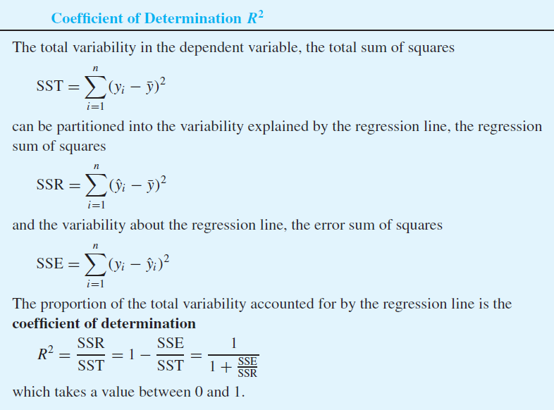
 | Pushups | 2-mile run |  | x_i | y_i | x_i^2 | y_i^2 | x_i*y_i | yhat_i | (yhat_i - ybar)^2 | (y_i - yhat_i)^2 | (x_i - xbar)(y_i - ybar) | (x_i - xbar)^2 | (y_i - ybar)^2
1 | 60 | 847 |  | 60 | 847 | 3600 | 717409 | 50820 | 883.04 | 642.01 | 1298.90 | 83.33 | 60.62 | 114.54
2 | 53 | 887 |  | 53 | 887 | 2809 | 786769 | 47011 | 905.82 | 2315.41 | 354.23 | -433.19 | 218.62 | 858.35
3 | 60 | 879 |  | 60 | 879 | 3600 | 772641 | 52740 | 883.04 | 642.01 | 16.32 | -165.82 | 60.62 | 453.59
4 | 55 | 919 |  | 55 | 919 | 3025 | 844561 | 50545 | 899.31 | 1731.38 | 387.61 | -783.73 | 163.47 | 3757.40
5 | 60 | 816 |  | 60 | 816 | 3600 | 665856 | 48960 | 883.04 | 642.01 | 4494.40 | 324.68 | 60.62 | 1739.09
80 | 78 | 886 |  | 78 | 886 | 6084 | 784996 | 69108 | 824.46 | 1104.99 | 3787.05 | 289.04 | 104.33 | 800.76
81 | 78 | 881 |  | 78 | 881 | 6084 | 776161 | 68718 | 824.46 | 1104.99 | 3196.66 | 237.97 | 104.33 | 542.78
82 | 50 | 825 |  | 50 | 825 | 2500 | 680625 | 41250 | 915.58 | 3350.32 | 8205.52 | 581.64 | 316.33 | 1069.45
83 | 61 | 821 |  | 61 | 821 | 3721 | 674041 | 50081 | 879.79 | 487.68 | 3455.78 | 249.05 | 46.05 | 1347.06
84 | 62 | 832 |  | 62 | 832 | 3844 | 692224 | 51584 | 876.53 | 354.53 | 1983.05 | 148.71 | 33.47 | 660.61

n | 84 |  | sum | 5694 | 72047 | 402972 | 62352661 | 4828432 |  | 180051.14 | 377726.42 | -55325.36 | 17000.14 | 557777.56
 |  |  | mean | 67.79 | 857.70
 |  |  |  |  |  |  |  |  |  | R-squared | 0.323 | r | -0.568
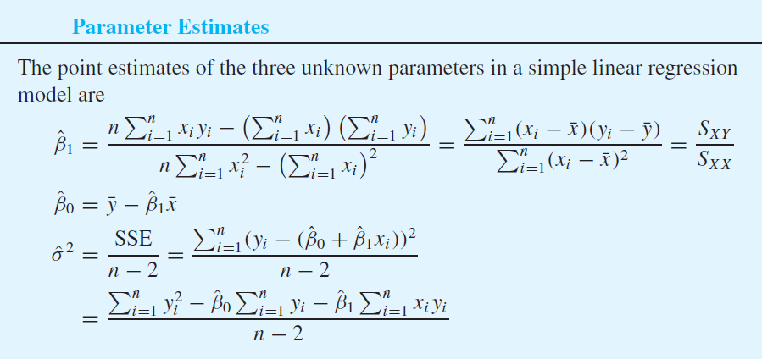
 |  |  |  |  |  |  | beta_1 | -3.25
 |  |  |  |  |  |  | beta_0 | 1078.30

Production_Electricity
Parameter Estimation

 | Production | Electricity usage |  | x_i^2 | y_i^2 | x_i * y_i
January | 4.51 | 2.48 |  | 20.340 | 6.150 | 11.185
February | 3.58 | 2.26 |  | 12.816 | 5.108 | 8.091
March | 4.31 | 2.47 |  | 18.576 | 6.101 | 10.646
April | 5.06 | 2.77 |  | 25.604 | 7.673 | 14.016
May | 5.64 | 2.99 |  | 31.810 | 8.940 | 16.864
June | 4.99 | 3.05 |  | 24.900 | 9.302 | 15.220
July | 5.29 | 3.18 |  | 27.984 | 10.112 | 16.822
August | 5.83 | 3.46 |  | 33.989 | 11.972 | 20.172
September | 4.7 | 3.03 |  | 22.090 | 9.181 | 14.241
October | 5.61 | 3.26 |  | 31.472 | 10.628 | 18.289
November | 4.9 | 2.67 |  | 24.010 | 7.129 | 13.083
December | 4.2 | 2.53 |  | 17.640 | 6.401 | 10.626

sum | 58.620 | 34.150 |  | 291.231 | 98.697 | 169.253
average | 4.885 | 2.846

n | 12
beta_1 | 0.499
beta_0 | 0.409

sigma^2 | 0.030
sigma | 0.173

x | 7
y | 3.901

Confidence Interval for beta_1

 | (x_i - x_bar)^2
January | 0.141
February | 1.703
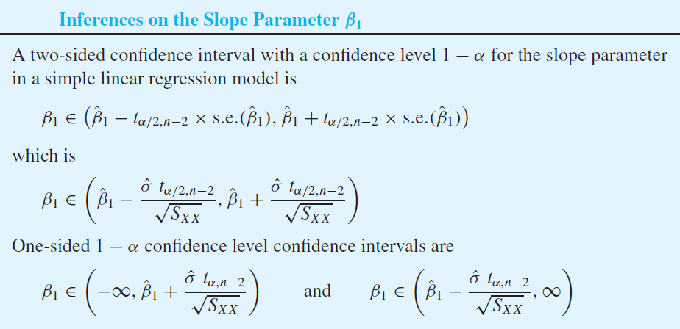
March | 0.331
April | 0.031
May | 0.570
June | 0.011
July | 0.164
August | 0.893
September | 0.034
October | 0.526
November | 0.000
December | 0.469

sum | 4.872

s.e. | 0.0784

alpha | 0.01
t_0.005,n-2 | 3.169

lower | 0.251
upper | 0.747

Hypothesis Test for beta_1

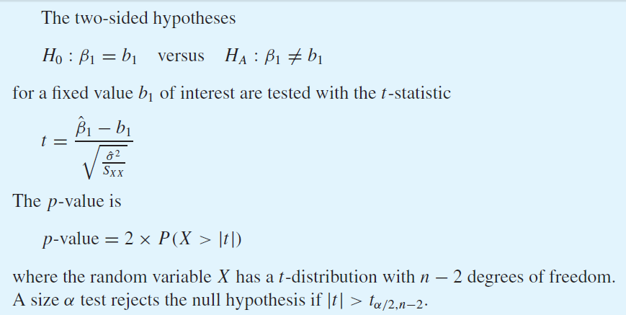
null hypothesis: beta_1 = 0

t-statistic | 6.367
p-value | 8.176E-05

ANOVA Table

null hypothesis: beta_1 = 0

beta_1 | 0.499
beta_0 | 0.409

 | x_i | y_i | yhat_i | (yhat_i - ybar)^2 | (y_i - yhat_i)^2
January | 4.51 | 2.48 | 2.66 | 0.035 | 0.032
February | 3.58 | 2.26 | 2.19 | 0.424 | 0.004
March | 4.31 | 2.47 | 2.56 | 0.082 | 0.008
April | 5.06 | 2.77 | 2.93 | 0.008 | 0.027
May | 5.64 | 2.99 | 3.22 | 0.142 | 0.054
June | 4.99 | 3.05 | 2.90 | 0.003 | 0.023
July | 5.29 | 3.18 | 3.05 | 0.041 | 0.017
August | 5.83 | 3.46 | 3.32 | 0.222 | 0.020
September | 4.70 | 3.03 | 2.75 | 0.009 | 0.076
October | 5.61 | 3.26 | 3.21 | 0.131 | 0.003
November | 4.90 | 2.67 | 2.85 | 0.000 | 0.034
December | 4.20 | 2.53 | 2.50 | 0.117 | 0.001
mean |  | 2.85
sum |  |  |  | 1.212 | 0.299

Source | DF | Sum of squares | Mean squares | F-statistic | p-value
Regression | 1 | 1.212 | 1.212 | 40.533 | 8.176E-05
Error | 10 | 0.299 | 0.030
Total | 11 | 1.511

R-squared | 0.80210939633

Sample correlation coefficient

 | x_i | y_i | (x_i - xbar) | (y_i - ybar) | (x_i-xbar)(y_i-ybar) | (x_i - xbar)^2 | (y_i - ybar)^2
January | 4.51 | 2.48 | -0.38 | -0.366 | 0.137 | 0.141 | 0.134
February | 3.58 | 2.26 | -1.30 | -0.586 | 0.765 | 1.703 | 0.343
March | 4.31 | 2.47 | -0.58 | -0.376 | 0.216 | 0.331 | 0.141
April | 5.06 | 2.77 | 0.17 | -0.076 | -0.013 | 0.031 | 0.006
May | 5.64 | 2.99 | 0.75 | 0.144 | 0.109 | 0.570 | 0.021
June | 4.99 | 3.05 | 0.11 | 0.204 | 0.021 | 0.011 | 0.042
July | 5.29 | 3.18 | 0.41 | 0.334 | 0.135 | 0.164 | 0.112
August | 5.83 | 3.46 | 0.95 | 0.614 | 0.580 | 0.893 | 0.377
September | 4.70 | 3.03 | -0.18 | 0.184 | -0.034 | 0.034 | 0.034
October | 5.61 | 3.26 | 0.73 | 0.414 | 0.300 | 0.526 | 0.172
November | 4.90 | 2.67 | 0.02 | -0.176 | -0.003 | 0.000 | 0.031
December | 4.20 | 2.53 | -0.68 | -0.316 | 0.216 | 0.469 | 0.100
mean | 4.89 | 2.85
sum |  |  |  |  | 2.43 | 4.87 | 1.51
Sq-root |  |  |  |  |  | 2.21 | 1.23

r | 0.89560560311
r^2 | 0.80210939633

