Sheet1
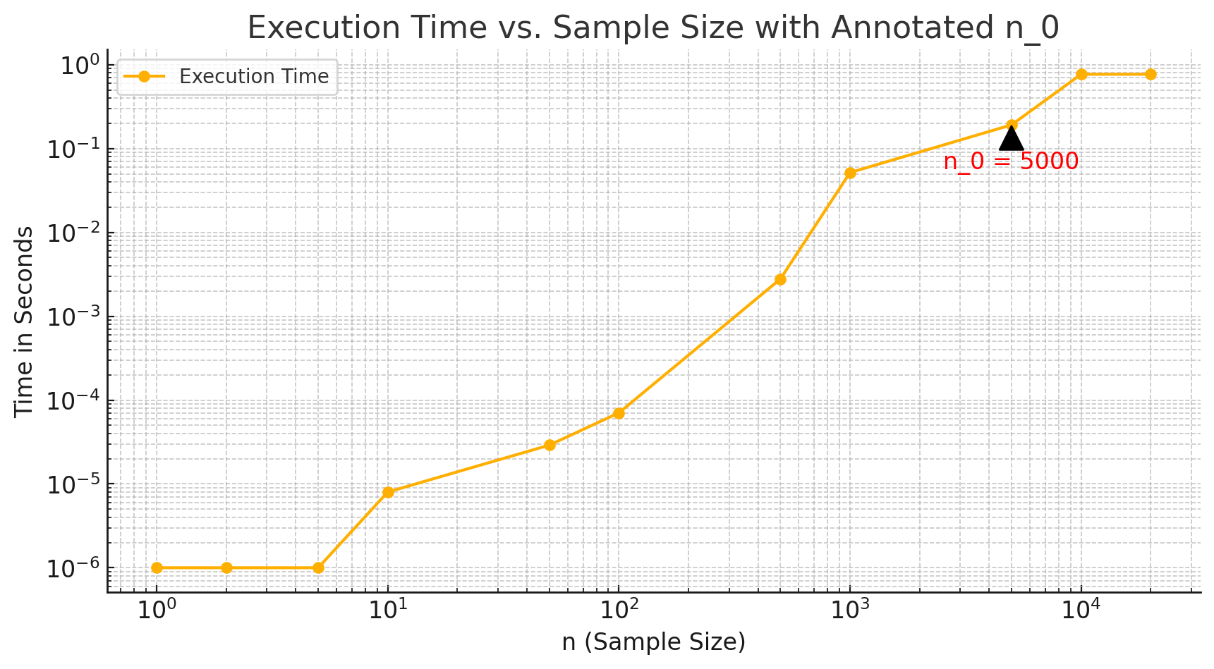
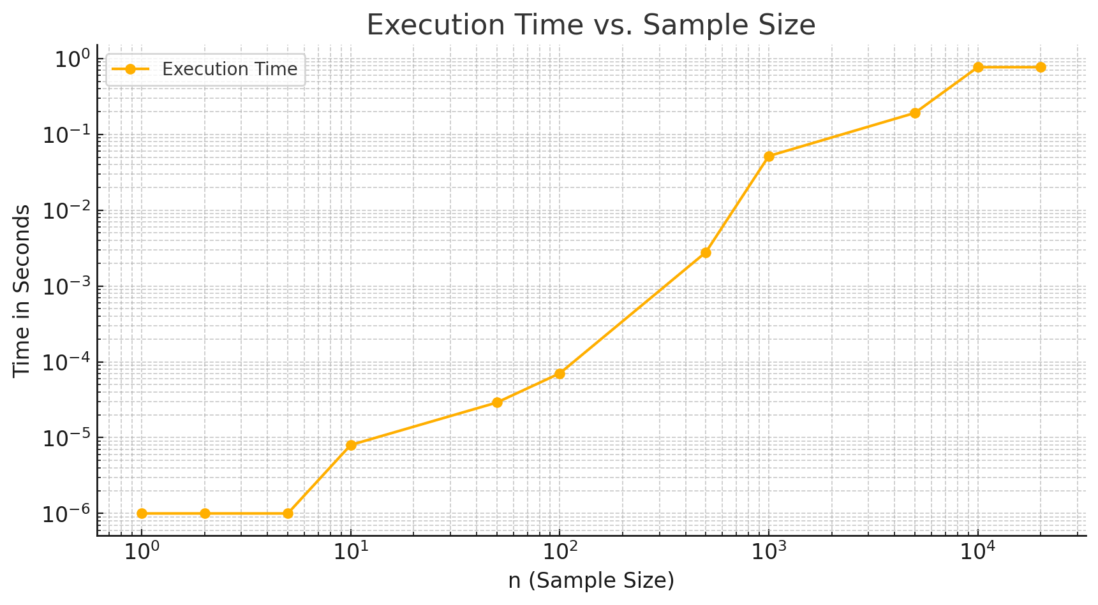
n (sample size) | 1 | 2 | 5 | 10 | 50 | 100 | 500 | 1000 | 5000 | 10000 | 20000
Time (in seconds) | 0.000001 | 0.000001 | 0.000001 | 0.000001 | 0.000008 | 0.000029 | 0.000704 | 0.002784 | 0.051712 | 0.191515 | 0.768945

