Read Me
Format update date: 11/12/2022.
Version 1.1 of the R Model Inputs.xlsx file. |  | TRUE | M | Fertility
Works with code versions up through at least 1.0 |  | FALSE | F | Mortality

Cells in green are imported directly into the model.

Tabs Scenarios, TotalPop, PopValues, TaskValues, StochasticParameters, SeasonalityCurves, and SeasonalityOffsets are inputs into the model.
Remaining tabs are source data or calculation checks to validate those input tabs.

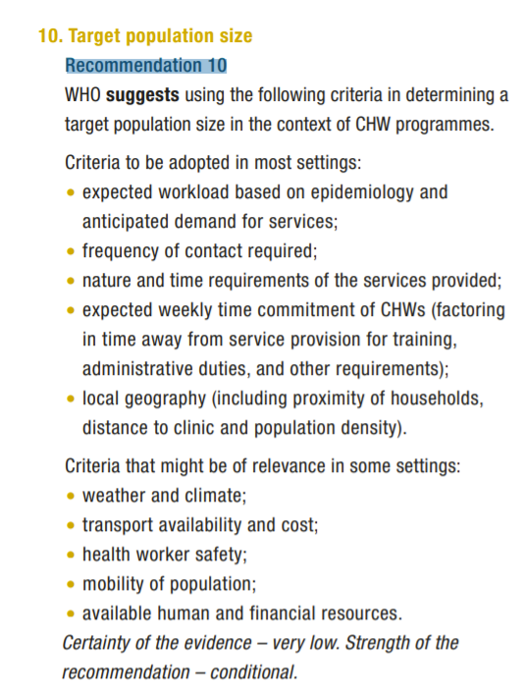
 | Source:
 | http://apps.who.int/iris/bitstream/handle/10665/275474/9789241550369-eng.pdf

