Read Me
Format update date: 6/2/2023.
Version 2.1 of the model_inputs_demo.xlsx file. |  | TRUE | M | Fertility
Works with code versions up through at least 1.0.7. Not compatible with pacehrh versions 1.0.6 and earlier. |  | FALSE | F | Mortality

Cells in green are imported directly into the model.

Tabs Scenarios, TotalPop, PopValues, TaskValues, StochasticParameters, SeasonalityCurves, and SeasonalityOffsets are inputs into the model.
Remaining tabs are source data or calculation checks to validate those input tabs.

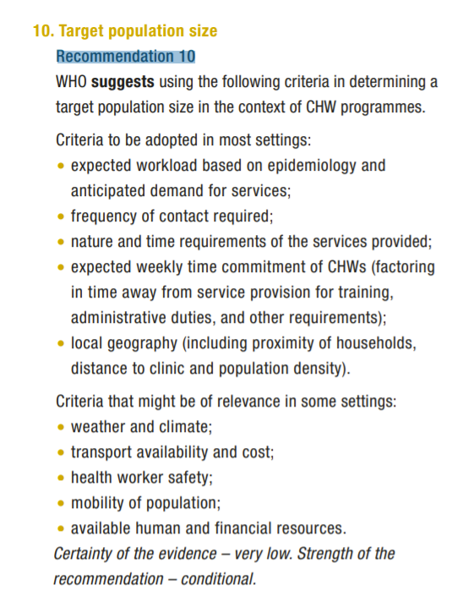
 | Source:
 | http://apps.who.int/iris/bitstream/handle/10665/275474/9789241550369-eng.pdf

