Conceptual_Design
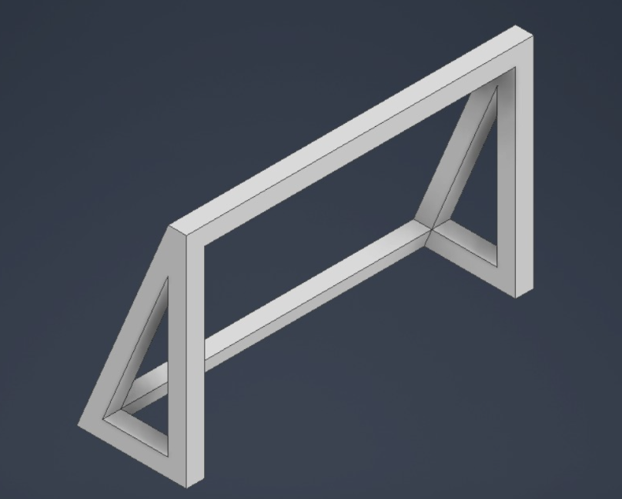
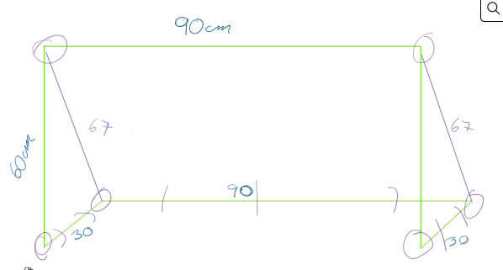
CONCEPTUAL DESIGN

Include an image (or more than one) with the current status of the conceptual design. Can be a sketches done with pencil

Shopping list
PRELIMINAR ORDER LIST

Team: | smart football goal(team 4) |  |  | Total cost [€] | 271.17 |  | 28.83
 |  |  |  | Budget limit [€] | 300

Item number | Description of the material | Quantity |  | Price [€] | Cost [€] | Provider | Link / website
1 | goalpost tubes | 6 | m | 6.56 | 39.36 |  | https://www.alacermas.com/es/producto/tubos-cuadrados-extruidos-de-aluminio | .
2 | ESP 32 | 1 |  | 8.90 | 8.90 |  | https://www.amazon.es/desarrollo-AYWHP-ESP-WROOM-32-Bluetooth-Compatible/dp/B0DG8JFY3C | .
3 | regulator (5 a 3,3v) | 1 |  | 11.99 | 11.99 |  | https://www.amazon.es/Convertidor-ajustable-reductor-regulador-voltaje/dp/B0D9HSRQSB/ref=sr_1_3?__mk_es_ES=%C3%85M%C3%85%C5%BD%C3%95%C3%91&crid=2CQH0VJNUNTZ61
4 | Cargols M8 85mm | 20 | en el paquet hi ha 30, pero nomes necessitarem aprox 20 | 15.87 | 15.87 |  | https://www.tornillos-express.es/carrito?action=show&_gl=1*14pj92r*_up*MQ..*_gs*MQ..&gclid=Cj0KCQiA8KTNBhD_ARIsAOvp6DJVuawOqniN5xiLs76IxakxXjzONClQnmKlblZWbY7fJQ6N4a5n9YwaAo0_EALw_wcB&gbraid=0AAAAApCivz7CsMDQxMVZ67OvK1puAO-pL | ,
6 | femella M8 85mm | 20 | en el paquet hi ha 100, pero nomes necessitarem aprox 20 | 1.33 | 1.33 |  | https://www.tornillos-express.es/tornillo-metales-cabeza-hexagonal-th-109-iso-4017/43047-632626-tornillo-metales-cabeza-hexagonal-m8x80-clase-109-acero-cincado-blanco-3663072192089.html?utm_campaign=googleads&utm_source=shopping&utm_medium=espagne&gad_source=1&gad_campaignid=19022351003&gbraid=0AAAAApCivz6dHd2o9ejHbDoXMnosNoKJ6&gclid=CjwKCAiA-__MBhAKEiwASBmsBErxRNCimA-naKwgQeOiBRyDUxktBG1afckTqvigwF5F7Ry69lXykxoCKEgQAvD_BwE
7 | Goal net | 1 |  | 25.66 | 25.66 |  | https://www.amazon.es/dp/B0CJJCG4B2/ref=sspa_dk_detail_3?psc=1&pd_rd_i=B0CJJCG4B2&pd_rd_w=B46YE&content-id=amzn1.sym.0c640cbd-b6e0-461d-8cfc-a8934b5122df&pf_rd_p=0c640cbd-b6e0-461d-8cfc-a8934b5122df&pf_rd_r=M1F5KSCC69AW78BZWX7E&pd_rd_wg=Gb1er&pd_rd_r=de0751c4-9497-4b47-bd2f-adb5a478cd4e&aref=WCCGjsiMEK&sp_csd=d2lkZ2V0TmFtZT1zcF9kZXRhaWw | ,
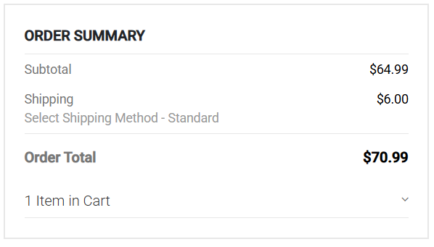
8 | Arducam IMX296 Global Shutter Camera | 1 |  | 70.99 | 70.99 |  | https://www.arducam.com/1-58mp-imx296-color-global-shutter-camera-module-with-m12-lens-for-raspberry-pi.html | . | price arducam
9 | Raspberry Pi 5 4GB | 1 |  | 97.07 | 97.07 |  | https://www.amazon.es/Raspberry-Pi-SC1111-5-4Gb/dp/B0CK3L9WD3/ref=sr_1_1?__mk_es_ES=ÅMÅŽÕÑ&crid=3M6YJNVVUGNAU&dib=eyJ2IjoiMSJ9.oE_1jHVJG4PjSPF4ldhDSMTNUE8fRX3AzBjb2_pK6NoGkCAQGEu5tOKK96aYmg9ECEsZwkS4ALHif3FffsyjuILtTi6Y9K-eQnSvDsnBV0030c6KLTE0FkKFpmj6yfsiD0fyk-7luRByXUAGaHPD_DN7NYacGv6dG5rF7oCDSaKn2ty0x1h1X76zcOrNuYolTIsuYpFuuIjcT6tQjEk6SDNp75TR3JS0pffghJoCCA2zXioRFsRIWhEY_cVnanT2RTE1xN4CFmc2y2hi7fnUlwN-wSdKcenA6mL3cZWDBTY.b_lT2kbNnOuqOHIpbO5PM8rLx4o5RdLOecaLNlk5hKI&dib_tag=se&keywords=raspberry%2Bpi%2B5%2B4gb&qid=1772705336&sprefix=raspberry%2Bpi%2B5%2B4%2Caps%2C247&sr=8-1&ufe=app_do%3Aamzn1.fos.4c3f56c3-e485-4a35-9abc-6532b61c3b62&th=1 | .
10 |  |  |  |  | 0
11 |  |  |  |  | 0
12 |  |  |  |  | 0
13 |  |  |  |  | 0
14 |  |  |  |  | 0
15 |  |  |  |  | 0
16 |  |  |  |  | 0
17 |  |  |  |  | 0
18 |  |  |  |  | 0
19 |  |  |  |  | 0
20 |  |  |  |  | 0

