New params
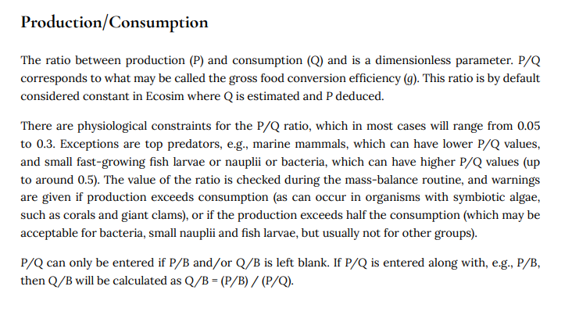
Site | Category | Functional Group | Group Notes | Biomass (kg/km2) | Parameter Source | EE | P/B (per year) | Parameter Source | Notes | P/B Equation | Winf | Linf | K | T | A | h | d | log(Q/B_calc) | QB_calc | Q/B (per year) | Parameter Source | Q/B equation | P/Q | Parameter Source | NOTES
LICB | Fish | Largemouth Bass 0 |  | 0.272 | doi.org/10.5066/P9F0ZASV |  | 0.53 | Based on Pauly 1980, and notes from "Ecopath model of the southern North Sea", assuming no fishing mortality |  | 𝑙𝑜𝑔 𝑀 = −0.0066 − 0.279 𝑙𝑜𝑔 𝐿𝑖𝑛𝑓 + 0.6543 𝑙𝑜𝑔 𝐾 + 0.4634 𝑙𝑜𝑔 T | 500 | 760 | 0.2 | 23.3 | 1.15433 | 0 | 0 | 0.88078301055 | 7.5994648493 | 14.57 |  |  | 0.069799518848
 | Fish | Largemouth Bass 1+ |  | 18.501 | doi.org/10.5066/P9F0ZASV |  | 0.53 | Based on Pauly 1980, and notes from "Ecopath model of the southern North Sea", assuming no fishing mortality |  | 𝑙𝑜𝑔 𝑀 = −0.0066 − 0.279 𝑙𝑜𝑔 𝐿𝑖𝑛𝑓 + 0.6543 𝑙𝑜𝑔 𝐾 + 0.4634 𝑙𝑜𝑔 T | 11000 | 760 | 0.2 | 23.3 | 1.15433 | 0 | 0 | 0.60692878366 | 4.045095541 | 4.25 |  |  | 0.13113138728
 | Fish | Lepomis sp. | Includes Redear Sunfish, Bluegill, Warmouth | 5.127 | doi.org/10.5066/P9F0ZASV |  | 0.68 | Based on Pauly 1980, and notes from "Ecopath model of the southern North Sea", assuming no fishing mortality |  | 𝑙𝑜𝑔 𝑀 = −0.0066 − 0.279 𝑙𝑜𝑔 𝐿𝑖𝑛𝑓 + 0.6543 𝑙𝑜𝑔 𝐾 + 0.4634 𝑙𝑜𝑔 T | 1000 | 260 | 0.3 | 23.3 | 1.6189 | 0 | 0 | 0.85793220143 | 7.2099491446 | 4.2 |  |  | 0.094012616171
 | Fish | MS Silverside |  | 0.141 | doi.org/10.5066/P9F0ZASV |  | 1.12 | Based on Pauly 1980, and notes from "Ecopath model of the southern North Sea", assuming no fishing mortality |  | 𝑙𝑜𝑔 𝑀 = −0.0066 − 0.279 𝑙𝑜𝑔 𝐿𝑖𝑛𝑓 + 0.6543 𝑙𝑜𝑔 𝐾 + 0.4634 𝑙𝑜𝑔 T | 25 | 150 | 1.4 | 23.3 | 1.3888 | 0 | 0 | 1.1656541397 | 14.643811831 | 18 |  |  | 0.07665020499
 | Fish | Threadfin Shad |  | 1.191 | doi.org/10.5066/P9F0ZASV |  | 0.80 | Based on Pauly 1980, and notes from "Ecopath model of the southern North Sea", assuming no fishing mortality |  | 𝑙𝑜𝑔 𝑀 = −0.0066 − 0.279 𝑙𝑜𝑔 𝐿𝑖𝑛𝑓 + 0.6543 𝑙𝑜𝑔 𝐾 + 0.4634 𝑙𝑜𝑔 T | 50 | 220 | 0.5 | 23.3 | 2.24456 | 0 | 0 | 1.1752721005 | 14.971733933 | 19.5 |  |  | 0.05341673785
 | Fish | Cyprinodontiformes | Includes W. Mosquitofish and Rainwater Killifish | 0.002 | doi.org/10.5066/P9F0ZASV |  | 1.06 | Based on Pauly 1980, and notes from "Ecopath model of the southern North Sea", assuming no fishing mortality |  | 𝑙𝑜𝑔 𝑀 = −0.0066 − 0.279 𝑙𝑜𝑔 𝐿𝑖𝑛𝑓 + 0.6543 𝑙𝑜𝑔 𝐾 + 0.4634 𝑙𝑜𝑔 T | 10 | 65 | 0.8 | 23.3 | 0.74881 | 0 | 0 | 1.1937147314 | 15.621212182 |  |  |  | 0.067826109649
 | Fish | Golden Shiner |  | 1.439 | doi.org/10.5066/P9F0ZASV |  | 0.78 | Based on Pauly 1980, and notes from "Ecopath model of the southern North Sea", assuming no fishing mortality |  | 𝑙𝑜𝑔 𝑀 = −0.0066 − 0.279 𝑙𝑜𝑔 𝐿𝑖𝑛𝑓 + 0.6543 𝑙𝑜𝑔 𝐾 + 0.4634 𝑙𝑜𝑔 T | 680 | 260 | 0.5 | 23.3 | 1.67679 | 0 | 0 | 0.89690525324 | 7.8868803672 |  |  |  | 0.099369562709
 | Fish | Crappie | Includes Black and White Crappie | 16.108 | doi.org/10.5066/P9F0ZASV |  | 0.58 | Based on Pauly 1980, and notes from "Ecopath model of the southern North Sea", assuming no fishing mortality |  | 𝑙𝑜𝑔 𝑀 = −0.0066 − 0.279 𝑙𝑜𝑔 𝐿𝑖𝑛𝑓 + 0.6543 𝑙𝑜𝑔 𝐾 + 0.4634 𝑙𝑜𝑔 T | 1000 | 356 | 0.2 | 23.3 | 1.56692 | 0 | 0 | 0.85361786143 | 7.1386791258 |  |  |  | 0.081456540015
 | Fish | Goldfish/Carp | Includes Common Carp and Goldfish | 82.336 | doi.org/10.5066/P9F0ZASV |  | 0.53 | Based on Pauly 1980, and notes from "Ecopath model of the southern North Sea", assuming no fishing mortality |  | 𝑙𝑜𝑔 𝑀 = −0.0066 − 0.279 𝑙𝑜𝑔 𝐿𝑖𝑛𝑓 + 0.6543 𝑙𝑜𝑔 𝐾 + 0.4634 𝑙𝑜𝑔 T | 25000 | 800 | 0.2 | 23.3 | 1.99497 | 0 | 1 | 1.0019662497 | 10.045377216 |  |  |  | 0.05247712091
 | Fish | Catfish | Includes White Catfish, Black Bullhead, Brown Bullhead, Channel Catfish | 33.232 | doi.org/10.5066/P9F0ZASV |  | 0.57 | Based on Pauly 1980, and notes from "Ecopath model of the southern North Sea", assuming no fishing mortality |  | 𝑙𝑜𝑔 𝑀 = −0.0066 − 0.279 𝑙𝑜𝑔 𝐿𝑖𝑛𝑓 + 0.6543 𝑙𝑜𝑔 𝐾 + 0.4634 𝑙𝑜𝑔 T | 10000 | 407 | 0.2 | 23.3 | 1.10504 | 0 | 0 | 0.61128182143 | 4.0858443805 | 2.2 | used White catfish |  | 0.14002860023
 | Fish | Striped Bass 0 |  | 0.109 | doi.org/10.5066/P9F0ZASV |  | 0.50 | Based on Pauly 1980, and notes from "Ecopath model of the southern North Sea", assuming no fishing mortality |  | 𝑙𝑜𝑔 𝑀 = −0.0066 − 0.279 𝑙𝑜𝑔 𝐿𝑖𝑛𝑓 + 0.6543 𝑙𝑜𝑔 𝐾 + 0.4634 𝑙𝑜𝑔 T | 500 | 1250 | 0.2 | 23.3 | 2.06694 | 0 | 0 | 0.95652964055 | 9.0475218486 | 10 |  |  | 0.055197803122
 | Fish | Striped Bass 1-2 |  | 4.316 | doi.org/10.5066/P9F0ZASV |  | 0.50 | Based on Pauly 1980, and notes from "Ecopath model of the southern North Sea", assuming no fishing mortality |  | 𝑙𝑜𝑔 𝑀 = −0.0066 − 0.279 𝑙𝑜𝑔 𝐿𝑖𝑛𝑓 + 0.6543 𝑙𝑜𝑔 𝐾 + 0.4634 𝑙𝑜𝑔 T | 5000 | 1250 | 0.2 | 23.3 | 2.06694 | 0 | 0 | 0.75252964055 | 5.6562635971 | 3.18 |  |  | 0.088292089146
 | Fish | Striped Bass 3+ |  | 0 | doi.org/10.5066/P9F0ZASV |  | #NUM! | Based on Pauly 1980, and notes from "Ecopath model of the southern North Sea", assuming no fishing mortality |  | 𝑙𝑜𝑔 𝑀 = −0.0066 − 0.279 𝑙𝑜𝑔 𝐿𝑖𝑛𝑓 + 0.6543 𝑙𝑜𝑔 𝐾 + 0.4634 𝑙𝑜𝑔 T |  |  |  | 23.3 |  |  |  | #NUM! | #NUM! |  |  |  | #NUM!
 | Fish | Demersal | Includes Yellowfin Goby, Prickly Sculpin, Tridentiger sp., Bigscale Logperch | 0.475 | doi.org/10.5066/P9F0ZASV |  | 0.70 | Based on Pauly 1980, and notes from "Ecopath model of the southern North Sea", assuming no fishing mortality |  | 𝑙𝑜𝑔 𝑀 = −0.0066 − 0.279 𝑙𝑜𝑔 𝐿𝑖𝑛𝑓 + 0.6543 𝑙𝑜𝑔 𝐾 + 0.4634 𝑙𝑜𝑔 T | 25 | 200 | 0.3 | 23.3 | 0.876085 | 0 | 0 | 1.1230987947 | 13.276964519 | 15.1 | used C. asper |  | 0.052701848899
 | Fish | Tule Perch |  | 7.713 | doi.org/10.5066/P9F0ZASV |  | 0.69 | Based on Pauly 1980, and notes from "Ecopath model of the southern North Sea", assuming no fishing mortality |  | 𝑙𝑜𝑔 𝑀 = −0.0066 − 0.279 𝑙𝑜𝑔 𝐿𝑖𝑛𝑓 + 0.6543 𝑙𝑜𝑔 𝐾 + 0.4634 𝑙𝑜𝑔 T | 500 | 238 | 0.3 | 23.3 | 2.16231 | 0 | 0 | 0.96444535055 | 9.2139393782 | 8.9 |  |  | 0.07435760778
 | Fish | Sacramento Sucker |  | 47.919 | doi.org/10.5066/P9F0ZASV |  | 0.55 | Based on Pauly 1980, and notes from "Ecopath model of the southern North Sea", assuming no fishing mortality |  | 𝑙𝑜𝑔 𝑀 = −0.0066 − 0.279 𝑙𝑜𝑔 𝐿𝑖𝑛𝑓 + 0.6543 𝑙𝑜𝑔 𝐾 + 0.4634 𝑙𝑜𝑔 T | 4000 | 560 | 0.2 | 23.3 | 1.61522 | 0 | 1 | 1.1328065232 | 13.577084571 |  |  |  | 0.040541415877
 | Fish | Hitch |  | 0.839 | doi.org/10.5066/P9F0ZASV |  | 0.58 | Based on Pauly 1980, and notes from "Ecopath model of the southern North Sea", assuming no fishing mortality |  | 𝑙𝑜𝑔 𝑀 = −0.0066 − 0.279 𝑙𝑜𝑔 𝐿𝑖𝑛𝑓 + 0.6543 𝑙𝑜𝑔 𝐾 + 0.4634 𝑙𝑜𝑔 T | 1000 | 350 | 0.2 | 23.3 | 3.02639 | 0 | 0 | 0.97475387143 | 9.4352599839 |  |  |  | 0.06175674627
 | Fish | Sacramento Pikeminnow |  | 3.08 | doi.org/10.5066/P9F0ZASV |  | 0.41 | Based on Pauly 1980, and notes from "Ecopath model of the southern North Sea", assuming no fishing mortality |  | 𝑙𝑜𝑔 𝑀 = −0.0066 − 0.279 𝑙𝑜𝑔 𝐿𝑖𝑛𝑓 + 0.6543 𝑙𝑜𝑔 𝐾 + 0.4634 𝑙𝑜𝑔 T | 4100 | 1150 | 0.1 | 23.3 | 0.766912 | 0 | 0 | 0.66220929066 | 4.5941935808 | 3.7 |  |  | 0.090175707643
 | Macroinvertebrates | Corbicula |  |  |  |  | 2.89 | Sousa et al 2008
 | Macroinvertebrates | Corbicula |  | 114.449 | doi.org/10.5066/P9JJOL3W |  | 1.20 | Bauer |  |  |  |  |  |  |  |  |  |  | 10 |  |  |  | 0.12 |  | Value is in dry weight, convert to wet weight
 | Macroinvertebrates | Crayfish |  | 2.814 | doi.org/10.5066/P9F0ZASV |  | 2.00 | Bauer |  |  |  |  |  |  |  |  |  |  | 10 |  |  |  | 0.2
 | Macroinvertebrates | Gammaroidea |  |  |  |  |  |  |  |  |  |  |  |  |  |  |  |  |  |  |  |  | #DIV/0! |  | Value is in dry weight, convert to wet weight
 | Macroinvertebrates | Gammaroidea | 0.400 from doi.org/10.5066/P9JJOL3W | 5878.524 | doi.org/10.5066/P9JJOL3W |  | 3.00 | Bauer |  |  |  |  |  |  |  |  |  |  | 5 |  |  |  | 0.6 |  | Value is in dry weight, convert to wet weight
 | Macroinvertebrates | Corophiidae |  |  |  |  | 7.2-8.6 | Albright and Armstrong 1981 - these values oare April=september, not the whole year
 | Macroinvertebrates | Corophiidae | 11.471 from doi.org/10.5066/P9JJOL3W | 11.471 | doi.org/10.5066/P9JJOL3W |  | 3.00 | Bauer |  |  |  |  |  |  |  |  |  |  | 5 |  |  |  | 0.6 |  | Value is in dry weight, convert to wet weight
 | Macroinvertebrates | Chironomid |  |  |  |  |  |  | Lit values range from 1.5 yo 263
 | Macroinvertebrates | Insects | 804.300 represents Dipterans from zoop tows | 2934.892 | doi.org/10.5066/P9217ML2 |  | 3.00 | Bauer |  |  |  |  |  |  |  |  |  |  | 5 |  |  |  | 0.6
 | Macroinvertebrates | Shrimp |  | 0.386 | doi.org/10.5066/P9F0ZASV |  | 2.00 | Bauer |  |  |  |  |  |  |  |  |  |  | 12 |  |  |  | 0.16666666667
 | Zooplankton | Bosmina
 | Zooplankton | Cladocera |  | 0.218 | doi.org/10.5066/P9217ML2 |  | 57.30 | Bauer | estimated growth from Mullersolger 2002 | 57.306343672 |  |  |  |  |  |  |  |  | 100 |  |  |  | 0.573
 | Zooplankton | Calanoida |  | 30.883 | doi.org/10.5066/P9217ML2 |  | 52.02 | Bauer said 25 (Kimmerer 2018 and Gearty 2021 come to 52) | growth rate of zoop from Kimmerer 2018 = 0.23 C/d. T convert from C to biovolume log BV = −1.429 + 0.808 log C, | 52.204747816 |  |  |  |  |  |  |  |  | 100 |  |  |  | 0.5202
 | Zooplankton | Cyclopoida |  | 0.636 | doi.org/10.5066/P9217ML2 |  | 49.70 | Bauer | growth rate of zoop from Kimmerer 2018 = 0.23 C/d. T convert from C to biovolume log BV = −1.429 + 0.808 log C, | 52.204747816 |  |  |  |  |  |  |  |  | 100 |  |  |  | 0.497
 | Zooplankton | Harpacticoida |  | 0.507 | doi.org/10.5066/P9217ML2 |  | 49.70 | Bauer | estimated growth from Gould & Kimmerer | 49.706195838 |  |  |  |  |  |  |  |  | 100 |  |  |  | 0.497
 | Producer | SAV |  | 874 | from Conrad et al 2016 |  | 220.01 |  |  |  |  |  |  |  |  |  |  |  |  |  |  |  |  |  | Value is in dry weight, 13,102 is wet weight
 |  | Phytoplankton |  | 213.91 | NWIS - 382006121401601 |  | 209.88
 |  | Epibenthic algae |  | 160.928 | 10.1016/j.scitotenv.2021.147097 |  | 133.23
 |  | Emergent vegetation | miller and fuji 2010. mid-season standing live biomass represented about half of the annual primary production. PP ranged from 1.3 to 3.2 kg of carbon per square meter annually. EAV averaged 1.6 kg carbon (AFDW) per m2 | 16000 | miller and fugi |  | 2.00 | miller and fugi
 |  | Floating vegetation
 | Detritus | Detritus | DOC-POC

 |  | CODE |  |  |  |  | 0.5304,0.5304,0.6778,1.1225,0.7997,1.0595,0.7837,0.5815,0.5272,0.5721,0.4994,0.4994,0.6997,0.6851,0.5504,0.5827,0.4143,1.2,2,3,3,3,2,57.3,52.02,49.7,49.7,220.005,209.878,133.225,0,NA

StableIsotopDiets
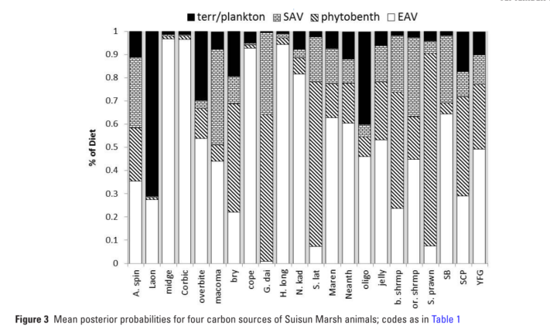
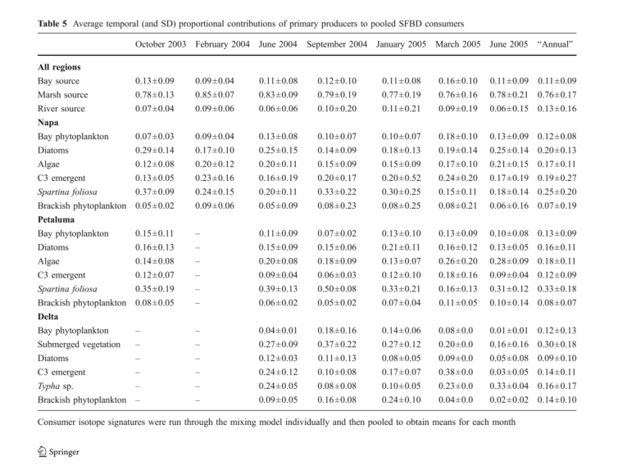
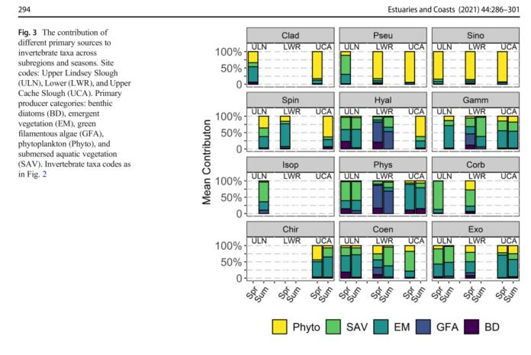
Group | Taxa | Study | Region | PercentPhyto | PercentBenthicAlgae | PercentSAV | PercentEAV | PercentFillamentousAlgae | Notes
Macroinvertebrates | Corbicula | Young et al. 2021 | Cache | 0.1405 | 0.029 | 0.6835 | 0.134 | 0.026
Macroinvertebrates | Crayfish
Macroinvertebrates | Gammarus | Young et al. 2021 | Cache | 0.1072 | 0.056333333333 | 0.3156 | 0.4554 | 0.14633333333
Macroinvertebrates | Hyalella | Young et al. 2021 | Cache | 0.1466 | 0.156 | 0.2538 | 0.268 | 0.39533333333
Macroinvertebrates | Gammaroidea
Macroinvertebrates | Americorophium spinicorne | Young et al. 2021 | Cache | 0.38 | 0.043 | 0.13966666667 | 0.42266666667 | 0.043
Macroinvertebrates | Corophiidae
Macroinvertebrates | Chironomid | Schroeter te al 2015 | Suisun | 0.011 | 0.012 | 0.009 | 0.968
Macroinvertebrates | Chironomid | Young et al. 2021 | Cache | 0.253 | 0.0335 | 0.169 | 0.544
Macroinvertebrates | Other Insects
Macroinvertebrates | exoPalaemon | Young et al. 2021 | Cache | 0.161 | 0.04725 | 0.2988 | 0.473 | 0.0735
Macroinvertebrates | exoPalaemon | Schroeter te al 2015 | Suisun | 0.041 | 0.832 | 0.053 | 0.074
Macroinvertebrates | Palaemon | Schroeter te al 2015 | Suisun | 0.025 | 0.182 | 0.344 | 0.449
Macroinvertebrates | crangon | Schroeter te al 2015 | Suisun
Macroinvertebrates | Shrimp
Macroinvertebrates | Physidae | Young et al. 2021 | Cache | 0.035 | 0.14175 | 0.26733333333 | 0.35683333333 | 0.493 | I'm not sure we need snails, but just in case
Zooplankton | Bosmina
Zooplankton | Cladocera | Young et al. 2021 |  | 0.58 | 0.0425 | 0.088 | 0.2895
Zooplankton | Sinocalanus |  |  | 0.87433333333 | 0.011666666667 | 0.043666666667 | 0.063333333333 | 0.023
Zooplankton | Pseudodiaptomus | Young et al. 2021 |  | 0.627 | 0.013666666667 | 0.21766666667 | 0.13333333333 | 0.024
Zooplankton | Copepoda | Schroeter te al 2015 | Suisun | 0.048 | 0.014 | 0.009 | 0.928 |  | Schroeter combines terrestrial and plankton
Zooplankton | Calanoida
Zooplankton | Cyclopoida
Zooplankton | Harpacticoida

Isotope Sources: Young et al. 2021, Pagliaro et al. 2025, Shroeter et al. 2016
Other sources: Harfman et al, Holmes et al.
Emily Howe has a bunch of unpublished data from Suisun Marsh and Browns Island. Matt has a report.

