Figs 3&4
Date | SHR Zoop Total Concentration ng/g | SHR Zoop Pesticide Count | SHR Water Total Concentration ng/l | SHR water Pesticide Count | SHR Suspended Sed Total Concentration ng/g | SHR suspended sed Pesticide Count | Date | STTD Zoop Total Concentration ng/g | STTD Zoop Pesticide Count | STTD Water Total Concentration ng/l | STTD water Pesticide Count | STTD Suspended Sed Total Concentration ng/g | STTD suspended sed Pesticide Count | Date | Freeport Discharge cfs | Date | Yolo Discharge cfs | Date | CoCoRaHs Rainfall inches
2017-08-29 | 227.19871781 | 11 | 389.42531169 | 7 | 0 | 0 | 2017-08-30 | 75.155358996 | 5 | 474.8 | 14 | 0 | 0 | 2017-03-01 | 75500 | 2017-03-01 | 69100 | 2019-03-01 | 0
2017-09-12 | 174.19087945 | 15 | 396.64631974 | 9 | 0 | 0 | 2017-09-13 | 26.928515204 | 6 | 986.9 | 20 | 0 | 0 | 2017-03-02 | 74200 | 2017-03-02 | 62300 | 2019-03-02 | 0.17
2017-09-19 | 137.99606502 | 11 | 147.01556644 | 5 | 0 | 0 | 2017-09-20 | 73.050930741 | 3 | 530.4 | 15 | 0 | 0 | 2017-03-03 | 74100 | 2017-03-03 | 58300 | 2019-03-03 | 0.69
2017-10-03 | 316.69619872 | 17 | 80.329574335 | 4 | 0 | 0 | 2017-10-04 | 269.00063947 | 6 | 431 | 9 | 0 | 0 | 2017-03-04 | 73900 | 2017-03-04 | 53800 | 2019-03-04 | 0.07
2017-10-17 | 427.37943607 | 10 | 47.922397552 | 3 | 0 | 0 | 2017-10-19 | 62.220373704 | 2 | 219.7 | 9 | 0 | 0 | 2017-03-05 | 72400 | 2017-03-05 | 47400 | 2019-03-05 | 0
2017-11-01 | 265.57107115 | 6 | 97.295942641 | 5 | 0 | 0 | 2017-11-02 | 285.62279119 | 4 | 254.3 | 10 | 0 | 0 | 2017-03-06 | 71400 | 2017-03-06 | 37100 | 2019-03-06 | 0.87
2018-07-12 | 218.84885012 | 6 | 188.76610183 | 7 | 0 | 0 | 2018-07-11 | 165.58976684 | 1 | 902.1 | 18 | 0 | 0 | 2017-03-07 | 69600 | 2017-03-07 | 28200 | 2019-03-07 | 0.36
2018-07-25 | 164.99272996 | 7 | 262.27653038 | 10 | 14.7 | 1 | 2018-07-26 | 100.06627316 | 2 | 508.7 | 12 | 0 | 0 | 2017-03-08 | 67500 | 2017-03-08 | 22800 | 2019-03-08 | 0
2018-08-09 | 413.08421857 | 16 | 668.97693236 | 7 | 0 | 0 | 2018-08-08 | 64.42044694 | 11 | 586.8 | 13 | 0 | 0 | 2017-03-09 | 66100 | 2017-03-09 | 17700 | 2019-03-09 | 0
2018-08-23 | 302.75362899 | 9 | 564.30312956 | 11 | 0 | 0 | 2018-08-22 | 212.96740143 | 8 | 504.4 | 15 | 0 | 0 | 2017-03-10 | 64800 | 2017-03-10 | 12200 | 2019-03-10 | 0
2018-09-06 | 324.04837916 | 12 | 317.93754603 | 7 | 0 | 0 | 2018-08-30 | 686.83756148 | 3 | 4088 | 20 | 4.9 | 1 | 2017-03-11 | 64200 | 2017-03-11 | 8710 | 2019-03-11 | 0
2018-09-20 | 270.17804058 | 9 | 151.46643971 | 4 | 0 | 0 | 2018-09-05 | 1170.5649398 | 5 | 2617.1 | 19 | 0 | 0 | 2017-03-12 | 63000 | 2017-03-12 | 6590 | 2019-03-12 | 0
2018-10-11 | 651.37113455 | 6 | 98.852057638 | 5 | 0 | 0 | 2018-09-19 | 797.15645818 | 4 | 2432 | 13 | 5.5 | 1 | 2017-03-13 | 61900 | 2017-03-13 | 5640 | 2019-03-13 | 0
2018-10-26 | 0 | 0 | 75.626784407 | 6 | 0 | 0 | 2018-10-10 | 83.183502616 | 3 | 8 | 11 | 0 | 0 | 2017-03-14 | 60400 | 2017-03-14 | 5280 | 2019-03-14 | 0
2018-11-09 | 359.0101181 | 3 | 198.17201023 | 5 | 0 | 0 | 2018-10-25 | 99.331930761 | 5 | 485.7 | 9 | 0 | 0 | 2017-03-15 | 58900 | 2017-03-15 | 5020 | 2019-03-15 | 0
2019-05-21 | 127.90884295 | 9 | 445.48077579 | 23 | 0 | 0 | 2018-11-08 | 213.58742293 | 5 | 341.3 | 9 | 0 | 0 | 2017-03-16 | 56000 | 2017-03-16 | 4780 | 2019-03-16 | 0
2019-06-04 | 103.08011123 | 7 | 215.69136333 | 15 | 0 | 0 | 2019-05-20 | 919.3446763 | 14 | 362.1 | 30 | 349.6 | 3 | 2017-03-17 | 53200 | 2017-03-17 | 4560 | 2019-03-17 | 0
2019-06-18 | 419.33946467 | 12 | 505.85984479 | 9 | 0 | 0 | 2019-06-03 | 903.77514338 | 14 | 1467.6353587 | 27 | 1627.2 | 3 | 2017-03-18 | 54200 | 2017-03-18 | 4390 | 2019-03-18 | 0
2019-07-02 | 129.36941095 | 11 | 507.56874508 | 8 | 0 | 0 | 2019-06-17 | 332.82856187 | 14 | 899.79819589 | 20 | 0 | 0 | 2017-03-19 | 59800 | 2017-03-19 | 4270 | 2019-03-19 | 0
2019-07-16 | 163.66642958 | 8 | 374.25062531 | 9 | 0 | 0 | 2019-07-01 | 230.4 | 11 | 607.28114874 | 13 | 4.1 | 1 | 2017-03-20 | 65600 | 2017-03-20 | 5360 | 2019-03-20 | 0.18
2019-08-05 | 322.10232781 | 9 | 337.91232125 | 8 | 0 | 0 | 2019-07-15 | 125.7 | 8 | 532.99378471 | 14 | 0 | 0 | 2017-03-21 | 68100 | 2017-03-21 | 13400 | 2019-03-21 | 0.04
2019-08-19 | 386.21467159 | 10 | 554.08375317 | 12 | 0 | 0 | 2019-08-07 | 0 | 0 | 347.24397617 | 15 | 0 | 0 | 2017-03-22 | 68900 | 2017-03-22 | 22300 | 2019-03-22 | 0
2019-09-05 | 219.43424385 | 10 | 423.41095031 | 9 | 0 | 0 | 2019-08-21 | 89 | 4 | 457.27126681 | 15 | 0 | 0 | 2017-03-23 | 69300 | 2017-03-23 | 30200 | 2019-03-23 | 0.7
2019-09-16 | 246.22100627 | 10 | 331.93137033 | 9 | 0 | 0 | 2019-09-04 | 641.2 | 11 | 2289.2419728 | 16 | 86.9 | 1 | 2017-03-24 | 69200 | 2017-03-24 | 30400 | 2019-03-24 | 0.2
2019-09-30 | 418.09427641 | 16 | 148.04024933 | 6 | 0 | 0 | 2019-09-18 | 548 | 15 | 2093.8372502 | 20 | 0 | 0 | 2017-03-25 | 68300 | 2017-03-25 | 28800 | 2019-03-25 | 0
2019-10-14 | 445.06217771 | 15 | 70.769644532 | 5 | 497.1 | 1 | 2019-10-02 | 333.9 | 12 | 766.80342026 | 13 | 0 | 0 | 2017-03-26 | 68900 | 2017-03-26 | 29500 | 2019-03-26 | 1.08
2019-10-28 | 690.50734181 | 14 | 90.122749762 | 7 | 0 | 0 | 2019-10-16 | 181.7 | 7 | 347.25295137 | 13 | 0 | 0 | 2017-03-27 | 69000 | 2017-03-27 | 30000 | 2019-03-27 | 0.25
2019-11-13 | 378.31172255 | 15 | 115.52703949 | 6 | 0 | 0 | 2019-10-28 | 315 | 12 | 233.26623672 | 12 | 0 | 0 | 2017-03-28 | 71500 | 2017-03-28 | 26600 | 2019-03-28 | 0.24
2019-11-25 | 405.88484698 | 6 | 186.3437493 | 7 | 0 | 0 | 2019-11-14 | 406.1 | 8 | 164.5996319 | 14 | 0 | 0 | 2017-03-29 | 73600 | 2017-03-29 | 19200 | 2019-03-29 | 0.2
2019-12-10 | 323.05105854 | 6 | 558.23809351 | 18 | 0 | 0 | 2019-11-26 | 413.7 | 5 | 193.53661702 | 14 | 0 | 0 | 2017-03-30 | 70100 | 2017-03-30 | 9900 | 2019-03-30 | 0
2019-12-27 | 326.21795506 | 8 | 253.96279149 | 14 | 0 | 0 | 2019-12-09 | 994.5 | 8 | 1714.2473118 | 32 | 5.2 | 1 | 2017-03-31 | 66300 | 2017-03-31 | 4440 | 2019-03-31 | 0
2020-01-07 | 1212.2688009 | 8 | 210.36594927 | 9 | 0 | 0 | 2019-12-26 | 373.2 | 8 | 577.11950049 | 22 | 0 | 0 | 2017-04-01 | 64000 | 2017-04-01 | 2880 | 2019-04-01 | 0
2020-01-28 | 290.95321765 | 6 | 112.74148321 | 8 | 0 | 0 | 2020-01-06 | 1082.7 | 7 | 544.70329458 | 17 | 0 | 0 | 2017-04-02 | 60100 | 2017-04-02 | 2450 | 2019-04-02 | 0.41
2020-02-11 | 579.92872637 | 8 | 189.9628184 | 8 | 0 | 0 | 2020-01-27 | 311.5 | 8 | 282.60991126 | 14 | 0 | 0 | 2017-04-03 | 56100 | 2017-04-03 | 2180 | 2019-04-03 | 0.23
2020-02-25 | 329.52182595 | 7 | 97.418069955 | 6 | 0 | 0 | 2020-02-10 | 183.7 | 4 | 387.53959168 | 17 | 0 | 0 | 2017-04-04 | 53400 | 2017-04-04 | 1910 | 2019-04-04 | 0
2020-03-09 | 178.07630402 | 6 | 84.617123003 | 9 | 0 | 0 | 2020-02-24 | 230.9 | 8 | 536.92703578 | 20 | 0 | 0 | 2017-04-05 | 50600 | 2017-04-05 | 1710 | 2019-04-05 | 0
 |  |  |  |  |  |  | 2020-03-10 | 283 | 6 | 337.63546332 | 16 | 0 | 0 | 2017-04-06 | 48900 | 2017-04-06 | 1570 | 2019-04-06 | 0.27
 |  |  |  |  |  |  |  |  |  |  |  |  |  | 2017-04-07 | 50400 | 2017-04-07 | 1770 | 2019-04-07 | 0.01
 |  |  |  |  |  |  |  |  |  | Note values in red are from site LIS and were not used in creation of Figs 3 or 4 |  |  |  | 2017-04-08 | 56600 | 2017-04-08 | 2210 | 2019-04-08 | 0
 |  |  |  |  |  |  |  |  |  |  |  |  |  | 2017-04-09 | 64700 | 2017-04-09 | 3130 | 2019-04-09 | 0.07
 |  |  |  |  |  |  |  |  |  |  |  |  |  | 2017-04-10 | 67900 | 2017-04-10 | 8340 | 2019-04-10 | 0
 |  |  |  |  |  |  |  |  |  |  |  |  |  | 2017-04-11 | 68200 | 2017-04-11 | 8050 | 2019-04-11 | 0
 |  |  |  |  |  |  |  |  |  |  |  |  |  | 2017-04-12 | 68300 | 2017-04-12 | 5410 | 2019-04-12 | 0
 |  |  |  |  |  |  |  |  |  |  |  |  |  | 2017-04-13 | 67900 | 2017-04-13 | 4090 | 2019-04-13 | 0
 |  |  |  |  |  |  |  |  |  |  |  |  |  | 2017-04-14 | 67000 | 2017-04-14 | 4040 | 2019-04-14 | 0
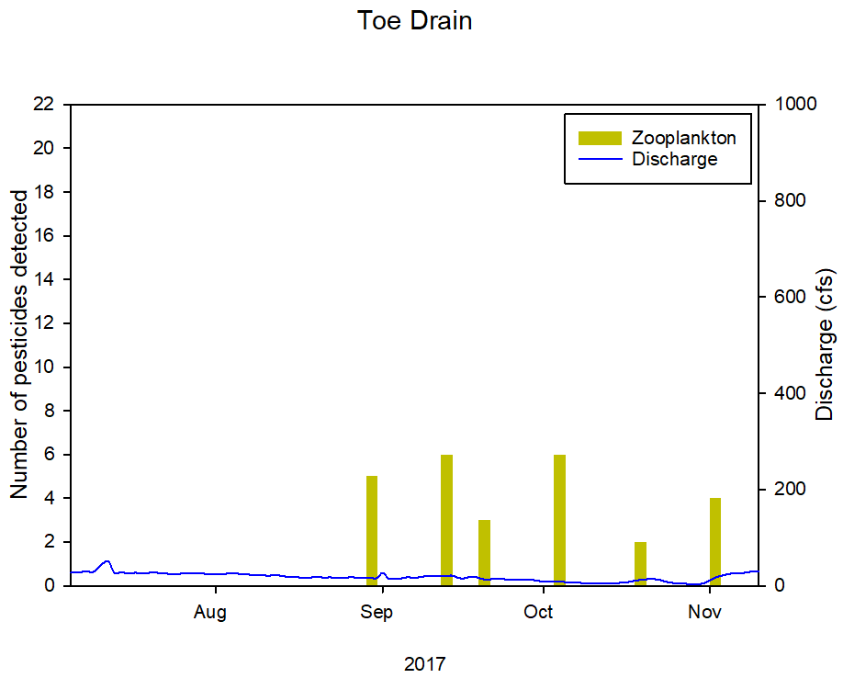
 |  |  |  |  |  |  |  |  |  |  |  |  |  | 2017-04-15 | 68100 | 2017-04-15 | 8060 | 2019-04-15 | 0
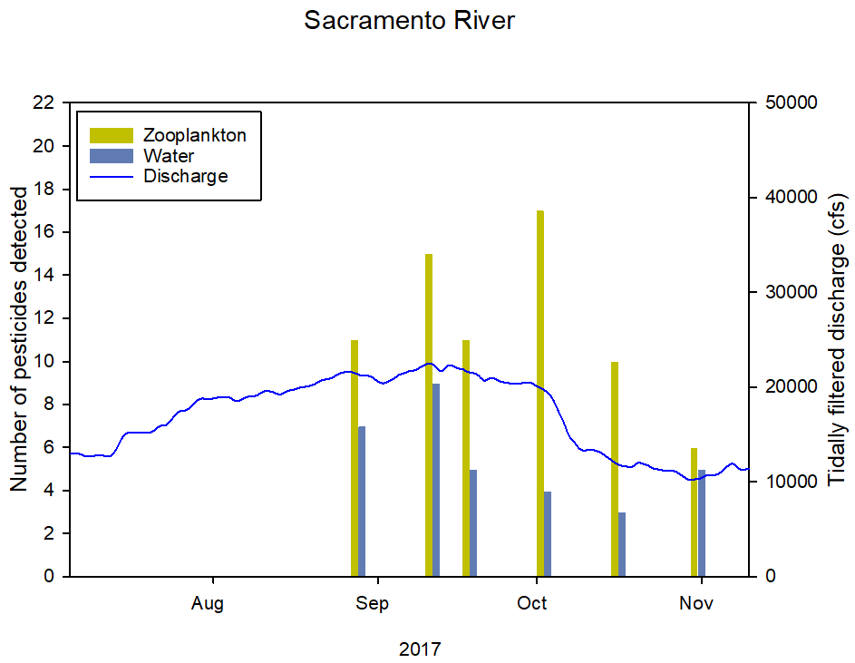
 |  |  |  |  |  |  |  |  |  |  |  |  |  | 2017-04-16 | 70100 | 2017-04-16 | 17800 | 2019-04-16 | 0.05
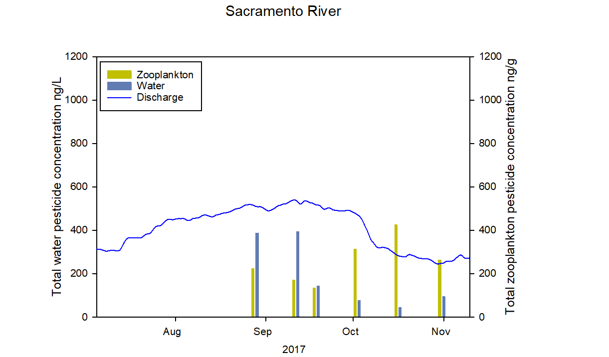
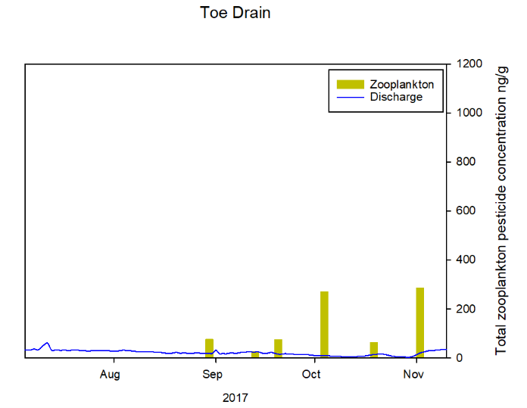
 |  |  |  |  |  |  |  |  |  |  |  |  |  | 2017-04-17 | 71100 | 2017-04-17 | 21000 | 2019-04-17 | 0
 |  |  |  |  |  |  |  |  |  |  |  |  |  | 2017-04-18 | 71900 | 2017-04-18 | 22100 | 2019-04-18 | 0
 |  |  |  |  |  |  |  |  |  |  |  |  |  | 2017-04-19 | 73100 | 2017-04-19 | 24400 | 2019-04-19 | 0
 |  |  |  |  |  |  |  |  |  |  |  |  |  | 2017-04-20 | 73800 | 2017-04-20 | 27000 | 2019-04-20 | 0
 |  |  |  |  |  |  |  |  |  |  |  |  |  | 2017-04-21 | 74600 | 2017-04-21 | 28200 | 2019-04-21 | 0.05
 |  |  |  |  |  |  |  |  |  |  |  |  |  | 2017-04-22 | 75700 | 2017-04-22 | 27500 | 2019-04-22 | 0
 |  |  |  |  |  |  |  |  |  |  |  |  |  | 2017-04-23 | 75900 | 2017-04-23 | 26800 | 2019-04-23 | 0
 |  |  |  |  |  |  |  |  |  |  |  |  |  | 2017-04-24 | 76100 | 2017-04-24 | 26100 | 2019-04-24 | 0
 |  |  |  |  |  |  |  |  |  |  |  |  |  | 2017-04-25 | 75800 | 2017-04-25 | 25800 | 2019-04-25 | 0
 |  |  |  |  |  |  |  |  |  |  |  |  |  | 2017-04-26 | 75700 | 2017-04-26 | 25300 | 2019-04-26 | 0
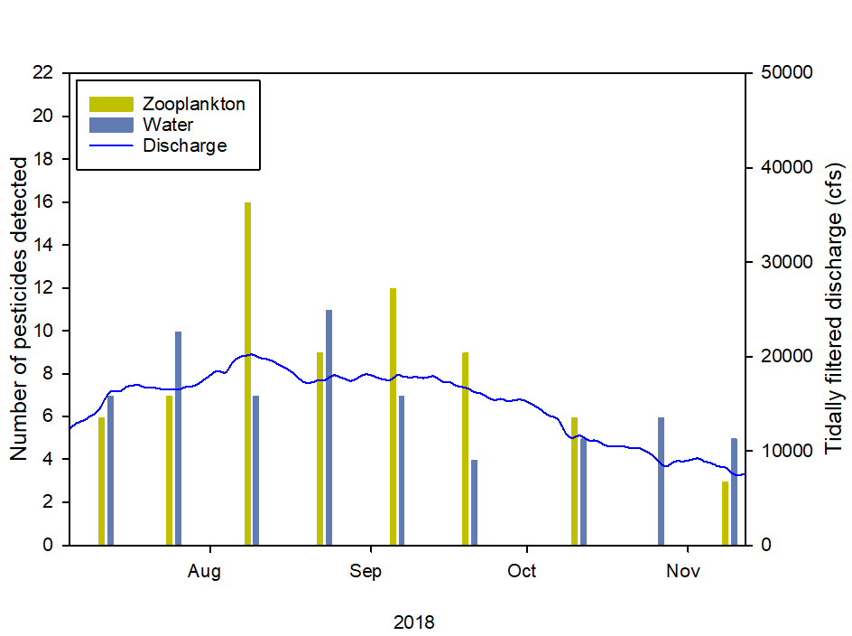
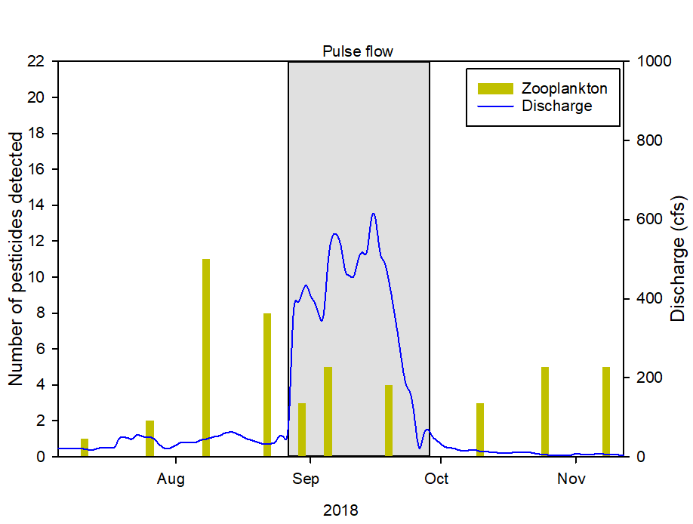
 |  |  |  |  |  |  |  |  |  |  |  |  |  | 2017-04-27 | 74000 | 2017-04-27 | 25100 | 2019-04-27 | 0
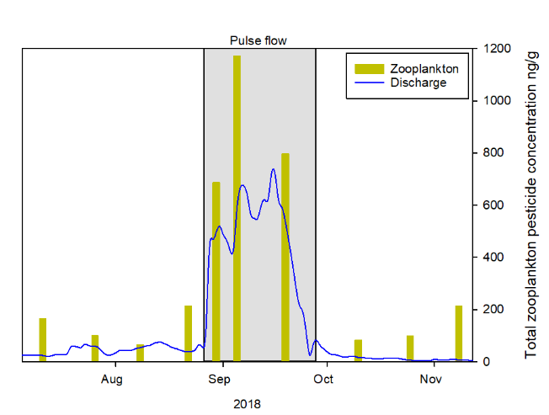
 |  |  |  |  |  |  |  |  |  |  |  |  |  | 2017-04-28 | 72700 | 2017-04-28 | 25000 | 2019-04-28 | 0
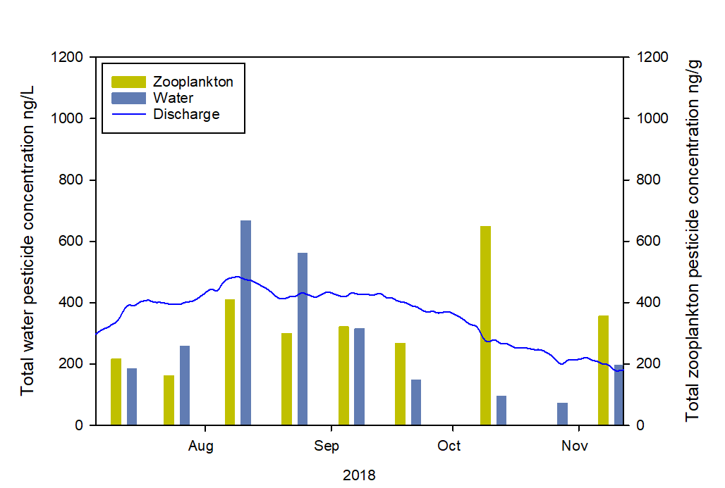
 |  |  |  |  |  |  |  |  |  |  |  |  |  | 2017-04-29 | 73500 | 2017-04-29 | 24000 | 2019-04-29 | 0
 |  |  |  |  |  |  |  |  |  |  |  |  |  | 2017-04-30 | 73900 | 2017-04-30 | 21200 | 2019-04-30 | 0
 |  |  |  |  |  |  |  |  |  |  |  |  |  | 2017-05-01 | 72200 | 2017-05-01 | 16600 | 2019-05-01 | 0
 |  |  |  |  |  |  |  |  |  |  |  |  |  | 2017-05-02 | 71100 | 2017-05-02 | 10100 | 2019-05-02 | 0
 |  |  |  |  |  |  |  |  |  |  |  |  |  | 2017-05-03 | 69300 | 2017-05-03 | 3570 | 2019-05-03 | 0
 |  |  |  |  |  |  |  |  |  |  |  |  |  | 2017-05-04 | 65800 | 2017-05-04 | 2050 | 2019-05-04 | 0
 |  |  |  |  |  |  |  |  |  |  |  |  |  | 2017-05-05 | 61100 | 2017-05-05 | 1550 | 2019-05-05 | 0
 |  |  |  |  |  |  |  |  |  |  |  |  |  | 2017-05-06 | 55600 | 2017-05-06 | 1230 | 2019-05-06 | 0
 |  |  |  |  |  |  |  |  |  |  |  |  |  | 2017-05-07 | 50700 | 2017-05-07 | 1100 | 2019-05-07 | 0
 |  |  |  |  |  |  |  |  |  |  |  |  |  | 2017-05-08 | 45900 | 2017-05-08 | 1050 | 2019-05-08 | 0
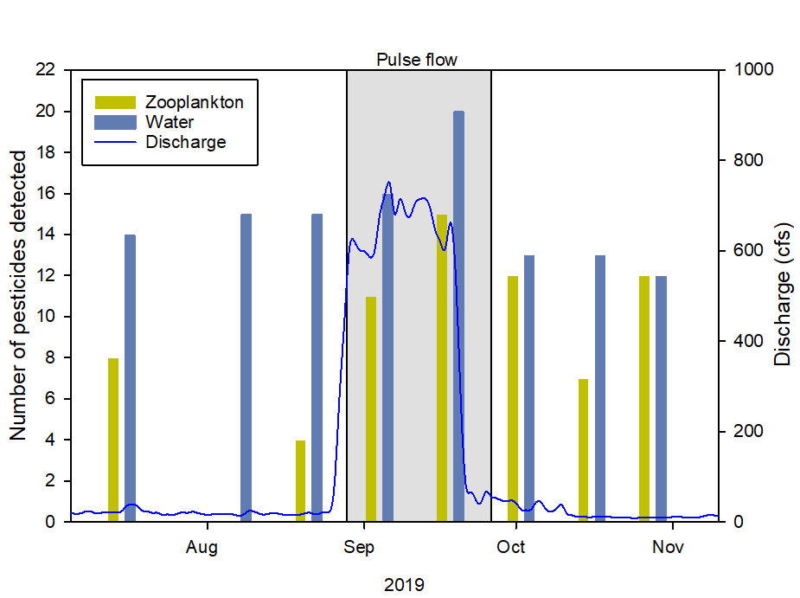
 |  |  |  |  |  |  |  |  |  |  |  |  |  | 2017-05-09 | 42000 | 2017-05-09 | 859 | 2019-05-09 | 0
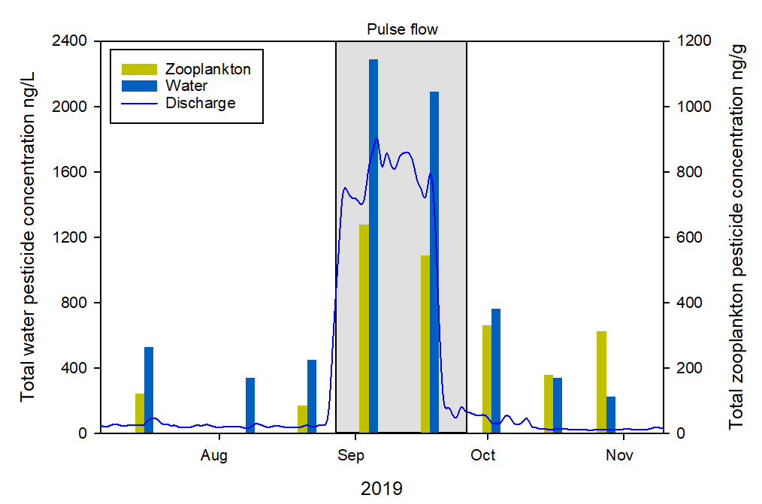
 |  |  |  |  |  |  |  |  |  |  |  |  |  | 2017-05-10 | 41000 | 2017-05-10 | 555 | 2019-05-10 | 0
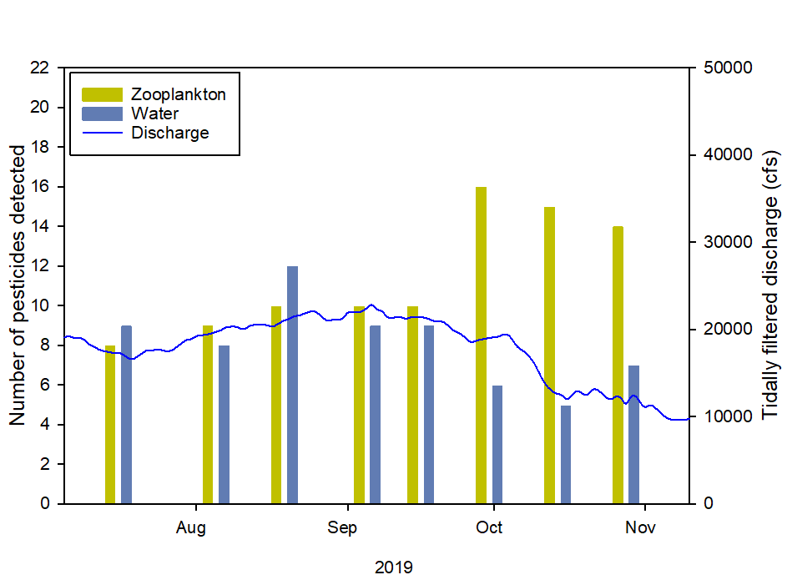
 |  |  |  |  |  |  |  |  |  |  |  |  |  | 2017-05-11 | 44800 | 2017-05-11 | 443 | 2019-05-11 | 0
 |  |  |  |  |  |  |  |  |  |  |  |  |  | 2017-05-12 | 50300 | 2017-05-12 | 338 | 2019-05-12 | 0
 |  |  |  |  |  |  |  |  |  |  |  |  |  | 2017-05-13 | 54100 | 2017-05-13 | 141 | 2019-05-13 | 0
 |  |  |  |  |  |  |  |  |  |  |  |  |  | 2017-05-14 | 56100 | 2017-05-14 | 137 | 2019-05-14 | 0
 |  |  |  |  |  |  |  |  |  |  |  |  |  | 2017-05-15 | 56400 | 2017-05-15 | 144 | 2019-05-15 | 0
 |  |  |  |  |  |  |  |  |  |  |  |  |  | 2017-05-16 | 55300 | 2017-05-16 | 187 | 2019-05-16 | 1.18
 |  |  |  |  |  |  |  |  |  |  |  |  |  | 2017-05-17 | 52700 | 2017-05-17 | 318 | 2019-05-17 | 0.02
 |  |  |  |  |  |  |  |  |  |  |  |  |  | 2017-05-18 | 50400 | 2017-05-18 | 350 | 2019-05-18 | 0
 |  |  |  |  |  |  |  |  |  |  |  |  |  | 2017-05-19 | 48800 | 2017-05-19 | 266 | 2019-05-19 | 0.83
 |  |  |  |  |  |  |  |  |  |  |  |  |  | 2017-05-20 | 46100 | 2017-05-20 | 149 | 2019-05-20 | 0.28
 |  |  |  |  |  |  |  |  |  |  |  |  |  | 2017-05-21 | 42600 | 2017-05-21 | 76.8 | 2019-05-21 | 0.03
 |  |  |  |  |  |  |  |  |  |  |  |  |  | 2017-05-22 | 40700 | 2017-05-22 | 94.1 | 2019-05-22 | 0.01
 |  |  |  |  |  |  |  |  |  | Fig 4 |  |  |  | 2017-05-23 | 39500 | 2017-05-23 | 172 | 2019-05-23 | 0
 |  |  |  |  |  | Fig 3 |  |  |  |  |  |  |  | 2017-05-24 | 38500 | 2017-05-24 | 176 | 2019-05-24 | 0
 |  |  |  |  |  |  |  |  |  |  |  |  |  | 2017-05-25 | 37700 | 2017-05-25 | 268 | 2019-05-25 | 0
 |  |  |  |  |  |  |  |  |  |  |  |  |  | 2017-05-26 | 36900 | 2017-05-26 | 339 | 2019-05-26 | 0.51
 |  |  |  |  |  |  |  |  |  |  |  |  |  | 2017-05-27 | 35500 | 2017-05-27 | 356 | 2019-05-27 | 0.52
 |  |  |  |  |  |  |  |  |  |  |  |  |  | 2017-05-28 | 34300 | 2017-05-28 | 323 | 2019-05-28 | 0
 |  |  |  |  |  |  |  |  |  |  |  |  |  | 2017-05-29 | 34100 | 2017-05-29 | 304 | 2019-05-29 | 0
 |  |  |  |  |  |  |  |  |  |  |  |  |  | 2017-05-30 | 34400 | 2017-05-30 | 385 | 2019-05-30 | 0
 |  |  |  |  |  |  |  |  |  |  |  |  |  | 2017-05-31 | 34800 | 2017-05-31 | 453 | 2019-05-31 | 0.37
 |  |  |  |  |  |  |  |  |  |  |  |  |  | 2017-06-01 | 35200 | 2017-06-01 | 504 | 2019-06-01 | 0.03
 |  |  |  |  |  |  |  |  |  |  |  |  |  | 2017-06-02 | 35400 | 2017-06-02 | 541 | 2019-06-02 | 0.03
 |  |  |  |  |  |  |  |  |  |  |  |  |  | 2017-06-03 | 36900 | 2017-06-03 | 532 | 2019-06-03 | 0
 |  |  |  |  |  |  |  |  |  |  |  |  |  | 2017-06-04 | 39400 | 2017-06-04 | 502 | 2019-06-04 | 0
 |  |  |  |  |  |  |  |  |  |  |  |  |  | 2017-06-05 | 40000 | 2017-06-05 | 481 | 2019-06-05 | 0
 |  |  |  |  |  |  |  |  |  |  |  |  |  | 2017-06-06 | 40100 | 2017-06-06 | 430 | 2019-06-06 | 0
 |  |  |  |  |  |  |  |  |  |  |  |  |  | 2017-06-07 | 39400 | 2017-06-07 | 349 | 2019-06-07 | 0
 |  |  |  |  |  |  |  |  |  |  |  |  |  | 2017-06-08 | 37600 | 2017-06-08 | 331 | 2019-06-08 | 0
 |  |  |  |  |  |  |  |  |  |  |  |  |  | 2017-06-09 | 35500 | 2017-06-09 | 343 | 2019-06-09 | 0
 |  |  |  |  |  |  |  |  |  |  |  |  |  | 2017-06-10 | 33400 | 2017-06-10 | 323 | 2019-06-10 | 0
 |  |  |  |  |  |  |  |  |  |  |  |  |  | 2017-06-11 | 31300 | 2017-06-11 | 259 | 2019-06-11 | 0
 |  |  |  |  |  |  |  |  |  |  |  |  |  | 2017-06-12 | 29700 | 2017-06-12 | 248 | 2019-06-12 | 0
 |  |  |  |  |  |  |  |  |  |  |  |  |  | 2017-06-13 | 28000 | 2017-06-13 | 248 | 2019-06-13 | 0
 |  |  |  |  |  |  |  |  |  |  |  |  |  | 2017-06-14 | 26500 | 2017-06-14 | 237 | 2019-06-14 | 0
 |  |  |  |  |  |  |  |  |  |  |  |  |  | 2017-06-15 | 25000 | 2017-06-15 | 230 | 2019-06-15 | 0
 |  |  |  |  |  |  |  |  |  |  |  |  |  | 2017-06-16 | 23300 | 2017-06-16 | 227 | 2019-06-16 | 0
 |  |  |  |  |  |  |  |  |  |  |  |  |  | 2017-06-17 | 21700 | 2017-06-17 | 214 | 2019-06-17 | 0
 |  |  |  |  |  |  |  |  |  |  |  |  |  | 2017-06-18 | 20700 | 2017-06-18 | 168 | 2019-06-18 | 0
 |  |  |  |  |  |  |  |  |  |  |  |  |  | 2017-06-19 | 20200 | 2017-06-19 | 93.1 | 2019-06-19 | 0
 |  |  |  |  |  |  |  |  |  |  |  |  |  | 2017-06-20 | 19700 | 2017-06-20 | 58.8 | 2019-06-20 | 0
 |  |  |  |  |  |  |  |  |  |  |  |  |  | 2017-06-21 | 19100 | 2017-06-21 | 44.2 | 2019-06-21 | 0
 |  |  |  |  |  |  |  |  |  |  |  |  |  | 2017-06-22 | 18500 | 2017-06-22 | 44.2 | 2019-06-22 | 0
 |  |  |  |  |  |  |  |  |  |  |  |  |  | 2017-06-23 | 17900 | 2017-06-23 | 28.3 | 2019-06-23 | 0
 |  |  |  |  |  |  |  |  |  |  |  |  |  | 2017-06-24 | 17000 | 2017-06-24 | 25.4 | 2019-06-24 | 0
 |  |  |  |  |  |  |  |  |  |  |  |  |  | 2017-06-25 | 16200 | 2017-06-25 | 24.3 | 2019-06-25 | 0
 |  |  |  |  |  |  |  |  |  |  |  |  |  | 2017-06-26 | 15800 | 2017-06-26 | 23.1 | 2019-06-26 | 0
 |  |  |  |  |  |  |  |  |  |  |  |  |  | 2017-06-27 | 15800 | 2017-06-27 | 24.2 | 2019-06-27 | 0
 |  |  |  |  |  |  |  |  |  |  |  |  |  | 2017-06-28 | 15700 | 2017-06-28 | 26 | 2019-06-28 | 0
 |  |  |  |  |  |  |  |  |  |  |  |  |  | 2017-06-29 | 15300 | 2017-06-29 | 31.4 | 2019-06-29 | 0
 |  |  |  |  |  |  |  |  |  |  |  |  |  | 2017-06-30 | 14700 | 2017-06-30 | 30.1 | 2019-06-30 | 0
 |  |  |  |  |  |  |  |  |  |  |  |  |  | 2017-07-01 | 14400 | 2017-07-01 | 28.7 | 2019-07-01 | 0
 |  |  |  |  |  |  |  |  |  |  |  |  |  | 2017-07-02 | 13800 | 2017-07-02 | 28.1 | 2019-07-02 | 0
 |  |  |  |  |  |  |  |  |  |  |  |  |  | 2017-07-03 | 13300 | 2017-07-03 | 28 | 2019-07-03 | 0
 |  |  |  |  |  |  |  |  |  |  |  |  |  | 2017-07-04 | 13000 | 2017-07-04 | 27.7 | 2019-07-04 | 0
 |  |  |  |  |  |  |  |  |  |  |  |  |  | 2017-07-05 | 13000 | 2017-07-05 | 27.5 | 2019-07-05 | 0
 |  |  |  |  |  |  |  |  |  |  |  |  |  | 2017-07-06 | 13000 | 2017-07-06 | 27.3 | 2019-07-06 | 0
 |  |  |  |  |  |  |  |  |  |  |  |  |  | 2017-07-07 | 12900 | 2017-07-07 | 28.3 | 2019-07-07 | 0
 |  |  |  |  |  |  |  |  |  |  |  |  |  | 2017-07-08 | 12700 | 2017-07-08 | 30.4 | 2019-07-08 | 0
 |  |  |  |  |  |  |  |  |  |  |  |  |  | 2017-07-09 | 12700 | 2017-07-09 | 27.9 | 2019-07-09 | 0
 |  |  |  |  |  |  |  |  |  |  |  |  |  | 2017-07-10 | 12800 | 2017-07-10 | 36.9 | 2019-07-10 | 0
 |  |  |  |  |  |  |  |  |  |  |  |  |  | 2017-07-11 | 12800 | 2017-07-11 | 46.8 | 2019-07-11 | 0
 |  |  |  |  |  |  |  |  |  |  |  |  |  | 2017-07-12 | 12700 | 2017-07-12 | 49.8 | 2019-07-12 | 0
 |  |  |  |  |  |  |  |  |  |  |  |  |  | 2017-07-13 | 12900 | 2017-07-13 | 27.9 | 2019-07-13 | 0
 |  |  |  |  |  |  |  |  |  |  |  |  |  | 2017-07-14 | 13800 | 2017-07-14 | 27.1 | 2019-07-14 | 0
 |  |  |  |  |  |  |  |  |  |  |  |  |  | 2017-07-15 | 14800 | 2017-07-15 | 26.7 | 2019-07-15 | 0
 |  |  |  |  |  |  |  |  |  |  |  |  |  | 2017-07-16 | 15200 | 2017-07-16 | 26.1 | 2019-07-16 | 0
 |  |  |  |  |  |  |  |  |  |  |  |  |  | 2017-07-17 | 15200 | 2017-07-17 | 27 | 2019-07-17 | 0
 |  |  |  |  |  |  |  |  |  |  |  |  |  | 2017-07-18 | 15200 | 2017-07-18 | 25.9 | 2019-07-18 | 0
 |  |  |  |  |  |  |  |  |  |  |  |  |  | 2017-07-19 | 15200 | 2017-07-19 | 26.3 | 2019-07-19 | 0
 |  |  |  |  |  |  |  |  |  |  |  |  |  | 2017-07-20 | 15200 | 2017-07-20 | 27.3 | 2019-07-20 | 0
 |  |  |  |  |  |  |  |  |  |  |  |  |  | 2017-07-21 | 15500 | 2017-07-21 | 27 | 2019-07-21 | 0
 |  |  |  |  |  |  |  |  |  |  |  |  |  | 2017-07-22 | 15900 | 2017-07-22 | 25.5 | 2019-07-22 | 0
 |  |  |  |  |  |  |  |  |  |  |  |  |  | 2017-07-23 | 16000 | 2017-07-23 | 24.8 | 2019-07-23 | 0
 |  |  |  |  |  |  |  |  |  |  |  |  |  | 2017-07-24 | 16500 | 2017-07-24 | 24 | 2019-07-24 | 0
 |  |  |  |  |  |  |  |  |  |  |  |  |  | 2017-07-25 | 17200 | 2017-07-25 | 24.4 | 2019-07-25 | 0
 |  |  |  |  |  |  |  |  |  |  |  |  |  | 2017-07-26 | 17500 | 2017-07-26 | 25.4 | 2019-07-26 | 0
 |  |  |  |  |  |  |  |  |  |  |  |  |  | 2017-07-27 | 17600 | 2017-07-27 | 25.4 | 2019-07-27 | 0
 |  |  |  |  |  |  |  |  |  |  |  |  |  | 2017-07-28 | 18100 | 2017-07-28 | 25.1 | 2019-07-28 | 0
 |  |  |  |  |  |  |  |  |  |  |  |  |  | 2017-07-29 | 18600 | 2017-07-29 | 25.3 | 2019-07-29 | 0
 |  |  |  |  |  |  |  |  |  |  |  |  |  | 2017-07-30 | 18800 | 2017-07-30 | 24.7 | 2019-07-30 | 0
 |  |  |  |  |  |  |  |  |  |  |  |  |  | 2017-07-31 | 18700 | 2017-07-31 | 24.1 | 2019-07-31 | 0
 |  |  |  |  |  |  |  |  |  |  |  |  |  | 2017-08-01 | 18800 | 2017-08-01 | 23.1 | 2019-08-01 | 0
 |  |  |  |  |  |  |  |  |  |  |  |  |  | 2017-08-02 | 18900 | 2017-08-02 | 24 | 2019-08-02 | 0
 |  |  |  |  |  |  |  |  |  |  |  |  |  | 2017-08-03 | 18900 | 2017-08-03 | 24.9 | 2019-08-03 | 0
 |  |  |  |  |  |  |  |  |  |  |  |  |  | 2017-08-04 | 18900 | 2017-08-04 | 26.8 | 2019-08-04 | 0
 |  |  |  |  |  |  |  |  |  |  |  |  |  | 2017-08-05 | 18600 | 2017-08-05 | 25 | 2019-08-05 | 0
 |  |  |  |  |  |  |  |  |  |  |  |  |  | 2017-08-06 | 18600 | 2017-08-06 | 24.7 | 2019-08-06 | 0
 |  |  |  |  |  |  |  |  |  |  |  |  |  | 2017-08-07 | 18900 | 2017-08-07 | 23.1 | 2019-08-07 | 0
 |  |  |  |  |  |  |  |  |  |  |  |  |  | 2017-08-08 | 19000 | 2017-08-08 | 22.3 | 2019-08-08 | 0
 |  |  |  |  |  |  |  |  |  |  |  |  |  | 2017-08-09 | 19100 | 2017-08-09 | 21.3 | 2019-08-09 | 0
 |  |  |  |  |  |  |  |  |  |  |  |  |  | 2017-08-10 | 19400 | 2017-08-10 | 21.2 | 2019-08-10 | 0
 |  |  |  |  |  |  |  |  |  |  |  |  |  | 2017-08-11 | 19600 | 2017-08-11 | 21.1 | 2019-08-11 | 0
 |  |  |  |  |  |  |  |  |  |  |  |  |  | 2017-08-12 | 19500 | 2017-08-12 | 21.8 | 2019-08-12 | 0
 |  |  |  |  |  |  |  |  |  |  |  |  |  | 2017-08-13 | 19300 | 2017-08-13 | 20.8 | 2019-08-13 | 0
 |  |  |  |  |  |  |  |  |  |  |  |  |  | 2017-08-14 | 19300 | 2017-08-14 | 19.1 | 2019-08-14 | 0
 |  |  |  |  |  |  |  |  |  |  |  |  |  | 2017-08-15 | 19600 | 2017-08-15 | 19 | 2019-08-15 | 0
 |  |  |  |  |  |  |  |  |  |  |  |  |  | 2017-08-16 | 19700 | 2017-08-16 | 17.7 | 2019-08-16 | 0
 |  |  |  |  |  |  |  |  |  |  |  |  |  | 2017-08-17 | 19900 | 2017-08-17 | 16.5 | 2019-08-17 | 0
 |  |  |  |  |  |  |  |  |  |  |  |  |  | 2017-08-18 | 20000 | 2017-08-18 | 16 | 2019-08-18 | 0
 |  |  |  |  |  |  |  |  |  |  |  |  |  | 2017-08-19 | 20100 | 2017-08-19 | 17.5 | 2019-08-19 | 0
 |  |  |  |  |  |  |  |  |  |  |  |  |  | 2017-08-20 | 20300 | 2017-08-20 | 18.9 | 2019-08-20 | 0
 |  |  |  |  |  |  |  |  |  |  |  |  |  | 2017-08-21 | 20600 | 2017-08-21 | 16.7 | 2019-08-21 | 0
 |  |  |  |  |  |  |  |  |  |  |  |  |  | 2017-08-22 | 20800 | 2017-08-22 | 17.2 | 2019-08-22 | 0
 |  |  |  |  |  |  |  |  |  |  |  |  |  | 2017-08-23 | 20900 | 2017-08-23 | 16.8 | 2019-08-23 | 0
 |  |  |  |  |  |  |  |  |  |  |  |  |  | 2017-08-24 | 21200 | 2017-08-24 | 16.4 | 2019-08-24 | 0
 |  |  |  |  |  |  |  |  |  |  |  |  |  | 2017-08-25 | 21500 | 2017-08-25 | 16.4 | 2019-08-25 | 0
 |  |  |  |  |  |  |  |  |  |  |  |  |  | 2017-08-26 | 21600 | 2017-08-26 | 17.6 | 2019-08-26 | 0
 |  |  |  |  |  |  |  |  |  |  |  |  |  | 2017-08-27 | 21600 | 2017-08-27 | 16.9 | 2019-08-27 | 0
 |  |  |  |  |  |  |  |  |  |  |  |  |  | 2017-08-28 | 21400 | 2017-08-28 | 16.2 | 2019-08-28 | 0
 |  |  |  |  |  |  |  |  |  |  |  |  |  | 2017-08-29 | 21200 | 2017-08-29 | 16.2 | 2019-08-29 | 0
 |  |  |  |  |  |  |  |  |  |  |  |  |  | 2017-08-30 | 21200 | 2017-08-30 | 16 | 2019-08-30 | 0
 |  |  |  |  |  |  |  |  |  |  |  |  |  | 2017-08-31 | 21000 | 2017-08-31 | 16.2 | 2019-08-31 | 0
 |  |  |  |  |  |  |  |  |  |  |  |  |  | 2017-09-01 | 20600 | 2017-09-01 | 26.5 | 2019-09-01 | 0
 |  |  |  |  |  |  |  |  |  |  |  |  |  | 2017-09-02 | 20400 | 2017-09-02 | 15.7 | 2019-09-02 | 0
 |  |  |  |  |  |  |  |  |  |  |  |  |  | 2017-09-03 | 20600 | 2017-09-03 | 15.2 | 2019-09-03 | 0
 |  |  |  |  |  |  |  |  |  |  |  |  |  | 2017-09-04 | 20900 | 2017-09-04 | 14.6 | 2019-09-04 | 0
 |  |  |  |  |  |  |  |  |  |  |  |  |  | 2017-09-05 | 21300 | 2017-09-05 | 16.5 | 2019-09-05 | 0
 |  |  |  |  |  |  |  |  |  |  |  |  |  | 2017-09-06 | 21500 | 2017-09-06 | 17.3 | 2019-09-06 | 0
 |  |  |  |  |  |  |  |  |  |  |  |  |  | 2017-09-07 | 21700 | 2017-09-07 | 16 | 2019-09-07 | 0
 |  |  |  |  |  |  |  |  |  |  |  |  |  | 2017-09-08 | 21800 | 2017-09-08 | 17.9 | 2019-09-08 | 0
 |  |  |  |  |  |  |  |  |  |  |  |  |  | 2017-09-09 | 22100 | 2017-09-09 | 19.4 | 2019-09-09 | 0
 |  |  |  |  |  |  |  |  |  |  |  |  |  | 2017-09-10 | 22400 | 2017-09-10 | 20.2 | 2019-09-10 | 0
 |  |  |  |  |  |  |  |  |  |  |  |  |  | 2017-09-11 | 22500 | 2017-09-11 | 21 | 2019-09-11 | 0
 |  |  |  |  |  |  |  |  |  |  |  |  |  | 2017-09-12 | 22100 | 2017-09-12 | 20.6 | 2019-09-12 | 0
 |  |  |  |  |  |  |  |  |  |  |  |  |  | 2017-09-13 | 21700 | 2017-09-13 | 20.6 | 2019-09-13 | 0
 |  |  |  |  |  |  |  |  |  |  |  |  |  | 2017-09-14 | 22200 | 2017-09-14 | 20.9 | 2019-09-14 | 0
 |  |  |  |  |  |  |  |  |  |  |  |  |  | 2017-09-15 | 22300 | 2017-09-15 | 16.9 | 2019-09-15 | 0
 |  |  |  |  |  |  |  |  |  |  |  |  |  | 2017-09-16 | 22000 | 2017-09-16 | 15.2 | 2019-09-16 | 0
 |  |  |  |  |  |  |  |  |  |  |  |  |  | 2017-09-17 | 21900 | 2017-09-17 | 17.4 | 2019-09-17 | 0.33
 |  |  |  |  |  |  |  |  |  |  |  |  |  | 2017-09-18 | 21600 | 2017-09-18 | 18.8 | 2019-09-18 | 0.02
 |  |  |  |  |  |  |  |  |  |  |  |  |  | 2017-09-19 | 21500 | 2017-09-19 | 15.9 | 2019-09-19 | 0.03
 |  |  |  |  |  |  |  |  |  |  |  |  |  | 2017-09-20 | 21200 | 2017-09-20 | 13.1 | 2019-09-20 | 0
 |  |  |  |  |  |  |  |  |  |  |  |  |  | 2017-09-21 | 20700 | 2017-09-21 | 13.1 | 2019-09-21 | 0
 |  |  |  |  |  |  |  |  |  |  |  |  |  | 2017-09-22 | 20900 | 2017-09-22 | 14.9 | 2019-09-22 | 0
 |  |  |  |  |  |  |  |  |  |  |  |  |  | 2017-09-23 | 20900 | 2017-09-23 | 13.9 | 2019-09-23 | 0
 |  |  |  |  |  |  |  |  |  |  |  |  |  | 2017-09-24 | 20600 | 2017-09-24 | 13.3 | 2019-09-24 | 0
 |  |  |  |  |  |  |  |  |  |  |  |  |  | 2017-09-25 | 20500 | 2017-09-25 | 12.7 | 2019-09-25 | 0
 |  |  |  |  |  |  |  |  |  |  |  |  |  | 2017-09-26 | 20400 | 2017-09-26 | 12.3 | 2019-09-26 | 0
 |  |  |  |  |  |  |  |  |  |  |  |  |  | 2017-09-27 | 20400 | 2017-09-27 | 12 | 2019-09-27 | 0
 |  |  |  |  |  |  |  |  |  |  |  |  |  | 2017-09-28 | 20400 | 2017-09-28 | 12.1 | 2019-09-28 | 0
 |  |  |  |  |  |  |  |  |  |  |  |  |  | 2017-09-29 | 20500 | 2017-09-29 | 11.6 | 2019-09-29 | 0.24
 |  |  |  |  |  |  |  |  |  |  |  |  |  | 2017-09-30 | 20400 | 2017-09-30 | 10.1 | 2019-09-30 | 0.14
 |  |  |  |  |  |  |  |  |  |  |  |  |  | 2017-10-01 | 20100 | 2017-10-01 | 8.75 | 2019-10-01 | 0
 |  |  |  |  |  |  |  |  |  |  |  |  |  | 2017-10-02 | 19800 | 2017-10-02 | 8.35 | 2019-10-02 | 0
 |  |  |  |  |  |  |  |  |  |  |  |  |  | 2017-10-03 | 19400 | 2017-10-03 | 8.27 | 2019-10-03 | 0
 |  |  |  |  |  |  |  |  |  |  |  |  |  | 2017-10-04 | 18700 | 2017-10-04 | 8.35 | 2019-10-04 | 0
 |  |  |  |  |  |  |  |  |  |  |  |  |  | 2017-10-05 | 17500 | 2017-10-05 | 7.59 | 2019-10-05 | 0
 |  |  |  |  |  |  |  |  |  |  |  |  |  | 2017-10-06 | 16300 | 2017-10-06 | 6.91 | 2019-10-06 | 0
 |  |  |  |  |  |  |  |  |  |  |  |  |  | 2017-10-07 | 14900 | 2017-10-07 | 6.34 | 2019-10-07 | 0
 |  |  |  |  |  |  |  |  |  |  |  |  |  | 2017-10-08 | 14200 | 2017-10-08 | 5.68 | 2019-10-08 | 0
 |  |  |  |  |  |  |  |  |  |  |  |  |  | 2017-10-09 | 13500 | 2017-10-09 | 5.17 | 2019-10-09 | 0
 |  |  |  |  |  |  |  |  |  |  |  |  |  | 2017-10-10 | 13300 | 2017-10-10 | 4.95 | 2019-10-10 | 0
 |  |  |  |  |  |  |  |  |  |  |  |  |  | 2017-10-11 | 13400 | 2017-10-11 | 4.56 | 2019-10-11 | 0
 |  |  |  |  |  |  |  |  |  |  |  |  |  | 2017-10-12 | 13300 | 2017-10-12 | 4.71 | 2019-10-12 | 0
 |  |  |  |  |  |  |  |  |  |  |  |  |  | 2017-10-13 | 13100 | 2017-10-13 | 5.11 | 2019-10-13 | 0
 |  |  |  |  |  |  |  |  |  |  |  |  |  | 2017-10-14 | 12700 | 2017-10-14 | 5.14 | 2019-10-14 | 0
 |  |  |  |  |  |  |  |  |  |  |  |  |  | 2017-10-15 | 12300 | 2017-10-15 | 5.71 | 2019-10-15 | 0
 |  |  |  |  |  |  |  |  |  |  |  |  |  | 2017-10-16 | 11900 | 2017-10-16 | 6.67 | 2019-10-16 | 0
 |  |  |  |  |  |  |  |  |  |  |  |  |  | 2017-10-17 | 11700 | 2017-10-17 | 8.19 | 2019-10-17 | 0
 |  |  |  |  |  |  |  |  |  |  |  |  |  | 2017-10-18 | 11600 | 2017-10-18 | 10.6 | 2019-10-18 | 0
 |  |  |  |  |  |  |  |  |  |  |  |  |  | 2017-10-19 | 11600 | 2017-10-19 | 11.7 | 2019-10-19 | 0
 |  |  |  |  |  |  |  |  |  |  |  |  |  | 2017-10-20 | 12000 | 2017-10-20 | 13 | 2019-10-20 | 0
 |  |  |  |  |  |  |  |  |  |  |  |  |  | 2017-10-21 | 11900 | 2017-10-21 | 14.1 | 2019-10-21 | 0
 |  |  |  |  |  |  |  |  |  |  |  |  |  | 2017-10-22 | 11700 | 2017-10-22 | 13 | 2019-10-22 | 0
 |  |  |  |  |  |  |  |  |  |  |  |  |  | 2017-10-23 | 11400 | 2017-10-23 | 10.9 | 2019-10-23 | 0
 |  |  |  |  |  |  |  |  |  |  |  |  |  | 2017-10-24 | 11300 | 2017-10-24 | 7.83 | 2019-10-24 | 0
 |  |  |  |  |  |  |  |  |  |  |  |  |  | 2017-10-25 | 11200 | 2017-10-25 | 5.71 | 2019-10-25 | 0
 |  |  |  |  |  |  |  |  |  |  |  |  |  | 2017-10-26 | 11200 | 2017-10-26 | 4.63 | 2019-10-26 | 0
 |  |  |  |  |  |  |  |  |  |  |  |  |  | 2017-10-27 | 11100 | 2017-10-27 | 4.32 | 2019-10-27 | 0
 |  |  |  |  |  |  |  |  |  |  |  |  |  | 2017-10-28 | 10800 | 2017-10-28 | 3.74 | 2019-10-28 | 0
 |  |  |  |  |  |  |  |  |  |  |  |  |  | 2017-10-29 | 10400 | 2017-10-29 | 3.3 | 2019-10-29 | 0
 |  |  |  |  |  |  |  |  |  |  |  |  |  | 2017-10-30 | 10200 | 2017-10-30 | 3.39 | 2019-10-30 | 0
 |  |  |  |  |  |  |  |  |  |  |  |  |  | 2017-10-31 | 10300 | 2017-10-31 | 6.08 | 2019-10-31 | 0
 |  |  |  |  |  |  |  |  |  |  |  |  |  | 2017-11-01 | 10400 | 2017-11-01 | 11.3 | 2019-11-01 | 0
 |  |  |  |  |  |  |  |  |  |  |  |  |  | 2017-11-02 | 10700 | 2017-11-02 | 17.2 | 2019-11-02 | 0
 |  |  |  |  |  |  |  |  |  |  |  |  |  | 2017-11-03 | 10700 | 2017-11-03 | 20.4 | 2019-11-03 | 0
 |  |  |  |  |  |  |  |  |  |  |  |  |  | 2017-11-04 | 10800 | 2017-11-04 | 23.3 | 2019-11-04 | 0
 |  |  |  |  |  |  |  |  |  |  |  |  |  | 2017-11-05 | 11200 | 2017-11-05 | 25.2 | 2019-11-05 | 0
 |  |  |  |  |  |  |  |  |  |  |  |  |  | 2017-11-06 | 11700 | 2017-11-06 | 26.1 | 2019-11-06 | 0
 |  |  |  |  |  |  |  |  |  |  |  |  |  | 2017-11-07 | 11900 | 2017-11-07 | 26.6 | 2019-11-07 | 0
 |  |  |  |  |  |  |  |  |  |  |  |  |  | 2017-11-08 | 11400 | 2017-11-08 | 27.9 | 2019-11-08 | 0
 |  |  |  |  |  |  |  |  |  |  |  |  |  | 2017-11-09 | 11300 | 2017-11-09 | 29.7 | 2019-11-09 | 0
 |  |  |  |  |  |  |  |  |  |  |  |  |  | 2017-11-10 | 11400 | 2017-11-10 | 29.6 | 2019-11-10 | 0
 |  |  |  |  |  |  |  |  |  |  |  |  |  | 2017-11-11 | 11800 | 2017-11-11 | 29 | 2019-11-11 | 0
 |  |  |  |  |  |  |  |  |  |  |  |  |  | 2017-11-12 | 12200 | 2017-11-12 | 29.3 | 2019-11-12 | 0
 |  |  |  |  |  |  |  |  |  |  |  |  |  | 2017-11-13 | 12300 | 2017-11-13 | 31.6 | 2019-11-13 | 0
 |  |  |  |  |  |  |  |  |  |  |  |  |  | 2017-11-14 | 12200 | 2017-11-14 | 36.1 | 2019-11-14 | 0
 |  |  |  |  |  |  |  |  |  |  |  |  |  | 2017-11-15 | 12100 | 2017-11-15 | 40.2 | 2019-11-15 | 0
 |  |  |  |  |  |  |  |  |  |  |  |  |  | 2017-11-16 | 13300 | 2017-11-16 | 52.8 | 2019-11-16 | 0
 |  |  |  |  |  |  |  |  |  |  |  |  |  | 2017-11-17 | 15800 | 2017-11-17 | 56.2 | 2019-11-17 | 0
 |  |  |  |  |  |  |  |  |  |  |  |  |  | 2017-11-18 | 18700 | 2017-11-18 | 48.3 | 2019-11-18 | 0
 |  |  |  |  |  |  |  |  |  |  |  |  |  | 2017-11-19 | 19500 | 2017-11-19 | 47.5 | 2019-11-19 | 0
 |  |  |  |  |  |  |  |  |  |  |  |  |  | 2017-11-20 | 17500 | 2017-11-20 | 41.7 | 2019-11-20 | 0
 |  |  |  |  |  |  |  |  |  |  |  |  |  | 2017-11-21 | 15500 | 2017-11-21 | 32.7 | 2019-11-21 | 0
 |  |  |  |  |  |  |  |  |  |  |  |  |  | 2017-11-22 | 14500 | 2017-11-22 | 23.8 | 2019-11-22 | 0
 |  |  |  |  |  |  |  |  |  |  |  |  |  | 2017-11-23 | 15100 | 2017-11-23 | 19.3 | 2019-11-23 | 0
 |  |  |  |  |  |  |  |  |  |  |  |  |  | 2017-11-24 | 15600 | 2017-11-24 | 18.8 | 2019-11-24 | 0
 |  |  |  |  |  |  |  |  |  |  |  |  |  | 2017-11-25 | 15100 | 2017-11-25 | 22.9 | 2019-11-25 | 0
 |  |  |  |  |  |  |  |  |  |  |  |  |  | 2017-11-26 | 14600 | 2017-11-26 | 28 | 2019-11-26 | 0
 |  |  |  |  |  |  |  |  |  |  |  |  |  | 2017-11-27 | 14700 | 2017-11-27 | 30.1 | 2019-11-27 | 0.57
 |  |  |  |  |  |  |  |  |  |  |  |  |  | 2017-11-28 | 15200 | 2017-11-28 | 29.9 | 2019-11-28 | 0.07
 |  |  |  |  |  |  |  |  |  |  |  |  |  | 2017-11-29 | 16200 | 2017-11-29 | 28.1 | 2019-11-29 | 0.04
 |  |  |  |  |  |  |  |  |  |  |  |  |  | 2017-11-30 | 16600 | 2017-11-30 | 30.8 | 2019-11-30 | 0
 |  |  |  |  |  |  |  |  |  |  |  |  |  | 2017-12-01 | 16400 | 2017-12-01 | 34.4 | 2019-12-01 | 1.22
 |  |  |  |  |  |  |  |  |  |  |  |  |  | 2017-12-02 | 16300 | 2017-12-02 | 36.7 | 2019-12-02 | 1.85
 |  |  |  |  |  |  |  |  |  |  |  |  |  | 2017-12-03 | 16000 | 2017-12-03 | 37.3 | 2019-12-03 | 0.43
 |  |  |  |  |  |  |  |  |  |  |  |  |  | 2017-12-04 | 15900 | 2017-12-04 | 36.5 | 2019-12-04 | 0.01
 |  |  |  |  |  |  |  |  |  |  |  |  |  | 2017-12-05 | 15400 | 2017-12-05 | 31.7 | 2019-12-05 | 0.1
 |  |  |  |  |  |  |  |  |  |  |  |  |  | 2017-12-06 | 15200 | 2017-12-06 | 25.2 | 2019-12-06 | 0
 |  |  |  |  |  |  |  |  |  |  |  |  |  | 2017-12-07 | 15100 | 2017-12-07 | 22.4 | 2019-12-07 | 0.56
 |  |  |  |  |  |  |  |  |  |  |  |  |  | 2017-12-08 | 14700 | 2017-12-08 | 22.4 | 2019-12-08 | 0.5
 |  |  |  |  |  |  |  |  |  |  |  |  |  | 2017-12-09 | 14500 | 2017-12-09 | 22.4 | 2019-12-09 | 0.01
 |  |  |  |  |  |  |  |  |  |  |  |  |  | 2017-12-10 | 14400 | 2017-12-10 | 22.7 | 2019-12-10 | 0
 |  |  |  |  |  |  |  |  |  |  |  |  |  | 2017-12-11 | 14300 | 2017-12-11 | 23.1 | 2019-12-11 | 0.3
 |  |  |  |  |  |  |  |  |  |  |  |  |  | 2017-12-12 | 14300 | 2017-12-12 | 23.2 | 2019-12-12 | 0.41
 |  |  |  |  |  |  |  |  |  |  |  |  |  | 2017-12-13 | 14200 | 2017-12-13 | 23.3 | 2019-12-13 | 0.01
 |  |  |  |  |  |  |  |  |  |  |  |  |  | 2017-12-14 | 14200 | 2017-12-14 | 23.6 | 2019-12-14 | 0.19
 |  |  |  |  |  |  |  |  |  |  |  |  |  | 2017-12-15 | 14200 | 2017-12-15 | 24.4 | 2019-12-15 | 0.01
 |  |  |  |  |  |  |  |  |  |  |  |  |  | 2017-12-16 | 14500 | 2017-12-16 | 23.9 | 2019-12-16 | 0
 |  |  |  |  |  |  |  |  |  |  |  |  |  | 2017-12-17 | 14300 | 2017-12-17 | 26.3 | 2019-12-17 | 0
 |  |  |  |  |  |  |  |  |  |  |  |  |  | 2017-12-18 | 14100 | 2017-12-18 | 27 | 2019-12-18 | 0.07
 |  |  |  |  |  |  |  |  |  |  |  |  |  | 2017-12-19 | 14000 | 2017-12-19 | 27.1 | 2019-12-19 | 0.29
 |  |  |  |  |  |  |  |  |  |  |  |  |  | 2017-12-20 | 14100 | 2017-12-20 | 26.8 | 2019-12-20 | 0.01
 |  |  |  |  |  |  |  |  |  |  |  |  |  | 2017-12-21 | 14300 | 2017-12-21 | 25.7 | 2019-12-21 | 0
 |  |  |  |  |  |  |  |  |  |  |  |  |  | 2017-12-22 | 14300 | 2017-12-22 | 25.3 | 2019-12-22 | 0
 |  |  |  |  |  |  |  |  |  |  |  |  |  | 2017-12-23 | 14100 | 2017-12-23 | 26.6 | 2019-12-23 | 0.56
 |  |  |  |  |  |  |  |  |  |  |  |  |  | 2017-12-24 | 13800 | 2017-12-24 | 25.4 | 2019-12-24 | 0
 |  |  |  |  |  |  |  |  |  |  |  |  |  | 2017-12-25 | 13700 | 2017-12-25 | 22.8 | 2019-12-25 | 0.04
 |  |  |  |  |  |  |  |  |  |  |  |  |  | 2017-12-26 | 13700 | 2017-12-26 | 22.3 | 2019-12-26 | 0.04
 |  |  |  |  |  |  |  |  |  |  |  |  |  | 2017-12-27 | 13800 | 2017-12-27 | 22 | 2019-12-27 | 0
 |  |  |  |  |  |  |  |  |  |  |  |  |  | 2017-12-28 | 13700 | 2017-12-28 | 20.9 | 2019-12-28 | 0
 |  |  |  |  |  |  |  |  |  |  |  |  |  | 2017-12-29 | 13400 | 2017-12-29 | 21.9 | 2019-12-29 | 0
 |  |  |  |  |  |  |  |  |  |  |  |  |  | 2017-12-30 | 13200 | 2017-12-30 | 23.4 | 2019-12-30 | 0.16
 |  |  |  |  |  |  |  |  |  |  |  |  |  | 2017-12-31 | 13100 | 2017-12-31 | 25.7 | 2019-12-31 | 0
 |  |  |  |  |  |  |  |  |  |  |  |  |  | 2018-01-01 | 13100 | 2018-01-01 | 27.9 | 2020-01-01 | 0
 |  |  |  |  |  |  |  |  |  |  |  |  |  | 2018-01-02 | 12900 | 2018-01-02 | 29.5 | 2020-01-02 | 0
 |  |  |  |  |  |  |  |  |  |  |  |  |  | 2018-01-03 | 12600 | 2018-01-03 | 31.2 | 2020-01-03 | 0
 |  |  |  |  |  |  |  |  |  |  |  |  |  | 2018-01-04 | 12500 | 2018-01-04 | 36.3 | 2020-01-04 | 0.1
 |  |  |  |  |  |  |  |  |  |  |  |  |  | 2018-01-05 | 12700 | 2018-01-05 | 34.9 | 2020-01-05 | 0.02
 |  |  |  |  |  |  |  |  |  |  |  |  |  | 2018-01-06 | 12900 | 2018-01-06 | 30.4 | 2020-01-06 | 0
 |  |  |  |  |  |  |  |  |  |  |  |  |  | 2018-01-07 | 13000 | 2018-01-07 | 26.9 | 2020-01-07 | 0
 |  |  |  |  |  |  |  |  |  |  |  |  |  | 2018-01-08 | 14700 | 2018-01-08 | 38.3 | 2020-01-08 | 0
 |  |  |  |  |  |  |  |  |  |  |  |  |  | 2018-01-09 | 19800 | 2018-01-09 | 201 | 2020-01-09 | 0.18
 |  |  |  |  |  |  |  |  |  |  |  |  |  | 2018-01-10 | 25200 | 2018-01-10 | 165 | 2020-01-10 | 0.09
 |  |  |  |  |  |  |  |  |  |  |  |  |  | 2018-01-11 | 27400 | 2018-01-11 | 88.2 | 2020-01-11 | 0
 |  |  |  |  |  |  |  |  |  |  |  |  |  | 2018-01-12 | 26300 | 2018-01-12 | 69.9 | 2020-01-12 | 0
 |  |  |  |  |  |  |  |  |  |  |  |  |  | 2018-01-13 | 23700 | 2018-01-13 | 63.4 | 2020-01-13 | 0
 |  |  |  |  |  |  |  |  |  |  |  |  |  | 2018-01-14 | 21100 | 2018-01-14 | 54.1 | 2020-01-14 | 0.02
 |  |  |  |  |  |  |  |  |  |  |  |  |  | 2018-01-15 | 19400 | 2018-01-15 | 48.1 | 2020-01-15 | 0
 |  |  |  |  |  |  |  |  |  |  |  |  |  | 2018-01-16 | 18200 | 2018-01-16 | 44.3 | 2020-01-16 | 0
 |  |  |  |  |  |  |  |  |  |  |  |  |  | 2018-01-17 | 17400 | 2018-01-17 | 39.7 | 2020-01-17 | 0.51
 |  |  |  |  |  |  |  |  |  |  |  |  |  | 2018-01-18 | 16600 | 2018-01-18 | 34.9 | 2020-01-18 | 0
 |  |  |  |  |  |  |  |  |  |  |  |  |  | 2018-01-19 | 16200 | 2018-01-19 | 32.3 | 2020-01-19 | 0
 |  |  |  |  |  |  |  |  |  |  |  |  |  | 2018-01-20 | 16700 | 2018-01-20 | 30.2 | 2020-01-20 | 0
 |  |  |  |  |  |  |  |  |  |  |  |  |  | 2018-01-21 | 18100 | 2018-01-21 | 28.7 | 2020-01-21 | 0
 |  |  |  |  |  |  |  |  |  |  |  |  |  | 2018-01-22 | 18600 | 2018-01-22 | 28.5 | 2020-01-22 | 0.1
 |  |  |  |  |  |  |  |  |  |  |  |  |  | 2018-01-23 | 18100 | 2018-01-23 | 42.6 | 2020-01-23 | 0
 |  |  |  |  |  |  |  |  |  |  |  |  |  | 2018-01-24 | 18400 | 2018-01-24 | 94.5 | 2020-01-24 | 0.02
 |  |  |  |  |  |  |  |  |  |  |  |  |  | 2018-01-25 | 19300 | 2018-01-25 | 119 | 2020-01-25 | 0
 |  |  |  |  |  |  |  |  |  |  |  |  |  | 2018-01-26 | 19900 | 2018-01-26 | 57 | 2020-01-26 | 0.49
 |  |  |  |  |  |  |  |  |  |  |  |  |  | 2018-01-27 | 21100 | 2018-01-27 | 38.5 | 2020-01-27 | 0.02
 |  |  |  |  |  |  |  |  |  |  |  |  |  | 2018-01-28 | 21300 | 2018-01-28 | 42 | 2020-01-28 | 0
 |  |  |  |  |  |  |  |  |  |  |  |  |  | 2018-01-29 | 20000 | 2018-01-29 | 61.5 | 2020-01-29 | 0.03
 |  |  |  |  |  |  |  |  |  |  |  |  |  | 2018-01-30 | 18600 | 2018-01-30 | 98.1 | 2020-01-30 | 0
 |  |  |  |  |  |  |  |  |  |  |  |  |  | 2018-01-31 | 17800 | 2018-01-31 | 90 | 2020-01-31 | 0
 |  |  |  |  |  |  |  |  |  |  |  |  |  | 2018-02-01 | 17500 | 2018-02-01 | 76.7 | 2020-02-01 | 0
 |  |  |  |  |  |  |  |  |  |  |  |  |  | 2018-02-02 | 17000 | 2018-02-02 | 64 | 2020-02-02 | 0
 |  |  |  |  |  |  |  |  |  |  |  |  |  | 2018-02-03 | 16400 | 2018-02-03 | 61 | 2020-02-03 | 0
 |  |  |  |  |  |  |  |  |  |  |  |  |  | 2018-02-04 | 16000 | 2018-02-04 | 61.3 | 2020-02-04 | 0
 |  |  |  |  |  |  |  |  |  |  |  |  |  | 2018-02-05 | 15700 | 2018-02-05 | 62.2 | 2020-02-05 | 0
 |  |  |  |  |  |  |  |  |  |  |  |  |  | 2018-02-06 | 15600 | 2018-02-06 | 67.7 | 2020-02-06 | 0
 |  |  |  |  |  |  |  |  |  |  |  |  |  | 2018-02-07 | 15600 | 2018-02-07 | 58.5 | 2020-02-07 | 0
 |  |  |  |  |  |  |  |  |  |  |  |  |  | 2018-02-08 | 15400 | 2018-02-08 | 51.7 | 2020-02-08 | 0
 |  |  |  |  |  |  |  |  |  |  |  |  |  | 2018-02-09 | 14800 | 2018-02-09 | 57.2 | 2020-02-09 | 0
 |  |  |  |  |  |  |  |  |  |  |  |  |  | 2018-02-10 | 14500 | 2018-02-10 | 66.6 | 2020-02-10 | 0
 |  |  |  |  |  |  |  |  |  |  |  |  |  | 2018-02-11 | 13900 | 2018-02-11 | 75.9 | 2020-02-11 | 0
 |  |  |  |  |  |  |  |  |  |  |  |  |  | 2018-02-12 | 13700 | 2018-02-12 | 77.6 | 2020-02-12 | 0
 |  |  |  |  |  |  |  |  |  |  |  |  |  | 2018-02-13 | 13400 | 2018-02-13 | 51.3 | 2020-02-13 | 0
 |  |  |  |  |  |  |  |  |  |  |  |  |  | 2018-02-14 | 13200 | 2018-02-14 | 43.7 | 2020-02-14 | 0
 |  |  |  |  |  |  |  |  |  |  |  |  |  | 2018-02-15 | 13300 | 2018-02-15 | 38.3 | 2020-02-15 | 0
 |  |  |  |  |  |  |  |  |  |  |  |  |  | 2018-02-16 | 12900 | 2018-02-16 | 34.1 | 2020-02-16 | 0
 |  |  |  |  |  |  |  |  |  |  |  |  |  | 2018-02-17 | 12100 | 2018-02-17 | 41.5 | 2020-02-17 | 0
 |  |  |  |  |  |  |  |  |  |  |  |  |  | 2018-02-18 | 11400 | 2018-02-18 | 56.4 | 2020-02-18 | 0
 |  |  |  |  |  |  |  |  |  |  |  |  |  | 2018-02-19 | 11600 | 2018-02-19 | 52 | 2020-02-19 | 0
 |  |  |  |  |  |  |  |  |  |  |  |  |  | 2018-02-20 | 11500 | 2018-02-20 | 36.7 | 2020-02-20 | 0
 |  |  |  |  |  |  |  |  |  |  |  |  |  | 2018-02-21 | 11400 | 2018-02-21 | 34.9 | 2020-02-21 | 0
 |  |  |  |  |  |  |  |  |  |  |  |  |  | 2018-02-22 | 11500 | 2018-02-22 | 38.3 | 2020-02-22 | 0
 |  |  |  |  |  |  |  |  |  |  |  |  |  | 2018-02-23 | 11700 | 2018-02-23 | 31.3 | 2020-02-23 | 0
 |  |  |  |  |  |  |  |  |  |  |  |  |  | 2018-02-24 | 11300 | 2018-02-24 | 28 | 2020-02-24 | 0
 |  |  |  |  |  |  |  |  |  |  |  |  |  | 2018-02-25 | 11200 | 2018-02-25 | 30.8 | 2020-02-25 | 0
 |  |  |  |  |  |  |  |  |  |  |  |  |  | 2018-02-26 | 11700 | 2018-02-26 | 48.8 | 2020-02-26 | 0
 |  |  |  |  |  |  |  |  |  |  |  |  |  | 2018-02-27 | 12400 | 2018-02-27 | 52.3 | 2020-02-27 | 0
 |  |  |  |  |  |  |  |  |  |  |  |  |  | 2018-02-28 | 12200 | 2018-02-28 | 40.1 | 2020-02-28 | 0
 |  |  |  |  |  |  |  |  |  |  |  |  |  | 2018-03-01 | 13300 | 2018-03-01 | 83.7 | 2020-02-29 | 0
 |  |  |  |  |  |  |  |  |  |  |  |  |  | 2018-03-02 | 16000 | 2018-03-02 | 91.8 | 2020-03-01 | 0
 |  |  |  |  |  |  |  |  |  |  |  |  |  | 2018-03-03 | 17600 | 2018-03-03 | 68.7 | 2020-03-02 | 0
 |  |  |  |  |  |  |  |  |  |  |  |  |  | 2018-03-04 | 17400 | 2018-03-04 | 39.7 | 2020-03-03 | 0
 |  |  |  |  |  |  |  |  |  |  |  |  |  | 2018-03-05 | 16000 | 2018-03-05 | 33.8 | 2020-03-04 | 0
 |  |  |  |  |  |  |  |  |  |  |  |  |  | 2018-03-06 | 14500 | 2018-03-06 | 43.2 | 2020-03-05 | 0
 |  |  |  |  |  |  |  |  |  |  |  |  |  | 2018-03-07 | 13300 | 2018-03-07 | 52 | 2020-03-06 | 0
 |  |  |  |  |  |  |  |  |  |  |  |  |  | 2018-03-08 | 12500 | 2018-03-08 | 49 | 2020-03-07 | 0
 |  |  |  |  |  |  |  |  |  |  |  |  |  | 2018-03-09 | 12200 | 2018-03-09 | 53.5 | 2020-03-08 | 0.07
 |  |  |  |  |  |  |  |  |  |  |  |  |  | 2018-03-10 | 12200 | 2018-03-10 | 56.3 | 2020-03-09 | 0.03
 |  |  |  |  |  |  |  |  |  |  |  |  |  | 2018-03-11 | 12100 | 2018-03-11 | 47.6 | 2020-03-10 | 0
 |  |  |  |  |  |  |  |  |  |  |  |  |  | 2018-03-12 | 11800 | 2018-03-12 | 48.4 | 2020-03-11 | 0
 |  |  |  |  |  |  |  |  |  |  |  |  |  | 2018-03-13 | 12300 | 2018-03-13 | 63.4 | 2020-03-12 | 0
 |  |  |  |  |  |  |  |  |  |  |  |  |  | 2018-03-14 | 16000 | 2018-03-14 | 57 | 2020-03-13 | 0
 |  |  |  |  |  |  |  |  |  |  |  |  |  | 2018-03-15 | 22300 | 2018-03-15 | 58.8 | 2020-03-14 | 0
 |  |  |  |  |  |  |  |  |  |  |  |  |  | 2018-03-16 | 27100 | 2018-03-16 | 69.2 | 2020-03-15 | 0.32
 |  |  |  |  |  |  |  |  |  |  |  |  |  | 2018-03-17 | 29200 | 2018-03-17 | 57.3 | 2020-03-16 | 0.07
 |  |  |  |  |  |  |  |  |  |  |  |  |  | 2018-03-18 | 28200 | 2018-03-18 | 43.2 | 2020-03-17 | 0.18
 |  |  |  |  |  |  |  |  |  |  |  |  |  | 2018-03-19 | 25400 | 2018-03-19 | 46.5 | 2020-03-18 | 0.17
 |  |  |  |  |  |  |  |  |  |  |  |  |  | 2018-03-20 | 22800 | 2018-03-20 | 55.6 | 2020-03-19 | 0.02
 |  |  |  |  |  |  |  |  |  |  |  |  |  | 2018-03-21 | 25900 | 2018-03-21 | 83.5 | 2020-03-20 | 0
 |  |  |  |  |  |  |  |  |  |  |  |  |  | 2018-03-22 | 39600 | 2018-03-22 | 125 | 2020-03-21 | 0
 |  |  |  |  |  |  |  |  |  |  |  |  |  | 2018-03-23 | 52900 | 2018-03-23 | 465 | 2020-03-22 | 0
 |  |  |  |  |  |  |  |  |  |  |  |  |  | 2018-03-24 | 58700 | 2018-03-24 | 640 | 2020-03-23 | 0
 |  |  |  |  |  |  |  |  |  |  |  |  |  | 2018-03-25 | 57800 | 2018-03-25 | 576 | 2020-03-24 | 0
 |  |  |  |  |  |  |  |  |  |  |  |  |  | 2018-03-26 | 50800 | 2018-03-26 | 478 | 2020-03-25 | 0.11
 |  |  |  |  |  |  |  |  |  |  |  |  |  | 2018-03-27 | 44300 | 2018-03-27 | 366 | 2020-03-26 | 0.2
 |  |  |  |  |  |  |  |  |  |  |  |  |  | 2018-03-28 | 40000 | 2018-03-28 | 270 | 2020-03-27 | 0
 |  |  |  |  |  |  |  |  |  |  |  |  |  | 2018-03-29 | 36400 | 2018-03-29 | 127 | 2020-03-28 | 0
 |  |  |  |  |  |  |  |  |  |  |  |  |  | 2018-03-30 | 33600 | 2018-03-30 | 70.5 | 2020-03-29 | 0.11
 |  |  |  |  |  |  |  |  |  |  |  |  |  | 2018-03-31 | 31100 | 2018-03-31 | 65.9 | 2020-03-30 | 0.01
 |  |  |  |  |  |  |  |  |  |  |  |  |  | 2018-04-01 | 29300 | 2018-04-01 | 70 | 2020-03-31 | 0
 |  |  |  |  |  |  |  |  |  |  |  |  |  | 2018-04-02 | 28300 | 2018-04-02 | 72 | 2020-04-01 | 0
 |  |  |  |  |  |  |  |  |  |  |  |  |  | 2018-04-03 | 28400 | 2018-04-03 | 62.8 | 2020-04-02 | 0
 |  |  |  |  |  |  |  |  |  |  |  |  |  | 2018-04-04 | 32400 | 2018-04-04 | 56.9 | 2020-04-03 | 0
 |  |  |  |  |  |  |  |  |  |  |  |  |  | 2018-04-05 | 41400 | 2018-04-05 | 73 | 2020-04-04 | 0
 |  |  |  |  |  |  |  |  |  |  |  |  |  | 2018-04-06 | 53100 | 2018-04-06 | 226 | 2020-04-05 | 0.46
 |  |  |  |  |  |  |  |  |  |  |  |  |  | 2018-04-07 | 63900 | 2018-04-07 | 455 | 2020-04-06 | 0.75
 |  |  |  |  |  |  |  |  |  |  |  |  |  | 2018-04-08 | 72900 | 2018-04-08 | 987 | 2020-04-07 | 0.01
 |  |  |  |  |  |  |  |  |  |  |  |  |  | 2018-04-09 | 77500 | 2018-04-09 | 2720 | 2020-04-08 | 0
 |  |  |  |  |  |  |  |  |  |  |  |  |  | 2018-04-10 | 75500 | 2018-04-10 | 4370 | 2020-04-09 | 0
 |  |  |  |  |  |  |  |  |  |  |  |  |  | 2018-04-11 | 68700 | 2018-04-11 | 3060 | 2020-04-10 | 0
 |  |  |  |  |  |  |  |  |  |  |  |  |  | 2018-04-12 | 58900 | 2018-04-12 | 1490 | 2020-04-11 | 0
 |  |  |  |  |  |  |  |  |  |  |  |  |  | 2018-04-13 | 49600 | 2018-04-13 | 775 | 2020-04-12 | 0
 |  |  |  |  |  |  |  |  |  |  |  |  |  | 2018-04-14 | 42900 | 2018-04-14 | 484 | 2020-04-13 | 0
 |  |  |  |  |  |  |  |  |  |  |  |  |  | 2018-04-15 | 37900 | 2018-04-15 | 323 | 2020-04-14 | 0
 |  |  |  |  |  |  |  |  |  |  |  |  |  | 2018-04-16 | 34200 | 2018-04-16 | 263 | 2020-04-15 | 0
 |  |  |  |  |  |  |  |  |  |  |  |  |  | 2018-04-17 | 31100 | 2018-04-17 | 164 | 2020-04-16 | 0
 |  |  |  |  |  |  |  |  |  |  |  |  |  | 2018-04-18 | 28000 | 2018-04-18 | 119 | 2020-04-17 | 0
 |  |  |  |  |  |  |  |  |  |  |  |  |  | 2018-04-19 | 25100 | 2018-04-19 | 53.5 | 2020-04-18 | 0
 |  |  |  |  |  |  |  |  |  |  |  |  |  | 2018-04-20 | 23000 | 2018-04-20 | 26.1 | 2020-04-19 | 0
 |  |  |  |  |  |  |  |  |  |  |  |  |  | 2018-04-21 | 21500 | 2018-04-21 | 21.4 | 2020-04-20 | 0
 |  |  |  |  |  |  |  |  |  |  |  |  |  | 2018-04-22 | 19800 | 2018-04-22 | 24.6 | 2020-04-21 | 0
 |  |  |  |  |  |  |  |  |  |  |  |  |  | 2018-04-23 | 18700 | 2018-04-23 | 24.5 | 2020-04-22 | 0
 |  |  |  |  |  |  |  |  |  |  |  |  |  | 2018-04-24 | 17400 | 2018-04-24 | 24.3 | 2020-04-23 | 0
 |  |  |  |  |  |  |  |  |  |  |  |  |  | 2018-04-25 | 15700 | 2018-04-25 | 23 | 2020-04-24 | 0
 |  |  |  |  |  |  |  |  |  |  |  |  |  | 2018-04-26 | 14600 | 2018-04-26 | 24.2 | 2020-04-25 | 0
 |  |  |  |  |  |  |  |  |  |  |  |  |  | 2018-04-27 | 14500 | 2018-04-27 | 21.5 | 2020-04-26 | 0
 |  |  |  |  |  |  |  |  |  |  |  |  |  | 2018-04-28 | 14300 | 2018-04-28 | 18.5 | 2020-04-27 | 0
 |  |  |  |  |  |  |  |  |  |  |  |  |  | 2018-04-29 | 13700 | 2018-04-29 | 19.3 | 2020-04-28 | 0
 |  |  |  |  |  |  |  |  |  |  |  |  |  | 2018-04-30 | 13300 | 2018-04-30 | 23.1 | 2020-04-29 | 0
 |  |  |  |  |  |  |  |  |  |  |  |  |  | 2018-05-01 | 12400 | 2018-05-01 | 31.7 | 2020-04-30 | 0
 |  |  |  |  |  |  |  |  |  |  |  |  |  | 2018-05-02 | 11800 | 2018-05-02 | 32.2 | 2020-05-01 | 0
 |  |  |  |  |  |  |  |  |  |  |  |  |  | 2018-05-03 | 11700 | 2018-05-03 | 23.3 | 2020-05-02 | 0
 |  |  |  |  |  |  |  |  |  |  |  |  |  | 2018-05-04 | 11400 | 2018-05-04 | 21.7 | 2020-05-03 | 0
 |  |  |  |  |  |  |  |  |  |  |  |  |  | 2018-05-05 | 10600 | 2018-05-05 | 28.4 | 2020-05-04 | 0
 |  |  |  |  |  |  |  |  |  |  |  |  |  | 2018-05-06 | 10300 | 2018-05-06 | 28.7 | 2020-05-05 | 0
 |  |  |  |  |  |  |  |  |  |  |  |  |  | 2018-05-07 | 10300 | 2018-05-07 | 24.9 | 2020-05-06 | 0
 |  |  |  |  |  |  |  |  |  |  |  |  |  | 2018-05-08 | 9820 | 2018-05-08 | 25 | 2020-05-07 | 0
 |  |  |  |  |  |  |  |  |  |  |  |  |  | 2018-05-09 | 9590 | 2018-05-09 | 19.7 | 2020-05-08 | 0
 |  |  |  |  |  |  |  |  |  |  |  |  |  | 2018-05-10 | 10300 | 2018-05-10 | 29.3 | 2020-05-09 | 0
 |  |  |  |  |  |  |  |  |  |  |  |  |  | 2018-05-11 | 11500 | 2018-05-11 | 34.1 | 2020-05-10 | 0
 |  |  |  |  |  |  |  |  |  |  |  |  |  | 2018-05-12 | 10700 | 2018-05-12 | 35 | 2020-05-11 | 0
 |  |  |  |  |  |  |  |  |  |  |  |  |  | 2018-05-13 | 9750 | 2018-05-13 | 27.6 | 2020-05-12 | 0.23
 |  |  |  |  |  |  |  |  |  |  |  |  |  | 2018-05-14 | 8880 | 2018-05-14 | 23.4 | 2020-05-13 | 0.05
 |  |  |  |  |  |  |  |  |  |  |  |  |  | 2018-05-15 | 8230 | 2018-05-15 | 18.4 | 2020-05-14 | 0.02
 |  |  |  |  |  |  |  |  |  |  |  |  |  | 2018-05-16 | 8170 | 2018-05-16 | 14.6 | 2020-05-15 | 0.01
 |  |  |  |  |  |  |  |  |  |  |  |  |  | 2018-05-17 | 8030 | 2018-05-17 | 13.9
 |  |  |  |  |  |  |  |  |  |  |  |  |  | 2018-05-18 | 8050 | 2018-05-18 | 17.5
 |  |  |  |  |  |  |  |  |  |  |  |  |  | 2018-05-19 | 8350 | 2018-05-19 | 18.9
 |  |  |  |  |  |  |  |  |  |  |  |  |  | 2018-05-20 | 8790 | 2018-05-20 | 19
 |  |  |  |  |  |  |  |  |  |  |  |  |  | 2018-05-21 | 8830 | 2018-05-21 | 23.9
 |  |  |  |  |  |  |  |  |  |  |  |  |  | 2018-05-22 | 9190 | 2018-05-22 | 24.4
 |  |  |  |  |  |  |  |  |  |  |  |  |  | 2018-05-23 | 10500 | 2018-05-23 | 23.1
 |  |  |  |  |  |  |  |  |  |  |  |  |  | 2018-05-24 | 11500 | 2018-05-24 | 17.5
 |  |  |  |  |  |  |  |  |  |  |  |  |  | 2018-05-25 | 12400 | 2018-05-25 | 19.3
 |  |  |  |  |  |  |  |  |  |  |  |  |  | 2018-05-26 | 13100 | 2018-05-26 | 21.4
 |  |  |  |  |  |  |  |  |  |  |  |  |  | 2018-05-27 | 13900 | 2018-05-27 | 26.8
 |  |  |  |  |  |  |  |  |  |  |  |  |  | 2018-05-28 | 14600 | 2018-05-28 | 31.7
 |  |  |  |  |  |  |  |  |  |  |  |  |  | 2018-05-29 | 14700 | 2018-05-29 | 48.9
 |  |  |  |  |  |  |  |  |  |  |  |  |  | 2018-05-30 | 14300 | 2018-05-30 | 74.3
 |  |  |  |  |  |  |  |  |  |  |  |  |  | 2018-05-31 | 14300 | 2018-05-31 | 73.4
 |  |  |  |  |  |  |  |  |  |  |  |  |  | 2018-06-01 | 13800 | 2018-06-01 | 50
 |  |  |  |  |  |  |  |  |  |  |  |  |  | 2018-06-02 | 13000 | 2018-06-02 | 36.3
 |  |  |  |  |  |  |  |  |  |  |  |  |  | 2018-06-03 | 12200 | 2018-06-03 | 35.9
 |  |  |  |  |  |  |  |  |  |  |  |  |  | 2018-06-04 | 11900 | 2018-06-04 | 44.1
 |  |  |  |  |  |  |  |  |  |  |  |  |  | 2018-06-05 | 12000 | 2018-06-05 | 56.8
 |  |  |  |  |  |  |  |  |  |  |  |  |  | 2018-06-06 | 12000 | 2018-06-06 | 59.8
 |  |  |  |  |  |  |  |  |  |  |  |  |  | 2018-06-07 | 12100 | 2018-06-07 | 54.3
 |  |  |  |  |  |  |  |  |  |  |  |  |  | 2018-06-08 | 12000 | 2018-06-08 | 43.5
 |  |  |  |  |  |  |  |  |  |  |  |  |  | 2018-06-09 | 12000 | 2018-06-09 | 37.1
 |  |  |  |  |  |  |  |  |  |  |  |  |  | 2018-06-10 | 11900 | 2018-06-10 | 35.6
 |  |  |  |  |  |  |  |  |  |  |  |  |  | 2018-06-11 | 11500 | 2018-06-11 | 38.8
 |  |  |  |  |  |  |  |  |  |  |  |  |  | 2018-06-12 | 11100 | 2018-06-12 | 55.9
 |  |  |  |  |  |  |  |  |  |  |  |  |  | 2018-06-13 | 10800 | 2018-06-13 | 86.1
 |  |  |  |  |  |  |  |  |  |  |  |  |  | 2018-06-14 | 10700 | 2018-06-14 | 129
 |  |  |  |  |  |  |  |  |  |  |  |  |  | 2018-06-15 | 10600 | 2018-06-15 | 129
 |  |  |  |  |  |  |  |  |  |  |  |  |  | 2018-06-16 | 10500 | 2018-06-16 | 79.8
 |  |  |  |  |  |  |  |  |  |  |  |  |  | 2018-06-17 | 10900 | 2018-06-17 | 57.3
 |  |  |  |  |  |  |  |  |  |  |  |  |  | 2018-06-18 | 11300 | 2018-06-18 | 45.8
 |  |  |  |  |  |  |  |  |  |  |  |  |  | 2018-06-19 | 11400 | 2018-06-19 | 41.7
 |  |  |  |  |  |  |  |  |  |  |  |  |  | 2018-06-20 | 11700 | 2018-06-20 | 37.4
 |  |  |  |  |  |  |  |  |  |  |  |  |  | 2018-06-21 | 12100 | 2018-06-21 | 33.5
 |  |  |  |  |  |  |  |  |  |  |  |  |  | 2018-06-22 | 12400 | 2018-06-22 | 31.2
 |  |  |  |  |  |  |  |  |  |  |  |  |  | 2018-06-23 | 13100 | 2018-06-23 | 31.1
 |  |  |  |  |  |  |  |  |  |  |  |  |  | 2018-06-24 | 13300 | 2018-06-24 | 30.3
 |  |  |  |  |  |  |  |  |  |  |  |  |  | 2018-06-25 | 13700 | 2018-06-25 | 34.6
 |  |  |  |  |  |  |  |  |  |  |  |  |  | 2018-06-26 | 13600 | 2018-06-26 | 37.7
 |  |  |  |  |  |  |  |  |  |  |  |  |  | 2018-06-27 | 13100 | 2018-06-27 | 36.5
 |  |  |  |  |  |  |  |  |  |  |  |  |  | 2018-06-28 | 12700 | 2018-06-28 | 32.8
 |  |  |  |  |  |  |  |  |  |  |  |  |  | 2018-06-29 | 12500 | 2018-06-29 | 34.8
 |  |  |  |  |  |  |  |  |  |  |  |  |  | 2018-06-30 | 12000 | 2018-06-30 | 29.9
 |  |  |  |  |  |  |  |  |  |  |  |  |  | 2018-07-01 | 11700 | 2018-07-01 | 26.8
 |  |  |  |  |  |  |  |  |  |  |  |  |  | 2018-07-02 | 12000 | 2018-07-02 | 23.9
 |  |  |  |  |  |  |  |  |  |  |  |  |  | 2018-07-03 | 12100 | 2018-07-03 | 24.5
 |  |  |  |  |  |  |  |  |  |  |  |  |  | 2018-07-04 | 12200 | 2018-07-04 | 23.2
 |  |  |  |  |  |  |  |  |  |  |  |  |  | 2018-07-05 | 12400 | 2018-07-05 | 21.5
 |  |  |  |  |  |  |  |  |  |  |  |  |  | 2018-07-06 | 12800 | 2018-07-06 | 21.1
 |  |  |  |  |  |  |  |  |  |  |  |  |  | 2018-07-07 | 13100 | 2018-07-07 | 20.6
 |  |  |  |  |  |  |  |  |  |  |  |  |  | 2018-07-08 | 13300 | 2018-07-08 | 20.4
 |  |  |  |  |  |  |  |  |  |  |  |  |  | 2018-07-09 | 13700 | 2018-07-09 | 21.2
 |  |  |  |  |  |  |  |  |  |  |  |  |  | 2018-07-10 | 14000 | 2018-07-10 | 21
 |  |  |  |  |  |  |  |  |  |  |  |  |  | 2018-07-11 | 14700 | 2018-07-11 | 20
 |  |  |  |  |  |  |  |  |  |  |  |  |  | 2018-07-12 | 15700 | 2018-07-12 | 17.8
 |  |  |  |  |  |  |  |  |  |  |  |  |  | 2018-07-13 | 16300 | 2018-07-13 | 18.1
 |  |  |  |  |  |  |  |  |  |  |  |  |  | 2018-07-14 | 16300 | 2018-07-14 | 21.1
 |  |  |  |  |  |  |  |  |  |  |  |  |  | 2018-07-15 | 16400 | 2018-07-15 | 23
 |  |  |  |  |  |  |  |  |  |  |  |  |  | 2018-07-16 | 16800 | 2018-07-16 | 22.7
 |  |  |  |  |  |  |  |  |  |  |  |  |  | 2018-07-17 | 16900 | 2018-07-17 | 23.5
 |  |  |  |  |  |  |  |  |  |  |  |  |  | 2018-07-18 | 17000 | 2018-07-18 | 25.6
 |  |  |  |  |  |  |  |  |  |  |  |  |  | 2018-07-19 | 16800 | 2018-07-19 | 47
 |  |  |  |  |  |  |  |  |  |  |  |  |  | 2018-07-20 | 16700 | 2018-07-20 | 49.7
 |  |  |  |  |  |  |  |  |  |  |  |  |  | 2018-07-21 | 16700 | 2018-07-21 | 47.5
 |  |  |  |  |  |  |  |  |  |  |  |  |  | 2018-07-22 | 16600 | 2018-07-22 | 45.5
 |  |  |  |  |  |  |  |  |  |  |  |  |  | 2018-07-23 | 16500 | 2018-07-23 | 55.5
 |  |  |  |  |  |  |  |  |  |  |  |  |  | 2018-07-24 | 16500 | 2018-07-24 | 52.8
 |  |  |  |  |  |  |  |  |  |  |  |  |  | 2018-07-25 | 16500 | 2018-07-25 | 50.1
 |  |  |  |  |  |  |  |  |  |  |  |  |  | 2018-07-26 | 16500 | 2018-07-26 | 49.5
 |  |  |  |  |  |  |  |  |  |  |  |  |  | 2018-07-27 | 16700 | 2018-07-27 | 45.3
 |  |  |  |  |  |  |  |  |  |  |  |  |  | 2018-07-28 | 16800 | 2018-07-28 | 33.5
 |  |  |  |  |  |  |  |  |  |  |  |  |  | 2018-07-29 | 16900 | 2018-07-29 | 24.3
 |  |  |  |  |  |  |  |  |  |  |  |  |  | 2018-07-30 | 17200 | 2018-07-30 | 20.3
 |  |  |  |  |  |  |  |  |  |  |  |  |  | 2018-07-31 | 17600 | 2018-07-31 | 23.7
 |  |  |  |  |  |  |  |  |  |  |  |  |  | 2018-08-01 | 18000 | 2018-08-01 | 29
 |  |  |  |  |  |  |  |  |  |  |  |  |  | 2018-08-02 | 18400 | 2018-08-02 | 35.5
 |  |  |  |  |  |  |  |  |  |  |  |  |  | 2018-08-03 | 18400 | 2018-08-03 | 36.8
 |  |  |  |  |  |  |  |  |  |  |  |  |  | 2018-08-04 | 18300 | 2018-08-04 | 35.8
 |  |  |  |  |  |  |  |  |  |  |  |  |  | 2018-08-05 | 19100 | 2018-08-05 | 35.8
 |  |  |  |  |  |  |  |  |  |  |  |  |  | 2018-08-06 | 19700 | 2018-08-06 | 38.6
 |  |  |  |  |  |  |  |  |  |  |  |  |  | 2018-08-07 | 20000 | 2018-08-07 | 43
 |  |  |  |  |  |  |  |  |  |  |  |  |  | 2018-08-08 | 20100 | 2018-08-08 | 45.2
 |  |  |  |  |  |  |  |  |  |  |  |  |  | 2018-08-09 | 20200 | 2018-08-09 | 48.1
 |  |  |  |  |  |  |  |  |  |  |  |  |  | 2018-08-10 | 20000 | 2018-08-10 | 51.2
 |  |  |  |  |  |  |  |  |  |  |  |  |  | 2018-08-11 | 19800 | 2018-08-11 | 53
 |  |  |  |  |  |  |  |  |  |  |  |  |  | 2018-08-12 | 19700 | 2018-08-12 | 58.8
 |  |  |  |  |  |  |  |  |  |  |  |  |  | 2018-08-13 | 19500 | 2018-08-13 | 61.8
 |  |  |  |  |  |  |  |  |  |  |  |  |  | 2018-08-14 | 19200 | 2018-08-14 | 62.8
 |  |  |  |  |  |  |  |  |  |  |  |  |  | 2018-08-15 | 18900 | 2018-08-15 | 58.3
 |  |  |  |  |  |  |  |  |  |  |  |  |  | 2018-08-16 | 18600 | 2018-08-16 | 53.5
 |  |  |  |  |  |  |  |  |  |  |  |  |  | 2018-08-17 | 18200 | 2018-08-17 | 47.2
 |  |  |  |  |  |  |  |  |  |  |  |  |  | 2018-08-18 | 17700 | 2018-08-18 | 43.5
 |  |  |  |  |  |  |  |  |  |  |  |  |  | 2018-08-19 | 17300 | 2018-08-19 | 40
 |  |  |  |  |  |  |  |  |  |  |  |  |  | 2018-08-20 | 17200 | 2018-08-20 | 36.1
 |  |  |  |  |  |  |  |  |  |  |  |  |  | 2018-08-21 | 17300 | 2018-08-21 | 33
 |  |  |  |  |  |  |  |  |  |  |  |  |  | 2018-08-22 | 17500 | 2018-08-22 | 33.5
 |  |  |  |  |  |  |  |  |  |  |  |  |  | 2018-08-23 | 17500 | 2018-08-23 | 33.7
 |  |  |  |  |  |  |  |  |  |  |  |  |  | 2018-08-24 | 17800 | 2018-08-24 | 38.9
 |  |  |  |  |  |  |  |  |  |  |  |  |  | 2018-08-25 | 18000 | 2018-08-25 | 52.9
 |  |  |  |  |  |  |  |  |  |  |  |  |  | 2018-08-26 | 17800 | 2018-08-26 | 47.3
 |  |  |  |  |  |  |  |  |  |  |  |  |  | 2018-08-27 | 17600 | 2018-08-27 | 96.7
 |  |  |  |  |  |  |  |  |  |  |  |  |  | 2018-08-28 | 17400 | 2018-08-28 | 354
 |  |  |  |  |  |  |  |  |  |  |  |  |  | 2018-08-29 | 17600 | 2018-08-29 | 391
 |  |  |  |  |  |  |  |  |  |  |  |  |  | 2018-08-30 | 17900 | 2018-08-30 | 414
 |  |  |  |  |  |  |  |  |  |  |  |  |  | 2018-08-31 | 18100 | 2018-08-31 | 434
 |  |  |  |  |  |  |  |  |  |  |  |  |  | 2018-09-01 | 18000 | 2018-09-01 | 407
 |  |  |  |  |  |  |  |  |  |  |  |  |  | 2018-09-02 | 17800 | 2018-09-02 | 388
 |  |  |  |  |  |  |  |  |  |  |  |  |  | 2018-09-03 | 17600 | 2018-09-03 | 356
 |  |  |  |  |  |  |  |  |  |  |  |  |  | 2018-09-04 | 17500 | 2018-09-04 | 360
 |  |  |  |  |  |  |  |  |  |  |  |  |  | 2018-09-05 | 17600 | 2018-09-05 | 490
 |  |  |  |  |  |  |  |  |  |  |  |  |  | 2018-09-06 | 18000 | 2018-09-06 | 557
 |  |  |  |  |  |  |  |  |  |  |  |  |  | 2018-09-07 | 17900 | 2018-09-07 | 562
 |  |  |  |  |  |  |  |  |  |  |  |  |  | 2018-09-08 | 17800 | 2018-09-08 | 532
 |  |  |  |  |  |  |  |  |  |  |  |  |  | 2018-09-09 | 17800 | 2018-09-09 | 471
 |  |  |  |  |  |  |  |  |  |  |  |  |  | 2018-09-10 | 17800 | 2018-09-10 | 458
 |  |  |  |  |  |  |  |  |  |  |  |  |  | 2018-09-11 | 17700 | 2018-09-11 | 458
 |  |  |  |  |  |  |  |  |  |  |  |  |  | 2018-09-12 | 17800 | 2018-09-12 | 499
 |  |  |  |  |  |  |  |  |  |  |  |  |  | 2018-09-13 | 17900 | 2018-09-13 | 517
 |  |  |  |  |  |  |  |  |  |  |  |  |  | 2018-09-14 | 17600 | 2018-09-14 | 520
 |  |  |  |  |  |  |  |  |  |  |  |  |  | 2018-09-15 | 17300 | 2018-09-15 | 602
 |  |  |  |  |  |  |  |  |  |  |  |  |  | 2018-09-16 | 17300 | 2018-09-16 | 600
 |  |  |  |  |  |  |  |  |  |  |  |  |  | 2018-09-17 | 17000 | 2018-09-17 | 518
 |  |  |  |  |  |  |  |  |  |  |  |  |  | 2018-09-18 | 16800 | 2018-09-18 | 493
 |  |  |  |  |  |  |  |  |  |  |  |  |  | 2018-09-19 | 16700 | 2018-09-19 | 447
 |  |  |  |  |  |  |  |  |  |  |  |  |  | 2018-09-20 | 16500 | 2018-09-20 | 384
 |  |  |  |  |  |  |  |  |  |  |  |  |  | 2018-09-21 | 16200 | 2018-09-21 | 316
 |  |  |  |  |  |  |  |  |  |  |  |  |  | 2018-09-22 | 16100 | 2018-09-22 | 241
 |  |  |  |  |  |  |  |  |  |  |  |  |  | 2018-09-23 | 15800 | 2018-09-23 | 182
 |  |  |  |  |  |  |  |  |  |  |  |  |  | 2018-09-24 | 15500 | 2018-09-24 | 159
 |  |  |  |  |  |  |  |  |  |  |  |  |  | 2018-09-25 | 15400 | 2018-09-25 | 92.6
 |  |  |  |  |  |  |  |  |  |  |  |  |  | 2018-09-26 | 15500 | 2018-09-26 | 21.7
 |  |  |  |  |  |  |  |  |  |  |  |  |  | 2018-09-27 | 15300 | 2018-09-27 | 54.4
 |  |  |  |  |  |  |  |  |  |  |  |  |  | 2018-09-28 | 15300 | 2018-09-28 | 68.6
 |  |  |  |  |  |  |  |  |  |  |  |  |  | 2018-09-29 | 15400 | 2018-09-29 | 52.4
 |  |  |  |  |  |  |  |  |  |  |  |  |  | 2018-09-30 | 15400 | 2018-09-30 | 42.1
 |  |  |  |  |  |  |  |  |  |  |  |  |  | 2018-10-01 | 15200 | 2018-10-01 | 32.4
 |  |  |  |  |  |  |  |  |  |  |  |  |  | 2018-10-02 | 14900 | 2018-10-02 | 25
 |  |  |  |  |  |  |  |  |  |  |  |  |  | 2018-10-03 | 14600 | 2018-10-03 | 22.6
 |  |  |  |  |  |  |  |  |  |  |  |  |  | 2018-10-04 | 14200 | 2018-10-04 | 21.2
 |  |  |  |  |  |  |  |  |  |  |  |  |  | 2018-10-05 | 13800 | 2018-10-05 | 17.4
 |  |  |  |  |  |  |  |  |  |  |  |  |  | 2018-10-06 | 13600 | 2018-10-06 | 15.2
 |  |  |  |  |  |  |  |  |  |  |  |  |  | 2018-10-07 | 13300 | 2018-10-07 | 15.8
 |  |  |  |  |  |  |  |  |  |  |  |  |  | 2018-10-08 | 12300 | 2018-10-08 | 17.4
 |  |  |  |  |  |  |  |  |  |  |  |  |  | 2018-10-09 | 11500 | 2018-10-09 | 16.8
 |  |  |  |  |  |  |  |  |  |  |  |  |  | 2018-10-10 | 11400 | 2018-10-10 | 14.1
 |  |  |  |  |  |  |  |  |  |  |  |  |  | 2018-10-11 | 11600 | 2018-10-11 | 13.2
 |  |  |  |  |  |  |  |  |  |  |  |  |  | 2018-10-12 | 11400 | 2018-10-12 | 12.5
 |  |  |  |  |  |  |  |  |  |  |  |  |  | 2018-10-13 | 11100 | 2018-10-13 | 11.4
 |  |  |  |  |  |  |  |  |  |  |  |  |  | 2018-10-14 | 11100 | 2018-10-14 | 10.6
 |  |  |  |  |  |  |  |  |  |  |  |  |  | 2018-10-15 | 10900 | 2018-10-15 | 9.56
 |  |  |  |  |  |  |  |  |  |  |  |  |  | 2018-10-16 | 10600 | 2018-10-16 | 9.19
 |  |  |  |  |  |  |  |  |  |  |  |  |  | 2018-10-17 | 10500 | 2018-10-17 | 10.1
 |  |  |  |  |  |  |  |  |  |  |  |  |  | 2018-10-18 | 10500 | 2018-10-18 | 11.3
 |  |  |  |  |  |  |  |  |  |  |  |  |  | 2018-10-19 | 10500 | 2018-10-19 | 11.3
 |  |  |  |  |  |  |  |  |  |  |  |  |  | 2018-10-20 | 10400 | 2018-10-20 | 11.8
 |  |  |  |  |  |  |  |  |  |  |  |  |  | 2018-10-21 | 10300 | 2018-10-21 | 11.7
 |  |  |  |  |  |  |  |  |  |  |  |  |  | 2018-10-22 | 10300 | 2018-10-22 | 10.2
 |  |  |  |  |  |  |  |  |  |  |  |  |  | 2018-10-23 | 10200 | 2018-10-23 | 7.98
 |  |  |  |  |  |  |  |  |  |  |  |  |  | 2018-10-24 | 9910 | 2018-10-24 | 6.38
 |  |  |  |  |  |  |  |  |  |  |  |  |  | 2018-10-25 | 9580 | 2018-10-25 | 5.14
 |  |  |  |  |  |  |  |  |  |  |  |  |  | 2018-10-26 | 9060 | 2018-10-26 | 4.75
 |  |  |  |  |  |  |  |  |  |  |  |  |  | 2018-10-27 | 8510 | 2018-10-27 | 4.69
 |  |  |  |  |  |  |  |  |  |  |  |  |  | 2018-10-28 | 8370 | 2018-10-28 | 4.47
 |  |  |  |  |  |  |  |  |  |  |  |  |  | 2018-10-29 | 8760 | 2018-10-29 | 4.11
 |  |  |  |  |  |  |  |  |  |  |  |  |  | 2018-10-30 | 8910 | 2018-10-30 | 4.03
 |  |  |  |  |  |  |  |  |  |  |  |  |  | 2018-10-31 | 8890 | 2018-10-31 | 4.58
 |  |  |  |  |  |  |  |  |  |  |  |  |  | 2018-11-01 | 8980 | 2018-11-01 | 7.72
 |  |  |  |  |  |  |  |  |  |  |  |  |  | 2018-11-02 | 9110 | 2018-11-02 | 6.85
 |  |  |  |  |  |  |  |  |  |  |  |  |  | 2018-11-03 | 9190 | 2018-11-03 | 5.79
 |  |  |  |  |  |  |  |  |  |  |  |  |  | 2018-11-04 | 8910 | 2018-11-04 | 5.88
 |  |  |  |  |  |  |  |  |  |  |  |  |  | 2018-11-05 | 8770 | 2018-11-05 | 6.54
 |  |  |  |  |  |  |  |  |  |  |  |  |  | 2018-11-06 | 8560 | 2018-11-06 | 7.47
 |  |  |  |  |  |  |  |  |  |  |  |  |  | 2018-11-07 | 8330 | 2018-11-07 | 7.3
 |  |  |  |  |  |  |  |  |  |  |  |  |  | 2018-11-08 | 8280 | 2018-11-08 | 6.24
 |  |  |  |  |  |  |  |  |  |  |  |  |  | 2018-11-09 | 7850 | 2018-11-09 | 6.19
 |  |  |  |  |  |  |  |  |  |  |  |  |  | 2018-11-10 | 7460 | 2018-11-10 | 5.6
 |  |  |  |  |  |  |  |  |  |  |  |  |  | 2018-11-11 | 7440 | 2018-11-11 | 4.85
 |  |  |  |  |  |  |  |  |  |  |  |  |  | 2018-11-12 | 7540 | 2018-11-12 | 4.41
 |  |  |  |  |  |  |  |  |  |  |  |  |  | 2018-11-13 | 7670 | 2018-11-13 | 4.04
 |  |  |  |  |  |  |  |  |  |  |  |  |  | 2018-11-14 | 7810 | 2018-11-14 | 3.86
 |  |  |  |  |  |  |  |  |  |  |  |  |  | 2018-11-15 | 7890 | 2018-11-15 | 5.22
 |  |  |  |  |  |  |  |  |  |  |  |  |  | 2018-11-16 | 7990 | 2018-11-16 | 9.16
 |  |  |  |  |  |  |  |  |  |  |  |  |  | 2018-11-17 | 8130 | 2018-11-17 | 11.8
 |  |  |  |  |  |  |  |  |  |  |  |  |  | 2018-11-18 | 8240 | 2018-11-18 | 14.9
 |  |  |  |  |  |  |  |  |  |  |  |  |  | 2018-11-19 | 8450 | 2018-11-19 | 19.2
 |  |  |  |  |  |  |  |  |  |  |  |  |  | 2018-11-20 | 9000 | 2018-11-20 | 24
 |  |  |  |  |  |  |  |  |  |  |  |  |  | 2018-11-21 | 9750 | 2018-11-21 | 30.2
 |  |  |  |  |  |  |  |  |  |  |  |  |  | 2018-11-22 | 10400 | 2018-11-22 | 51
 |  |  |  |  |  |  |  |  |  |  |  |  |  | 2018-11-23 | 11300 | 2018-11-23 | 43
 |  |  |  |  |  |  |  |  |  |  |  |  |  | 2018-11-24 | 12200 | 2018-11-24 | 22.6
 |  |  |  |  |  |  |  |  |  |  |  |  |  | 2018-11-25 | 12600 | 2018-11-25 | 11.9
 |  |  |  |  |  |  |  |  |  |  |  |  |  | 2018-11-26 | 12700 | 2018-11-26 | 7.81
 |  |  |  |  |  |  |  |  |  |  |  |  |  | 2018-11-27 | 12600 | 2018-11-27 | 5.82
 |  |  |  |  |  |  |  |  |  |  |  |  |  | 2018-11-28 | 12500 | 2018-11-28 | 6.38
 |  |  |  |  |  |  |  |  |  |  |  |  |  | 2018-11-29 | 13300 | 2018-11-29 | 30.2
 |  |  |  |  |  |  |  |  |  |  |  |  |  | 2018-11-30 | 15400 | 2018-11-30 | 47.1
 |  |  |  |  |  |  |  |  |  |  |  |  |  | 2018-12-01 | 17100 | 2018-12-01 | 40.3
 |  |  |  |  |  |  |  |  |  |  |  |  |  | 2018-12-02 | 18500 | 2018-12-02 | 225
 |  |  |  |  |  |  |  |  |  |  |  |  |  | 2018-12-03 | 17600 | 2018-12-03 | 162
 |  |  |  |  |  |  |  |  |  |  |  |  |  | 2018-12-04 | 15700 | 2018-12-04 | 53.5
 |  |  |  |  |  |  |  |  |  |  |  |  |  | 2018-12-05 | 14200 | 2018-12-05 | 28.3
 |  |  |  |  |  |  |  |  |  |  |  |  |  | 2018-12-06 | 13200 | 2018-12-06 | 27.1
 |  |  |  |  |  |  |  |  |  |  |  |  |  | 2018-12-07 | 12700 | 2018-12-07 | 18.9
 |  |  |  |  |  |  |  |  |  |  |  |  |  | 2018-12-08 | 12300 | 2018-12-08 | 11.4
 |  |  |  |  |  |  |  |  |  |  |  |  |  | 2018-12-09 | 11600 | 2018-12-09 | 6.35
 |  |  |  |  |  |  |  |  |  |  |  |  |  | 2018-12-10 | 11100 | 2018-12-10 | 4.9
 |  |  |  |  |  |  |  |  |  |  |  |  |  | 2018-12-11 | 11200 | 2018-12-11 | 5.86
 |  |  |  |  |  |  |  |  |  |  |  |  |  | 2018-12-12 | 11200 | 2018-12-12 | 5.08
 |  |  |  |  |  |  |  |  |  |  |  |  |  | 2018-12-13 | 10600 | 2018-12-13 | 4.59
 |  |  |  |  |  |  |  |  |  |  |  |  |  | 2018-12-14 | 10000 | 2018-12-14 | 8.44
 |  |  |  |  |  |  |  |  |  |  |  |  |  | 2018-12-15 | 10100 | 2018-12-15 | 11.7
 |  |  |  |  |  |  |  |  |  |  |  |  |  | 2018-12-16 | 10600 | 2018-12-16 | 17.2
 |  |  |  |  |  |  |  |  |  |  |  |  |  | 2018-12-17 | 12700 | 2018-12-17 | 46.2
 |  |  |  |  |  |  |  |  |  |  |  |  |  | 2018-12-18 | 16200 | 2018-12-18 | 29.9
 |  |  |  |  |  |  |  |  |  |  |  |  |  | 2018-12-19 | 21600 | 2018-12-19 | 204
 |  |  |  |  |  |  |  |  |  |  |  |  |  | 2018-12-20 | 21900 | 2018-12-20 | 133
 |  |  |  |  |  |  |  |  |  |  |  |  |  | 2018-12-21 | 18800 | 2018-12-21 | 44.5
 |  |  |  |  |  |  |  |  |  |  |  |  |  | 2018-12-22 | 16600 | 2018-12-22 | 31.8
 |  |  |  |  |  |  |  |  |  |  |  |  |  | 2018-12-23 | 15800 | 2018-12-23 | 22.8
 |  |  |  |  |  |  |  |  |  |  |  |  |  | 2018-12-24 | 15600 | 2018-12-24 | 25.7
 |  |  |  |  |  |  |  |  |  |  |  |  |  | 2018-12-25 | 15800 | 2018-12-25 | 44.6
 |  |  |  |  |  |  |  |  |  |  |  |  |  | 2018-12-26 | 17500 | 2018-12-26 | 34.3
 |  |  |  |  |  |  |  |  |  |  |  |  |  | 2018-12-27 | 20300 | 2018-12-27 | 22.7
 |  |  |  |  |  |  |  |  |  |  |  |  |  | 2018-12-28 | 19900 | 2018-12-28 | 16.5
 |  |  |  |  |  |  |  |  |  |  |  |  |  | 2018-12-29 | 17500 | 2018-12-29 | 10.8
 |  |  |  |  |  |  |  |  |  |  |  |  |  | 2018-12-30 | 15600 | 2018-12-30 | 11
 |  |  |  |  |  |  |  |  |  |  |  |  |  | 2018-12-31 | 14400 | 2018-12-31 | 15.8
 |  |  |  |  |  |  |  |  |  |  |  |  |  | 2019-01-01 | 13200 | 2019-01-01 | 11.1
 |  |  |  |  |  |  |  |  |  |  |  |  |  | 2019-01-02 | 12500 | 2019-01-02 | 8.58
 |  |  |  |  |  |  |  |  |  |  |  |  |  | 2019-01-03 | 12300 | 2019-01-03 | 7.4
 |  |  |  |  |  |  |  |  |  |  |  |  |  | 2019-01-04 | 11900 | 2019-01-04 | 11.6
 |  |  |  |  |  |  |  |  |  |  |  |  |  | 2019-01-05 | 11800 | 2019-01-05 | 23.1
 |  |  |  |  |  |  |  |  |  |  |  |  |  | 2019-01-06 | 13200 | 2019-01-06 | 41.1
 |  |  |  |  |  |  |  |  |  |  |  |  |  | 2019-01-07 | 17100 | 2019-01-07 | 140
 |  |  |  |  |  |  |  |  |  |  |  |  |  | 2019-01-08 | 23300 | 2019-01-08 | 296
 |  |  |  |  |  |  |  |  |  |  |  |  |  | 2019-01-09 | 27700 | 2019-01-09 | 858
 |  |  |  |  |  |  |  |  |  |  |  |  |  | 2019-01-10 | 29700 | 2019-01-10 | 1050
 |  |  |  |  |  |  |  |  |  |  |  |  |  | 2019-01-11 | 32900 | 2019-01-11 | 1440
 |  |  |  |  |  |  |  |  |  |  |  |  |  | 2019-01-12 | 33400 | 2019-01-12 | 1720
 |  |  |  |  |  |  |  |  |  |  |  |  |  | 2019-01-13 | 30700 | 2019-01-13 | 1520
 |  |  |  |  |  |  |  |  |  |  |  |  |  | 2019-01-14 | 27400 | 2019-01-14 | 870
 |  |  |  |  |  |  |  |  |  |  |  |  |  | 2019-01-15 | 25000 | 2019-01-15 | 296
 |  |  |  |  |  |  |  |  |  |  |  |  |  | 2019-01-16 | 25400 | 2019-01-16 | 191
 |  |  |  |  |  |  |  |  |  |  |  |  |  | 2019-01-17 | 33100 | 2019-01-17 | 1920
 |  |  |  |  |  |  |  |  |  |  |  |  |  | 2019-01-18 | 43900 | 2019-01-18 | 5430
 |  |  |  |  |  |  |  |  |  |  |  |  |  | 2019-01-19 | 50500 | 2019-01-19 | 4430
 |  |  |  |  |  |  |  |  |  |  |  |  |  | 2019-01-20 | 55100 | 2019-01-20 | 4020
 |  |  |  |  |  |  |  |  |  |  |  |  |  | 2019-01-21 | 56000 | 2019-01-21 | 4020
 |  |  |  |  |  |  |  |  |  |  |  |  |  | 2019-01-22 | 55100 | 2019-01-22 | 4080
 |  |  |  |  |  |  |  |  |  |  |  |  |  | 2019-01-23 | 54400 | 2019-01-23 | 4030
 |  |  |  |  |  |  |  |  |  |  |  |  |  | 2019-01-24 | 51600 | 2019-01-24 | 4300
 |  |  |  |  |  |  |  |  |  |  |  |  |  | 2019-01-25 | 45800 | 2019-01-25 | 4000
 |  |  |  |  |  |  |  |  |  |  |  |  |  | 2019-01-26 | 39800 | 2019-01-26 | 3730
 |  |  |  |  |  |  |  |  |  |  |  |  |  | 2019-01-27 | 35000 | 2019-01-27 | 3260
 |  |  |  |  |  |  |  |  |  |  |  |  |  | 2019-01-28 | 31700 | 2019-01-28 | 2750
 |  |  |  |  |  |  |  |  |  |  |  |  |  | 2019-01-29 | 28800 | 2019-01-29 | 2480
 |  |  |  |  |  |  |  |  |  |  |  |  |  | 2019-01-30 | 26300 | 2019-01-30 | 2020
 |  |  |  |  |  |  |  |  |  |  |  |  |  | 2019-01-31 | 24300 | 2019-01-31 | 1400
 |  |  |  |  |  |  |  |  |  |  |  |  |  | 2019-02-01 | 23000 | 2019-02-01 | 768
 |  |  |  |  |  |  |  |  |  |  |  |  |  | 2019-02-02 | 22900 | 2019-02-02 | 593
 |  |  |  |  |  |  |  |  |  |  |  |  |  | 2019-02-03 | 26800 | 2019-02-03 | 996
 |  |  |  |  |  |  |  |  |  |  |  |  |  | 2019-02-04 | 36200 | 2019-02-04 | 2350
 |  |  |  |  |  |  |  |  |  |  |  |  |  | 2019-02-05 | 45100 | 2019-02-05 | 3270
 |  |  |  |  |  |  |  |  |  |  |  |  |  | 2019-02-06 | 51900 | 2019-02-06 | 3670
 |  |  |  |  |  |  |  |  |  |  |  |  |  | 2019-02-07 | 55200 | 2019-02-07 | 3460
 |  |  |  |  |  |  |  |  |  |  |  |  |  | 2019-02-08 | 53500 | 2019-02-08 | 3380
 |  |  |  |  |  |  |  |  |  |  |  |  |  | 2019-02-09 | 49300 | 2019-02-09 | 3430
 |  |  |  |  |  |  |  |  |  |  |  |  |  | 2019-02-10 | 45700 | 2019-02-10 | 3450
 |  |  |  |  |  |  |  |  |  |  |  |  |  | 2019-02-11 | 44000 | 2019-02-11 | 3350
 |  |  |  |  |  |  |  |  |  |  |  |  |  | 2019-02-12 | 44600 | 2019-02-12 | 3220
 |  |  |  |  |  |  |  |  |  |  |  |  |  | 2019-02-13 | 50000 | 2019-02-13 | 3230
 |  |  |  |  |  |  |  |  |  |  |  |  |  | 2019-02-14 | 61600 | 2019-02-14 | 9950
 |  |  |  |  |  |  |  |  |  |  |  |  |  | 2019-02-15 | 75200 | 2019-02-15 | 31300
 |  |  |  |  |  |  |  |  |  |  |  |  |  | 2019-02-16 | 81000 | 2019-02-16 | 50300
 |  |  |  |  |  |  |  |  |  |  |  |  |  | 2019-02-17 | 79800 | 2019-02-17 | 52700
 |  |  |  |  |  |  |  |  |  |  |  |  |  | 2019-02-18 | 75500 | 2019-02-18 | 45000
 |  |  |  |  |  |  |  |  |  |  |  |  |  | 2019-02-19 | 72000 | 2019-02-19 | 29100
 |  |  |  |  |  |  |  |  |  |  |  |  |  | 2019-02-20 | 68700 | 2019-02-20 | 18600
 |  |  |  |  |  |  |  |  |  |  |  |  |  | 2019-02-21 | 63400 | 2019-02-21 | 14300
 |  |  |  |  |  |  |  |  |  |  |  |  |  | 2019-02-22 | 58700 | 2019-02-22 | 12000
 |  |  |  |  |  |  |  |  |  |  |  |  |  | 2019-02-23 | 54300 | 2019-02-23 | 10100
 |  |  |  |  |  |  |  |  |  |  |  |  |  | 2019-02-24 | 49600 | 2019-02-24 | 8620
 |  |  |  |  |  |  |  |  |  |  |  |  |  | 2019-02-25 | 47000 | 2019-02-25 | 7610
 |  |  |  |  |  |  |  |  |  |  |  |  |  | 2019-02-26 | 55000 | 2019-02-26 | 8260
 |  |  |  |  |  |  |  |  |  |  |  |  |  | 2019-02-27 | 74700 | 2019-02-27 | 19100
 |  |  |  |  |  |  |  |  |  |  |  |  |  | 2019-02-28 | 83400 | 2019-02-28 | 49400
 |  |  |  |  |  |  |  |  |  |  |  |  |  | 2019-03-01 | 82900 | 2019-03-01 | 53100
 |  |  |  |  |  |  |  |  |  |  |  |  |  | 2019-03-02 | 80700 | 2019-03-02 | 64300
 |  |  |  |  |  |  |  |  |  |  |  |  |  | 2019-03-03 | 80900 | 2019-03-03 | 67900
 |  |  |  |  |  |  |  |  |  |  |  |  |  | 2019-03-04 | 80700 | 2019-03-04 | 60300
 |  |  |  |  |  |  |  |  |  |  |  |  |  | 2019-03-05 | 79700 | 2019-03-05 | 53100
 |  |  |  |  |  |  |  |  |  |  |  |  |  | 2019-03-06 | 79500 | 2019-03-06 | 50600
 |  |  |  |  |  |  |  |  |  |  |  |  |  | 2019-03-07 | 80200 | 2019-03-07 | 59200
 |  |  |  |  |  |  |  |  |  |  |  |  |  | 2019-03-08 | 80500 | 2019-03-08 | 58500
 |  |  |  |  |  |  |  |  |  |  |  |  |  | 2019-03-09 | 79800 | 2019-03-09 | 55500
 |  |  |  |  |  |  |  |  |  |  |  |  |  | 2019-03-10 | 78300 | 2019-03-10 | 55000
 |  |  |  |  |  |  |  |  |  |  |  |  |  | 2019-03-11 | 77000 | 2019-03-11 | 52900
 |  |  |  |  |  |  |  |  |  |  |  |  |  | 2019-03-12 | 74900 | 2019-03-12 | 47700
 |  |  |  |  |  |  |  |  |  |  |  |  |  | 2019-03-13 | 71800 | 2019-03-13 | 41600
 |  |  |  |  |  |  |  |  |  |  |  |  |  | 2019-03-14 | 70700 | 2019-03-14 | 34100
 |  |  |  |  |  |  |  |  |  |  |  |  |  | 2019-03-15 | 69500 | 2019-03-15 | 28200
 |  |  |  |  |  |  |  |  |  |  |  |  |  | 2019-03-16 | 68200 | 2019-03-16 | 24800
 |  |  |  |  |  |  |  |  |  |  |  |  |  | 2019-03-17 | 67300 | 2019-03-17 | 21700
 |  |  |  |  |  |  |  |  |  |  |  |  |  | 2019-03-18 | 66000 | 2019-03-18 | 18300
 |  |  |  |  |  |  |  |  |  |  |  |  |  | 2019-03-19 | 64800 | 2019-03-19 | 14000
 |  |  |  |  |  |  |  |  |  |  |  |  |  | 2019-03-20 | 63400 | 2019-03-20 | 9750
 |  |  |  |  |  |  |  |  |  |  |  |  |  | 2019-03-21 | 61700 | 2019-03-21 | 7980
 |  |  |  |  |  |  |  |  |  |  |  |  |  | 2019-03-22 | 60300 | 2019-03-22 | 7100
 |  |  |  |  |  |  |  |  |  |  |  |  |  | 2019-03-23 | 59000 | 2019-03-23 | 6370
 |  |  |  |  |  |  |  |  |  |  |  |  |  | 2019-03-24 | 57600 | 2019-03-24 | 5980
 |  |  |  |  |  |  |  |  |  |  |  |  |  | 2019-03-25 | 56300 | 2019-03-25 | 5560
 |  |  |  |  |  |  |  |  |  |  |  |  |  | 2019-03-26 | 56400 | 2019-03-26 | 5540
 |  |  |  |  |  |  |  |  |  |  |  |  |  | 2019-03-27 | 59000 | 2019-03-27 | 5430
 |  |  |  |  |  |  |  |  |  |  |  |  |  | 2019-03-28 | 62800 | 2019-03-28 | 5910
 |  |  |  |  |  |  |  |  |  |  |  |  |  | 2019-03-29 | 65300 | 2019-03-29 | 10200
 |  |  |  |  |  |  |  |  |  |  |  |  |  | 2019-03-30 | 66000 | 2019-03-30 | 16600
 |  |  |  |  |  |  |  |  |  |  |  |  |  | 2019-03-31 | 66200 | 2019-03-31 | 16700
 |  |  |  |  |  |  |  |  |  |  |  |  |  | 2019-04-01 | 66100 | 2019-04-01 | 13600
 |  |  |  |  |  |  |  |  |  |  |  |  |  | 2019-04-02 | 65800 | 2019-04-02 | 8970
 |  |  |  |  |  |  |  |  |  |  |  |  |  | 2019-04-03 | 65700 | 2019-04-03 | 6530
 |  |  |  |  |  |  |  |  |  |  |  |  |  | 2019-04-04 | 67800 | 2019-04-04 | 8780
 |  |  |  |  |  |  |  |  |  |  |  |  |  | 2019-04-05 | 70500 | 2019-04-05 | 12100
 |  |  |  |  |  |  |  |  |  |  |  |  |  | 2019-04-06 | 71500 | 2019-04-06 | 14900
 |  |  |  |  |  |  |  |  |  |  |  |  |  | 2019-04-07 | 72200 | 2019-04-07 | 18300
 |  |  |  |  |  |  |  |  |  |  |  |  |  | 2019-04-08 | 72000 | 2019-04-08 | 19800
 |  |  |  |  |  |  |  |  |  |  |  |  |  | 2019-04-09 | 70600 | 2019-04-09 | 19700
 |  |  |  |  |  |  |  |  |  |  |  |  |  | 2019-04-10 | 69700 | 2019-04-10 | 18100
 |  |  |  |  |  |  |  |  |  |  |  |  |  | 2019-04-11 | 69200 | 2019-04-11 | 17400
 |  |  |  |  |  |  |  |  |  |  |  |  |  | 2019-04-12 | 69700 | 2019-04-12 | 17900
 |  |  |  |  |  |  |  |  |  |  |  |  |  | 2019-04-13 | 71300 | 2019-04-13 | 18600
 |  |  |  |  |  |  |  |  |  |  |  |  |  | 2019-04-14 | 71500 | 2019-04-14 | 17700
 |  |  |  |  |  |  |  |  |  |  |  |  |  | 2019-04-15 | 71000 | 2019-04-15 | 16100
 |  |  |  |  |  |  |  |  |  |  |  |  |  | 2019-04-16 | 69800 | 2019-04-16 | 14300
 |  |  |  |  |  |  |  |  |  |  |  |  |  | 2019-04-17 | 69100 | 2019-04-17 | 11400
 |  |  |  |  |  |  |  |  |  |  |  |  |  | 2019-04-18 | 68000 | 2019-04-18 | 7520
 |  |  |  |  |  |  |  |  |  |  |  |  |  | 2019-04-19 | 67300 | 2019-04-19 | 4580
 |  |  |  |  |  |  |  |  |  |  |  |  |  | 2019-04-20 | 65600 | 2019-04-20 | 2860
 |  |  |  |  |  |  |  |  |  |  |  |  |  | 2019-04-21 | 62700 | 2019-04-21 | 2140
 |  |  |  |  |  |  |  |  |  |  |  |  |  | 2019-04-22 | 60300 | 2019-04-22 | 1880
 |  |  |  |  |  |  |  |  |  |  |  |  |  | 2019-04-23 | 58100 | 2019-04-23 | 1670
 |  |  |  |  |  |  |  |  |  |  |  |  |  | 2019-04-24 | 55700 | 2019-04-24 | 1430
 |  |  |  |  |  |  |  |  |  |  |  |  |  | 2019-04-25 | 53500 | 2019-04-25 | 1210
 |  |  |  |  |  |  |  |  |  |  |  |  |  | 2019-04-26 | 51000 | 2019-04-26 | 1160
 |  |  |  |  |  |  |  |  |  |  |  |  |  | 2019-04-27 | 49000 | 2019-04-27 | 970
 |  |  |  |  |  |  |  |  |  |  |  |  |  | 2019-04-28 | 47000 | 2019-04-28 | 771
 |  |  |  |  |  |  |  |  |  |  |  |  |  | 2019-04-29 | 45200 | 2019-04-29 | 689
 |  |  |  |  |  |  |  |  |  |  |  |  |  | 2019-04-30 | 43200 | 2019-04-30 | 617
 |  |  |  |  |  |  |  |  |  |  |  |  |  | 2019-05-01 | 41400 | 2019-05-01 | 489
 |  |  |  |  |  |  |  |  |  |  |  |  |  | 2019-05-02 | 39700 | 2019-05-02 | 342
 |  |  |  |  |  |  |  |  |  |  |  |  |  | 2019-05-03 | 37900 | 2019-05-03 | 265
 |  |  |  |  |  |  |  |  |  |  |  |  |  | 2019-05-04 | 36100 | 2019-05-04 | 144
 |  |  |  |  |  |  |  |  |  |  |  |  |  | 2019-05-05 | 34200 | 2019-05-05 | 117
 |  |  |  |  |  |  |  |  |  |  |  |  |  | 2019-05-06 | 33700 | 2019-05-06 | 111
 |  |  |  |  |  |  |  |  |  |  |  |  |  | 2019-05-07 | 34100 | 2019-05-07 | 121
 |  |  |  |  |  |  |  |  |  |  |  |  |  | 2019-05-08 | 33700 | 2019-05-08 | 107
 |  |  |  |  |  |  |  |  |  |  |  |  |  | 2019-05-09 | 33100 | 2019-05-09 | 120
 |  |  |  |  |  |  |  |  |  |  |  |  |  | 2019-05-10 | 32800 | 2019-05-10 | 131
 |  |  |  |  |  |  |  |  |  |  |  |  |  | 2019-05-11 | 31800 | 2019-05-11 | 119
 |  |  |  |  |  |  |  |  |  |  |  |  |  | 2019-05-12 | 30800 | 2019-05-12 | 111
 |  |  |  |  |  |  |  |  |  |  |  |  |  | 2019-05-13 | 30600 | 2019-05-13 | 104
 |  |  |  |  |  |  |  |  |  |  |  |  |  | 2019-05-14 | 30600 | 2019-05-14 | 98.1
 |  |  |  |  |  |  |  |  |  |  |  |  |  | 2019-05-15 | 31000 | 2019-05-15 | 107
 |  |  |  |  |  |  |  |  |  |  |  |  |  | 2019-05-16 | 32300 | 2019-05-16 | 169
 |  |  |  |  |  |  |  |  |  |  |  |  |  | 2019-05-17 | 34900 | 2019-05-17 | 162
 |  |  |  |  |  |  |  |  |  |  |  |  |  | 2019-05-18 | 38000 | 2019-05-18 | 393
 |  |  |  |  |  |  |  |  |  |  |  |  |  | 2019-05-19 | 40800 | 2019-05-19 | 726
 |  |  |  |  |  |  |  |  |  |  |  |  |  | 2019-05-20 | 42400 | 2019-05-20 | 1170
 |  |  |  |  |  |  |  |  |  |  |  |  |  | 2019-05-21 | 43200 | 2019-05-21 | 1540
 |  |  |  |  |  |  |  |  |  |  |  |  |  | 2019-05-22 | 42800 | 2019-05-22 | 1530
 |  |  |  |  |  |  |  |  |  |  |  |  |  | 2019-05-23 | 42400 | 2019-05-23 | 1480
 |  |  |  |  |  |  |  |  |  |  |  |  |  | 2019-05-24 | 41000 | 2019-05-24 | 1330
 |  |  |  |  |  |  |  |  |  |  |  |  |  | 2019-05-25 | 38800 | 2019-05-25 | 1000
 |  |  |  |  |  |  |  |  |  |  |  |  |  | 2019-05-26 | 37000 | 2019-05-26 | 709
 |  |  |  |  |  |  |  |  |  |  |  |  |  | 2019-05-27 | 37000 | 2019-05-27 | 665
 |  |  |  |  |  |  |  |  |  |  |  |  |  | 2019-05-28 | 38200 | 2019-05-28 | 686
 |  |  |  |  |  |  |  |  |  |  |  |  |  | 2019-05-29 | 38500 | 2019-05-29 | 643
 |  |  |  |  |  |  |  |  |  |  |  |  |  | 2019-05-30 | 36900 | 2019-05-30 | 560
 |  |  |  |  |  |  |  |  |  |  |  |  |  | 2019-05-31 | 35900 | 2019-05-31 | 422
 |  |  |  |  |  |  |  |  |  |  |  |  |  | 2019-06-01 | 37500 | 2019-06-01 | 489
 |  |  |  |  |  |  |  |  |  |  |  |  |  | 2019-06-02 | 40300 | 2019-06-02 | 638
 |  |  |  |  |  |  |  |  |  |  |  |  |  | 2019-06-03 | 42300 | 2019-06-03 | 676
 |  |  |  |  |  |  |  |  |  |  |  |  |  | 2019-06-04 | 44500 | 2019-06-04 | 577
 |  |  |  |  |  |  |  |  |  |  |  |  |  | 2019-06-05 | 46400 | 2019-06-05 | 353
 |  |  |  |  |  |  |  |  |  |  |  |  |  | 2019-06-06 | 47100 | 2019-06-06 | 232
 |  |  |  |  |  |  |  |  |  |  |  |  |  | 2019-06-07 | 46400 | 2019-06-07 | 239
 |  |  |  |  |  |  |  |  |  |  |  |  |  | 2019-06-08 | 46200 | 2019-06-08 | 272
 |  |  |  |  |  |  |  |  |  |  |  |  |  | 2019-06-09 | 45300 | 2019-06-09 | 259
 |  |  |  |  |  |  |  |  |  |  |  |  |  | 2019-06-10 | 43700 | 2019-06-10 | 170
 |  |  |  |  |  |  |  |  |  |  |  |  |  | 2019-06-11 | 40700 | 2019-06-11 | 115
 |  |  |  |  |  |  |  |  |  |  |  |  |  | 2019-06-12 | 36500 | 2019-06-12 | 70.4
 |  |  |  |  |  |  |  |  |  |  |  |  |  | 2019-06-13 | 32400 | 2019-06-13 | 54.8
 |  |  |  |  |  |  |  |  |  |  |  |  |  | 2019-06-14 | 28600 | 2019-06-14 | 49.6
 |  |  |  |  |  |  |  |  |  |  |  |  |  | 2019-06-15 | 26200 | 2019-06-15 | 45.8
 |  |  |  |  |  |  |  |  |  |  |  |  |  | 2019-06-16 | 25100 | 2019-06-16 | 45.4
 |  |  |  |  |  |  |  |  |  |  |  |  |  | 2019-06-17 | 24500 | 2019-06-17 | 46.3
 |  |  |  |  |  |  |  |  |  |  |  |  |  | 2019-06-18 | 23500 | 2019-06-18 | 44.5
 |  |  |  |  |  |  |  |  |  |  |  |  |  | 2019-06-19 | 22300 | 2019-06-19 | 45.3
 |  |  |  |  |  |  |  |  |  |  |  |  |  | 2019-06-20 | 21400 | 2019-06-20 | 42.9
 |  |  |  |  |  |  |  |  |  |  |  |  |  | 2019-06-21 | 20700 | 2019-06-21 | 26.6
 |  |  |  |  |  |  |  |  |  |  |  |  |  | 2019-06-22 | 19800 | 2019-06-22 | 27.9
 |  |  |  |  |  |  |  |  |  |  |  |  |  | 2019-06-23 | 19000 | 2019-06-23 | 28.4
 |  |  |  |  |  |  |  |  |  |  |  |  |  | 2019-06-24 | 18300 | 2019-06-24 | 24.5
 |  |  |  |  |  |  |  |  |  |  |  |  |  | 2019-06-25 | 17600 | 2019-06-25 | 23.7
 |  |  |  |  |  |  |  |  |  |  |  |  |  | 2019-06-26 | 16600 | 2019-06-26 | 23.6
 |  |  |  |  |  |  |  |  |  |  |  |  |  | 2019-06-27 | 16000 | 2019-06-27 | 21.2
 |  |  |  |  |  |  |  |  |  |  |  |  |  | 2019-06-28 | 15500 | 2019-06-28 | 20.8
 |  |  |  |  |  |  |  |  |  |  |  |  |  | 2019-06-29 | 15500 | 2019-06-29 | 23.1
 |  |  |  |  |  |  |  |  |  |  |  |  |  | 2019-06-30 | 16500 | 2019-06-30 | 24
 |  |  |  |  |  |  |  |  |  |  |  |  |  | 2019-07-01 | 18200 | 2019-07-01 | 26.6
 |  |  |  |  |  |  |  |  |  |  |  |  |  | 2019-07-02 | 19300 | 2019-07-02 | 26.3
 |  |  |  |  |  |  |  |  |  |  |  |  |  | 2019-07-03 | 19300 | 2019-07-03 | 22.8
 |  |  |  |  |  |  |  |  |  |  |  |  |  | 2019-07-04 | 19000 | 2019-07-04 | 21.3
 |  |  |  |  |  |  |  |  |  |  |  |  |  | 2019-07-05 | 19100 | 2019-07-05 | 19.8
 |  |  |  |  |  |  |  |  |  |  |  |  |  | 2019-07-06 | 19200 | 2019-07-06 | 18.1
 |  |  |  |  |  |  |  |  |  |  |  |  |  | 2019-07-07 | 19000 | 2019-07-07 | 19.6
 |  |  |  |  |  |  |  |  |  |  |  |  |  | 2019-07-08 | 19000 | 2019-07-08 | 23.7
 |  |  |  |  |  |  |  |  |  |  |  |  |  | 2019-07-09 | 18800 | 2019-07-09 | 23.1
 |  |  |  |  |  |  |  |  |  |  |  |  |  | 2019-07-10 | 18300 | 2019-07-10 | 19.2
 |  |  |  |  |  |  |  |  |  |  |  |  |  | 2019-07-11 | 18000 | 2019-07-11 | 20.4
 |  |  |  |  |  |  |  |  |  |  |  |  |  | 2019-07-12 | 17700 | 2019-07-12 | 22.5
 |  |  |  |  |  |  |  |  |  |  |  |  |  | 2019-07-13 | 17500 | 2019-07-13 | 21.3
 |  |  |  |  |  |  |  |  |  |  |  |  |  | 2019-07-14 | 17400 | 2019-07-14 | 20.6
 |  |  |  |  |  |  |  |  |  |  |  |  |  | 2019-07-15 | 17300 | 2019-07-15 | 23.8
 |  |  |  |  |  |  |  |  |  |  |  |  |  | 2019-07-16 | 17300 | 2019-07-16 | 36.1
 |  |  |  |  |  |  |  |  |  |  |  |  |  | 2019-07-17 | 17100 | 2019-07-17 | 38.4
 |  |  |  |  |  |  |  |  |  |  |  |  |  | 2019-07-18 | 16700 | 2019-07-18 | 36.2
 |  |  |  |  |  |  |  |  |  |  |  |  |  | 2019-07-19 | 16600 | 2019-07-19 | 25.1
 |  |  |  |  |  |  |  |  |  |  |  |  |  | 2019-07-20 | 16900 | 2019-07-20 | 24.2
 |  |  |  |  |  |  |  |  |  |  |  |  |  | 2019-07-21 | 17300 | 2019-07-21 | 20.3
 |  |  |  |  |  |  |  |  |  |  |  |  |  | 2019-07-22 | 17600 | 2019-07-22 | 20.5
 |  |  |  |  |  |  |  |  |  |  |  |  |  | 2019-07-23 | 17600 | 2019-07-23 | 16
 |  |  |  |  |  |  |  |  |  |  |  |  |  | 2019-07-24 | 17700 | 2019-07-24 | 16.7
 |  |  |  |  |  |  |  |  |  |  |  |  |  | 2019-07-25 | 17600 | 2019-07-25 | 15.7
 |  |  |  |  |  |  |  |  |  |  |  |  |  | 2019-07-26 | 17500 | 2019-07-26 | 18.1
 |  |  |  |  |  |  |  |  |  |  |  |  |  | 2019-07-27 | 17600 | 2019-07-27 | 21.6
 |  |  |  |  |  |  |  |  |  |  |  |  |  | 2019-07-28 | 18000 | 2019-07-28 | 20.1
 |  |  |  |  |  |  |  |  |  |  |  |  |  | 2019-07-29 | 18400 | 2019-07-29 | 23
 |  |  |  |  |  |  |  |  |  |  |  |  |  | 2019-07-30 | 18800 | 2019-07-30 | 20.3
 |  |  |  |  |  |  |  |  |  |  |  |  |  | 2019-07-31 | 18900 | 2019-07-31 | 17.3
 |  |  |  |  |  |  |  |  |  |  |  |  |  | 2019-08-01 | 19200 | 2019-08-01 | 15.9
 |  |  |  |  |  |  |  |  |  |  |  |  |  | 2019-08-02 | 19300 | 2019-08-02 | 17
 |  |  |  |  |  |  |  |  |  |  |  |  |  | 2019-08-03 | 19400 | 2019-08-03 | 17.3
 |  |  |  |  |  |  |  |  |  |  |  |  |  | 2019-08-04 | 19500 | 2019-08-04 | 17.6
 |  |  |  |  |  |  |  |  |  |  |  |  |  | 2019-08-05 | 19700 | 2019-08-05 | 18.3
 |  |  |  |  |  |  |  |  |  |  |  |  |  | 2019-08-06 | 19900 | 2019-08-06 | 16.7
 |  |  |  |  |  |  |  |  |  |  |  |  |  | 2019-08-07 | 20200 | 2019-08-07 | 14.2
 |  |  |  |  |  |  |  |  |  |  |  |  |  | 2019-08-08 | 20300 | 2019-08-08 | 16
 |  |  |  |  |  |  |  |  |  |  |  |  |  | 2019-08-09 | 20300 | 2019-08-09 | 23.8
 |  |  |  |  |  |  |  |  |  |  |  |  |  | 2019-08-10 | 20100 | 2019-08-10 | 24
 |  |  |  |  |  |  |  |  |  |  |  |  |  | 2019-08-11 | 20100 | 2019-08-11 | 19.8
 |  |  |  |  |  |  |  |  |  |  |  |  |  | 2019-08-12 | 20400 | 2019-08-12 | 16.4
 |  |  |  |  |  |  |  |  |  |  |  |  |  | 2019-08-13 | 20500 | 2019-08-13 | 18.2
 |  |  |  |  |  |  |  |  |  |  |  |  |  | 2019-08-14 | 20500 | 2019-08-14 | 20
 |  |  |  |  |  |  |  |  |  |  |  |  |  | 2019-08-15 | 20500 | 2019-08-15 | 18.4
 |  |  |  |  |  |  |  |  |  |  |  |  |  | 2019-08-16 | 20400 | 2019-08-16 | 16.2
 |  |  |  |  |  |  |  |  |  |  |  |  |  | 2019-08-17 | 20400 | 2019-08-17 | 16.1
 |  |  |  |  |  |  |  |  |  |  |  |  |  | 2019-08-18 | 20700 | 2019-08-18 | 16.3
 |  |  |  |  |  |  |  |  |  |  |  |  |  | 2019-08-19 | 21000 | 2019-08-19 | 15.9
 |  |  |  |  |  |  |  |  |  |  |  |  |  | 2019-08-20 | 21200 | 2019-08-20 | 18.3
 |  |  |  |  |  |  |  |  |  |  |  |  |  | 2019-08-21 | 21500 | 2019-08-21 | 21
 |  |  |  |  |  |  |  |  |  |  |  |  |  | 2019-08-22 | 21600 | 2019-08-22 | 18
 |  |  |  |  |  |  |  |  |  |  |  |  |  | 2019-08-23 | 21800 | 2019-08-23 | 17.8
 |  |  |  |  |  |  |  |  |  |  |  |  |  | 2019-08-24 | 22000 | 2019-08-24 | 20.9
 |  |  |  |  |  |  |  |  |  |  |  |  |  | 2019-08-25 | 22100 | 2019-08-25 | 21.9
 |  |  |  |  |  |  |  |  |  |  |  |  |  | 2019-08-26 | 21800 | 2019-08-26 | 72.9
 |  |  |  |  |  |  |  |  |  |  |  |  |  | 2019-08-27 | 21300 | 2019-08-27 | 265
 |  |  |  |  |  |  |  |  |  |  |  |  |  | 2019-08-28 | 21000 | 2019-08-28 | 438
 |  |  |  |  |  |  |  |  |  |  |  |  |  | 2019-08-29 | 21100 | 2019-08-29 | 603
 |  |  |  |  |  |  |  |  |  |  |  |  |  | 2019-08-30 | 21100 | 2019-08-30 | 622
 |  |  |  |  |  |  |  |  |  |  |  |  |  | 2019-08-31 | 21300 | 2019-08-31 | 603
 |  |  |  |  |  |  |  |  |  |  |  |  |  | 2019-09-01 | 21900 | 2019-09-01 | 599
 |  |  |  |  |  |  |  |  |  |  |  |  |  | 2019-09-02 | 22000 | 2019-09-02 | 587
 |  |  |  |  |  |  |  |  |  |  |  |  |  | 2019-09-03 | 22000 | 2019-09-03 | 600
 |  |  |  |  |  |  |  |  |  |  |  |  |  | 2019-09-04 | 22100 | 2019-09-04 | 678
 |  |  |  |  |  |  |  |  |  |  |  |  |  | 2019-09-05 | 22500 | 2019-09-05 | 723
 |  |  |  |  |  |  |  |  |  |  |  |  |  | 2019-09-06 | 22800 | 2019-09-06 | 750
 |  |  |  |  |  |  |  |  |  |  |  |  |  | 2019-09-07 | 22300 | 2019-09-07 | 681
 |  |  |  |  |  |  |  |  |  |  |  |  |  | 2019-09-08 | 22100 | 2019-09-08 | 714
 |  |  |  |  |  |  |  |  |  |  |  |  |  | 2019-09-09 | 21500 | 2019-09-09 | 688
 |  |  |  |  |  |  |  |  |  |  |  |  |  | 2019-09-10 | 21300 | 2019-09-10 | 676
 |  |  |  |  |  |  |  |  |  |  |  |  |  | 2019-09-11 | 21400 | 2019-09-11 | 705
 |  |  |  |  |  |  |  |  |  |  |  |  |  | 2019-09-12 | 21400 | 2019-09-12 | 715
 |  |  |  |  |  |  |  |  |  |  |  |  |  | 2019-09-13 | 21200 | 2019-09-13 | 716
 |  |  |  |  |  |  |  |  |  |  |  |  |  | 2019-09-14 | 21400 | 2019-09-14 | 695
 |  |  |  |  |  |  |  |  |  |  |  |  |  | 2019-09-15 | 21400 | 2019-09-15 | 647
 |  |  |  |  |  |  |  |  |  |  |  |  |  | 2019-09-16 | 21400 | 2019-09-16 | 621
 |  |  |  |  |  |  |  |  |  |  |  |  |  | 2019-09-17 | 21300 | 2019-09-17 | 606
 |  |  |  |  |  |  |  |  |  |  |  |  |  | 2019-09-18 | 21100 | 2019-09-18 | 663
 |  |  |  |  |  |  |  |  |  |  |  |  |  | 2019-09-19 | 20900 | 2019-09-19 | 559
 |  |  |  |  |  |  |  |  |  |  |  |  |  | 2019-09-20 | 20900 | 2019-09-20 | 290
 |  |  |  |  |  |  |  |  |  |  |  |  |  | 2019-09-21 | 20700 | 2019-09-21 | 87.2
 |  |  |  |  |  |  |  |  |  |  |  |  |  | 2019-09-22 | 20200 | 2019-09-22 | 65.5
 |  |  |  |  |  |  |  |  |  |  |  |  |  | 2019-09-23 | 19800 | 2019-09-23 | 49.3
 |  |  |  |  |  |  |  |  |  |  |  |  |  | 2019-09-24 | 19500 | 2019-09-24 | 41.2
 |  |  |  |  |  |  |  |  |  |  |  |  |  | 2019-09-25 | 19100 | 2019-09-25 | 67.1
 |  |  |  |  |  |  |  |  |  |  |  |  |  | 2019-09-26 | 18600 | 2019-09-26 | 56.8
 |  |  |  |  |  |  |  |  |  |  |  |  |  | 2019-09-27 | 18600 | 2019-09-27 | 53.2
 |  |  |  |  |  |  |  |  |  |  |  |  |  | 2019-09-28 | 18800 | 2019-09-28 | 48.5
 |  |  |  |  |  |  |  |  |  |  |  |  |  | 2019-09-29 | 18900 | 2019-09-29 | 46.2
 |  |  |  |  |  |  |  |  |  |  |  |  |  | 2019-09-30 | 19000 | 2019-09-30 | 47.7
 |  |  |  |  |  |  |  |  |  |  |  |  |  | 2019-10-01 | 19100 | 2019-10-01 | 41.9
 |  |  |  |  |  |  |  |  |  |  |  |  |  | 2019-10-02 | 19200 | 2019-10-02 | 27.2
 |  |  |  |  |  |  |  |  |  |  |  |  |  | 2019-10-03 | 19400 | 2019-10-03 | 26.4
 |  |  |  |  |  |  |  |  |  |  |  |  |  | 2019-10-04 | 19300 | 2019-10-04 | 27.9
 |  |  |  |  |  |  |  |  |  |  |  |  |  | 2019-10-05 | 18600 | 2019-10-05 | 44
 |  |  |  |  |  |  |  |  |  |  |  |  |  | 2019-10-06 | 17900 | 2019-10-06 | 42.6
 |  |  |  |  |  |  |  |  |  |  |  |  |  | 2019-10-07 | 17500 | 2019-10-07 | 26.8
 |  |  |  |  |  |  |  |  |  |  |  |  |  | 2019-10-08 | 17000 | 2019-10-08 | 23.4
 |  |  |  |  |  |  |  |  |  |  |  |  |  | 2019-10-09 | 16300 | 2019-10-09 | 30
 |  |  |  |  |  |  |  |  |  |  |  |  |  | 2019-10-10 | 15300 | 2019-10-10 | 38.2
 |  |  |  |  |  |  |  |  |  |  |  |  |  | 2019-10-11 | 14200 | 2019-10-11 | 19.1
 |  |  |  |  |  |  |  |  |  |  |  |  |  | 2019-10-12 | 13400 | 2019-10-12 | 15
 |  |  |  |  |  |  |  |  |  |  |  |  |  | 2019-10-13 | 12900 | 2019-10-13 | 11.8
 |  |  |  |  |  |  |  |  |  |  |  |  |  | 2019-10-14 | 12600 | 2019-10-14 | 11.4
 |  |  |  |  |  |  |  |  |  |  |  |  |  | 2019-10-15 | 12400 | 2019-10-15 | 10.8
 |  |  |  |  |  |  |  |  |  |  |  |  |  | 2019-10-16 | 12000 | 2019-10-16 | 10.8
 |  |  |  |  |  |  |  |  |  |  |  |  |  | 2019-10-17 | 12500 | 2019-10-17 | 12.1
 |  |  |  |  |  |  |  |  |  |  |  |  |  | 2019-10-18 | 12900 | 2019-10-18 | 11.7
 |  |  |  |  |  |  |  |  |  |  |  |  |  | 2019-10-19 | 12700 | 2019-10-19 | 11.3
 |  |  |  |  |  |  |  |  |  |  |  |  |  | 2019-10-20 | 12500 | 2019-10-20 | 10.7
 |  |  |  |  |  |  |  |  |  |  |  |  |  | 2019-10-21 | 13000 | 2019-10-21 | 10.1
 |  |  |  |  |  |  |  |  |  |  |  |  |  | 2019-10-22 | 13100 | 2019-10-22 | 9.69
 |  |  |  |  |  |  |  |  |  |  |  |  |  | 2019-10-23 | 12700 | 2019-10-23 | 9.39
 |  |  |  |  |  |  |  |  |  |  |  |  |  | 2019-10-24 | 12200 | 2019-10-24 | 9.03
 |  |  |  |  |  |  |  |  |  |  |  |  |  | 2019-10-25 | 12000 | 2019-10-25 | 9.05
 |  |  |  |  |  |  |  |  |  |  |  |  |  | 2019-10-26 | 12300 | 2019-10-26 | 10.1
 |  |  |  |  |  |  |  |  |  |  |  |  |  | 2019-10-27 | 12100 | 2019-10-27 | 9.67
 |  |  |  |  |  |  |  |  |  |  |  |  |  | 2019-10-28 | 11500 | 2019-10-28 | 9.72
 |  |  |  |  |  |  |  |  |  |  |  |  |  | 2019-10-29 | 12200 | 2019-10-29 | 9.75
 |  |  |  |  |  |  |  |  |  |  |  |  |  | 2019-10-30 | 12300 | 2019-10-30 | 9.56
 |  |  |  |  |  |  |  |  |  |  |  |  |  | 2019-10-31 | 11600 | 2019-10-31 | 9.85
 |  |  |  |  |  |  |  |  |  |  |  |  |  | 2019-11-01 | 11100 | 2019-11-01 | 11.4
 |  |  |  |  |  |  |  |  |  |  |  |  |  | 2019-11-02 | 11300 | 2019-11-02 | 11.7
 |  |  |  |  |  |  |  |  |  |  |  |  |  | 2019-11-03 | 11000 | 2019-11-03 | 10.7
 |  |  |  |  |  |  |  |  |  |  |  |  |  | 2019-11-04 | 10500 | 2019-11-04 | 10.6
 |  |  |  |  |  |  |  |  |  |  |  |  |  | 2019-11-05 | 10000 | 2019-11-05 | 10.2
 |  |  |  |  |  |  |  |  |  |  |  |  |  | 2019-11-06 | 9700 | 2019-11-06 | 10.1
 |  |  |  |  |  |  |  |  |  |  |  |  |  | 2019-11-07 | 9620 | 2019-11-07 | 12.7
 |  |  |  |  |  |  |  |  |  |  |  |  |  | 2019-11-08 | 9620 | 2019-11-08 | 15.5
 |  |  |  |  |  |  |  |  |  |  |  |  |  | 2019-11-09 | 9650 | 2019-11-09 | 15.2
 |  |  |  |  |  |  |  |  |  |  |  |  |  | 2019-11-10 | 9710 | 2019-11-10 | 13.4
 |  |  |  |  |  |  |  |  |  |  |  |  |  | 2019-11-11 | 9760 | 2019-11-11 | 14.5
 |  |  |  |  |  |  |  |  |  |  |  |  |  | 2019-11-12 | 9970 | 2019-11-12 | 13.3
 |  |  |  |  |  |  |  |  |  |  |  |  |  | 2019-11-13 | 10100 | 2019-11-13 | 12.5
 |  |  |  |  |  |  |  |  |  |  |  |  |  | 2019-11-14 | 10200 | 2019-11-14 | 12.3
 |  |  |  |  |  |  |  |  |  |  |  |  |  | 2019-11-15 | 10500 | 2019-11-15 | 13.6
 |  |  |  |  |  |  |  |  |  |  |  |  |  | 2019-11-16 | 10600 | 2019-11-16 | 18.7
 |  |  |  |  |  |  |  |  |  |  |  |  |  | 2019-11-17 | 10600 | 2019-11-17 | 18.6
 |  |  |  |  |  |  |  |  |  |  |  |  |  | 2019-11-18 | 10500 | 2019-11-18 | 19.2
 |  |  |  |  |  |  |  |  |  |  |  |  |  | 2019-11-19 | 10800 | 2019-11-19 | 21.1
 |  |  |  |  |  |  |  |  |  |  |  |  |  | 2019-11-20 | 11200 | 2019-11-20 | 26
 |  |  |  |  |  |  |  |  |  |  |  |  |  | 2019-11-21 | 11000 | 2019-11-21 | 24.2
 |  |  |  |  |  |  |  |  |  |  |  |  |  | 2019-11-22 | 11000 | 2019-11-22 | 23
 |  |  |  |  |  |  |  |  |  |  |  |  |  | 2019-11-23 | 10800 | 2019-11-23 | 22.6
 |  |  |  |  |  |  |  |  |  |  |  |  |  | 2019-11-24 | 10800 | 2019-11-24 | 22.2
 |  |  |  |  |  |  |  |  |  |  |  |  |  | 2019-11-25 | 11000 | 2019-11-25 | 22.6
 |  |  |  |  |  |  |  |  |  |  |  |  |  | 2019-11-26 | 10700 | 2019-11-26 | 30.3
 |  |  |  |  |  |  |  |  |  |  |  |  |  | 2019-11-27 | 10900 | 2019-11-27 | 31.3
 |  |  |  |  |  |  |  |  |  |  |  |  |  | 2019-11-28 | 11600 | 2019-11-28 | 30.6
 |  |  |  |  |  |  |  |  |  |  |  |  |  | 2019-11-29 | 12000 | 2019-11-29 | 29.3
 |  |  |  |  |  |  |  |  |  |  |  |  |  | 2019-11-30 | 12400 | 2019-11-30 | 54.1
 |  |  |  |  |  |  |  |  |  |  |  |  |  | 2019-12-01 | 13300 | 2019-12-01 | 297
 |  |  |  |  |  |  |  |  |  |  |  |  |  | 2019-12-02 | 16700 | 2019-12-02 | 762
 |  |  |  |  |  |  |  |  |  |  |  |  |  | 2019-12-03 | 19200 | 2019-12-03 | 266
 |  |  |  |  |  |  |  |  |  |  |  |  |  | 2019-12-04 | 20600 | 2019-12-04 | 123
 |  |  |  |  |  |  |  |  |  |  |  |  |  | 2019-12-05 | 21000 | 2019-12-05 | 82.6
 |  |  |  |  |  |  |  |  |  |  |  |  |  | 2019-12-06 | 20100 | 2019-12-06 | 70.4
 |  |  |  |  |  |  |  |  |  |  |  |  |  | 2019-12-07 | 19500 | 2019-12-07 | 73.8
 |  |  |  |  |  |  |  |  |  |  |  |  |  | 2019-12-08 | 20100 | 2019-12-08 | 65.6
 |  |  |  |  |  |  |  |  |  |  |  |  |  | 2019-12-09 | 21600 | 2019-12-09 | 89.8
 |  |  |  |  |  |  |  |  |  |  |  |  |  | 2019-12-10 | 23700 | 2019-12-10 | 124
 |  |  |  |  |  |  |  |  |  |  |  |  |  | 2019-12-11 | 23400 | 2019-12-11 | 95.5
 |  |  |  |  |  |  |  |  |  |  |  |  |  | 2019-12-12 | 21500 | 2019-12-12 | 77.5
 |  |  |  |  |  |  |  |  |  |  |  |  |  | 2019-12-13 | 20000 | 2019-12-13 | 68.6
 |  |  |  |  |  |  |  |  |  |  |  |  |  | 2019-12-14 | 20000 | 2019-12-14 | 65
 |  |  |  |  |  |  |  |  |  |  |  |  |  | 2019-12-15 | 20800 | 2019-12-15 | 63.1
 |  |  |  |  |  |  |  |  |  |  |  |  |  | 2019-12-16 | 21000 | 2019-12-16 | 61.3
 |  |  |  |  |  |  |  |  |  |  |  |  |  | 2019-12-17 | 20300 | 2019-12-17 | 57.9
 |  |  |  |  |  |  |  |  |  |  |  |  |  | 2019-12-18 | 19300 | 2019-12-18 | 57.6
 |  |  |  |  |  |  |  |  |  |  |  |  |  | 2019-12-19 | 18400 | 2019-12-19 | 58.5
 |  |  |  |  |  |  |  |  |  |  |  |  |  | 2019-12-20 | 17600 | 2019-12-20 | 56.7
 |  |  |  |  |  |  |  |  |  |  |  |  |  | 2019-12-21 | 17000 | 2019-12-21 | 56.3
 |  |  |  |  |  |  |  |  |  |  |  |  |  | 2019-12-22 | 17200 | 2019-12-22 | 62
 |  |  |  |  |  |  |  |  |  |  |  |  |  | 2019-12-23 | 18100 | 2019-12-23 | 67.5
 |  |  |  |  |  |  |  |  |  |  |  |  |  | 2019-12-24 | 19300 | 2019-12-24 | 65.2
 |  |  |  |  |  |  |  |  |  |  |  |  |  | 2019-12-25 | 20500 | 2019-12-25 | 64.1
 |  |  |  |  |  |  |  |  |  |  |  |  |  | 2019-12-26 | 20400 | 2019-12-26 | 62.3
 |  |  |  |  |  |  |  |  |  |  |  |  |  | 2019-12-27 | 19500 | 2019-12-27 | 61.6
 |  |  |  |  |  |  |  |  |  |  |  |  |  | 2019-12-28 | 18700 | 2019-12-28 | 60
 |  |  |  |  |  |  |  |  |  |  |  |  |  | 2019-12-29 | 18100 | 2019-12-29 | 58.6
 |  |  |  |  |  |  |  |  |  |  |  |  |  | 2019-12-30 | 17600 | 2019-12-30 | 59.5
 |  |  |  |  |  |  |  |  |  |  |  |  |  | 2019-12-31 | 17200 | 2019-12-31 | 61.2
 |  |  |  |  |  |  |  |  |  |  |  |  |  | 2020-01-01 | 16600 | 2020-01-01 | 62.3
 |  |  |  |  |  |  |  |  |  |  |  |  |  | 2020-01-02 | 16000 | 2020-01-02 | 64
 |  |  |  |  |  |  |  |  |  |  |  |  |  | 2020-01-03 | 15600 | 2020-01-03 | 67.1
 |  |  |  |  |  |  |  |  |  |  |  |  |  | 2020-01-04 | 15000 | 2020-01-04 | 63.7
 |  |  |  |  |  |  |  |  |  |  |  |  |  | 2020-01-05 | 14700 | 2020-01-05 | 60.9
 |  |  |  |  |  |  |  |  |  |  |  |  |  | 2020-01-06 | 14500 | 2020-01-06 | 59
 |  |  |  |  |  |  |  |  |  |  |  |  |  | 2020-01-07 | 14300 | 2020-01-07 | 58.6
 |  |  |  |  |  |  |  |  |  |  |  |  |  | 2020-01-08 | 14500 | 2020-01-08 | 56.2
 |  |  |  |  |  |  |  |  |  |  |  |  |  | 2020-01-09 | 15000 | 2020-01-09 | 95.2
 |  |  |  |  |  |  |  |  |  |  |  |  |  | 2020-01-10 | 15200 | 2020-01-10 | 88.6
 |  |  |  |  |  |  |  |  |  |  |  |  |  | 2020-01-11 | 15100 | 2020-01-11 | 72.4
 |  |  |  |  |  |  |  |  |  |  |  |  |  | 2020-01-12 | 15100 | 2020-01-12 | 68.8
 |  |  |  |  |  |  |  |  |  |  |  |  |  | 2020-01-13 | 14900 | 2020-01-13 | 68
 |  |  |  |  |  |  |  |  |  |  |  |  |  | 2020-01-14 | 14800 | 2020-01-14 | 54.8
 |  |  |  |  |  |  |  |  |  |  |  |  |  | 2020-01-15 | 14700 | 2020-01-15 | 51.9
 |  |  |  |  |  |  |  |  |  |  |  |  |  | 2020-01-16 | 14400 | 2020-01-16 | 59.9
 |  |  |  |  |  |  |  |  |  |  |  |  |  | 2020-01-17 | 14900 | 2020-01-17 | 72.3
 |  |  |  |  |  |  |  |  |  |  |  |  |  | 2020-01-18 | 15200 | 2020-01-18 | 69.2
 |  |  |  |  |  |  |  |  |  |  |  |  |  | 2020-01-19 | 16300 | 2020-01-19 | 70.7
 |  |  |  |  |  |  |  |  |  |  |  |  |  | 2020-01-20 | 16500 | 2020-01-20 | 74
 |  |  |  |  |  |  |  |  |  |  |  |  |  | 2020-01-21 | 16000 | 2020-01-21 | 73.6
 |  |  |  |  |  |  |  |  |  |  |  |  |  | 2020-01-22 | 15500 | 2020-01-22 | 69.7
 |  |  |  |  |  |  |  |  |  |  |  |  |  | 2020-01-23 | 15100 | 2020-01-23 | 85.6
 |  |  |  |  |  |  |  |  |  |  |  |  |  | 2020-01-24 | 15800 | 2020-01-24 | 90.3
 |  |  |  |  |  |  |  |  |  |  |  |  |  | 2020-01-25 | 16900 | 2020-01-25 | 94.7
 |  |  |  |  |  |  |  |  |  |  |  |  |  | 2020-01-26 | 17300 | 2020-01-26 | 96.8
 |  |  |  |  |  |  |  |  |  |  |  |  |  | 2020-01-27 | 18700 | 2020-01-27 | 88.5
 |  |  |  |  |  |  |  |  |  |  |  |  |  | 2020-01-28 | 22300 | 2020-01-28 | 84.8
 |  |  |  |  |  |  |  |  |  |  |  |  |  | 2020-01-29 | 24500 | 2020-01-29 | 173
 |  |  |  |  |  |  |  |  |  |  |  |  |  | 2020-01-30 | 23400 | 2020-01-30 | 148
 |  |  |  |  |  |  |  |  |  |  |  |  |  | 2020-01-31 | 21400 | 2020-01-31 | 134
 |  |  |  |  |  |  |  |  |  |  |  |  |  | 2020-02-01 | 19500 | 2020-02-01 | 135
 |  |  |  |  |  |  |  |  |  |  |  |  |  | 2020-02-02 | 18200 | 2020-02-02 | 130
 |  |  |  |  |  |  |  |  |  |  |  |  |  | 2020-02-03 | 17600 | 2020-02-03 | 135
 |  |  |  |  |  |  |  |  |  |  |  |  |  | 2020-02-04 | 16900 | 2020-02-04 | 151
 |  |  |  |  |  |  |  |  |  |  |  |  |  | 2020-02-05 | 16400 | 2020-02-05 | 135
 |  |  |  |  |  |  |  |  |  |  |  |  |  | 2020-02-06 | 16000 | 2020-02-06 | 115
 |  |  |  |  |  |  |  |  |  |  |  |  |  | 2020-02-07 | 15400 | 2020-02-07 | 140
 |  |  |  |  |  |  |  |  |  |  |  |  |  | 2020-02-08 | 15000 | 2020-02-08 | 167
 |  |  |  |  |  |  |  |  |  |  |  |  |  | 2020-02-09 | 14600 | 2020-02-09 | 112
 |  |  |  |  |  |  |  |  |  |  |  |  |  | 2020-02-10 | 13700 | 2020-02-10 | 98.9
 |  |  |  |  |  |  |  |  |  |  |  |  |  | 2020-02-11 | 13200 | 2020-02-11 | 119
 |  |  |  |  |  |  |  |  |  |  |  |  |  | 2020-02-12 | 13000 | 2020-02-12 | 157
 |  |  |  |  |  |  |  |  |  |  |  |  |  | 2020-02-13 | 12700 | 2020-02-13 | 143
 |  |  |  |  |  |  |  |  |  |  |  |  |  | 2020-02-14 | 12800 | 2020-02-14 | 124
 |  |  |  |  |  |  |  |  |  |  |  |  |  | 2020-02-15 | 13000 | 2020-02-15 | 114
 |  |  |  |  |  |  |  |  |  |  |  |  |  | 2020-02-16 | 13000 | 2020-02-16 | 107
 |  |  |  |  |  |  |  |  |  |  |  |  |  | 2020-02-17 | 12700 | 2020-02-17 | 95.8
 |  |  |  |  |  |  |  |  |  |  |  |  |  | 2020-02-18 | 12000 | 2020-02-18 | 91.7
 |  |  |  |  |  |  |  |  |  |  |  |  |  | 2020-02-19 | 11700 | 2020-02-19 | 88.7
 |  |  |  |  |  |  |  |  |  |  |  |  |  | 2020-02-20 | 11500 | 2020-02-20 | 86.2
 |  |  |  |  |  |  |  |  |  |  |  |  |  | 2020-02-21 | 11200 | 2020-02-21 | 82.5
 |  |  |  |  |  |  |  |  |  |  |  |  |  | 2020-02-22 | 11100 | 2020-02-22 | 78
 |  |  |  |  |  |  |  |  |  |  |  |  |  | 2020-02-23 | 11500 | 2020-02-23 | 77.2
 |  |  |  |  |  |  |  |  |  |  |  |  |  | 2020-02-24 | 11900 | 2020-02-24 | 73.4
 |  |  |  |  |  |  |  |  |  |  |  |  |  | 2020-02-25 | 11900 | 2020-02-25 | 75.8
 |  |  |  |  |  |  |  |  |  |  |  |  |  | 2020-02-26 | 12000 | 2020-02-26 | 77.5
 |  |  |  |  |  |  |  |  |  |  |  |  |  | 2020-02-27 | 12000 | 2020-02-27 | 76.5
 |  |  |  |  |  |  |  |  |  |  |  |  |  | 2020-02-28 | 11800 | 2020-02-28 | 72.7
 |  |  |  |  |  |  |  |  |  |  |  |  |  | 2020-02-29 | 11700 | 2020-02-29 | 73.5
 |  |  |  |  |  |  |  |  |  |  |  |  |  | 2020-03-01 | 12100 | 2020-03-01 | 76.6
 |  |  |  |  |  |  |  |  |  |  |  |  |  | 2020-03-02 | 12000 | 2020-03-02 | 73.7
 |  |  |  |  |  |  |  |  |  |  |  |  |  | 2020-03-03 | 11800 | 2020-03-03 | 77.1
 |  |  |  |  |  |  |  |  |  |  |  |  |  | 2020-03-04 | 11900 | 2020-03-04 | 80.5
 |  |  |  |  |  |  |  |  |  |  |  |  |  | 2020-03-05 | 11900 | 2020-03-05 | 72.5
 |  |  |  |  |  |  |  |  |  |  |  |  |  | 2020-03-06 | 12100 | 2020-03-06 | 47.3
 |  |  |  |  |  |  |  |  |  |  |  |  |  | 2020-03-07 | 12300 | 2020-03-07 | 44.9
 |  |  |  |  |  |  |  |  |  |  |  |  |  | 2020-03-08 | 12200 | 2020-03-08 | 42.7
 |  |  |  |  |  |  |  |  |  |  |  |  |  | 2020-03-09 | 11900 | 2020-03-09 | 42.1
 |  |  |  |  |  |  |  |  |  |  |  |  |  | 2020-03-10 | 11500 | 2020-03-10 | 42.2
 |  |  |  |  |  |  |  |  |  |  |  |  |  | 2020-03-11 | 11000 | 2020-03-11 | 42.2
 |  |  |  |  |  |  |  |  |  |  |  |  |  | 2020-03-12 | 10700 | 2020-03-12 | 42.4
 |  |  |  |  |  |  |  |  |  |  |  |  |  | 2020-03-13 | 10600 | 2020-03-13 | 41.7
 |  |  |  |  |  |  |  |  |  |  |  |  |  | 2020-03-14 | 11000 | 2020-03-14 | 41.7
 |  |  |  |  |  |  |  |  |  |  |  |  |  | 2020-03-15 | 11300 | 2020-03-15 | 47.1
 |  |  |  |  |  |  |  |  |  |  |  |  |  | 2020-03-16 | 12000 | 2020-03-16 | 51.1
 |  |  |  |  |  |  |  |  |  |  |  |  |  | 2020-03-17 | 12700 | 2020-03-17 | 45
 |  |  |  |  |  |  |  |  |  |  |  |  |  | 2020-03-18 | 12800 | 2020-03-18 | 41.9
 |  |  |  |  |  |  |  |  |  |  |  |  |  | 2020-03-19 | 13100 | 2020-03-19 | 40.9
 |  |  |  |  |  |  |  |  |  |  |  |  |  | 2020-03-20 | 14000 | 2020-03-20 | 40.1
 |  |  |  |  |  |  |  |  |  |  |  |  |  | 2020-03-21 | 14200 | 2020-03-21 | 46.1
 |  |  |  |  |  |  |  |  |  |  |  |  |  | 2020-03-22 | 13300 | 2020-03-22 | 45
 |  |  |  |  |  |  |  |  |  |  |  |  |  | 2020-03-23 | 12500 | 2020-03-23 | 46.4
 |  |  |  |  |  |  |  |  |  |  |  |  |  | 2020-03-24 | 12200 | 2020-03-24 | 44
 |  |  |  |  |  |  |  |  |  |  |  |  |  | 2020-03-25 | 11900 | 2020-03-25 | 41.6
 |  |  |  |  |  |  |  |  |  |  |  |  |  | 2020-03-26 | 11900 | 2020-03-26 | 40
 |  |  |  |  |  |  |  |  |  |  |  |  |  | 2020-03-27 | 11900 | 2020-03-27 | 37.4
 |  |  |  |  |  |  |  |  |  |  |  |  |  | 2020-03-28 | 11900 | 2020-03-28 | 37.2
 |  |  |  |  |  |  |  |  |  |  |  |  |  | 2020-03-29 | 11700 | 2020-03-29 | 38.9
 |  |  |  |  |  |  |  |  |  |  |  |  |  | 2020-03-30 | 11700 | 2020-03-30 | 28.1
 |  |  |  |  |  |  |  |  |  |  |  |  |  | 2020-03-31 | 12000 | 2020-03-31 | 30.4

Fig 5 Zoop pest by type
Date SHR | Total Pyrethroid concentration in Zoop ng/g | Total DDTs concentration in Zoop ng/g | Total Rice pesticides concentration in Zoop ng/g | Total other pesticides concentration in Zoop ng/g | Date STTD | Total Pyrethroid concentration in Zoop ng/g | Total DDTs concentration in Zoop ng/g | Total Rice pesticides concentration in Zoop ng/g | Total other pesticides concentration in Zoop ng/g
2017-08-29 | 48.211347391 | 43.765304284 | 104.81775997 | 30.40430616 | 2017-08-30 | 0 | 50.410065428 | 17.677777778 | 7.0675157908
2017-09-12 | 35.629352025 | 27.481335442 | 72.743867979 | 38.336323999 | 2017-09-13 | 3.6848666471 | 10.060584894 | 4.986498745 | 8.1965649176
2017-09-19 | 36.319634403 | 30.635838277 | 44.129838388 | 26.910753955 | 2017-09-20 | 0 | 53.311800306 | 0 | 19.739130435
2017-10-03 | 214.16052002 | 24.509974569 | 35.673580254 | 42.352123876 | 2017-10-04 | 206.11592529 | 42.820198047 | 0 | 20.064516129
2017-10-17 | 247.52005708 | 50.547521067 | 56.807930441 | 72.50392748 | 2017-10-19 | 0 | 62.220373704 | 0 | 0
2017-11-01 | 105.72744925 | 65.88073234 | 93.96288956 | 0 | 2017-11-02 | 191.66741599 | 93.955375204 | 0 | 0

2018-07-12 | 49.495995551 | 49.34740318 | 88.862594244 | 31.142857143 | 2018-07-11 | 0 | 165.58976684 | 0 | 0
2018-07-25 | 26.02985147 | 42.54338082 | 85.019497669 | 11.4 | 2018-07-26 | 0 | 69.631365023 | 30.434908138 | 0
2018-08-09 | 31.767195767 | 38.489029981 | 279.54791815 | 63.280074669 | 2018-08-08 | 13.06535656 | 9.6321497816 | 32.560929425 | 9.1620111732
2018-08-23 | 56.42962963 | 40.019700143 | 171.26726218 | 35.037037037 | 2018-08-22 | 19.417721519 | 51.848587502 | 115.11881393 | 26.582278481
2018-09-06 | 46.851485149 | 48.62298348 | 177.92044519 | 50.653465347 | 2018-08-30 | 397.78662208 | 67.717606067 | 221.33333333 | 0
2018-09-20 | 49.93442623 | 52.997876281 | 134.55721348 | 32.68852459 | 2018-09-05 | 237.06497217 | 37.759026495 | 864.08876718 | 31.652173913
2018-10-11 | 138.61629139 | 55.450609034 | 420.30423412 | 37 | 2018-09-19 | 0 | 44.090417206 | 485.54123951 | 267.52480146
2018-10-26 | 0 | 0 | 0 | 0 | 2018-10-10 | 0 | 12.561280394 | 52.177777778 | 18.444444444
2018-11-09 | 115.32103866 | 0 | 243.68907944 | 0 | 2018-10-25 | 0 | 26.602260432 | 29.098901099 | 43.630769231
 |  |  |  |  | 2018-11-08 | 38.090909091 | 41.590549672 | 106.17869144 | 27.727272727

2019-07-16 | 30.254545455 | 33.867482293 | 82.463723997 | 17.080677836 | 2019-07-15 | 17.965517241 | 45.487025986 | 39.236090737 | 22.985324116
2019-08-05 | 103.89830508 | 67.218590156 | 129.70920028 | 21.276232287 | 2019-08-07 | 0 | 0 | 0 | 0
2019-08-19 | 88.46875 | 66.754216911 | 193.0566853 | 37.935019381 | 2019-08-21 | 0 | 47.947799983 | 22.736158769 | 18.286928218
2019-09-05 | 86.482699378 | 46.521132413 | 71.675477807 | 14.754934255 | 2019-09-04 | 13.46031746 | 47.290106739 | 434.22966851 | 146.17649526
2019-09-16 | 93.446352705 | 39.198423016 | 75.624391489 | 37.951839063 | 2019-09-18 | 55.514150094 | 58.662105351 | 248.39477512 | 185.4782039
2019-09-30 | 183.30434783 | 45.746503351 | 104.53920668 | 84.504218557 | 2019-10-02 | 50.765069569 | 26.871229229 | 169.75585963 | 86.551665321
2019-10-14 | 155.63559903 | 28.609607452 | 122.99840096 | 137.81857027 | 2019-10-16 | 47.839481623 | 24.773219585 | 98.956189442 | 10.154614057
2019-10-28 | 508.66408192 | 14.64892108 | 46.212894255 | 120.98144455 | 2019-10-28 | 69.745796032 | 30.262204439 | 83.617021277 | 131.36060007
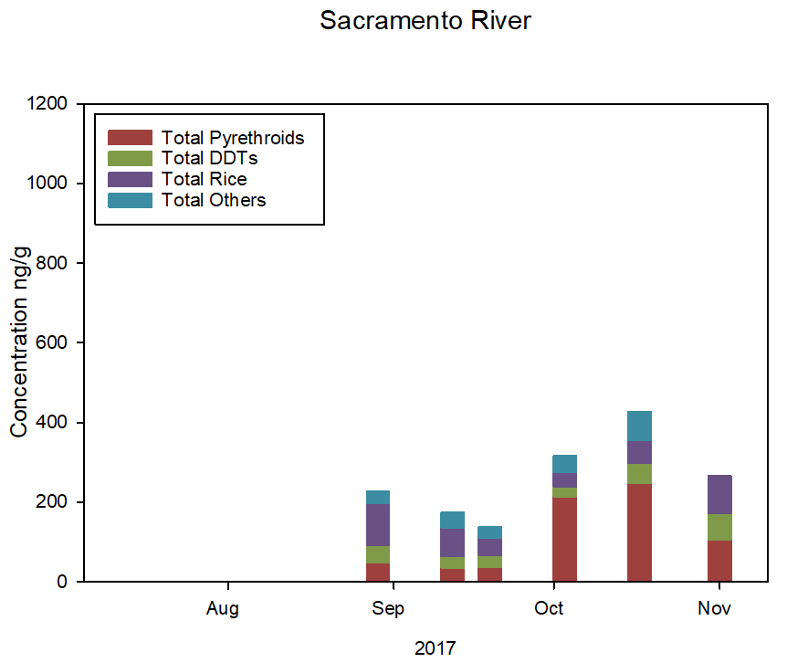
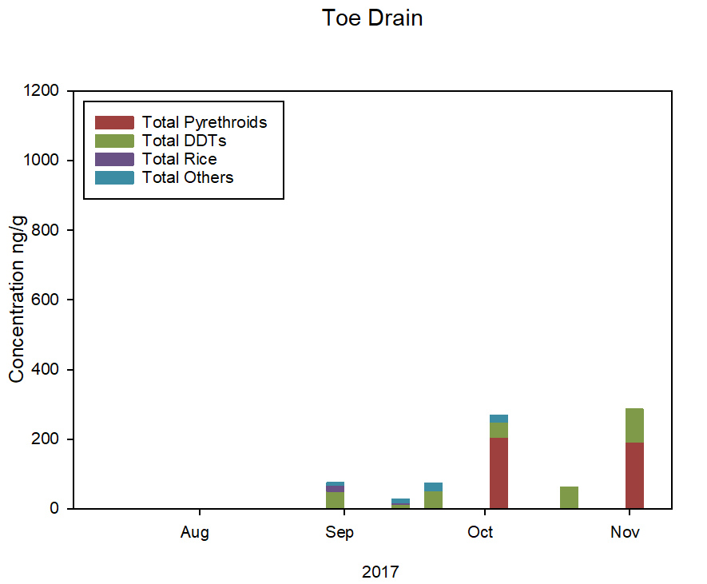

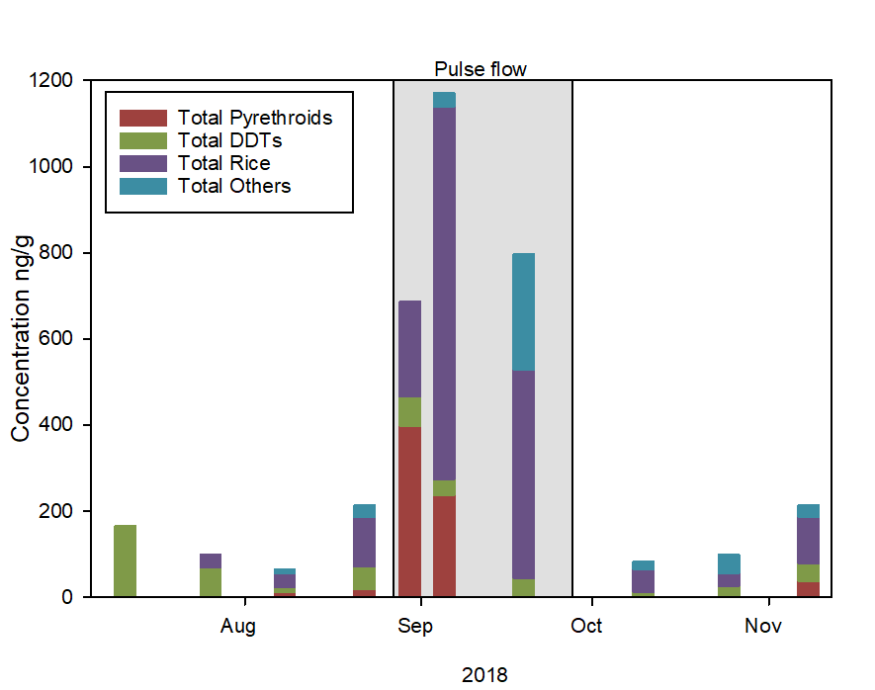
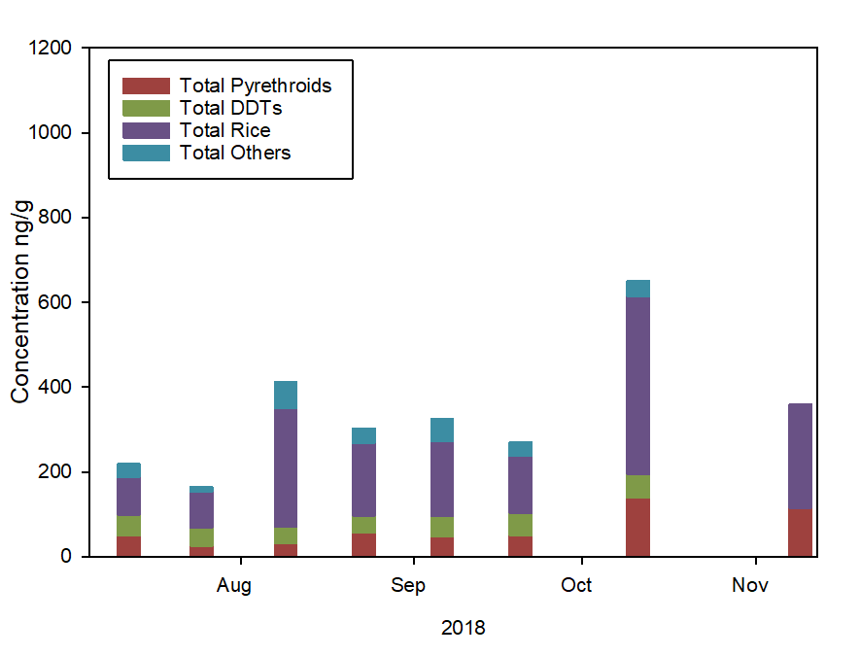

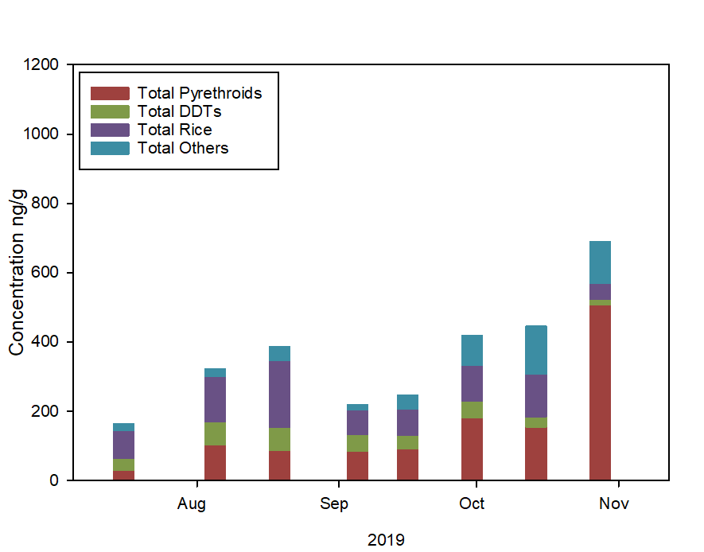
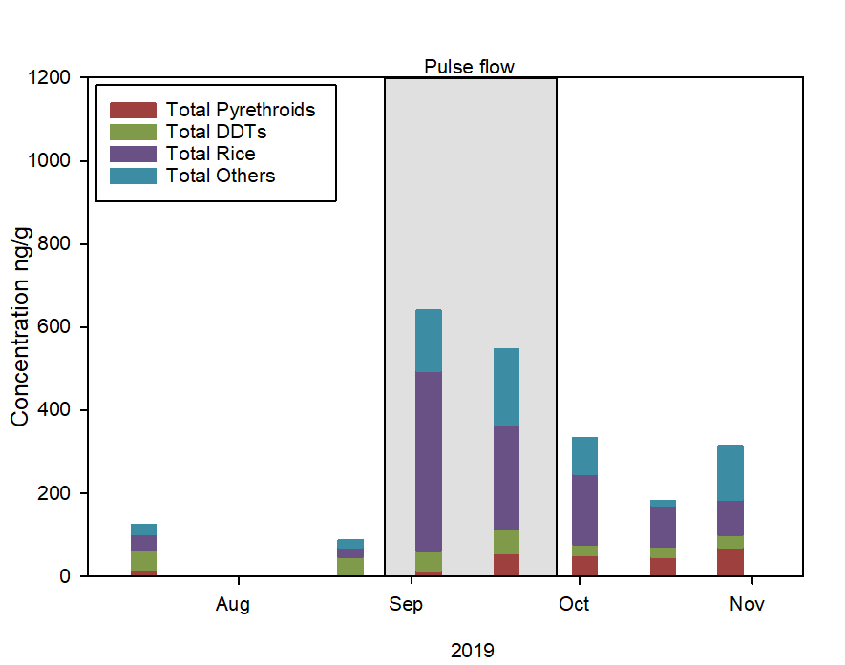

 | Fig 5

Fig6&8 Seasonal water
Date SHR | Total Fungicide Concentration water ng/L | Total Herbicide Concentration water ng/L | Total Insecticide Concentration water ng/L | Total Other Concentration water ng/L | Date STTD | Total Fungicide Concentration water ng/L | Total Herbicide Concentration water ng/L | Total Insecticide Concentration water ng/L | Total Other Concentration water ng/L | Date | STTD Ave Precip inches | SHR Ave Precip inches | Date | Freeport Discharge cfs | Date | Yolo Discharge cfs
2019-05-21 | 128.06570991 | 261.77165133 | 55.643414538 | 0 | 2019-05-20 | 302.00391469 | 431.05450286 | 155.31240491 | 0 | 2019-02-01 | 0.46 | 0.305 | 2017-03-01 | 75500 | 2017-03-01 | 69100
2019-06-04 | 79.969898919 | 132.65814631 | 3.0633181003 | 0 | 2019-06-03 | 476.72271203 | 887.48104969 | 103.43159701 | 0 | 2019-02-02 | 0.675 | 0.885 | 2017-03-02 | 74200 | 2017-03-02 | 62300
2019-06-18 | 36.119067655 | 467.33177579 | 2.4090013443 | 0 | 2019-06-17 | 233.80293193 | 624.51322164 | 41.482042321 | 0 | 2019-02-03 | 0.1 | 0.26 | 2017-03-03 | 74100 | 2017-03-03 | 58300
2019-07-02 | 12.6 | 490.33831426 | 4.6304308245 | 0 | 2019-07-01 | 111.27591881 | 475.14409542 | 20.861134516 | 0 | 2019-02-04 | 0.435 | 0.565 | 2017-03-04 | 73900 | 2017-03-04 | 53800
2019-07-16 | 24.45 | 269.19656252 | 80.604062784 | 0 | 2019-07-15 | 110.66349182 | 405.29561876 | 17.034674123 | 0 | 2019-02-05 | 0 | 0 | 2017-03-05 | 72400 | 2017-03-05 | 47400
2019-08-05 | 155.26570048 | 122.81194544 | 59.834675322 | 0 | 2019-08-07 | 98.772426894 | 207.76654199 | 40.705007279 | 0 | 2019-02-06 | 5.00E-03 | 0 | 2017-03-06 | 71400 | 2017-03-06 | 37100
2019-08-19 | 362.66962044 | 145.1144052 | 46.299727534 | 0 | 2019-08-21 | 220.98167426 | 185.9375144 | 50.35207815 | 0 | 2019-02-07 | 0 | 0 | 2017-03-07 | 69600 | 2017-03-07 | 28200
2019-09-05 | 245.81899248 | 137.05526735 | 40.536690472 | 0 | 2019-09-04 | 1456.8105943 | 563.01371565 | 269.4176628 | 0 | 2019-02-08 | 0.29 | 0.16 | 2017-03-08 | 67500 | 2017-03-08 | 22800
2019-09-16 | 177.12558926 | 122.28382911 | 32.521951963 | 0 | 2019-09-18 | 1330.7907729 | 449.27056685 | 313.77591041 | 0 | 2019-02-09 | 0.13 | 0.28 | 2017-03-09 | 66100 | 2017-03-09 | 17700
2019-09-30 | 89.488911139 | 48.504964212 | 10.046373981 | 0 | 2019-10-02 | 527.32774126 | 140.984217 | 98.491462001 | 0 | 2019-02-10 | 0 | 0.01 | 2017-03-10 | 64800 | 2017-03-10 | 12200
2019-10-14 | 25.048543689 | 42.341100843 | 3.38 | 0 | 2019-10-16 | 208.8 | 99.102182138 | 39.350769231 | 0 | 2019-02-11 | 0 | 0 | 2017-03-11 | 64200 | 2017-03-11 | 8710
2019-10-28 | 31.59223301 | 41.757376251 | 16.773140502 | 0 | 2019-10-28 | 141.744905 | 61.908828867 | 29.61250286 | 0 | 2019-02-12 | 0.165 | 0.04 | 2017-03-12 | 63000 | 2017-03-12 | 6590
2019-11-13 | 46.2 | 42.620139877 | 26.706899611 | 0 | 2019-11-14 | 77.349623282 | 62.647517727 | 24.602490894 | 0 | 2019-02-13 | 2.215 | 1.75 | 2017-03-13 | 61900 | 2017-03-13 | 5640
2019-11-25 | 83.947621926 | 65.582256704 | 36.813870675 | 0 | 2019-11-26 | 95.931900424 | 63.841604193 | 33.763112406 | 0 | 2019-02-14 | 0.915 | 0.455 | 2017-03-14 | 60400 | 2017-03-14 | 5280
...
2020-01-07 | 76.419480601 | 92.178584025 | 41.767884638 | 0 | 2020-01-06 | 278.15637141 | 191.99587 | 74.551053159 | 0
2020-01-28 | 47.02948759 | 43.203339293 | 22.508656327 | 0 | 2020-01-27 | 122.10946545 | 117.43533139 | 43.065114427 | 0
2020-02-11 | 64.31372549 | 83.795956808 | 41.853136097 | 0 | 2020-02-10 | 202.67691269 | 117.05709761 | 67.80558138 | 0
2020-02-25 | 31.450980392 | 34.914106499 | 31.052983064 | 0 | 2020-02-24 | 284.96551724 | 175.72810249 | 76.233416041 | 0
2020-03-09 | 40.345702171 | 35.643721994 | 8.6276988379 | 0 | 2020-03-10 | 190.21061268 | 86.852766131 | 60.57208451 | 0
...
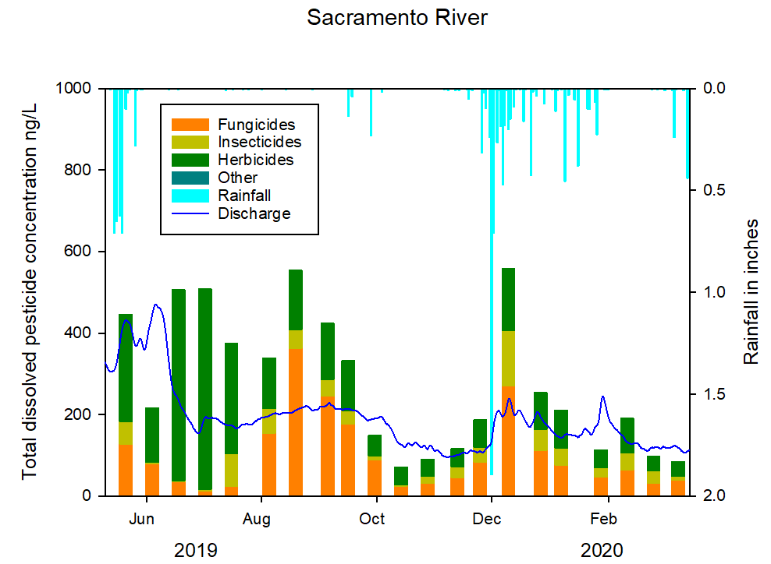
...
Date SHR | Total Fungicide Concentration water ng/L | Total Herbicide Concentration water ng/L | Total Insecticide Concentration water ng/L | Total Other Concentration water ng/L | Date STTD | Total Fungicide Concentration water ng/L | Total Herbicide Concentration water ng/L | Total Insecticide Concentration water ng/L | Total Other Concentration water ng/L
 | Fig 6
...
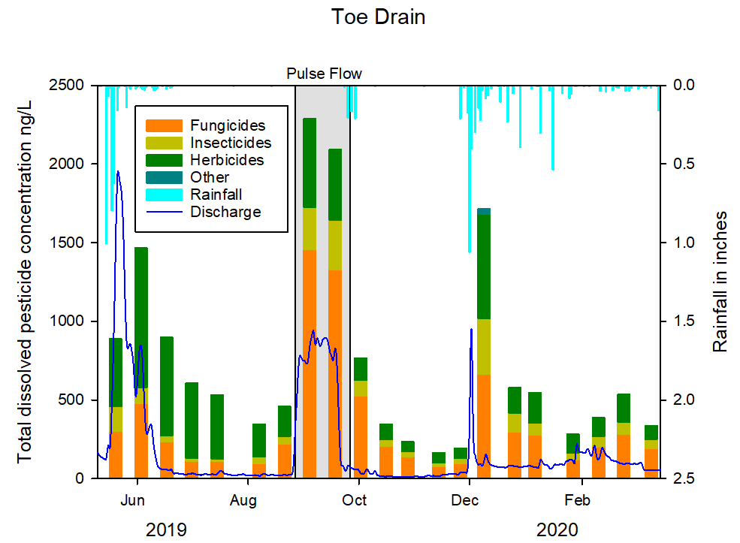
...
Date SHR | Total Fungicide Concentration water ng/L | Total Herbicide Concentration water ng/L | Total Insecticide Concentration water ng/L | Total Other Concentration water ng/L | Date STTD | Total Fungicide Concentration water ng/L | Total Herbicide Concentration water ng/L | Total Insecticide Concentration water ng/L | Total Other Concentration water ng/L
 | Fig 8
...

Figs 7&9 Seasonal Zoop
...
Date SHR | Total Fungicide Concentration zoop ng/g | Total Herbicide Concentration zoop ng/g | Total Insecticide Concentration zoop ng/g | Date STTD | Total Fungicide Concentration zoop ng/g | Total Herbicide Concentration zoop ng/g | Total Insecticide Concentration zoop ng/g | Date | Freeport Discharge cfs
2019-12-27 | 69.589396853 | 163.60145705 | 93.027101157 | 2019-12-26 | 29.071428571 | 244.02393784 | 100.0670054 | 2017-03-16 | 56000
2020-01-07 | 107.70002891 | 972.53658352 | 132.0321885 | 2020-01-06 | 0 | 112.00964256 | 970.71642812 | 2017-03-17 | 53200
2020-01-28 | 103.24737229 | 106.18007276 | 81.525772601 | 2020-01-27 | 0 | 125.90925834 | 185.61922539 | 2017-03-18 | 54200
2020-02-11 | 134.13938789 | 324.06352528 | 121.7258132 | 2020-02-10 | 0 | 53.693912679 | 129.97029031 | 2017-03-19 | 59800
2020-02-25 | 107.24260013 | 155.96244578 | 66.316780043 | 2020-02-24 | 13.939393939 | 57.543287804 | 159.39393939 | 2017-03-20 | 65600
2020-03-09 | 0 | 91.653234711 | 86.423069312 | 2020-03-10 | 81.295238095 | 68.273525828 | 133.46668537 | 2017-03-21 | 68100
 |  |  |  |  |  |  |  | 2017-03-22 | 68900
 |  |  |  |  |  |  |  | 2017-03-23 | 69300
 |  |  |  |  |  |  |  | 2017-03-24 | 69200
 |  |  |  |  |  |  |  | 2017-03-25 | 68300
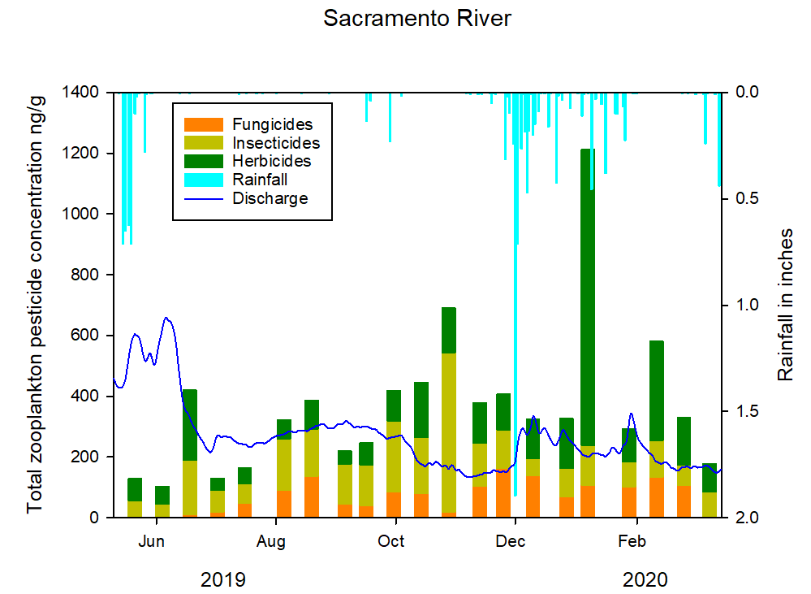
 |  |  |  |  |  |  |  | 2017-03-26 | 68900
 |  |  |  |  |  |  |  | 2017-03-27 | 69000
 |  |  |  |  |  |  |  | 2017-03-28 | 71500
 |  |  |  |  |  |  |  | 2017-03-29 | 73600
 |  |  |  |  |  |  |  | 2017-03-30 | 70100
 |  |  |  |  |  |  |  | 2017-03-31 | 66300
 |  |  |  |  |  |  |  | 2017-04-01 | 64000
 |  |  |  |  |  |  |  | 2017-04-02 | 60100
 |  |  |  |  |  |  |  | 2017-04-03 | 56100
 |  |  |  |  |  |  |  | 2017-04-04 | 53400
 |  |  |  |  |  |  |  | 2017-04-05 | 50600
 |  |  |  |  |  |  |  | 2017-04-06 | 48900
 |  |  |  |  |  |  |  | 2017-04-07 | 50400
 |  |  |  |  |  |  |  | 2017-04-08 | 56600
 |  |  |  |  |  |  |  | 2017-04-09 | 64700
 |  |  |  |  |  |  |  | 2017-04-10 | 67900
 |  |  |  |  |  |  |  | 2017-04-11 | 68200
 |  |  |  |  |  |  |  | 2017-04-12 | 68300
 |  |  |  |  |  |  |  | 2017-04-13 | 67900
 |  |  |  |  |  |  |  | 2017-04-14 | 67000
 |  |  |  |  |  |  |  | 2017-04-15 | 68100
 |  |  |  |  |  |  |  | 2017-04-16 | 70100
 | Fig 7 |  |  |  |  |  |  | 2017-04-17 | 71100
 |  |  |  |  |  |  |  | 2017-04-18 | 71900
 |  |  |  |  |  |  |  | 2017-04-19 | 73100
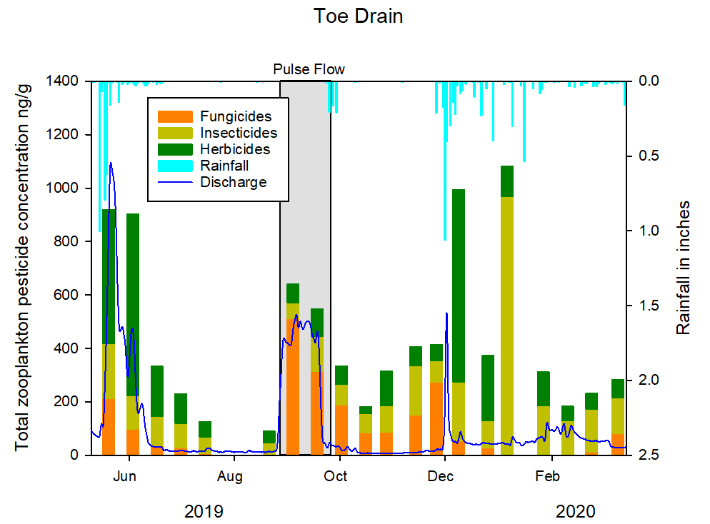
 |  |  |  |  |  |  |  | 2017-04-20 | 73800
 |  |  |  |  |  |  |  | 2017-04-21 | 74600
 |  |  |  |  |  |  |  | 2017-04-22 | 75700
 |  |  |  |  |  |  |  | 2017-04-23 | 75900
 |  |  |  |  |  |  |  | 2017-04-24 | 76100
 |  |  |  |  |  |  |  | 2017-04-25 | 75800
 |  |  |  |  |  |  |  | 2017-04-26 | 75700
 |  |  |  |  |  |  |  | 2017-04-27 | 74000
 |  |  |  |  |  |  |  | 2017-04-28 | 72700
 |  |  |  |  |  |  |  | 2017-04-29 | 73500
 |  |  |  |  |  |  |  | 2017-04-30 | 73900
 |  |  |  |  |  |  |  | 2017-05-01 | 72200
 |  |  |  |  |  |  |  | 2017-05-02 | 71100
 |  |  |  |  |  |  |  | 2017-05-03 | 69300
 |  |  |  |  |  |  |  | 2017-05-04 | 65800
 |  |  |  |  |  |  |  | 2017-05-05 | 61100
 |  |  |  |  |  |  |  | 2017-05-06 | 55600
 |  |  |  |  |  |  |  | 2017-05-07 | 50700
 |  |  |  |  |  |  |  | 2017-05-08 | 45900
 |  |  |  |  |  |  |  | 2017-05-09 | 42000
 |  |  |  |  |  |  |  | 2017-05-10 | 41000
 |  |  |  |  |  |  |  | 2017-05-11 | 44800
 |  |  |  |  |  |  |  | 2017-05-12 | 50300
 | Fig 9 |  |  |  |  |  |  | 2017-05-13 | 54100
 |  |  |  |  |  |  |  | 2017-05-14 | 56100
 |  |  |  |  |  |  |  | 2017-05-15 | 56400
 |  |  |  |  |  |  |  | 2017-05-16 | 55300
 |  |  |  |  |  |  |  | 2017-05-17 | 52700
 |  |  |  |  |  |  |  | 2017-05-18 | 50400
 |  |  |  |  |  |  |  | 2017-05-19 | 48800
 |  |  |  |  |  |  |  | 2017-05-20 | 46100
 |  |  |  |  |  |  |  | 2017-05-21 | 42600
...

