DFM template
Seeed DFA report
Project Name： 1557248 |  | Prepared by: Yangyou Liu |  |  |  | Date: 20210127
Item | Problem description 问题描述 | Reference location 影响位置 | Impact 影响 | Image 图片 | Seeed Suggestion 矽递建议 | Customer feedback 客户反馈 | Severity 严重度 | Status 状态
1 | This component is not match with datasheet. | R21 | It can not be soldered well. |  | Pls update the gerber to match with datasheet or provide us true MPN. | Resistor has been updated to the correct MPN | High | open
2 | Those components are not match with datasheet. | R3 R4 R22 R23 | It can not be soldered well. |  | Pls update the gerber to match with datasheet or provide us true MPN. | Resistor has been updated to the correct MPN | High | open
3 | This component is not match with datasheet. | C3 | It can not be soldered well. |  | Pls update the gerber to match with datasheet or provide us true MPN. | Capacitor has been updated to the 0805 package. | High | open
4 | Those components are not match with datasheet. | C45 C46 | It can not be soldered well. |  | Pls update the gerber to match with datasheet or provide us true MPN. | I'm not sure what is wrong with this. C45 and C46 are 0603 and the height is correct here. I've updated the gerber though. | High | open | 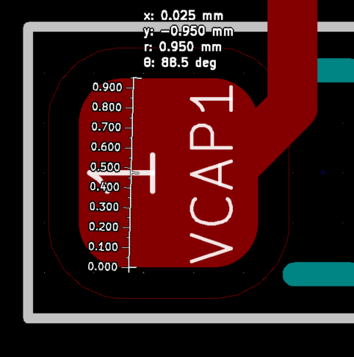
5 | The distance between two pads is longger than datasheet. | C45 C47 | It can not be soldered well. | 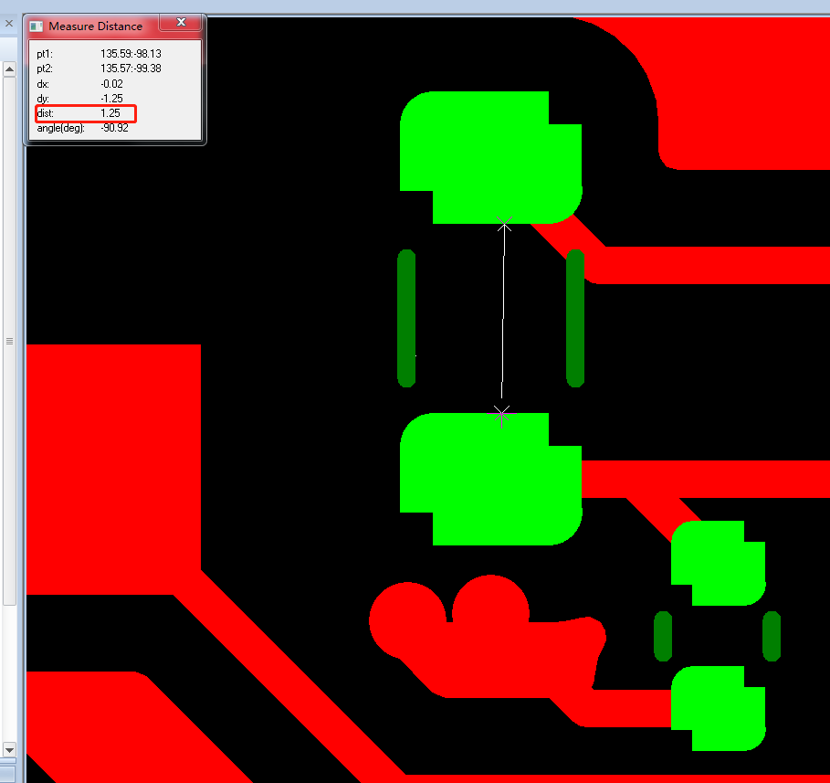 | Pls update the gerber to match with datasheet. | I'm assuming you mean C25 and C27. My bad, I've added the right MPN. | High | open

