video_timing
 | Freq | Period | Pos (us) | Neg (us)
Hsync | 19872 | 50.35 us | 15.945 | 34.41
Hsync 2762 |  | 50.35 us | 3.8 | 46.55 | 8 | CCLK
Vsync | 60 | 16.67 ms | 150 us | 16.52 ms | CCLK = 50.355/106 |  | 0.475 us | 2.105 MHz

HFP = space between last pixel data and hsync rise
HBP = space between hsync fall and pixel data start

~ 475ns = char 7 dots

Vsync TTL to CRT = same as 2672 out
Hsync TTL to CRT != 2672
@ CRT is ~ 260ns later
@ CRT is way longer - 15.96 vs 3.8 us

 |  |  |  |  |  |  |  |  |  | VBP = 20 lines?
 |  |  |  |  |  |  |  |  |  | or 21

 |  |  |  |  |  |  |  |  |  |  |  | VFP = 20 ?

 |  |  |  |  | 33.56 CCLK long hsync pos ?

 |  |  |  |  |  |  |  |  | ~ 23.558 CCLK ?
 |  |  |  |  |  |  |  |  | ~ 10 CCLK overlap

 |  |  |  |  |  |  |  |  |  |  | ~ 2.4 CCLK ?

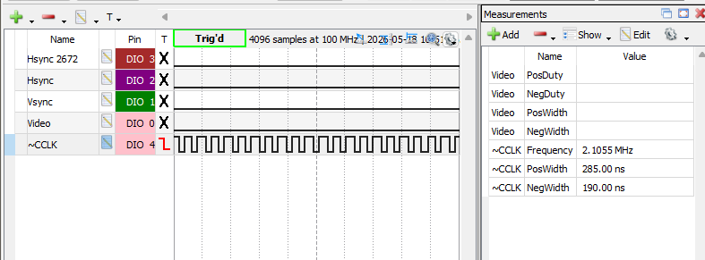

Video (top left 1/2 block char) vs CCLK

Hsync @ TTL CRT vs Hsync out of 2672

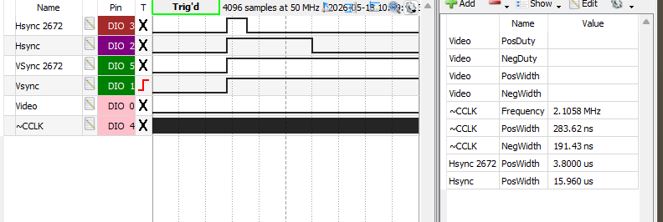

HBP (at 2672) ~7.947us = 16.7 CCLK
Should be 13 (16 with 2673)

HFP (@ 2672) ~823ns = 1.75 CCLK
should be 5 (2 with 2673)

