MANCHESTER
Gender |  | Age Distribution
Female | 61%
Male | 39% | 25-34 | 28%
 | 100% | 35-44 | 26%
 |  | 45-54 | 18%
Popular Devices |  | 55-64 | 17%
Mobile | 64% | 65+ | 14%
Desktop | 34% | 18-24 | 11%
Tablet/Ipad | 2%
 |  |  | 115%

 | 100%
Gender
Popular Devices
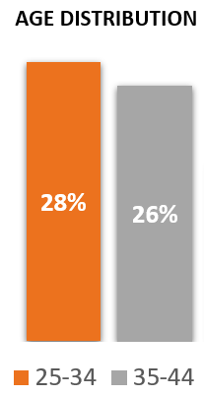
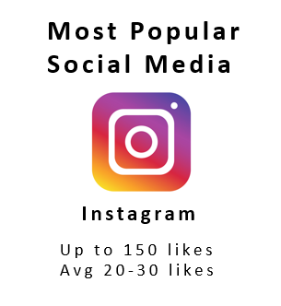

AGE DISTRIBUTION
INTERESTS
Interest
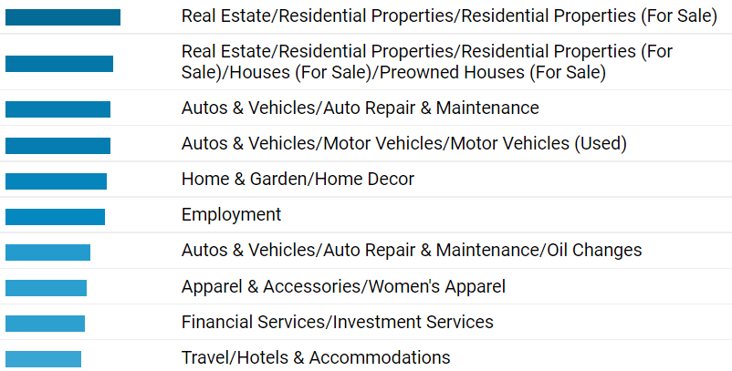
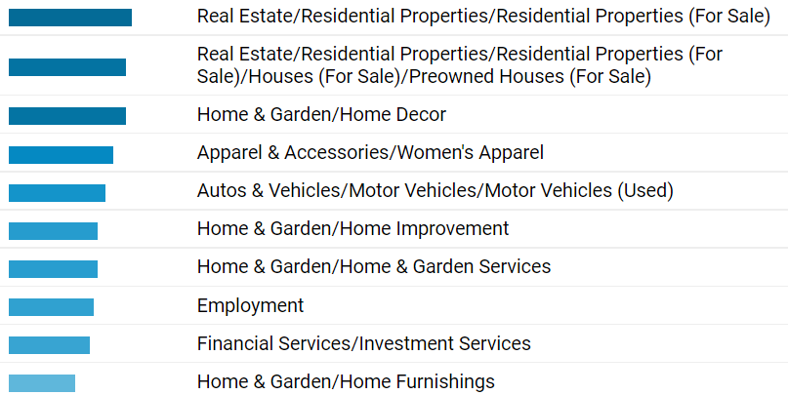
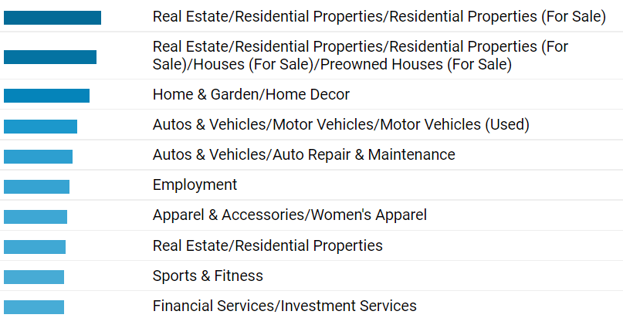
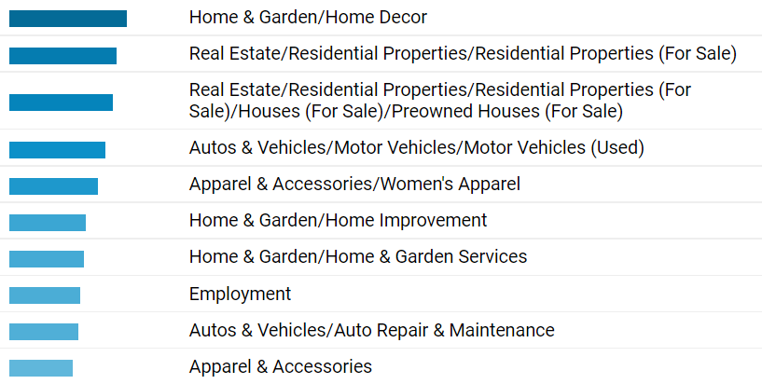

 |  |  |  | d

Sheet23
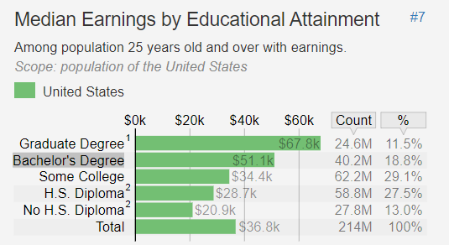
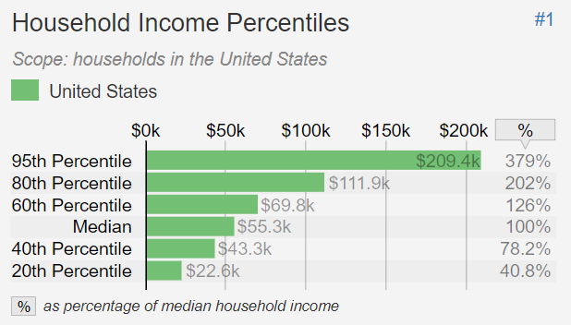
Landing Page | Clicks | Impressions
https://fox-pest.com/local-location/ | 174,434 | 7,672,963
https://fox-pest.com/pest-control/ | 96,019 | 6,266,428
https://fox-pest.com/ | 12,826 | 216,059
https://fox-pest.com/the-most-effective-way-to-get-rid-of-fleas-in-your-home/ | 7,869 | 70,926
https://fox-pest.com/how-to-safely-remove-ticks/ | 7,365 | 45,562
https://fox-pest.com/what-is-the-difference-between-wasps-hornets-and-yellow-jackets/ | 6,765 | 61,911

Google Ads Data 2021 to 2022

 | STATE | HISPANIC POPULATION
 | Texas | 40%
 | California | 39%
 | Florida | 26%
 | New York | 19%
 | Illinois | 17%

HISPANIC POPULATION

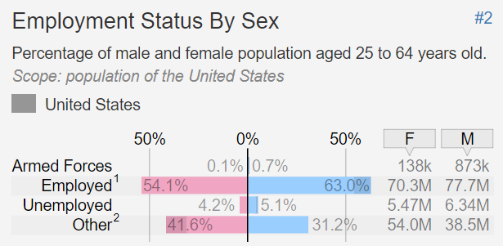

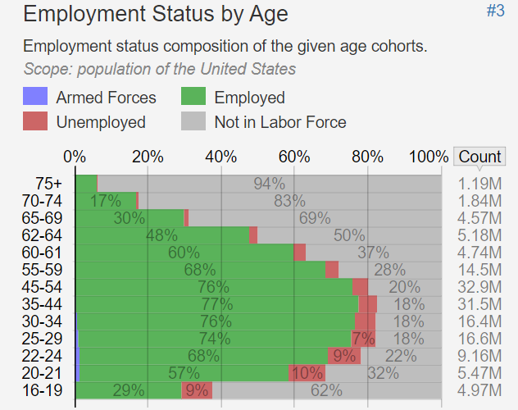

Groups

corpus
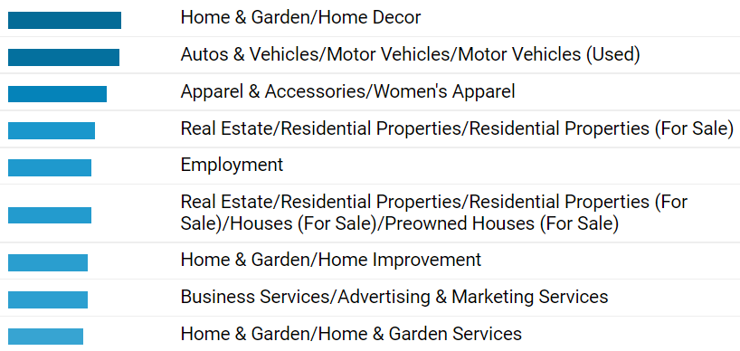
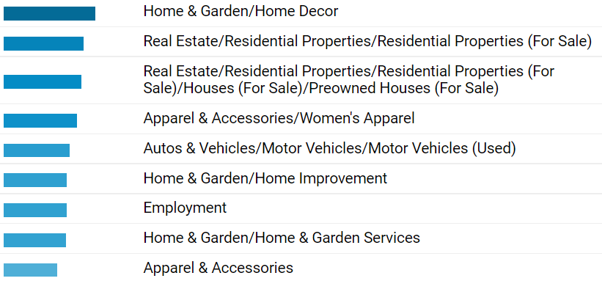
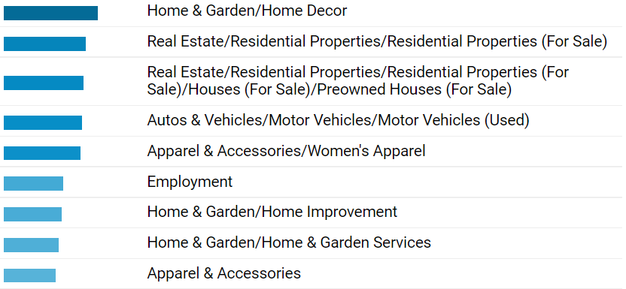
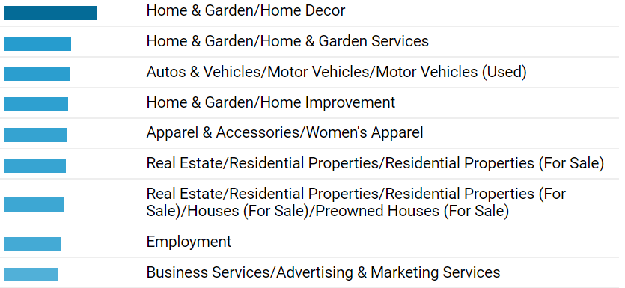
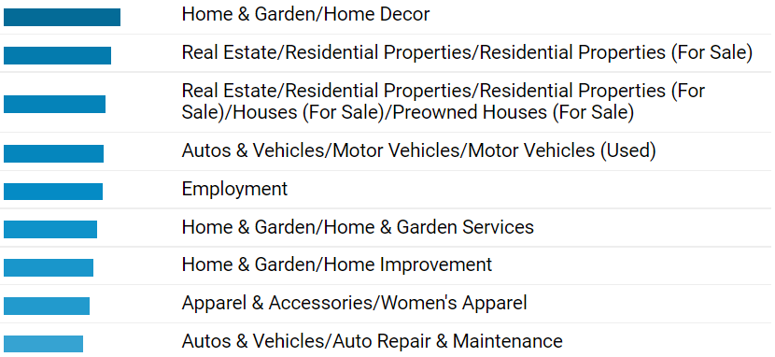
Gender |  | Age Distribution
Female | 53%
Male | 47% | 25-34 | 26%
 |  | 35-44 | 21%
 |  | 45-54 | 16%
Popular Devices |  | 55-64 | 14%
Mobile | 58% | 18-24 | 12%
Desktop | 39% | 65+ | 11%
Tablet/Ipad | 2%
 |  |  | 100%

 | 99%
Gender
Popular Devices

AGE DISTRIBUTION
INTERESTS
Interest

Sheet26
Media Channel | minutes
Youtube | 41
Facebook | 35
Time Spend on Social Media2022
Instagram | 33
Tik Tok | 32
Snapchat | 25
Pinterest | 14
Twitter | 10

MOST USED SOCIAL NETWORK PLATFORMS

Population
Media Channel | 25-34 | 35-44
Facebook | 86% | 77%
Youtube | 71% | 67%
Tik Tok | 69% | 42%
Instagram | 67% | 47%
Twitter | 38% | 26%
Snapchat | 36% | 18%
Pinterest | 34% | 36%

Age Group

lubbock
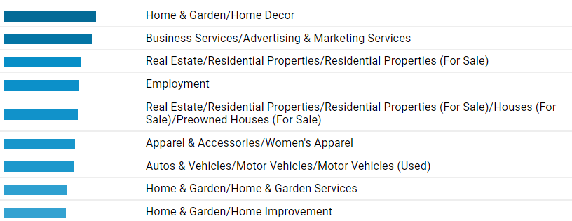
Gender |  | Age Distribution
Female | 54%
Male | 46% | 25-34 | 25%
 |  | 35-44 | 19%
 |  | 45-54 | 17%
Popular Devices |  | 55-64 | 14%
Mobile | 36% | 18-24 | 13%
Desktop | 63% | 65+ | 12%
Tablet/Ipad | 1%
 |  |  | 100%

 | 100%
Gender
Popular Devices

AGE DISTRIBUTION
INTERESTS
Interest

CT
Gender |  | Age Distribution
Female | 48%
Male | 52% | 35-44 | 23%
 |  | 25-34 | 21%
 |  | 45-54 | 19%
Popular Devices |  | 55-64 | 13%
Mobile | 37% | 18-24 | 13%
Desktop | 61% | 65+ | 12%
Tablet/Ipad | 2%
 |  |  | 100%

 | 100%
Gender
Popular Devices

AGE DISTRIBUTION
INTERESTS
Interest

MA
Gender |  | Age Distribution
Female | 49%
Male | 51% | 25-34 | 25%
 |  | 35-44 | 18%
 |  | 55-64 | 17%
Popular Devices |  | 45-54 | 16%
Mobile | 54% | 65+ | 14%
Desktop | 44% | 18-24 | 11%
Tablet/Ipad | 2%
 |  |  | 100%

 | 100%
Gender
Popular Devices

AGE DISTRIBUTION
INTERESTS
Interest

Boston
Gender |  | Age Distribution
Female | 47%
Male | 53% | 25-34 | 22%
 |  | 35-44 | 21%
 |  | 45-54 | 17%
Popular Devices |  | 18-24 | 14%
Mobile | 37% | 55-64 | 14%
Desktop | 61% | 65+ | 11%
Tablet/Ipad | 2%
 |  |  | 100%

 | 100%
Gender
Popular Devices

AGE DISTRIBUTION
INTERESTS
Interest

hudson
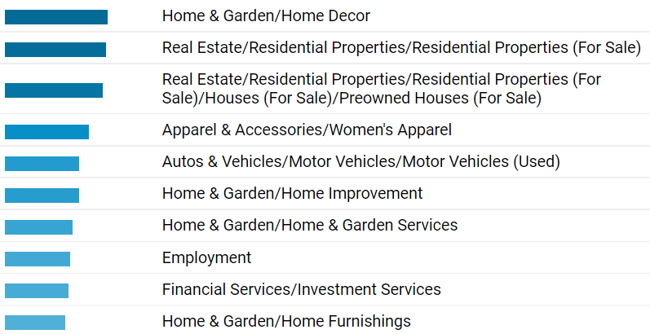
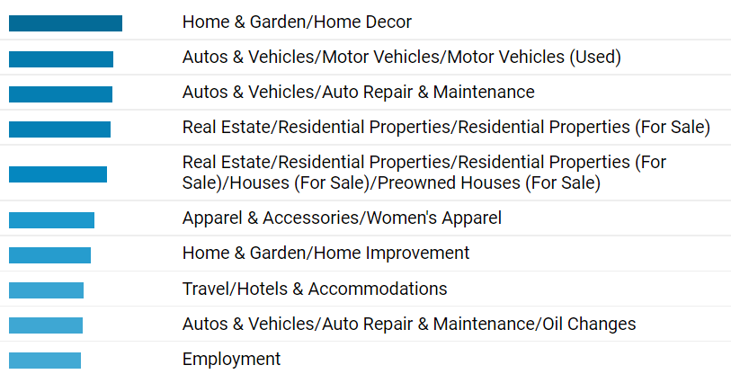
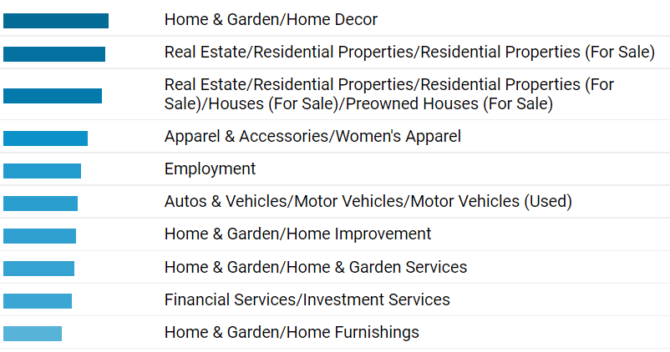
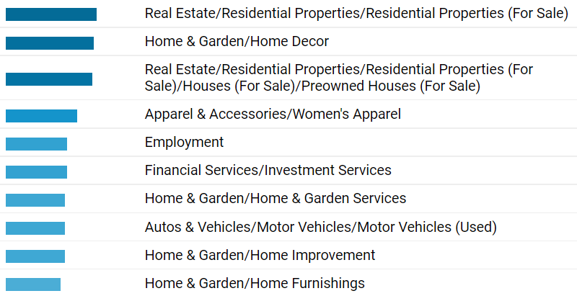
Gender |  | Age Distribution
Female | 48%
Male | 52% | 25-34 | 25%
 |  | 35-44 | 18%
 |  | 45-54 | 17%
Popular Devices |  | 55-64 | 15%
Mobile | 50% | 65+ | 13%
Desktop | 48% | 18-24 | 11%
Tablet/Ipad | 2%
 |  |  | 100%

Gender
Popular Devices

AGE DISTRIBUTION
INTERESTS
Interest

Rochester
Gender |  | Age Distribution
Female | 54%
Male | 46% | 25-34 | 25%
 |  | 55-64 | 19%
 |  | 65+ | 18%
Popular Devices |  | 45-54 | 17%
Mobile | 42% | 35-44 | 16%
Desktop | 54% | 18-24 | 7%
Tablet/Ipad | 3%

Gender
Popular Devices

AGE DISTRIBUTION
INTERESTS
Interest

LONG ISLAND
Gender |  | Age Distribution
Female | 45%
Male | 55% | 25-34 | 23%
 |  | 35-44 | 22%
 |  | 45-54 | 17%
Popular Devices |  | 18-24 | 15%
Mobile | 36% | 55-64 | 13%
Desktop | 63% | 65+ | 9%
Tablet/Ipad | 1%

Gender
Popular Devices

AGE DISTRIBUTION
INTERESTS
Interest

ALBANY
Gender |  | Age Distribution
Female | 61%
Male | 39% | 25-34 | 28%
 |  | 35-44 | 26%
 |  | 45-54 | 18%
Popular Devices |  | 55-64 | 17%
Mobile | 44% | 65+ | 16%
Desktop | 53% | 18-24 | 9%
Tablet/Ipad | 3%

Gender
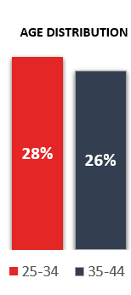
Popular Devices

AGE DISTRIBUTION
INTERESTS
Interest

Buffalo
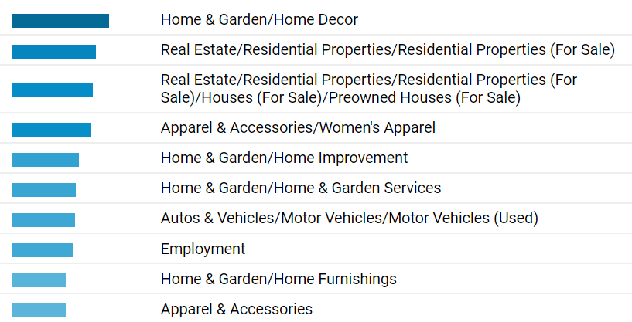
Age Distribution

25-34 | 22%
55-64 | 19%
35-44 | 17%
65+ | 17%
45-54 | 16%
18-24 | 8%

Gender
Female | 40%
Male | 60%

Popular Devices
Mobile | 40%
Desktop | 58%
Tablet/Ipad | 3%

Gender
Popular Devices

AGE DISTRIBUTION
INTERESTS
Interest

