Volume and Value by Month
Figure 1: Monthly Lending by Count and Balance in 2023 and 2024 |  | 2023 Balance (€M) | 2023 Count | 2024 Balance (€M) | 2024 Count
 | January | 898 | 3,304 | 691 | 2,448
 | February | 1,145 | 3,976 | 815 | 2,878
 | March | 826 | 3,101 | 832 | 2,939
 | April | 887 | 3,122 | 864 | 3,059
 | May | 948 | 3,381 | 1,028 | 3,529
 | June | 916 | 3,271 | 997 | 3,356
 | July | 1,086 | 3,924 | 1,220 | 4,089
 | August | 1,188 | 4,125 | 1,100 | 3,671
 | September | 961 | 3,444 | 1,155 | 3,849
 | October | 1,019 | 3,588 | 1,326 | 4,302
 | November | 1,098 | 3,830 | 1,292 | 4,195
 | December | 1,186 | 4,021 | 1,378 | 4,486

FTB LTV and LTI Distributions
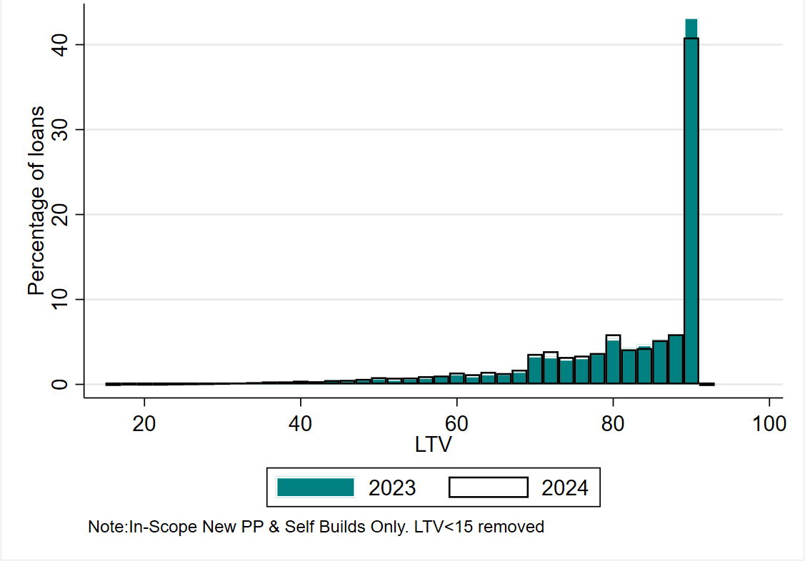
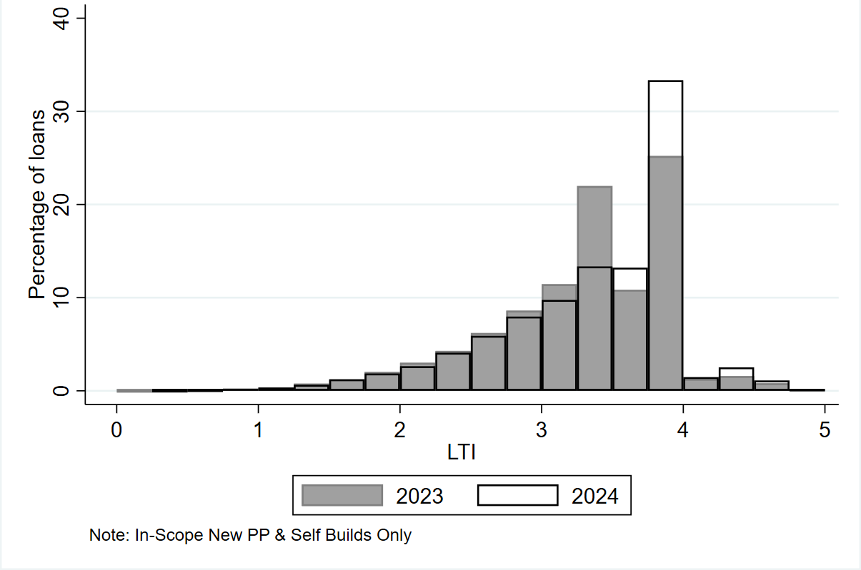
Figure 2: LTV distribution for FTBs in 2023 vs 2024 | FTB LTV 2023 vs 2024 |  |  | Figure 3: LTI distribution for FTBs in 2023 vs 2024 | FTB LTI 2023 vs 2024
 | LTV | Share of Loans 2023 (%) | Share of Loans 2024 (%) |  | LTI | Share of Loans 2023 (%) | Share of Loans 2024 (%)
 | 15-16 | 0.0 | 0.0 |  | 0.25-0.5 | 0.0 | 0.0
 | 17-18 | 0.1 | 0.1 |  | >0.5-0.75 | 0.1 | 0.1
 | 19-20 | 0.0 | 0.1 |  | > 0.75 - 1 | 0.2 | 0.2
 | 21-22 | 0.1 | 0.1 |  | > 1- 1.25 | 0.4 | 0.4
 | 23-24 | 0.2 | 0.1 |  | >1.25 -1.5 | 0.8 | 0.6
 | 25-26 | 0.1 | 0.1 |  | >1.5-1.75 | 1.2 | 1.2
 | 27-28 | 0.2 | 0.1 |  | >1.75-2 | 2.0 | 1.9
 | 29-30 | 0.2 | 0.2 |  | > 2- 2.25 | 3.0 | 2.6
 | 31-32 | 0.2 | 0.2 |  | >2.25 -2.5 | 4.3 | 4.1
 | 33-34 | 0.3 | 0.3 |  | >2.5-2.75 | 6.2 | 5.9
 | 35-36 | 0.2 | 0.3 |  | >2.75-3 | 8.6 | 8.0
 | 37-38 | 0.3 | 0.4 |  | > 3- 3.25 | 11.4 | 9.8
 | 39-40 | 0.4 | 0.4 |  | >3.25-3.5 | 22.0 | 13.4
 | 41-42 | 0.4 | 0.4 |  | >3.5-3.75 | 10.9 | 13.2
 | 43-44 | 0.5 | 0.5 |  | >3.75-4 | 25.2 | 33.4
 | 45-46 | 0.5 | 0.5 |  | > 4- 4.25 | 1.3 | 1.5
 | 47-48 | 0.6 | 0.6 |  | >4.25 -4.5 | 1.6 | 2.5
 | 49-50 | 0.8 | 0.8 |  | >4.5 | 0.9 | 1.3
 | 51-52 | 0.6 | 0.8 |  | Note: LTI <0.25 and LTI>5 removed
 | 53-54 | 0.8 | 0.8 |  | Sample used is new property purchase/self-build loans only
 | 55-56 | 0.9 | 1.0
 | 57-58 | 1.0 | 1.0
 | 59-60 | 1.3 | 1.4
 | 61-62 | 1.0 | 1.2
 | 63-64 | 1.3 | 1.5
 | 65-66 | 1.3 | 1.3
 | 67-68 | 1.6 | 1.7
 | 69-70 | 3.4 | 3.6
 | 71-72 | 3.3 | 3.9
 | 73-74 | 3.0 | 3.2
 | 75-76 | 3.2 | 3.4
 | 77-78 | 3.7 | 3.7
 | 79-80 | 5.4 | 5.9
 | 81-82 | 4.3 | 4.1
 | 83-84 | 4.7 | 4.3
 | 85-86 | 5.3 | 5.2
 | 87-88 | 5.9 | 5.9
 | 89-90 | 43.2 | 40.9
 | >90 | 0.0 | 0.0
 | Note: LTV<15 removed.
 | Sample used is new property purchase/self-build loans only

SSB LTV and LTI Distribution
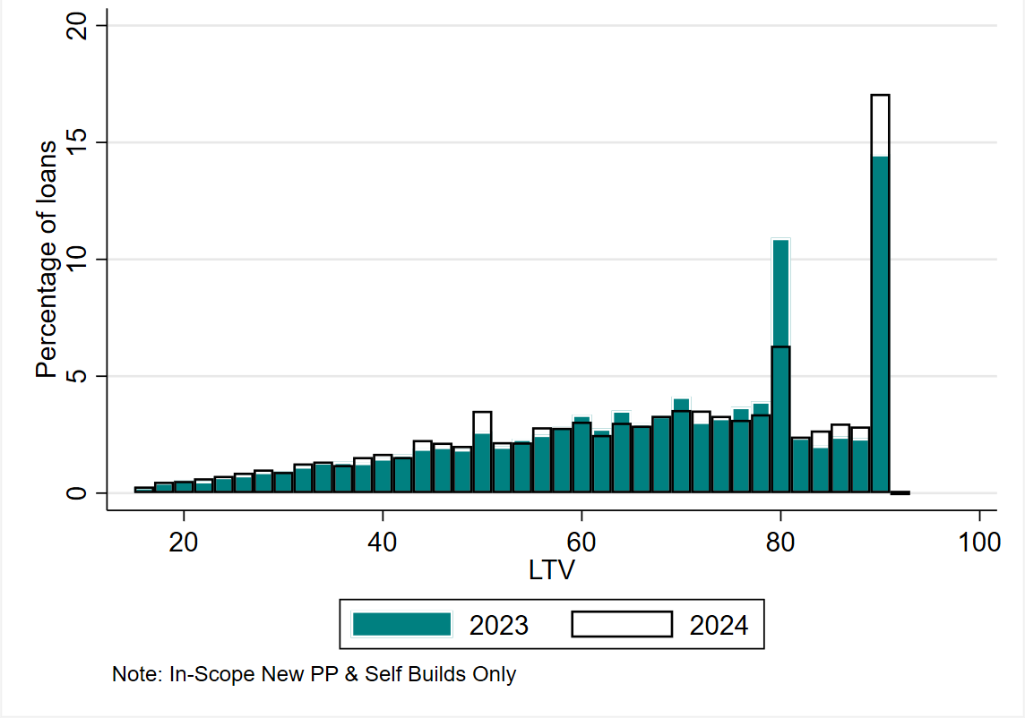
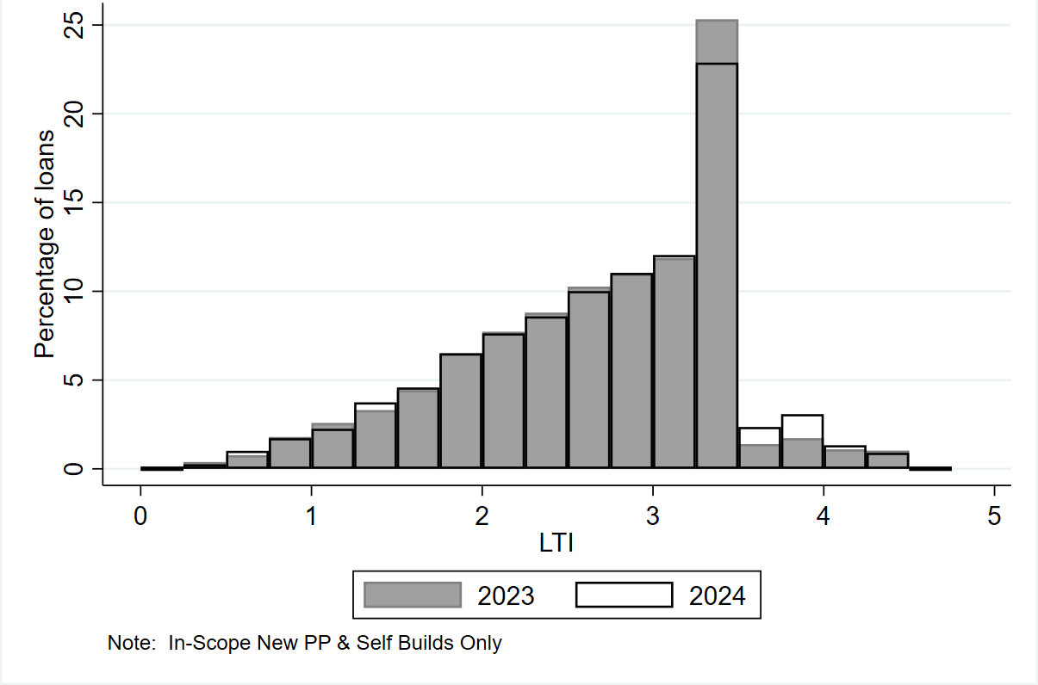
Figure 4: LTV distribution for SSBs in 2023 vs 2024 | SSB LTV 2023 vs 2024 |  |  | Figure 5: LTI distribution for SSBs in 2023 vs 2024 | SSB LTI 2023 vs 2024
 | LTV | Share of Loans 2023 (%) | Share of Loans 2024 (%) |  | LTI | Share of Loans 2023 (%) | Share of Loans 2024 (%)
 | 15-16 | 0.3 | 0.3 |  | 0.25-0.5 | 0.4 | 0.3
 | 17-18 | 0.5 | 0.5 |  | >0.5-0.75 | 0.8 | 1.0
 | 19-20 | 0.6 | 0.5 |  | > 0.75 - 1 | 1.8 | 1.7
 | 21-22 | 0.5 | 0.6 |  | > 1- 1.25 | 2.6 | 2.3
 | 23-24 | 0.7 | 0.7 |  | >1.25 -1.5 | 3.3 | 3.8
 | 25-26 | 0.8 | 0.9 |  | >1.5-1.75 | 4.4 | 4.6
 | 27-28 | 0.9 | 1.0 |  | >1.75-2 | 6.5 | 6.5
 | 29-30 | 0.9 | 0.9 |  | > 2- 2.25 | 7.7 | 7.6
 | 31-32 | 1.2 | 1.3 |  | >2.25 -2.5 | 8.8 | 8.6
 | 33-34 | 1.3 | 1.4 |  | >2.5-2.75 | 10.3 | 10.0
 | 35-36 | 1.3 | 1.2 |  | >2.75-3 | 11.0 | 11.0
 | 37-38 | 1.3 | 1.6 |  | > 3- 3.25 | 11.9 | 12.1
 | 39-40 | 1.5 | 1.7 |  | >3.25 -3.5 | 25.3 | 22.9
 | 41-42 | 1.7 | 1.6 |  | >3.5-3.75 | 1.4 | 2.4
 | 43-44 | 1.9 | 2.3 |  | >3.75-4 | 1.7 | 3.1
 | 45-46 | 2.0 | 2.2 |  | > 4- 4.25 | 1.1 | 1.3
 | 47-48 | 1.9 | 2.0 |  | >4.25 -4.5 | 1.0 | 0.9
 | 49-50 | 2.6 | 3.5 |  | >4.5 | 0.0 | 0.0
 | 51-52 | 2.0 | 2.2 |  | Note: LTI <0.25 and LTI>5 removed
 | 53-54 | 2.3 | 2.2 |  | Sample used is new property purchase/self-build loans only
 | 55-56 | 2.5 | 2.8
 | 57-58 | 2.8 | 2.8
 | 59-60 | 3.4 | 3.1
 | 61-62 | 2.8 | 2.5
 | 63-64 | 3.5 | 3.0
 | 65-66 | 3.0 | 2.9
 | 67-68 | 3.3 | 3.3
 | 69-70 | 4.1 | 3.6
 | 71-72 | 3.1 | 3.5
 | 73-74 | 3.2 | 3.3
 | 75-76 | 3.7 | 3.1
 | 77-78 | 3.9 | 3.4
 | 79-80 | 10.9 | 6.3
 | 81-82 | 2.4 | 2.4
 | 83-84 | 2.0 | 2.7
 | 85-86 | 2.4 | 3.0
 | 87-88 | 2.4 | 2.9
 | 89-90 | 14.5 | 17.1
 | >90 | 0.0 | 0.0
 | Note: LTV<15 removed.
 | Sample used is new property purchase/self-build loans only

Trend over Time in LTV and LTI
Figure 6: Trend over Time in LTI for FTBs |  |  |  |  |  |  | Figure 7: Trend over Time in LTV for FTBs |  |  |  |  |  |  | Figure 8: Trend over Time in LTI for SSBs |  |  |  |  |  |  | Figure 9: Trend over Time in LTV for SSBs

 | FTB LTI over Time |  |  |  |  | FTB LTV over Time |  |  |  |  | SSB LTI over Time |  |  |  |  | SSB LTV over Time
 | LTI FTB P10 | LTI FTB P25 | LTI FTB Median | LTI FTB P75 | LTI FTB P90 | LTV FTB P10 | LTV FTB P25 | LTV FTB Median | LTV FTB P75 | LTV FTB P90 | LTI SSB P10 | LTI SSB P25 | LTI SSB Median | LTI SSB P75 | LTI SSB P90 | LTV SSB P10 | LTV SSB P25 | LTV SSB Median | LTV SSB P75 | LTV SSB P90
2006 | 2.6 | 3.5 | 4.3 | 5.0 | 5.7 | 48 | 72 | 92 | 100 | 100 | 1.5 | 2.4 | 3.5 | 4.6 | 5.6 | 19 | 36 | 59 | 80 | 91
2007 | 2.7 | 3.6 | 4.4 | 5.2 | 5.9 | 46 | 65 | 90 | 98 | 100 | 1.5 | 2.5 | 3.6 | 4.6 | 5.6 | 20 | 38 | 62 | 81 | 92
2008 | 2.8 | 3.7 | 4.5 | 5.3 | 6.0 | 47 | 64 | 87 | 94 | 100 | 1.4 | 2.4 | 3.4 | 4.5 | 5.4 | 20 | 37 | 60 | 80 | 92
2009 | 2.7 | 3.4 | 4.2 | 5.0 | 5.6 | 49 | 66 | 81 | 92 | 92 | 1.3 | 2.1 | 3.2 | 4.2 | 5.3 | 19 | 36 | 60 | 82 | 92
2010 | 2.4 | 3.1 | 4.0 | 4.7 | 5.3 | 50 | 71 | 85 | 92 | 92 | 1.2 | 2.0 | 3.0 | 4.0 | 4.9 | 22 | 40 | 66 | 86 | 92
2011 | 2.0 | 2.6 | 3.4 | 4.2 | 4.8 | 42 | 66 | 85 | 90 | 92 | 1.1 | 1.6 | 2.3 | 3.0 | 3.7 | 20 | 38 | 63 | 84 | 92
2012 | 1.7 | 2.3 | 3.0 | 3.8 | 4.4 | 41 | 66 | 85 | 90 | 92 | 1.0 | 1.5 | 2.1 | 2.8 | 3.5 | 20 | 43 | 70 | 87 | 92
2013 | 1.5 | 2.1 | 2.8 | 3.5 | 4.0 | 43 | 65 | 83 | 90 | 92 | 1.0 | 1.5 | 2.1 | 2.8 | 3.4 | 23 | 45 | 70 | 86 | 92
2014 | 1.6 | 2.1 | 2.8 | 3.4 | 3.9 | 47 | 69 | 85 | 90 | 92 | 1.1 | 1.6 | 2.2 | 2.9 | 3.5 | 24 | 46 | 70 | 85 | 90
2015 | 1.7 | 2.3 | 2.9 | 3.5 | 3.8 | 56 | 73 | 85 | 90 | 90 | 1.1 | 1.6 | 2.3 | 2.9 | 3.4 | 30 | 48 | 67 | 80 | 85
2016 | 1.9 | 2.4 | 3.0 | 3.4 | 3.7 | 57 | 74 | 85 | 90 | 90 | 1.2 | 1.7 | 2.4 | 3.0 | 3.4 | 32 | 50 | 69 | 80 | 81
2017 | 2.0 | 2.6 | 3.2 | 3.5 | 3.9 | 59 | 75 | 86 | 90 | 90 | 1.3 | 1.9 | 2.5 | 3.1 | 3.5 | 34 | 51 | 70 | 80 | 85
2018 | 2.1 | 2.7 | 3.2 | 3.5 | 3.8 | 59 | 75 | 86 | 90 | 90 | 1.3 | 1.9 | 2.5 | 3.2 | 3.5 | 34 | 50 | 69 | 80 | 83
2019 | 2.2 | 2.7 | 3.3 | 3.5 | 3.7 | 62 | 77 | 88 | 90 | 90 | 1.3 | 1.9 | 2.6 | 3.2 | 3.5 | 35 | 52 | 70 | 80 | 84
2020 | 2.2 | 2.8 | 3.3 | 3.5 | 3.5 | 65 | 78 | 88 | 90 | 90 | 1.4 | 2.0 | 2.6 | 3.2 | 3.5 | 36 | 52 | 70 | 80 | 80
2021 | 2.3 | 2.9 | 3.3 | 3.5 | 3.6 | 62 | 76 | 86 | 90 | 90 | 1.4 | 2.0 | 2.7 | 3.2 | 3.5 | 36 | 51 | 68 | 79 | 80
2022 | 2.4 | 2.9 | 3.4 | 3.5 | 3.8 | 61 | 75 | 86 | 90 | 90 | 1.5 | 2.1 | 2.8 | 3.3 | 3.5 | 36 | 51 | 68 | 80 | 80
2023 | 2.4 | 3.0 | 3.4 | 3.8 | 4.0 | 60 | 74 | 86 | 90 | 90 | 1.5 | 2.1 | 2.8 | 3.3 | 3.5 | 36 | 51 | 68 | 80 | 90
2024 | 2.4 | 3.0 | 3.5 | 3.9 | 4.0 | 60 | 73 | 85 | 90 | 90 | 1.5 | 2.1 | 2.7 | 3.3 | 3.5 | 35 | 50 | 67 | 80 | 90
 | Note: Data from 2006 - 2014 covers all mortgage agreements originated by retail banks since 2006 except split mortgages. Data from 2015-2024 includes in-scope property purchase/self-build loans and topup/equity release loans. Data Source: Loan-Level Data (LLD) from 2006-2014 and Monitoring Templates Data (MT) from 2015-2024
 | Some marginal differences in this series from previously published data may arise due to enhanced processing of retrospective data from 2006-2014.

Allocation of Allowances Chart
Figure 10: Allocation of Allowances by Borrower Type, 2024
First Time Buyers | Second and Subsequent Buyers
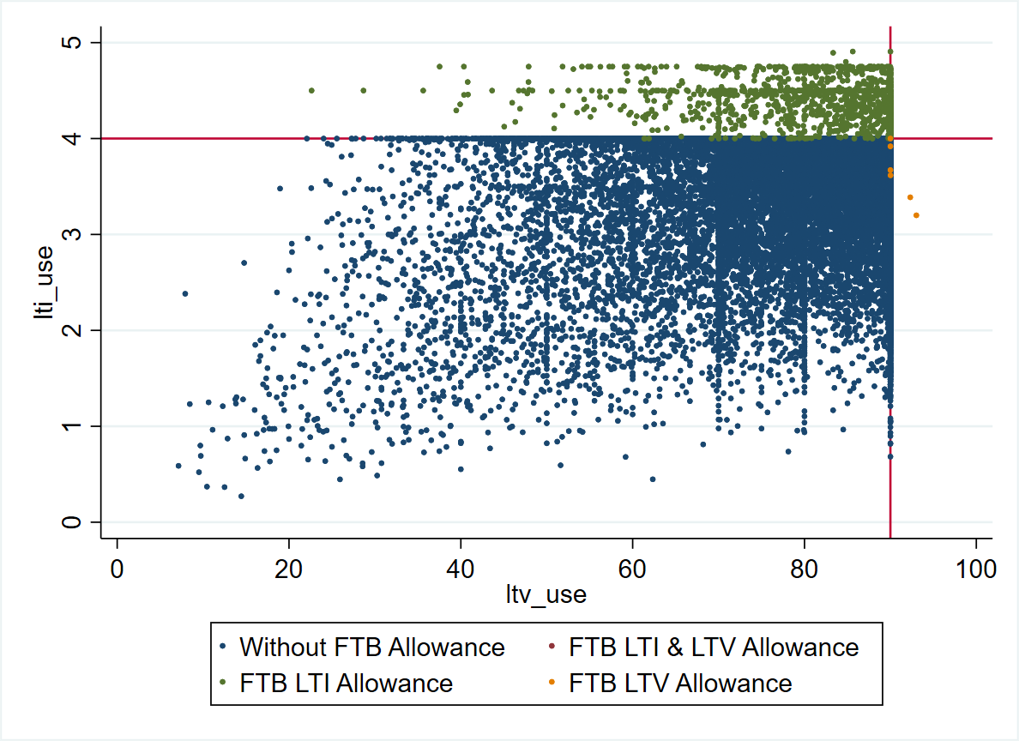
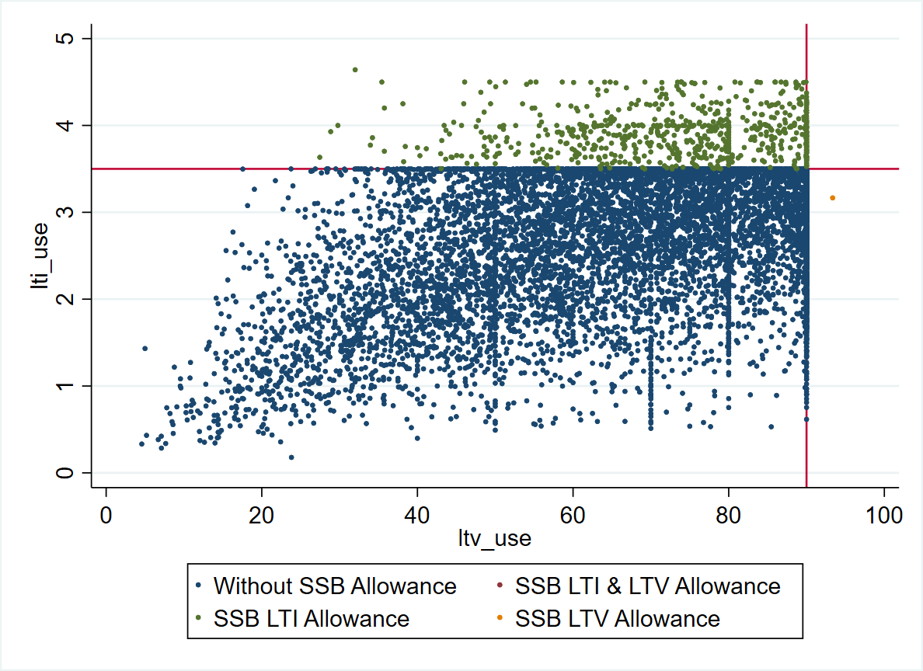

Note: Authors Calculations using Central Bank of Ireland Data. Sample used is all new in-scope property purchase/self-build loans with an allowance. LTI>5 LTV>100 removed from sample

