Trend over time in LTV and LTI
Figure 6: Trend over Time in LTI for FTBs |  |  |  |  |  |  | Figure 7: Trend over Time in LTV for FTBs |  |  |  |  |  |  | Figure 8: Trend over Time in LTI for SSBs |  |  |  |  |  |  | Figure 9: Trend over Time in LTV for SSBs

 | FTB LTI over Time |  |  |  |  | FTB LTV over Time |  |  |  |  | SSB LTI over Time |  |  |  |  | SSB LTV over Time
 | LTI FTB P10 | LTI FTB P25 | LTI FTB Median | LTI FTB P75 | LTI FTB P90 | LTV FTB P10 | LTV FTB P25 | LTV FTB Median | LTV FTB P75 | LTV FTB P90 | LTI SSB P10 | LTI SSB P25 | LTI SSB Median | LTI SSB P75 | LTI SSB P90 | LTV SSB P10 | LTV SSB P25 | LTV SSB Median | LTV SSB P75 | LTV SSB P90
2006 | 2.6 | 3.5 | 4.3 | 5.0 | 5.7 | 48 | 72 | 92 | 100 | 100 | 1.5 | 2.4 | 3.5 | 4.6 | 5.6 | 19 | 36 | 59 | 80 | 91
2007 | 2.7 | 3.6 | 4.4 | 5.2 | 5.9 | 46 | 65 | 90 | 98 | 100 | 1.5 | 2.5 | 3.6 | 4.6 | 5.6 | 20 | 38 | 62 | 81 | 92
2008 | 2.8 | 3.7 | 4.5 | 5.3 | 6.0 | 47 | 64 | 87 | 94 | 100 | 1.4 | 2.4 | 3.4 | 4.5 | 5.4 | 20 | 37 | 60 | 80 | 92
2009 | 2.7 | 3.4 | 4.2 | 5.0 | 5.6 | 49 | 66 | 81 | 92 | 92 | 1.3 | 2.1 | 3.2 | 4.2 | 5.3 | 19 | 36 | 60 | 82 | 92
2010 | 2.4 | 3.1 | 4.0 | 4.7 | 5.3 | 50 | 71 | 85 | 92 | 92 | 1.2 | 2.0 | 3.0 | 4.0 | 4.9 | 22 | 40 | 66 | 86 | 92
2011 | 2.0 | 2.6 | 3.4 | 4.2 | 4.8 | 42 | 66 | 85 | 90 | 92 | 1.1 | 1.6 | 2.3 | 3.0 | 3.7 | 20 | 38 | 63 | 84 | 92
2012 | 1.7 | 2.3 | 3.0 | 3.8 | 4.4 | 41 | 66 | 85 | 90 | 92 | 1.0 | 1.5 | 2.1 | 2.8 | 3.5 | 20 | 43 | 70 | 87 | 92
2013 | 1.5 | 2.1 | 2.8 | 3.5 | 4.0 | 43 | 65 | 83 | 90 | 92 | 1.0 | 1.5 | 2.1 | 2.8 | 3.4 | 23 | 45 | 70 | 86 | 92
2014 | 1.6 | 2.1 | 2.8 | 3.4 | 3.9 | 47 | 69 | 85 | 90 | 92 | 1.1 | 1.6 | 2.2 | 2.9 | 3.5 | 24 | 46 | 70 | 85 | 90
2015 | 1.7 | 2.3 | 2.9 | 3.5 | 3.9 | 56 | 73 | 85 | 90 | 90 | 1.1 | 1.6 | 2.3 | 2.9 | 3.4 | 30 | 48 | 67 | 80 | 85
2016 | 1.9 | 2.4 | 3.0 | 3.4 | 3.7 | 57 | 74 | 85 | 90 | 90 | 1.2 | 1.7 | 2.4 | 3.0 | 3.4 | 32 | 50 | 69 | 80 | 81
2017 | 2.0 | 2.6 | 3.2 | 3.5 | 3.9 | 59 | 75 | 86 | 90 | 90 | 1.3 | 1.9 | 2.5 | 3.1 | 3.5 | 34 | 51 | 70 | 80 | 85
2018 | 2.1 | 2.7 | 3.2 | 3.5 | 3.8 | 59 | 75 | 86 | 90 | 90 | 1.3 | 1.9 | 2.6 | 3.2 | 3.5 | 34 | 50 | 69 | 80 | 83
2019 | 2.2 | 2.7 | 3.3 | 3.5 | 3.7 | 62 | 77 | 88 | 90 | 90 | 1.3 | 1.9 | 2.6 | 3.2 | 3.5 | 35 | 52 | 70 | 80 | 84
2020 | 2.2 | 2.8 | 3.3 | 3.5 | 3.5 | 65 | 78 | 88 | 90 | 90 | 1.4 | 2.0 | 2.6 | 3.2 | 3.5 | 36 | 52 | 70 | 80 | 80
2021 | 2.3 | 2.9 | 3.3 | 3.5 | 3.6 | 62 | 76 | 86 | 90 | 90 | 1.4 | 2.0 | 2.7 | 3.2 | 3.5 | 36 | 51 | 68 | 79 | 80
2022 | 2.4 | 2.9 | 3.4 | 3.5 | 3.8 | 61 | 75 | 86 | 90 | 90 | 1.5 | 2.1 | 2.8 | 3.3 | 3.5 | 36 | 51 | 68 | 80 | 80
2023 | 2.4 | 3.0 | 3.4 | 3.8 | 4.0 | 60 | 74 | 86 | 90 | 90 | 1.5 | 2.1 | 2.8 | 3.3 | 3.5 | 36 | 51 | 68 | 80 | 90
2024 | 2.4 | 3.0 | 3.5 | 3.9 | 4.0 | 59 | 73 | 85 | 90 | 90 | 1.5 | 2.1 | 2.8 | 3.3 | 3.5 | 34 | 49 | 67 | 80 | 90
2025 H1 | 2.4 | 3.1 | 3.6 | 4.0 | 4.0 | 58 | 73 | 85 | 90 | 90 | 1.5 | 2.1 | 2.8 | 3.3 | 3.5 | 33 | 48 | 66 | 80 | 90
 | Note: Data from 2006 - 2014 covers all mortgage agreements originated by retail banks since 2006 except split mortgages. Data from 2015-2025H1 includes in-scope property purchase/self-build loans and topup/equity release loans. Data Source: Loan-Level Data (LLD) from 2006-2014 and Monitoring Templates Data (MT) from 2015-2025H1
 | Some marginal differences in this series from previously published data may arise due to enhanced processing of retrospective data from 2006-2014.

Allocation of Allowances Chart
Figure 10: Allocation of Allowances by Borrower Type, 2025 H1
First Time Buyers | Second and Subsequent Buyers
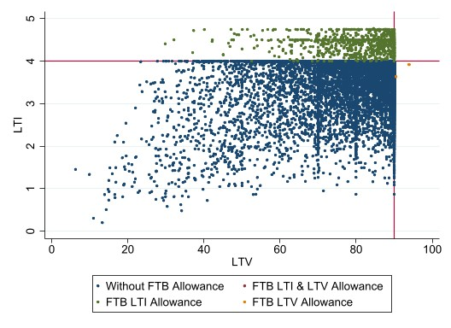
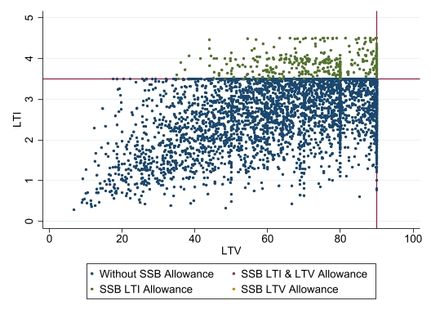

Note: Authors Calculations using Central Bank of Ireland Data. Sample used is all new in-scope property purchase/self-build loans.

