Invoice
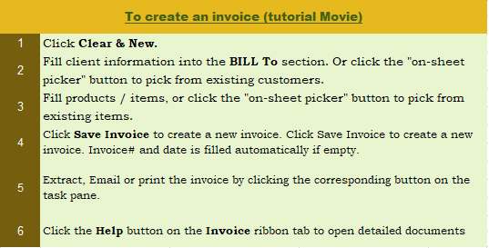
This template is the lite version of c4054. It might contains elements that are suitable for Invoice Manager only. The template integrates Invoice Manager (Lite) , so the "Auto open" option on the Invoice Manager (Lite) taskpane will not work -- i.e. the template always opens Invoice Manager (Lite).
 |  | Your Company Name |  |  |  |  | INVOICE | Current Database
 |  | Street Address |  |  |  |  |  | c4054
 |  | City, ST ZIP Code |  |  |  | DATE: |  | Invoice Status
 |  | Phone Number,Web Address, etc. |  |  |  | INVOICE #: |  | Pending

 | BILL TO |  |  |  | SHIP TO
 | Name |  |  |  | Name
 | Address |  |  |  | Address
 | City, State ZIP |  |  |  | City, State ZIP
 | Country |  |  |  | Country
 | Phone |  |  |  | Contact
 | Email
 | Client #

P.O. # |  | Sales Rep. Name |  | Ship Date | Ship Via | Terms | Due Date

Description |  |  |  |  | Quantity | Unit Price | Line Total |  | # / Taxable
Test Product 1 |  |  |  |  | 1 | 100.00 | 100.00 |  | P1000
 |  |  |  |  | 0
 |  |  |  |  | 0
 |  |  |  |  | 0
 |  |  |  |  | 0 |  |  |  |  | Need a different invoice layout? Visit our invoice template collection.
 |  |  |  |  | 0
 |  |  |  |  | 0
 |  |  |  |  | 0
 |  |  |  |  | 0
 |  |  |  |  | 0 |  |  |  |  | InvoicingTemplate.com
 |  |  |  |  | 0
 |  |  |  |  | 0
 |  |  |  |  |  | SUBTOTAL | 80.00
 |  |  | DISCOUNT PERCENTAGE | 20.00% |  | DISCOUNT (AMOUNT) | 20.00
NOTES: |  |  |  |  | PST | 8.000% | 6.40
 |  |  |  |  | GST | 6.000% | 4.80
 |  |  |  |  |  | SHIPPING & HANDLING | -
 |  |  |  |  |  | TOTAL | 91.20

THANK YOU FOR YOUR BUSINESS!

