Invoice
Netherland Sales Invoice Template 2

This template is the lite version of c5051. It might contains elements that are suitable for Invoice Manager only.
The template integrates Invoice Manager (Lite) , so the "Auto open" option on the Invoice Manager (Lite) taskpane will not work -- i.e. the template always opens Invoice Manager (Lite).
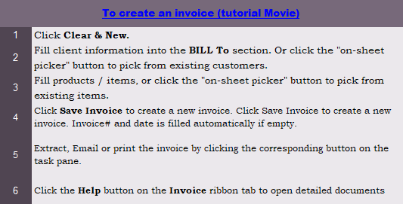
Current Database |  |  | Netherland Service Company |  |  |  |  |  | FACTUUR | Enter address in following cells when creating new customer Enter "Amsterdam 1234 AA" will display "1234 AA Amsterdam" in the BILL TO and SHIP TO sections
c5050 |  |  | Address | Bank : | xxxx.xx.xxx
Invoice Status |  |  | xxxx xx City | BTW : | xxxxxxxxxxxx |  | Datum :
Pending |  |  | Web address | KVK : | xxxxxxxx |  | Factuur :

 |  | Factuuradres
 |  |  |  |  |  |  |  |  |  | BILL TO
 |  |  |  |  |  |  |  |  |  | SHIP TO

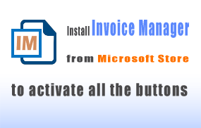

 |  |  |  |  |  |  |  |  |  | DON'T MODIFY THE FOLLOWING
 |  |  |  |  |  |  |  |  |  | New CITY, ST ZIP - for display only
 |  | Order # | Contact persoon |  | Verzend datum | Verzender |  | Bet. termijn | Te voldoen op | BILL TO | #VALUE!
 |  |  |  |  |  |  |  |  |  | SHIP TO | #VALUE!

 | Item | # / Taxable | Omschrijving |  |  | Aantal |  | Prijs | Totaal |  | Maat

 |  |  |  |  |  | 0
 |  |  |  |  |  | 0
 |  |  |  |  |  | 0
 |  |  |  |  |  | 0
 |  |  |  |  |  | 0
 |  |  |  |  |  | 0
 |  |  |  |  |  | 0
 |  |  |  |  |  | 0
 |  |  |  |  |  | 0
 |  |  |  |  |  | 0
 |  |  |  |  |  | 0
 |  |  |  |  |  |  |  | SUBTOTAL | -
 |  |  |  |  |  |  | BTW | 19.00% | - | Need a different invoice layout? Visit our invoice template collection.
 |  | Betaling te voldoen binnen de hierboven gestelde betalingstermijn |  |  |  |  |  | Verzendkosten | -
 |  |  |  |  |  |  |  | TOTAAL | -
 |  |  |  |  |  |  |  | Reeds voldaan | -
 |  |  |  |  |  |  |  | TOTAAL TE VOLDOEN | - | InvoicingTemplates.com

 |  | SAMPLE WEAR COMPANY - THANK YOU FOR YOUR BUSINESS

