Invoice
Simple Welding Invoice Template

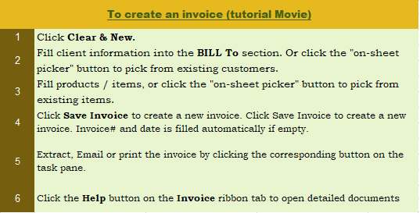
This template is the lite version of c5064. It might contains elements that are suitable for Invoice Manager only.
The template integrates Invoice Manager (Lite) , so the "Auto open" option on the Invoice Manager (Lite) taskpane will not work -- i.e. the template always opens Invoice Manager (Lite).
Current Database |  |  | Welding Business Name |  |  |  |  | INVOICE
c5064 |  |  | Street Address
Invoice Status |  |  | City, ST ZIP Code |  |  |  | DATE:
Pending |  |  | Phone Number,Web Address, etc. |  |  |  | INVOICE #:

 |  | Bill To:



 |  | P.O. # | Sales Rep. Name | Terms |  |  | Due Date

# | Taxable | Unit | Description |  | Qty |  | Unit Price | Line Total
 |  |  |  |  | 0
 |  |  |  |  | 0
 |  |  |  |  | 0
 |  |  |  |  | 0
 |  |  |  |  | 0 |  |  |  | Need a different invoice layout? Visit our invoice template collection.
 |  |  |  |  | 0
 |  |  |  |  | 0
 |  |  |  |  | 0
 |  |  |  |  | 0
 |  |  |  |  | 0 |  |  |  | InvoicingTemplates.com
 |  |  |  |  | 0
 |  |  |  |  | 0
 |  |  |  |  |  |  | SUBTOTAL | -
 |  |  |  |  |  | TAX | 8.000% | -
 |  | NOTES: |  |  |  |  | OTHER | -
 |  |  |  |  |  |  | TOTAL | -
 |  |  |  |  |  |  | PAID | -
 |  |  |  |  |  |  | TOTAL DUE | -

 |  | THANK YOU FOR YOUR BUSINESS!

