Invoice
Basic Sales Invoice Template in French
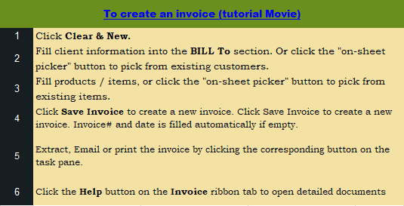
This template is the lite version of c5065. It might contains elements that are suitable for Invoice Manager only.
The template integrates Invoice Manager (Lite) , so the "Auto open" option on the Invoice Manager (Lite) taskpane will not work -- i.e. the template always opens Invoice Manager (Lite).
Current Database |  |  | Company / Business Name |  |  |  | FACTURE/ INVOICE
c5065 |  |  | address
Invoice Status |  |  | city state zip |  |  | DATE:
Pending |  |  | phone, fax |  |  | FACTURE/ INVOICE #:
 |  |  | web address, email

 |  | Vendu à/Bill To: |  |  | Expédié à/ Ship To:




 | Taxable | # | Description | Qté/Qty |  | Prix/Price | Total
 |  |  |  | 0
 |  |  |  | 0
 |  |  |  | 0
 |  |  |  | 0
 |  |  |  | 0
 |  |  |  | 0 |  |  |  | Need a different invoice layout? Visit our invoice template collection.
 |  |  |  | 0
 |  |  |  | 0
 |  |  |  | 0
 |  |  |  | 0
 |  |  |  | 0 |  |  |  | InvoicingTemplates.com
 |  |  |  | 0
 |  |  |  |  |  | Sous-Total/ Sub-Total | -
 |  |  |  |  | TPS/GST # xxxxxxx | 5.000% | -
 |  |  |  |  | TVQ/QST # xxxxxxx | 9.975% | -
 |  | NOTES: |  |  |  | Surcharge | -
 |  |  |  |  |  | TOTAL | -
 |  |  |  |  |  | Payé/ Paid | -
 |  |  |  |  |  | Montant Dû/ Total Due | -

 |  | MERCI/ THANK YOU

