Invoice
This template is the lite version of c3012. It might contains elements that are suitable for Invoice Manager only. The template integrates Invoice Manager (Lite) , so the "Auto open" option on the Invoice Manager (Lite) taskpane will not work -- i.e. the template always opens Invoice Manager (Lite).
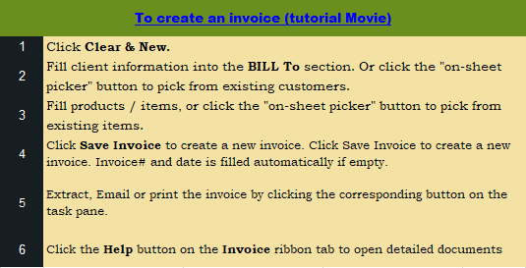
Current Database |  | Freelance Writer Name
c3012 |  | Address
Invoice Status |  | City, State ZIP
 |  | Phone, Web site
Pending

Cust #
 |  | BILL TO |  | INVOICE #
 | Name
 | Address |  |  | DATE
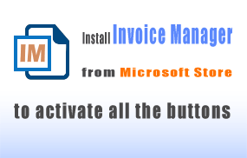

 | City ST Zip
 | Country |  |  | DUE DATE
 | Phone.

Product ID | Taxable | DETAIL |  | DATE | AMOUNT
 |  | 1 |  |  | 10.00
 |  |  |  | 0
 |  |  |  | 0
 |  |  |  | 0
 |  |  |  | 0
 |  |  |  | 0 |  | Need a different invoice layout? Visit our invoice template collection.
 |  |  |  | 0
 |  |  |  | 0
 |  |  |  | 0 |  | InvoicingTemplates.com
 |  |  |  | 0
 |  | B/N: xxxxx xxxx |  | SUBTOTAL | 10.00
 |  | Cheque may be payble to COMPANY NAME | TAX | 8.00% | 0.80
 |  | We appreciate your propmpt processing of our invoice |  | TOTAL | 10.80

 |  | Thank you for your business.

