Invoice
This template is the lite version of c3024. It might contains elements that are suitable for Invoice Manager only. The template integrates Invoice Manager (Lite) , so the "Auto open" option on the Invoice Manager (Lite) taskpane will not work -- i.e. the template always opens Invoice Manager (Lite).
 |  |  |  |  | Phone Number,Web Address, etc.
Business Name |  |  | CONTRACTOR INVOICE |  |  | Current Database
Street Address |  |  |  |  |  | c3024 | not used cells
City, ST ZIP Code |  |  |  |  |  | Invoice Status | P.O. # | Sales Rep. Name |  | Ship Date | Ship Via | Terms | Due Date
 |  |  |  |  |  | Pending |  |  |  | 2015-10-18
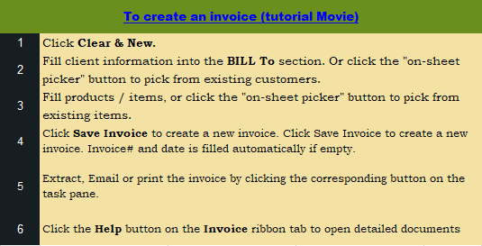
DATE: |  |  |  | INVOICE #:

CONTRACTOR |  |  | CLIENT (Project Address)
 | Name | <Bill To Name> | Name
 | Address | <Bill To Address> | Address
 | City, State ZIP | <Bill To City, State, ZIP> | City, State ZIP
 | Phone |  | Contact
 | Email
 | Contractor # |  |  |  |  |  |  |  | DON'T DELETE THE FOLLOWING CELLS
 |  |  |  |  |  |  |  |  |  | SUBTOTAL | 22,500.00
SERVICES



DATE |  | DETAILS |  |  | AMOUNT |  |  |  |  | SHIPPING & HANDLING | -
15-Aug-18 |  | Wallboard |  |  | 1,000.00
16-Aug-18 |  | Fibreboard |  |  | 500.00
17-Aug-18 |  | Cement board |  |  | 20,000.00
18-Aug-18 |  | Coverage |  |  | 1,000.00 |  |  |  |  | TOTAL DUE | 24,300.00
 |  |  |  |  |  |  |  |  |  | PAYMENTS | -
 |  |  |  |  |  |  |  |  | itemdate | detail | linetotal/amount
 |  |  | TAX 1 | 8.000% | 1,800.00 |  |  |  |  |  | 0
 |  |  |  | AMOUNT | 24300 |  |  |  |  |  | 0
 |  |  |  |  |  |  |  |  |  |  | 0
EXPENSES |  |  |  |  |  |  |  |  |  |  | 0
 |  |  |  |  |  |  |  |  |  |  | 0
DATE |  | DETAIL |  |  | AMOUNT |  |  |  |  |  | 0

 |  |  |  |  |  | Need a different invoice layout? Visit our invoice template collection. |  |  | NOTES:

 |  |  | TAX 2 | 6.00% | 0
 |  |  |  | AMOUNT | 0 | InvoicingTemplates.com

INVOICE TOTAL
 |  |  | TOTAL AMOUNT PAYABLE |  | 24300

THANK YOU FOR YOUR BUSINESS!

