Invoice
 |  |  |  |  |  |  |  | Current Database | c4038 | Invoice Status | Pending
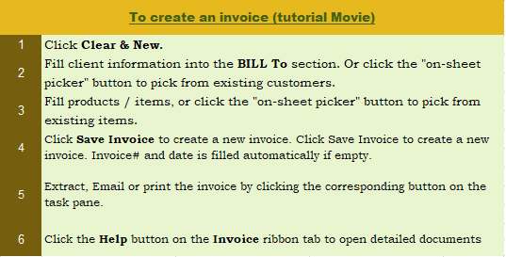


This template is the lite version of c4038. It might contains elements that are suitable for Invoice Manager only. The template integrates Invoice Manager (Lite) , so the "Auto open" option on the Invoice Manager (Lite) taskpane will not work -- i.e. the template always opens Invoice Manager (Lite).
 |  | New Zealand Tax Invoice Template |  |  |  | TAX INVOICE
 |  | Street Address
 |  | City, ST ZIP Code |  |  | DATE:
 |  | Phone Number,Web Address, etc. |  |  | INVOICE #:
 |  | GST Number

 | BILL TO |  |  | SHIP TO
 | Name |  |  | Name
 | Address |  |  | Address
 | City, State ZIP |  |  | City, State ZIP
 | Phone |  |  | Contact
 | Email
 | Client #

P.O. # |  | Sales Rep. Name | Ship Date | Ship Via | Terms | Due Date

Description |  |  |  | Quantity | Unit Price | Taxable / Line Total | Item #
 |  |  |  | 1 | 2.00 | 2.00
 |  |  |  | 0
 |  |  |  | 0
 |  |  |  | 0
 |  |  |  | 0
 |  |  |  | 0
 |  |  |  | 0
 |  |  |  | 0
 |  |  |  | 0
 |  |  |  | 0
 |  |  |  | 0
 |  |  |  | 0
 |  |  |  |  | SUBTOTAL | 2.00 | PAID | -
NOTES: |  |  |  | GST | 15.000% | 0.30 | TOTAL DUE | 2.30
 |  |  |  |  | SHIPPING & HANDLING | -
 |  |  |  |  | TOTAL | 2.30

THANK YOU FOR YOUR BUSINESS!

