Invoice
 |  |  |  |  |  |  |  |  |  |  |  |  | Mixed Tax Rates (5 Columns)c5034 - 205, Murfreesboro, Tennessee, 131947, 108755, 7001213249965518830?+21.32%, 55.9 sq mi, 144.8 km2, 2,360/sq mi, 910/km2, 35°51′08″N 86°24′58″W? / ?35.8522°N 86.4160°W? / 35.8522; -86.4160? (Murfreesboro)
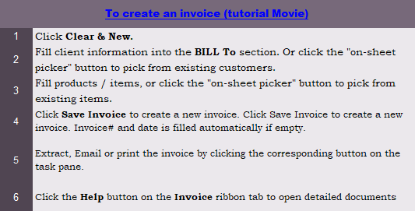
This template is the lite version of c5034. It might contains elements that are suitable for Invoice Manager only. The template integrates Invoice Manager (Lite) , so the "Auto open" option on the Invoice Manager (Lite) taskpane will not work -- i.e. the template always opens Invoice Manager (Lite).
Current Database |  | Your Company Name |  |  |  |  |  |  | INVOICE
c5034 |  | Street Address |  |  |  |  |  | DATE:
Invoice Status |  | City, ST ZIP Code |  |  |  |  |  | INVOICE #:
Pending |  | Phone Number,Web Address, etc. |  |  |  |  |  | CLIENT#:

 |  | Bill To: |  |  |  | Ship To:
 |  |  | Name |  |  |  | Name
 |  |  | Address |  |  |  | Address
 |  |  | City, ST ZIP |  |  |  | City, ST ZIP
 |  |  | Country |  |  |  | Country
 |  |  | Phone |  |  |  | Contact

 |  | P.O. # |  | Sales Rep. Name | Ship Date | Ship Via |  | Terms | Due Date

 | Taxable | Item ID |  | Description |  | Quantity |  | Unit Price | Line Total | Item Type | Applied Tax Rate
 |  |  |  | Moving the "item Type" and "Applied Tax Rate" |  | 1 |  | 100.00 | 100.00 | Labor | 13.50%
 |  |  |  | out of the printable area gives the Description |  | 2 |  | 200.00 | 400.00 | General | 21.00%
 |  |  |  | column more space. |  | 3 |  | 300.00 | 900.00 | General | 21.00% | 0
 |  |  |  | See the similar template c5035 |  | 1 |  | 400.00 | 400.00 | Labor | 13.50%
 |  |  |  |  |  | 0 |  |  |  |  | 0.00%
 |  |  |  |  |  | 0 |  |  |  |  | 0.00%
 |  |  |  |  |  | 0 |  |  |  |  | 0.00%
 |  |  |  |  |  | 0 |  |  |  |  | 0.00%
 |  |  |  |  |  | 0 |  |  |  |  | 0.00%
 |  |  |  |  |  | 0 |  |  |  |  | 0.00%
 |  |  |  |  |  | 0 |  |  |  |  | 0.00%
 |  |  |  |  |  | 0 |  |  |  |  | 0.00%


 |  |  |  |  |  |  |  | SUBTOTAL | 1,800.00
 |  |  |  |  | TAX |  | General | 21.00% | 273.00
 |  |  |  |  |  |  | Labor | 13.50% | 67.50
 |  | Notes: |  |  |  |  |  | SHIPPING & HANDLING | -
 |  |  |  |  |  |  |  | TOTAL | 2,140.50
 |  |  |  |  |  |  |  | PAID | -
 |  |  |  |  |  |  |  | TOTAL DUE | 2,140.50

 |  | THANK YOU FOR YOUR BUSINESS!

