Invoice
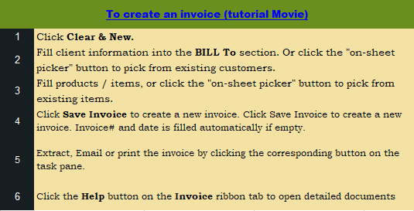
This template is the lite version of c6008. It might contains elements that are suitable for Invoice Manager only.
The template integrates Invoice Manager (Lite) , so the "Auto open" option on the Invoice Manager (Lite) taskpane will not work -- i.e. the template always opens Invoice Manager (Lite).
Current Database |  |  |  |  | Your sales company name |  |  |  |  |  | VAT INVOICE
c6008 |  |  |  |  | Address
Invoice Status |  |  |  |  | City, State ZIP |  |  |  | DATE:
Pending |  |  |  |  | Phone |  |  |  | INVOICE:

 |  | BILL TO: | (#) |  |  |  |  |  | Ship To:
 |  |  | Name |  |  |  |  | Name
 |  |  | Address |  |  |  |  | Address
 |  |  | City, ST ZIP |  |  |  |  | City, ST ZIP
 |  |  | Country |  |  |  |  | Country
 |  |  | Phone |  |  |  |  | Contact
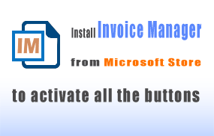

 |  | P.O. |  | Sales |  | Despatch | Method |  | Terms | Due Date

Product | Tax Select | DESCRIPTION |  |  |  | PRICE (ex VAT) | QTY |  | TOTAL (NET) | VAT | TOTAL (VAT) | #
 |  |  |  |  |  | 0 | 0.00 |  |  |  |  | 1
 |  |  |  |  |  | 0 | 0.00 |  |  |  |  | 2
 |  |  |  |  |  | 0 | 0.00 |  |  |  |  | 3
 |  |  |  |  |  | 0 | 0.00 |  |  |  |  | 4
 |  |  |  |  |  | 0 | 0.00 |  |  |  |  | 5
 |  |  |  |  |  | 0 | 0.00 |  |  |  |  | 6
 |  |  |  |  |  | 0 | 0.00 |  |  |  |  | 7
 |  |  |  |  |  | 0 | 0.00 |  |  |  |  | 8
 |  |  |  |  |  | 0 | 0.00 |  |  |  |  | 9
 |  |  |  |  |  | 0 | 0.00 |  |  |  |  | 10
 |  |  |  |  |  | 0 | 0.00 |  |  |  |  | 11
 |  |  |  |  |  | 0 | 0.00 |  |  |  |  | 12
 |  |  |  |  |  | 0 | 0.00 |  |  |  |  | 13
 |  |  |  |  |  | 0 | 0.00 |  |  |  |  | 14
 |  |  |  |  |  | 0 | 0.00 |  |  |  |  | 15
 |  |  |  |  |  | 0 | 0.00 |  |  |  |  | 16
 |  |  |  |  |  | 0 | 0.00 |  |  |  |  | 17
 |  |  |  |  |  | 0 | 0.00 |  |  |  |  | 18
 |  |  |  |  |  |  |  |  | NET TOTAL |  | -
 |  |  |  |  |  |  |  |  | Delivery Charge |  | -
Template ID |  |  |  |  |  |  |  | VAT | 17.50% |  | -
C6-008 |  |  |  |  |  |  |  |  | TOTAL |  | -
 |  |  |  |  |  |  |  |  | PAID |  | -
 |  |  |  |  |  |  |  |  | TOTAL DUE |  | -

 |  | your web site, email, phone numbers
 |  | your vat reg#

