Invoice
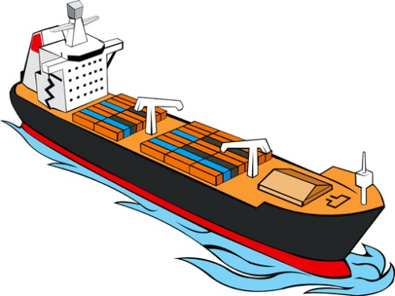
This template is the lite version of c6031. It might contains elements that are suitable for Invoice Manager only. The template integrates Invoice Manager (Lite) , so the "Auto open" option on the Invoice Manager (Lite) taskpane will not work -- i.e. the template always opens Invoice Manager (Lite).
 |  |  |  |  |  |  |  |  |  |  | To create an invoice (tutorial Movie)
Current Database |  |  |  |  |  |  | FREIGHT INVOICE
c6031 |  |  |  |  |  |  |  |  |  | Freight Business Name | 1 | Click Clear & New.
Invoice Status |  |  |  |  |  |  |  |  |  | Your company address | 2 | Fill client information into the BILL To section. Or click the "on-sheet picker" button to pick from existing customers.
Pending |  |  |  |  |  |  |  |  |  | Your company city, ST ZIP
 |  |  |  |  |  |  |  |  |  | Your company contact info. | 3 | Fill products / items, or click the "on-sheet picker" button to pick from existing items.
 |  |  |  |  |  |  |  |  |  | VAT registration number (if VAT registered)
 |  | INVOICE # |  |  |  | DATE

 |  | BILL TO: |  |  |  |  | SHIP TO: |  |  |  | 4 | Click Save Invoice to create a new invoice.
 |  |  | # |  |  |  | Name
 |  |  | Name |  |  |  | Address |  |  |  | 5 | Extract, Email or print the invoice by clicking the corresponding button on the task pane.
 |  |  | Address |  |  |  | City, ST ZIP
 |  |  | City, ST ZIP |  |  |  | Country
 |  |  | Country |  |  |  | Contact |  |  |  | 6 | Click the Help button on the Invoice ribbon tab to open detailed documents
 |  |  | Phone
 |  |  | VAT #

 |  | P.O. # |  | Sales Rep. Name | Ship Date | Ship Via |  | Terms | Due Date
 |  |  |  |  |  |  |  |  |  |  | DON'T DELETE THE FOLLOWING

# | Taxable | Product ID |  | Description |  |  | Tax Rate | Unit Price | Quantity | Line Total | Tax Category | Product Cat. | Tax
1 |  |  |  |  |  |  | 0.00% |  | 0 |  |  |  | 0
2 |  |  |  |  |  |  | 0.00% |  | 0 |  |  |  | 0
3 |  |  |  |  |  |  | 0.00% |  | 0 |  |  |  | 0
4 |  |  |  |  |  |  | 0.00% |  | 0 |  |  |  | 0
5 |  |  |  |  |  |  | 0.00% |  | 0 |  |  |  | 0
6 |  |  |  |  |  |  | 0.00% |  | 0 |  |  |  | 0
7 |  |  |  |  |  |  | 0.00% |  | 0 |  |  |  | 0
8 |  |  |  |  |  |  | 0.00% |  | 0 |  |  |  | 0
9 |  |  |  |  |  |  | 0.00% |  | 0 |  |  |  | 0
10 |  |  |  |  |  |  | 0.00% |  | 0 |  |  |  | 0
11 |  |  |  |  |  |  | 0.00% |  | 0 |  |  |  | 0
12 |  |  |  |  |  |  | 0.00% |  | 0 |  |  |  | 0
 |  |  |  |  |  |  |  |  | SUBTOTAL | -
 |  |  |  |  |  |  |  |  | VAT (6%) | - | VAT1 | 6.00% | <-- VAT Table: the AppliedTaxRate column
 |  |  |  |  |  |  |  |  | VAT (19%) | - | VAT2 | 19.00% | finds the actual taxrate from the table


 |  | Notes: |  |  |  |  |  |  | SHIPPING & HANDLING | -
 |  |  |  |  |  |  |  |  | TOTAL | -
 |  |  |  |  |  |  |  |  | PAID | -
 |  |  |  |  |  |  |  |  | TOTAL DUE | -

 |  | THANK YOU FOR YOUR BUSINESS!

