Invoice
 |  |  |  |  |  |  |  |  |  |  |  |  |  |  |  | Australian GST Invoice Templatec7018 - 32, Albuquerque, New Mexico, 559277, 545852, 7000245945787502840?+2.46%, 188.2 sq mi, 487.4 km2, 2,972/sq mi, 1,147/km2, 35°06′20″N 106°38′51″W? / ?35.1056°N 106.6474°W? / 35.1056; -106.6474? (Albuquerque)
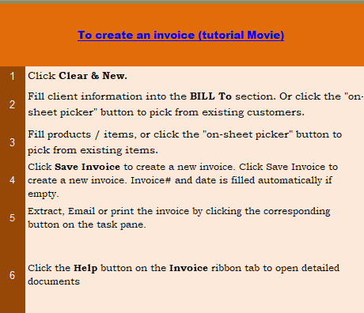
This template is the lite version of c7018. It might contains elements that are suitable for Invoice Manager only. The template integrates Invoice Manager (Lite) , so the "Auto open" option on the Invoice Manager (Lite) taskpane will not work -- i.e. the template always opens Invoice Manager (Lite).
Current Database |  |  |  |  | Your company name |  |  |  |  |  |  | TAX INVOICE
c7018 |  |  |  |  | Address
Invoice Status |  |  |  |  | City, State ZIP |  |  |  |  | DATE: | 2018-02-02
Pending |  |  |  |  | Phone |  |  |  |  | INVOICE:

 |  | BILL TO: | (#) |  |  |  |  |  |  | Ship To:
 |  |  | Name |  |  |  |  |  | Name
 |  |  | Address |  |  |  |  |  | Address
 |  |  | City, ST ZIP |  |  |  |  |  | City, ST ZIP
 |  |  | Country |  |  |  |  |  | Country
 |  |  | Phone |  |  |  |  |  | Contact

 |  | P.O. |  | Sales |  | Despatch |  | Method |  | Terms | Due Date
 |  |  |  | Sales1 |  | 2018-02-02 |  | UPS |  | Net 60

# | Tax Select | DESCRIPTION |  |  |  | ITEM No. | PRICE (excl GST) | QTY |  | SUB TOTAL (excl GST) | GST AMOUNT | AMOUNT PAYABLE (incl GST) | #


1 |  |  |  |  |  |  | 0 | 0.00 |  |  |  |  | 1
2 |  |  |  |  |  |  | 0 | 0.00 |  |  |  |  | 2
3 |  |  |  |  |  |  | 0 | 0.00 |  |  |  |  | 3
4 |  |  |  |  |  |  | 0 | 0.00 |  |  |  |  | 4
5 |  |  |  |  |  |  | 0 | 0.00 |  |  |  |  | 5
6 |  |  |  |  |  |  | 0 | 0.00 |  |  |  |  | 6
7 |  |  |  |  |  |  | 0 | 0.00 |  |  |  |  | 7
8 |  |  |  |  |  |  | 0 | 0.00 |  |  |  |  | 8
9 |  |  |  |  |  |  | 0 | 0.00 |  |  |  |  | 9
10 |  |  |  |  |  |  | 0 | 0.00 |  |  |  |  | 10
11 |  |  |  |  |  |  | 0 | 0.00 |  |  |  |  | 11
12 |  |  |  |  |  |  | 0 | 0.00 |  |  |  |  | 12
13 |  |  |  |  |  |  | 0 | 0.00 |  |  |  |  | 13
14 |  |  |  |  |  |  | 0 | 0.00 |  |  |  |  | 14
15 |  |  |  |  |  |  | 0 | 0.00 |  |  |  |  | 15
16 |  |  |  |  |  |  | 0 | 0.00 |  |  |  |  | 16
17 |  |  |  |  |  |  | 0 | 0.00 |  |  |  |  | 17
 |  | TOTAL
 |  |  |  |  |  |  |  |  |  |  | TOTAL (excl GST) | - |  | PAID | -
 |  |  |  |  |  |  |  |  |  |  | Delivery Charge | - |  | TOTAL DUE | -
 |  |  |  |  |  |  |  |  |  | GST | 17.50% | -
 |  |  |  |  |  |  |  |  |  |  | TOTAL AMOUNT PAYABLE (incl GST) | -

 |  | your web site, email, phone numbers
 |  | your ABN #

