Invoice
 |  |  |  |  |  |  |  |  |  |  | Medical Invoice Template (1)c7009 - 23, Detroit, Michigan, 672795, 713777, 2999425843085445450??5.74%, 138.8 sq mi, 359.5 km2, 4,847/sq mi, 1,871/km2, 42°22′59″N 83°06′08″W? / ?42.3830°N 83.1022°W? / 42.3830; -83.1022? (18 Detroit)
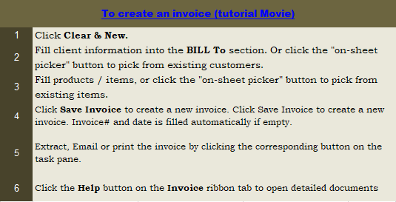
This template is the lite version of c7041. It might contains elements that are suitable for Invoice Manager only. The template integrates Invoice Manager (Lite) , so the "Auto open" option on the Invoice Manager (Lite) taskpane will not work -- i.e. the template always opens Invoice Manager (Lite).
Current Database |  | DR. ABC CLINIC
c7041 |  | Address |  |  |  | City, State ZIP
Invoice Status |  | Phone#, web address
Pending

 |  |  | Account #
 |  |  | Name |  |  |  |  | DATE:
 |  |  | Address |  |  |  |  | INVOICE #:
 |  |  | City, ST ZIP
 |  |  | Email


 |  |  | Phone

 | # | Dt of Service |  | Description | Total Fee | Co-Pay | Ins Reim |  | Adj | Balance (PR)
 | p1
 | p2
 | p3
 | p4
 | p5
 | p6
 | p7
 | p8
 | p9
 | p10
 | p11
 | p12
 |  |  |  |  |  |  |  |  |  | 12.00
 |  |  |  |  |  |  |  |  | TOTAL | -
 |  | PAYMENT TERMS: NET 30 DAYS
 |  | PAYABLE BY CASH, CHECK, VISA OR MASTERCARD

 |  | PLEASE RETURN THIS PART WITH YOUR CHECK MADE PAYABLE TO DR. xxx

 |  |  | Account No: |  | 0
 |  |  | Invoice Date: |  | 0
 |  |  | Balance: |  | 0

 |  |  |  | Amount Enclosed:

 |  | ( ) PLEASE CHECK HERE TO CHANGE ADDRESS AND PRINT CHANGES ABOVE

 |  | Thank you!

