Invoice
This template is the lite version of c8005. It might contains elements that are suitable for Invoice Manager only.
The template integrates Invoice Manager (Lite) , so the "Auto open" option on the Invoice Manager (Lite) taskpane will not work -- i.e. the template always opens Invoice Manager (Lite).
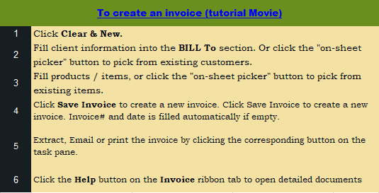
 | Your Photography Business Name |  |  |  |  |  | PHOTOGRAPHY INVOICE | Current Database
 | Street Address |  |  |  |  |  |  | c8005
 | City, ST ZIP Code |  |  |  | DATE: |  |  | Invoice Status
 | Phone Number,Web Address, etc. |  |  |  | INVOICE #: |  |  | Pending

BILL TO
Name |  |  |  | Client #
Address |  |  |  | Phone & Mobile
City, State ZIP |  |  |  | Email

IMAGES PURCHASED
ROLL | DIMENSIONS | GLOSSY / MATTE | COLOR / B&W | # in ROLL | DOUBLES? | CD? | LINE TOTAL |  | Item#
 |  |  |  | 0
 |  |  |  | 0
 |  |  |  | 0
 |  |  |  | 0
 |  |  |  | 0
 |  |  |  | 0
 |  |  |  | 0
 |  |  |  | 0
 |  |  |  | 0
 |  |  |  | 0
 |  |  |  | 0
 |  |  |  | 0
 |  |  |  | 0
 |  |  |  | 0
 |  |  |  | 0
 |  |  |  | 0
 |  |  |  | 0
 |  |  |  | 0
 |  |  |  |  |  | SUBTOTAL | -
 |  |  |  |  | Tax | 8.000% | - |  | Need a different invoice layout? Visit our invoice template collection.
NOTES: |  |  |  |  |  | SHIPPING & HANDLING | -
 |  |  |  |  |  | TOTAL | -
 |  |  |  |  |  | PAID | -
 |  |  |  |  |  | TOTAL DUE | - |  | InvoicingTemplates.com

THANK YOU FOR YOUR BUSINESS!

