Material(case1)
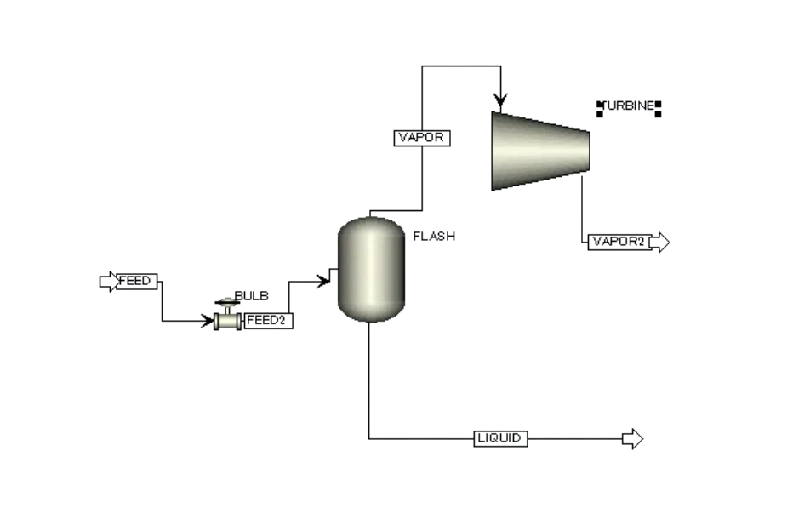
Material
Stream Name | Units | FEED | FEED2 | LIQUID | VAPOR | VAPOR2
From |  |  | BULB | FLASH | FLASH | TURBINE
To |  | BULB | FLASH |  | TURBINE
Stream Class |  | CONVEN | CONVEN | CONVEN | CONVEN | CONVEN
MIXED Substream
Phase |  | Liquid | Mixed | Liquid | Vapor | Mixed
Temperature | C | 280 | 167.749 | 167.749 | 167.749 | 99.8843
Pressure | MPa | 50 | 0.75 | 0.75 | 0.75 | 0.101
Mass Vapor Fraction |  | 0 | 0.253186 | 0 | 1 | 0.888936
Mass Liquid Fraction |  | 1 | 0.746814 | 1 | 0 | 0.111064
Mass Solid Fraction |  | 0 | 0 | 0 | 0 | 0
Mass Enthalpy | kJ/kg | -14741 | -14741 | -15261.7 | -13205.3 | -13546.2
Mass Entropy | cal/gm-K | -1.5461 | -1.48743 | -1.76949 | -0.655478 | -0.655478
Mass Density | gm/cc | 0.804485 | 0.0152619 | 0.899742 | 0.00391368 | 0.00067026

 |  |  | H3-H4 | 340.9
 |  |  | m3 | 134188.58
 |  |  | w_ideal | 12707 | kw
 |  |  | w_actual | 10166 | kw |  | z

sencitivity
VARY 1 | #NAME? | VARY 1 | #NAME?
BULB |  | BULB
PARAM |  | PARAM
P-OUT |  | P-OUT
MPA |  | MPA
0.101 | 0 | 1 | 10632.8
0.40301 | 8118.39 | 1.00606 | 10638.8
0.70502 | 10021.2 | 1.01212 | 10644.6
1.00703 | 10639.7 | 1.01818 | 10650.1
1.30904 | 10728.2 | 1.02424 | 10655.5
1.61105 | 10538.3 | 1.0303 | 10660.7
1.91306 | 10181.6 | 1.03636 | 10665.7
2.21507 | 9716.23 | 1.04242 | 10670.5
2.51708 | 9175.38 | 1.04848 | 10675.1
2.81909 | 8579.63 | 1.05455 | 10679.6
3.1211 | 7942.32 | 1.06061 | 10683.8
3.42311 | 7272.44 | 1.06667 | 10687.9
3.72512 | 6576.24 | 1.07273 | 10691.8
4.02713 | 5858.17 | 1.07879 | 10695.5
4.32914 | 5121.4 | 1.08485 | 10699.1
4.63115 | 4368.26 | 1.09091 | 10702.5
4.93316 | 3600.42 | 1.09697 | 10705.7
5.23517 | 2819.1 | 1.10303 | 10708.8
5.53718 | 2025.16 | 1.10909 | 10711.7
5.83919 | 1219.18 | 1.11515 | 10714.4
6.1412 | 401.518 | 1.12121 | 10717
6.44321 | 401.518 | 1.12727 | 10719.4
6.74522 | 401.518 | 1.13333 | 10721.7
7.04723 | 401.518 | 1.13939 | 10723.8
7.34924 | 401.518 | 1.14545 | 10725.8
7.65125 | 401.518 | 1.15152 | 10727.6
7.95326 | 401.518 | 1.15758 | 10729.3
8.25527 | 401.518 | 1.16364 | 10730.8
8.55728 | 401.518 | 1.1697 | 10732.2
8.85929 | 401.518 | 1.17576 | 10733.4
9.1613 | 401.518 | 1.18182 | 10734.5
9.46331 | 401.518 | 1.18788 | 10735.5
9.76532 | 401.518 | 1.19394 | 10736.3
10.0673 | 401.518 | 1.2 | 10737
10.3693 | 401.518 | 1.20606 | 10737.6
10.6714 | 401.518 | 1.21212 | 10738
10.9734 | 401.518 | 1.21818 | 10738.3
11.2754 | 401.518 | 1.22424 | 10738.5
11.5774 | 401.518 | 1.2303 | 10738.5
11.8794 | 401.518 | 1.23636 | 10738.4
12.1814 | 401.518 | 1.24242 | 10738.2
12.4834 | 401.518 | 1.24848 | 10737.9
12.7854 | 401.518 | 1.25455 | 10737.4
13.0874 | 401.518 | 1.26061 | 10736.9
13.3894 | 401.518 | 1.26667 | 10736.2
13.6915 | 401.518 | 1.27273 | 10735.4
13.9935 | 401.518 | 1.27879 | 10734.5
14.2955 | 401.518 | 1.28485 | 10733.4
14.5975 | 401.518 | 1.29091 | 10732.3
14.8995 | 401.518 | 1.29697 | 10731
15.2015 | 401.518 | 1.30303 | 10729.6
15.5035 | 401.518 | 1.30909 | 10728.2
15.8055 | 401.518 | 1.31515 | 10726.6
16.1075 | 401.518 | 1.32121 | 10724.9
16.4095 | 401.518 | 1.32727 | 10723.1
16.7116 | 401.518 | 1.33333 | 10721.2
17.0136 | 401.518 | 1.33939 | 10719.2
17.3156 | 401.518 | 1.34545 | 10717.1
17.6176 | 401.518 | 1.35152 | 10714.8
17.9196 | 401.518 | 1.35758 | 10712.5
18.2216 | 401.518 | 1.36364 | 10710.1
18.5236 | 401.518 | 1.3697 | 10707.6
18.8256 | 401.518 | 1.37576 | 10705
19.1276 | 401.518 | 1.38182 | 10702.3
19.4296 | 401.518 | 1.38788 | 10699.5
19.7317 | 401.518 | 1.39394 | 10696.6
20.0337 | 401.518 | 1.4 | 10693.6
20.3357 | 401.518 | 1.40606 | 10690.5
20.6377 | 401.518 | 1.41212 | 10687.4
20.9397 | 401.518 | 1.41818 | 10684.1
21.2417 | 401.518 | 1.42424 | 10680.8
21.5437 | 401.518 | 1.4303 | 10677.3
21.8457 | 401.518 | 1.43636 | 10673.8
22.1477 | 401.518 | 1.44242 | 10670.2
22.4497 | 401.518 | 1.44848 | 10666.5
22.7518 | 401.518 | 1.45455 | 10662.7
23.0538 | 401.518 | 1.46061 | 10658.9
23.3558 | 401.518 | 1.46667 | 10654.9
23.6578 | 401.518 | 1.47273 | 10650.9
23.9598 | 401.518 | 1.47879 | 10646.8
24.2618 | 401.518 | 1.48485 | 10642.6
24.5638 | 401.518 | 1.49091 | 10638.3
24.8658 | 401.518 | 1.49697 | 10634
25.1678 | 401.518 | 1.50303 | 10629.5
25.4698 | 401.518 | 1.50909 | 10625
25.7719 | 401.518 | 1.51515 | 10620.4
26.0739 | 401.518 | 1.52121 | 10615.8
26.3759 | 401.518 | 1.52727 | 10611.1
26.6779 | 401.518 | 1.53333 | 10606.2
26.9799 | 401.518 | 1.53939 | 10601.4
27.2819 | 401.518 | 1.54545 | 10596.4
27.5839 | 401.518 | 1.55152 | 10591.4
27.8859 | 401.518 | 1.55758 | 10586.3
28.1879 | 401.518 | 1.56364 | 10581.1
28.4899 | 401.518 | 1.5697 | 10575.9
28.792 | 401.518 | 1.57576 | 10570.5
29.094 | 401.518 | 1.58182 | 10565.2
29.396 | 401.518 | 1.58788 | 10559.7
29.698 | 401.518 | 1.59394 | 10554.2
30 | 401.518 | 1.6 | 10548.6

