Tabelle1
Bill of Materials
electrical components

No. | Quantity | Name | Description | Distributor | Pricing | Image
1 | 1 | M5STACK BASIC Controller | ESP32 Development Device | m5stack.com | 27,95 $ | 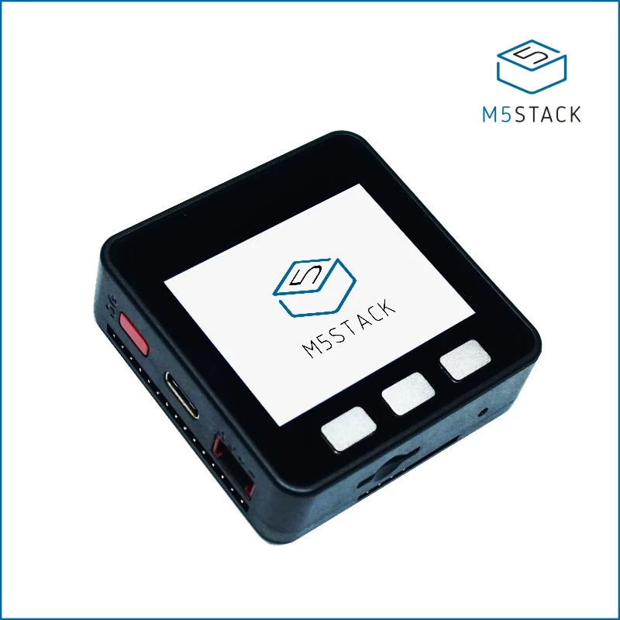
 |  |  |  | Conrad | 39.99 €

2 | 2 | M5STACK DC-MOTOR Module | 4 Channels DC Encoder Motor driver module | m5stack.com | 11,39 $ | 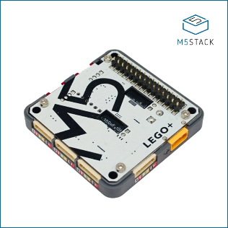
 |  |  |  | Conrad | 15.99 €

3 | 1 | M5STACK Mini RFID Unit (MFRC522) | RFID-Transponder Reader/Writer | m5stack.com | 9,95 $ | 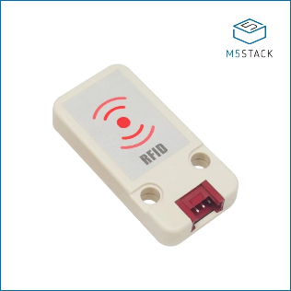
 |  |  |  | Conrad | 12.99 €

4 | 6 | M5STACK Mini Angle Unit with Potentiometer | 4 Channels DC Encoder Motor driver module | m5stack.com | 1,99 $ | 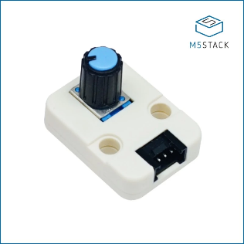
 |  |  |  | Conrad | 2.99 €

5 | 3 | M5STACK 1 to 3 HUB Unit |  | m5stack.com | 1,59 $ | 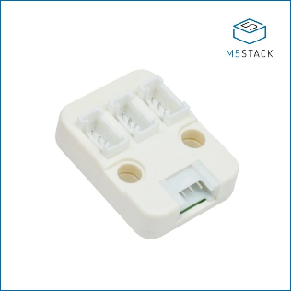
 |  |  |  | Conrad | 2.99 €

6 | 1 | M5STACK 13.56MHz RFID Card F08 Chip （5pcs） |  | m5stack.com | 2,00 $ | 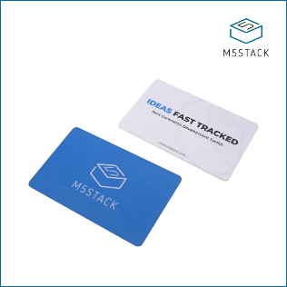

7 | 6 | 6V DC Mini-Gearmotor 50 / 200 / 300 RPM |  | amazon | 8.79 € | 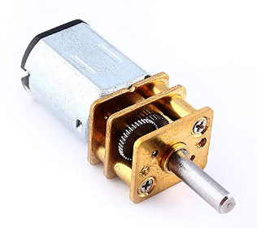
 |  |  |  | Pollin | 9.90 €

8 | 1 | Universal PlugIn Power Supply 18W/24W | 3V/4,5V/5V/6V/7,5V/9V/12V | amazon | 16.59 € | 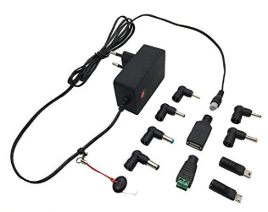
 |  |  |  | Pollin | 11.95 €

