Social Media
Influencer | Data di Inizio | Follower Iniziali | Follower Finali | Post | Like | Commenti | Crescita percentuale | Tasso interazione
PetWhisperer | 2023-01-22 | 30,000 | 35,000 | 40 | 1500 | 120 | 5000.00 | 41
AdventureJunkie | 2023-01-18 | 25,000 | 27,500 | 35 | 1200 | 100 | 2500.00 | 37
ArtAficionado | 2023-02-15 | 28,000 | 30,500 | 38 | 1200 | 110 | 2500.00 | 34 | Etichette di riga | Media di interazione | Somma di Commenti | Somma di Like
ChefExtraordinaire | 2023-04-12 | 25,000 | 27,500 | 37 | 1100 | 110 | 2500.00 | 33 | AdventureJunkie | 37.1 | 100 | 1200
DIYMaster | 2023-01-28 | 22,000 | 24,800 | 32 | 1000 | 90 | 2800.00 | 34 | AdventureSeeker | 17.0 | 45 | 500
TrendyTraveler | 2023-05-02 | 28,000 | 30,800 | 39 | 1000 | 90 | 2800.00 | 28 | ArtAficionado | 34.5 | 110 | 1200
WellnessGuru | 2023-03-05 | 26,000 | 28,800 | 37 | 1000 | 95 | 2800.00 | 30 | ArtInspiration | 23.4 | 70 | 750
CarEnthusiast | 2023-03-10 | 24,000 | 26,500 | 35 | 900 | 80 | 2500.00 | 28 | ArtisticSoul | 26.5 | 75 | 800
FitnessFreak | 2023-01-10 | 20,000 | 22,800 | 30 | 900 | 80 | 2800.00 | 33 | BeautyInBlue | 23.4 | 45 | 400
FoodieDelight | 2023-08-25 | 30,000 | 31,500 | 37 | 900 | 85 | 1500.00 | 27 | BeautyQueen | 31.1 | 70 | 800
TechSavvy | 2023-04-07 | 20,000 | 22,800 | 32 | 900 | 85 | 2800.00 | 31 | BookLover | 25.3 | 115 | 1250
BookLover | 2023-08-20 | 25,000 | 26,800 | 32 | 850 | 80 | 1800.00 | 29 | BookWorm | 29.8 | 75 | 850
BookWorm | 2023-03-01 | 19,000 | 21,500 | 31 | 850 | 75 | 2500.00 | 30 | CarEnthusiast | 28.0 | 80 | 900
ArtisticSoul | 2023-04-27 | 23,000 | 25,500 | 33 | 800 | 75 | 2500.00 | 27 | ChefExtraordinaire | 32.7 | 110 | 1100
BeautyQueen | 2023-01-25 | 18,000 | 20,500 | 28 | 800 | 70 | 2500.00 | 31 | DIYMaster | 34.1 | 90 | 1000
MusicSensation | 2023-05-22 | 30,000 | 32,500 | 40 | 800 | 65 | 2500.00 | 22 | FashionForward | 28.3 | 65 | 700
MusicSensation | 2023-08-15 | 20,000 | 21,500 | 27 | 800 | 75 | 1500.00 | 32 | Fashionista | 27.5 | 50 | 500
OutdoorExplorer | 2023-03-15 | 21,000 | 23,200 | 33 | 800 | 70 | 2200.00 | 26 | FitnessFanatic | 27.7 | 130 | 1450
TrendSetter | 2023-07-11 | 30,000 | 31,500 | 40 | 800 | 75 | 1500.00 | 22 | FitnessFiesta | 19.0 | 65 | 750
ArtInspiration | 2023-07-06 | 25,000 | 26,800 | 35 | 750 | 70 | 1800.00 | 23 | FitnessFreak | 32.7 | 80 | 900
FitnessFanatic | 2023-08-10 | 15,000 | 16,200 | 22 | 750 | 70 | 1200.00 | 37 | FoodieDelight | 21.3 | 140 | 1500
TechEnthusiast | 2023-02-25 | 17,000 | 19,200 | 29 | 750 | 65 | 2200.00 | 28 | FoodieLover | 36.4 | 55 | 600
FashionForward | 2023-04-22 | 18,000 | 20,200 | 27 | 700 | 65 | 2200.00 | 28 | GamerLegend | 28.1 | 60 | 700
FitnessFanatic | 2023-05-17 | 24,000 | 26,800 | 35 | 700 | 60 | 2800.00 | 22 | HealthyLiving | 22.6 | 55 | 600
GamerLegend | 2023-02-05 | 16,000 | 18,200 | 27 | 700 | 60 | 2200.00 | 28 | HomeDecorPro | 25.3 | 30 | 350
StyleIcon | 2023-07-01 | 20,000 | 21,500 | 30 | 700 | 65 | 1500.00 | 26 | MovieBuff | 23.3 | 105 | 1200
TechGuru | 2023-01-05 | 15,000 | 18,200 | 25 | 700 | 65 | 3200.00 | 31 | MovieCritic | 24.0 | 50 | 550
TrendyTraveler | 2023-08-05 | 32,000 | 33,500 | 40 | 700 | 65 | 1500.00 | 19 | MusicHarmony | 27.3 | 45 | 500
WellnessPro | 2023-04-02 | 16,000 | 18,500 | 28 | 700 | 70 | 2500.00 | 28 | MusicMaestro | 22.3 | 40 | 450
MovieBuff | 2023-07-31 | 27,000 | 28,500 | 35 | 650 | 60 | 1500.00 | 20 | MusicSensation | 26.0 | 140 | 1600
TechJunkie | 2023-06-26 | 15,000 | 16,800 | 25 | 650 | 60 | 1800.00 | 28 | NatureExplorer | 22.3 | 40 | 450
FoodieDelight | 2023-06-21 | 30,000 | 31,500 | 40 | 600 | 55 | 1500.00 | 16 | NatureLover | 24.0 | 50 | 550
FoodieLover | 2023-01-15 | 12,000 | 14,500 | 18 | 600 | 55 | 2500.00 | 36 | OutdoorExplorer | 26.4 | 70 | 800
HealthyLiving | 2023-05-12 | 19,000 | 21,200 | 29 | 600 | 55 | 2200.00 | 23 | PetWhisperer | 40.5 | 120 | 1500
TrendSetter | 2023-03-28 | 14,000 | 16,200 | 24 | 600 | 60 | 2200.00 | 28 | StyleIcon | 25.5 | 65 | 700
WellnessPro | 2023-07-26 | 22,000 | 23,800 | 30 | 600 | 55 | 1800.00 | 22 | TechEnthusiast | 28.1 | 65 | 750
MovieBuff | 2023-02-10 | 11,000 | 12,800 | 21 | 550 | 45 | 1800.00 | 28 | TechGuru | 30.6 | 65 | 700
MovieCritic | 2023-05-07 | 15,000 | 17,500 | 25 | 550 | 50 | 2500.00 | 24 | TechJunkie | 26.7 | 100 | 1050
NatureLover | 2023-07-21 | 17,000 | 18,500 | 25 | 550 | 50 | 1500.00 | 24 | TechSavvy | 30.8 | 85 | 900
WellnessGuru | 2023-06-16 | 26,000 | 28,200 | 37 | 550 | 50 | 2200.00 | 16 | TravelNomad | 23.9 | 50 | 500
AdventureSeeker | 2023-06-11 | 22,000 | 24,500 | 32 | 500 | 45 | 2500.00 | 17 | TrendSetter | 24.0 | 135 | 1400
Fashionista | 2023-01-03 | 10,000 | 12,500 | 20 | 500 | 50 | 2500.00 | 28 | TrendyTechie | 21.1 | 30 | 350
MusicHarmony | 2023-07-16 | 12,000 | 13,200 | 20 | 500 | 45 | 1200.00 | 27 | TrendyTraveler | 23.5 | 155 | 1700
TravelNomad | 2023-02-20 | 13,000 | 15,500 | 23 | 500 | 50 | 2500.00 | 24 | WellnessGuru | 22.9 | 145 | 1550
FitnessFiesta | 2023-06-06 | 18,000 | 19,800 | 27 | 450 | 40 | 1800.00 | 18 | WellnessPro | 24.6 | 125 | 1300
MusicMaestro | 2023-02-01 | 14,000 | 16,500 | 22 | 450 | 40 | 2500.00 | 22 | Totale complessivo | 26.5 | 3395 | 37300
NatureExplorer | 2023-04-17 | 12,000 | 14,500 | 22 | 450 | 40 | 2500.00 | 22
BeautyInBlue | 2023-03-25 | 11,000 | 13,500 | 19 | 400 | 45 | 2500.00 | 23
BookLover | 2023-06-01 | 14,000 | 15,500 | 22 | 400 | 35 | 1500.00 | 20
TechJunkie | 2023-08-30 | 10,000 | 11,200 | 18 | 400 | 40 | 1200.00 | 24
HomeDecorPro | 2023-01-08 | 8,000 | 9,500 | 15 | 350 | 30 | 1500.00 | 25
TrendyTechie | 2023-05-27 | 10,000 | 11,800 | 18 | 350 | 30 | 1800.00 | 21
FitnessFiesta | 2023-03-20 | 9,000 | 10,500 | 16 | 300 | 25 | 1500.00 | 20

Etichette di riga | Media di interazione
AdventureJunkie | 37.1
AdventureSeeker | 17.0
ArtAficionado | 34.5
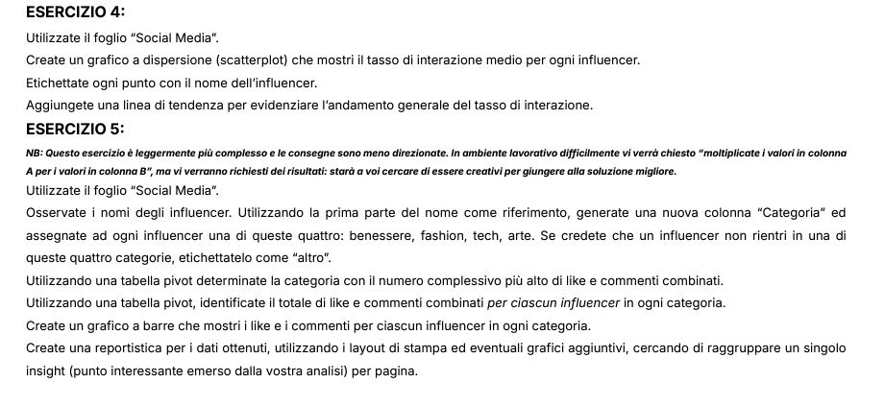
ArtInspiration | 23.4
ArtisticSoul | 26.5
BeautyInBlue | 23.4
BeautyQueen | 31.1
BookLover | 25.3
BookWorm | 29.8
CarEnthusiast | 28.0
ChefExtraordinaire | 32.7
DIYMaster | 34.1
FashionForward | 28.3
Fashionista | 27.5
FitnessFanatic | 27.7
FitnessFiesta | 19.0
FitnessFreak | 32.7
FoodieDelight | 21.3
FoodieLover | 36.4
GamerLegend | 28.1
HealthyLiving | 22.6
HomeDecorPro | 25.3
MovieBuff | 23.3
MovieCritic | 24.0
MusicHarmony | 27.3
MusicMaestro | 22.3
MusicSensation | 26.0
NatureExplorer | 22.3
NatureLover | 24.0
OutdoorExplorer | 26.4
PetWhisperer | 40.5
StyleIcon | 25.5
TechEnthusiast | 28.1
TechGuru | 30.6
TechJunkie | 26.7
TechSavvy | 30.8
TravelNomad | 23.9
TrendSetter | 24.0
TrendyTechie | 21.1
TrendyTraveler | 23.5
WellnessGuru | 22.9
WellnessPro | 24.6
Totale complessivo | 26.5

