ショット-1
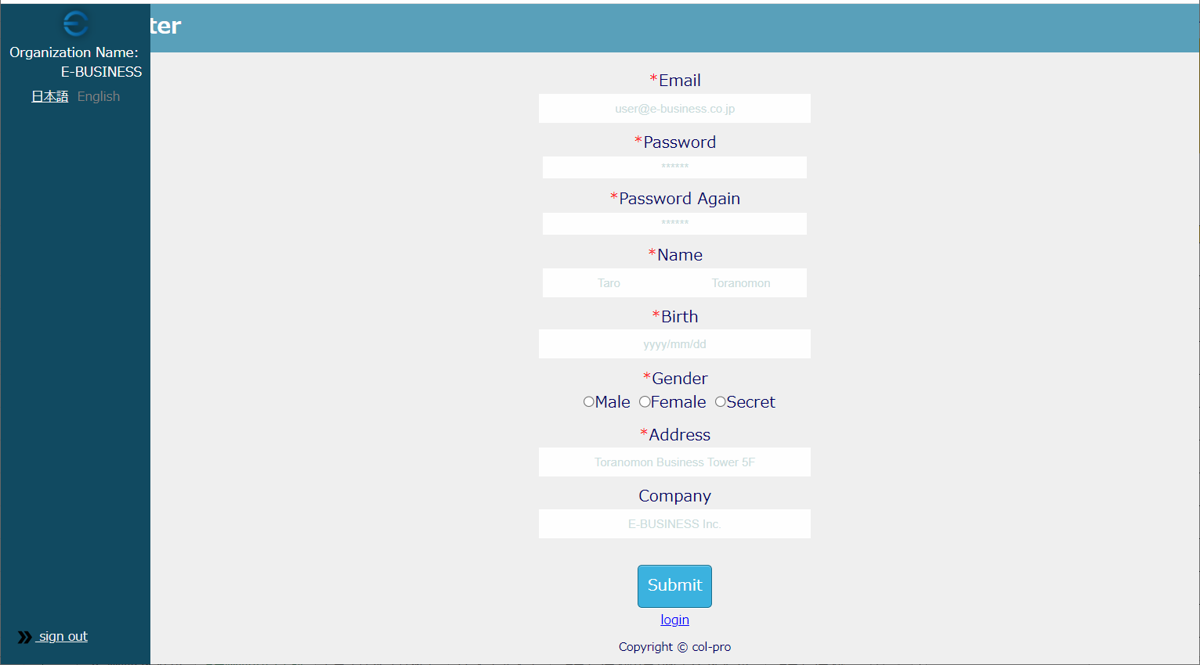
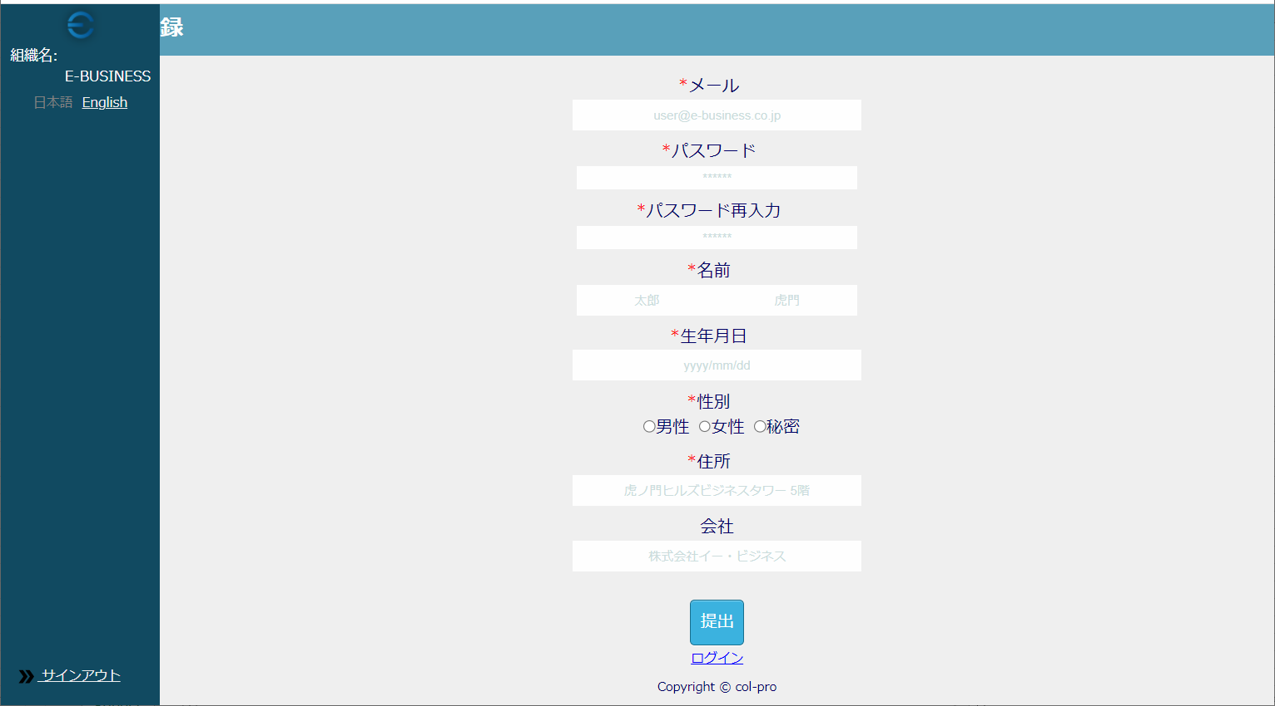

UT-USER02-B-003

UT-USER02-B-006

UT-USER02-B-009

UT-USER02-B-012

UT-USER02-B-016

UT-USER02-B-021
UT-USER02-B-022
UT-USER02-B-024
UT-USER02-B-030

UT-USER02-B-027

UT-USER02-B-033
UT-USER02-B-034

ショット-2
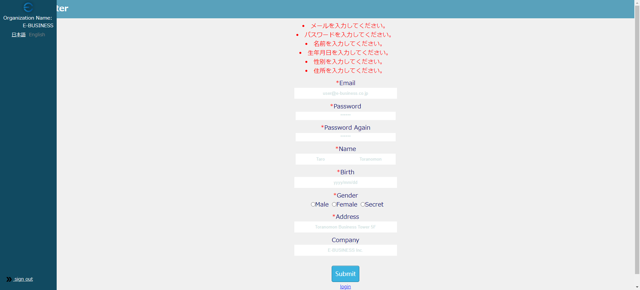

UT-USER02-B-005

UT-USER02-B-008
UT-USER02-B-015
UT-USER02-B-020

UT-USER02-B-026

UT-USER02-B-004
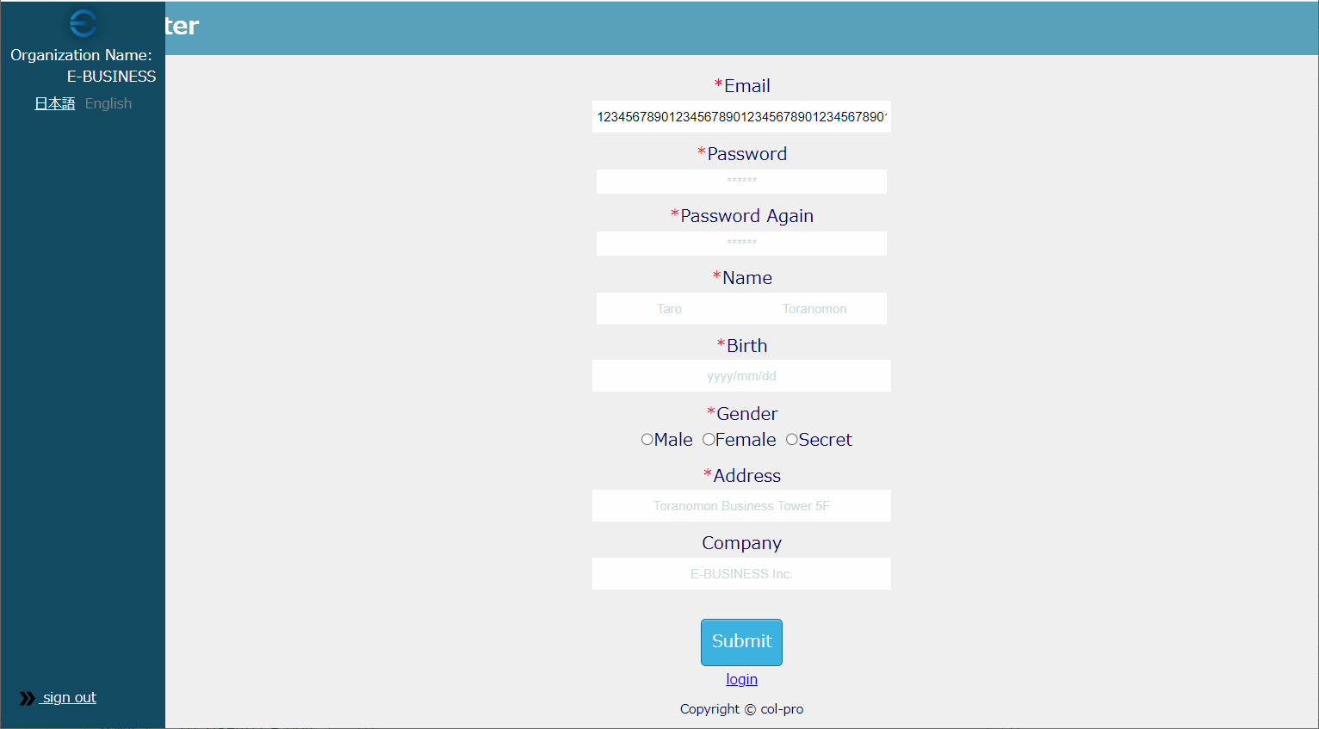

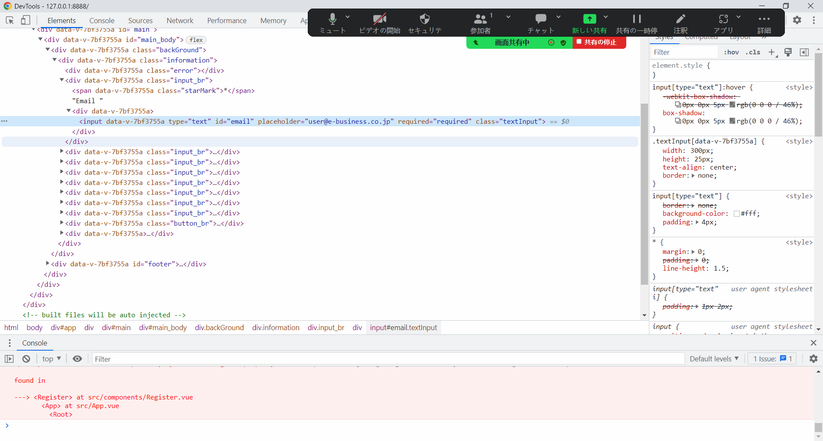

UT-USER02-B-006
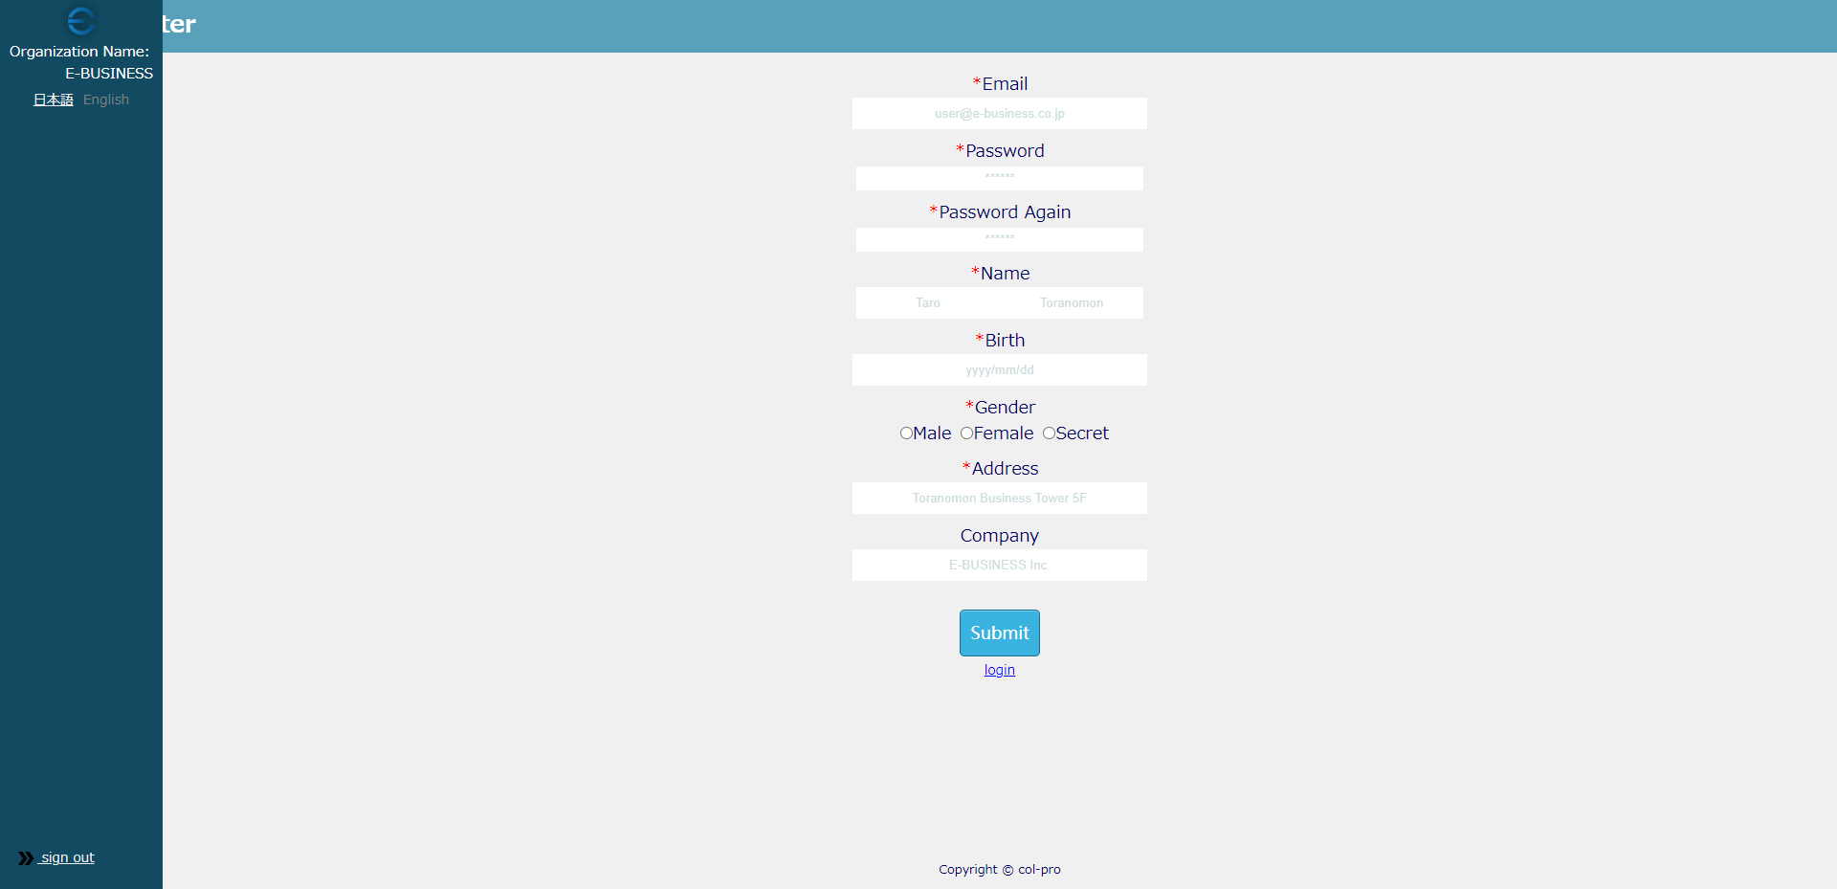

UT-USER02-B-006

UT-USER02-B-010
UT-USER02-B-010

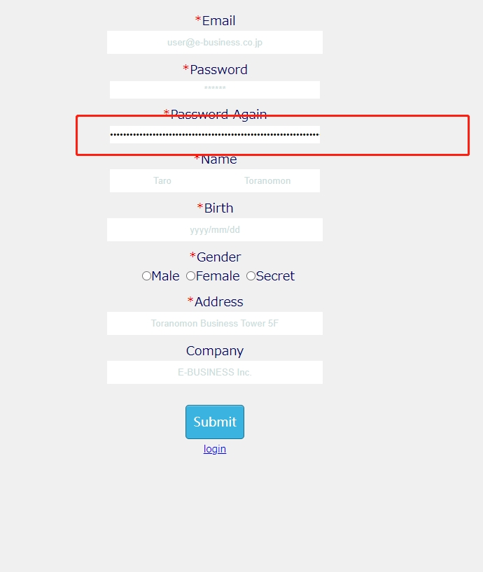

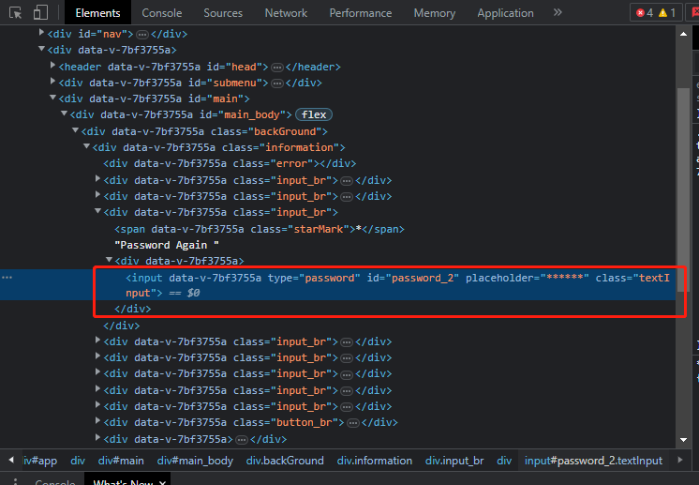

SIZE不具合

UT-USER02-B-013
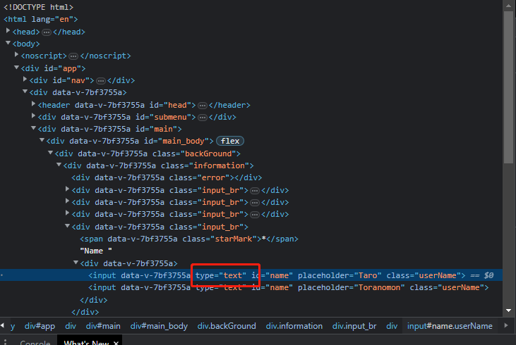

UT-USER02-B-013

UT-USER02-B-014
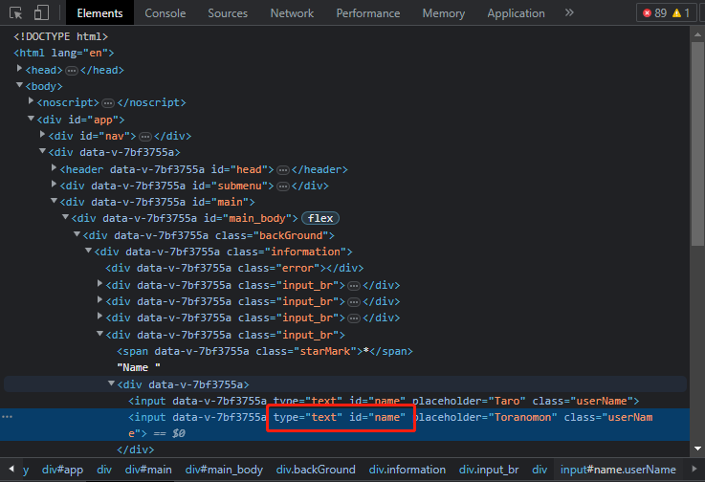

UT-USER02-B-014

UT-USER02-B-007


