ショット1
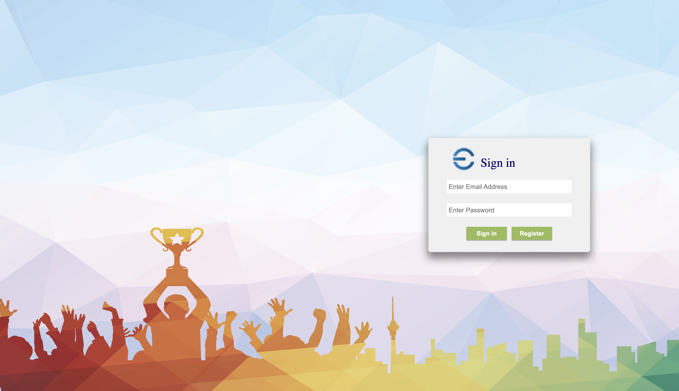

UT-USER02-D-001

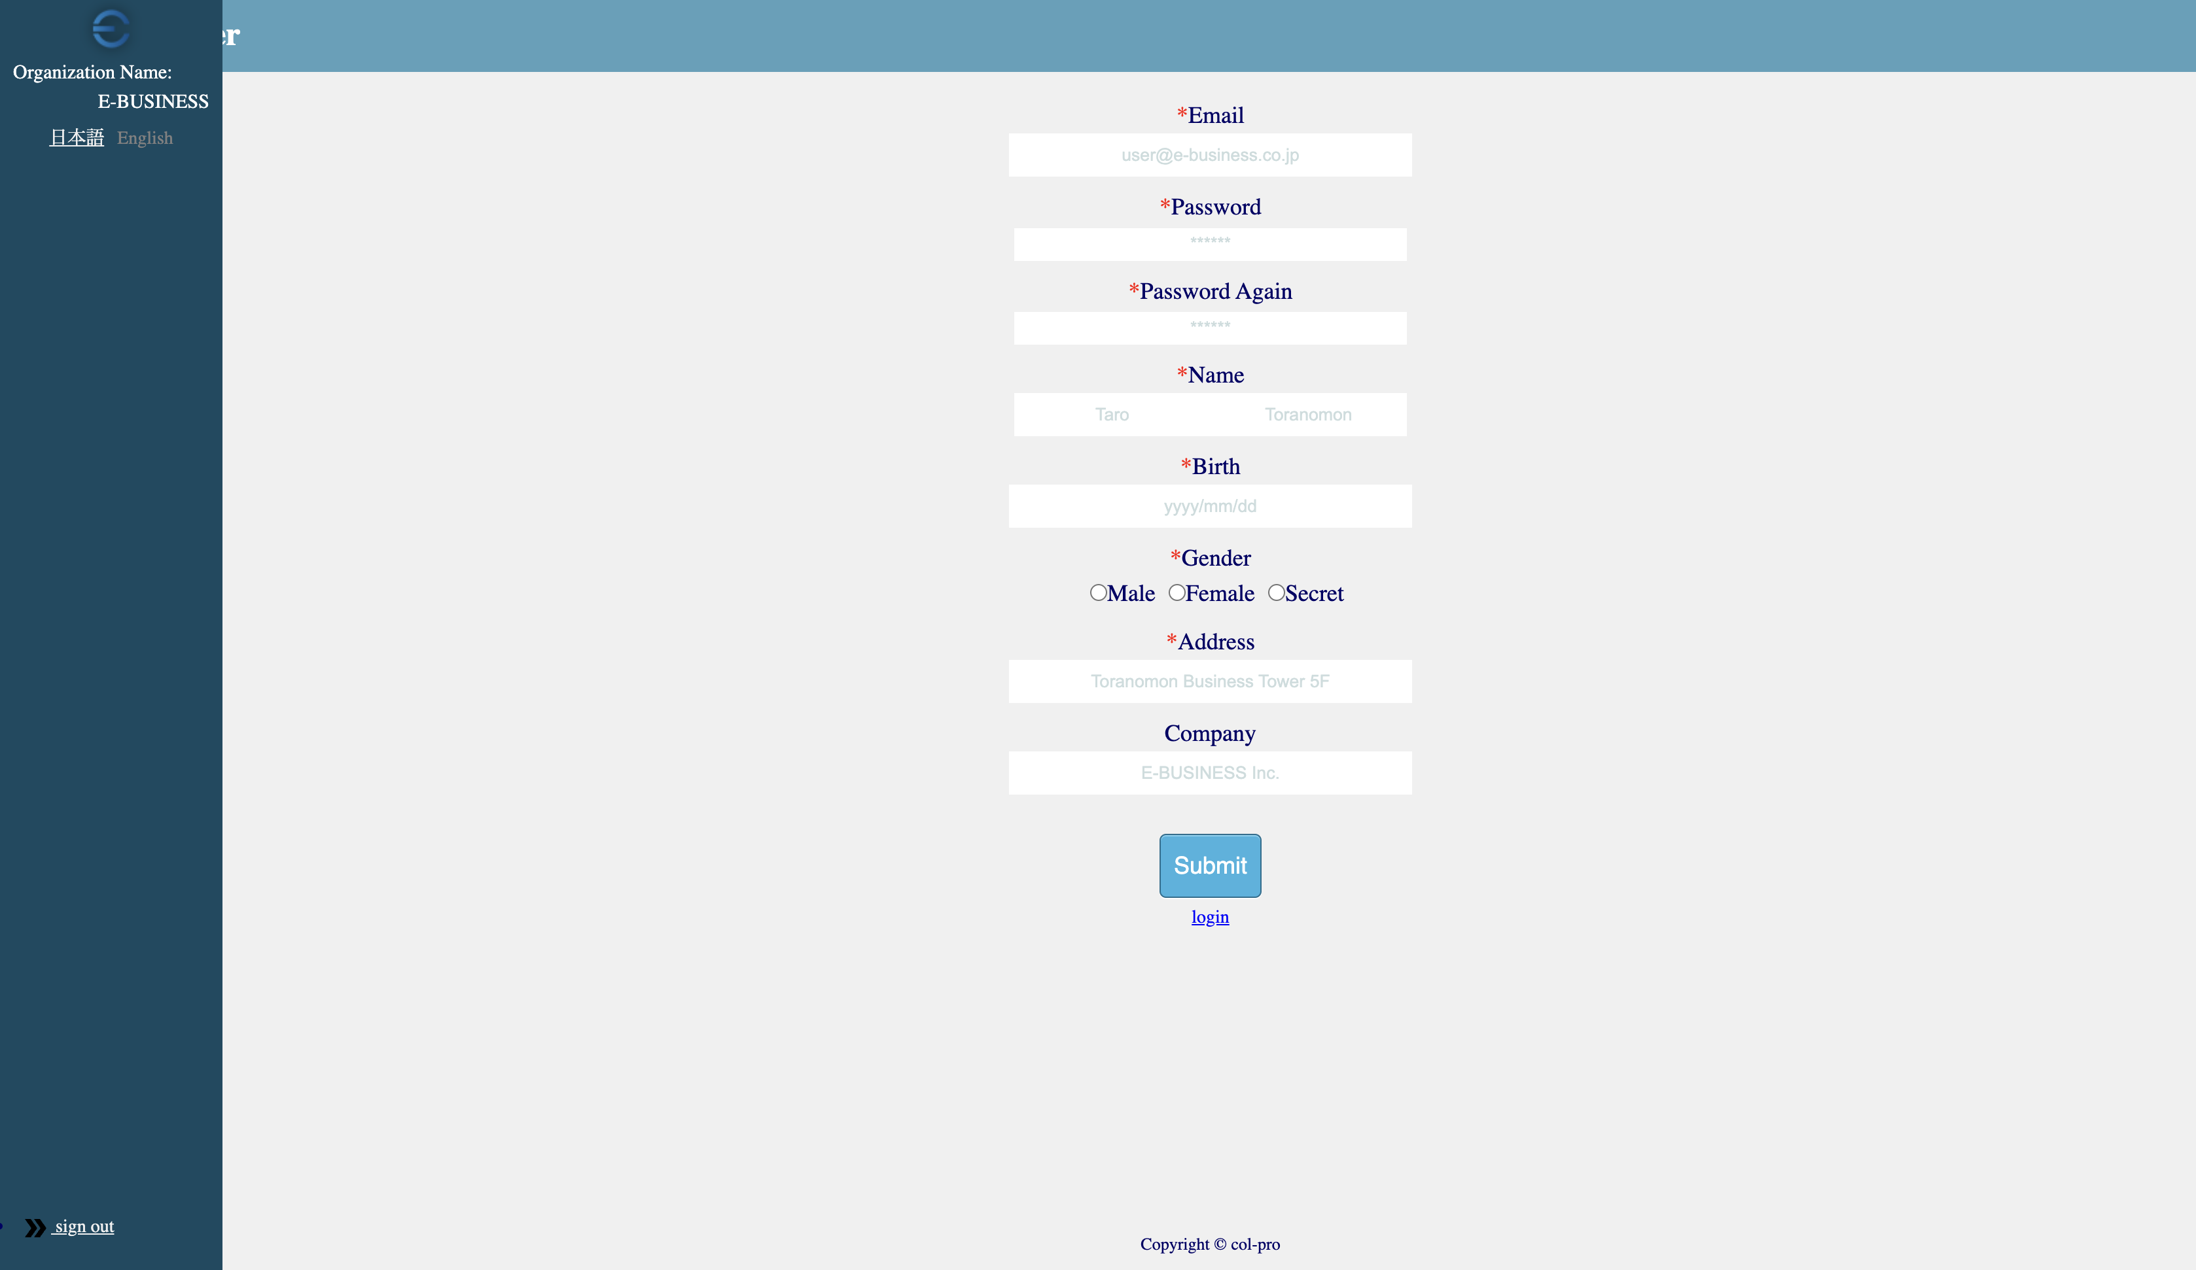

UT-USER02-D-003

UT-USER02-D-005

