UT-USER02-E-002
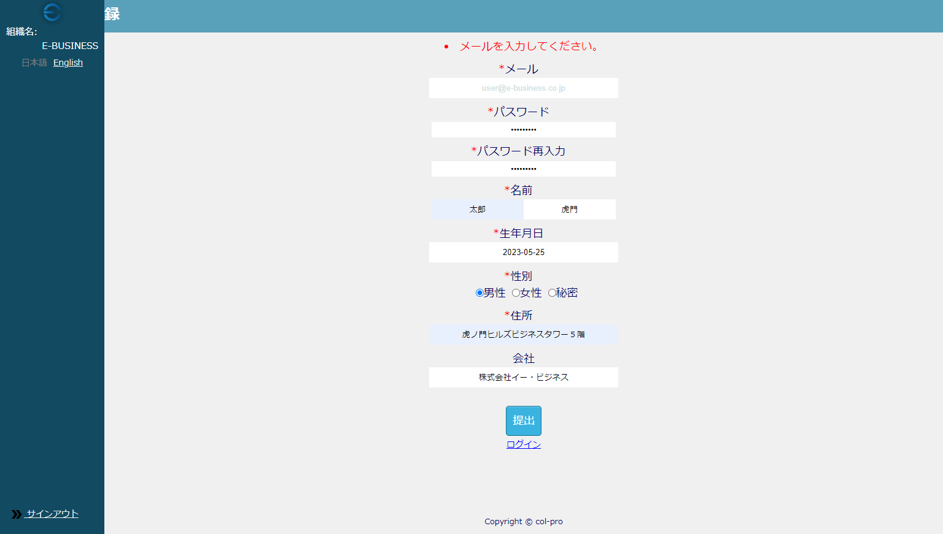

UT-USER02-E-004
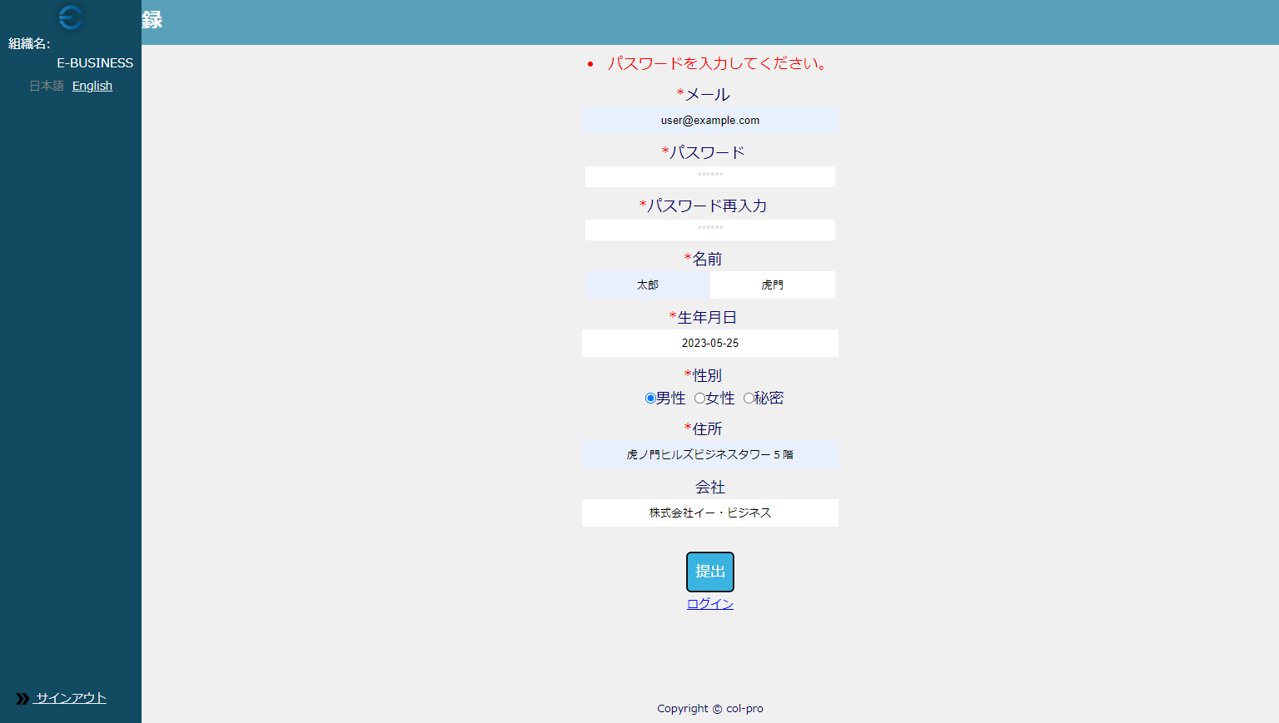

UT-USER02-E-006
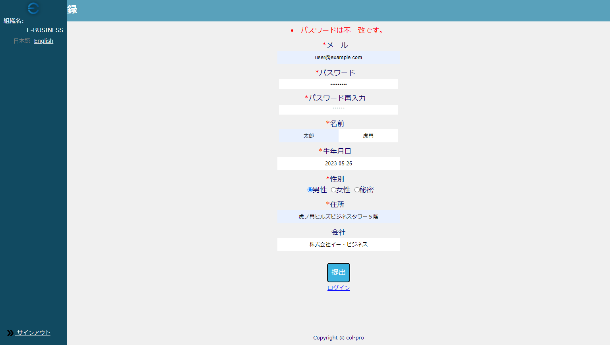

UT-USER02-E-008
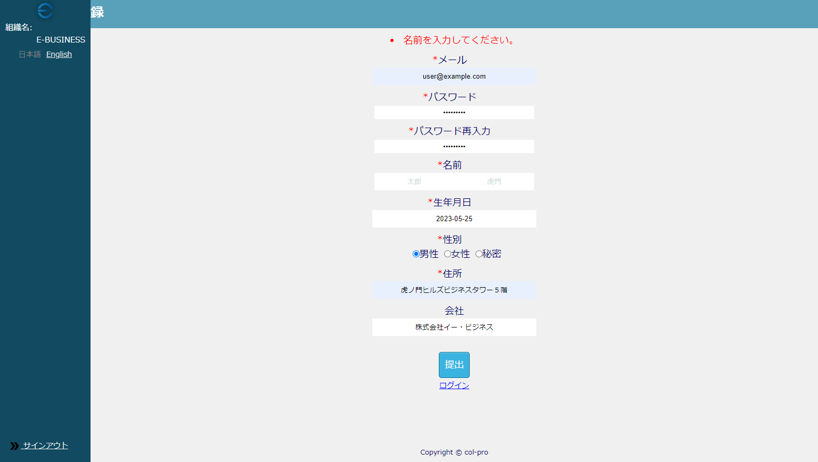

UT-USER02-E-009～UT-USER02-E-014
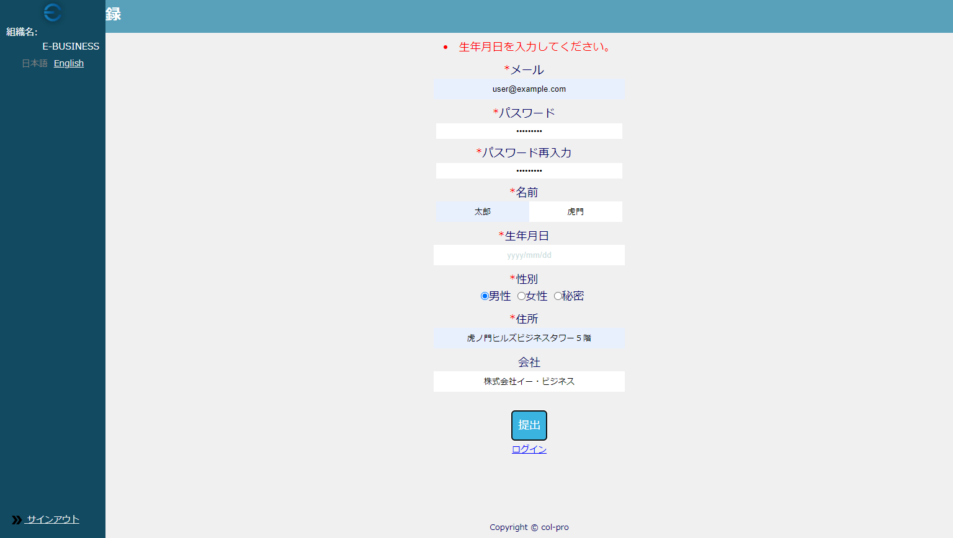

UT-USER02-E-016
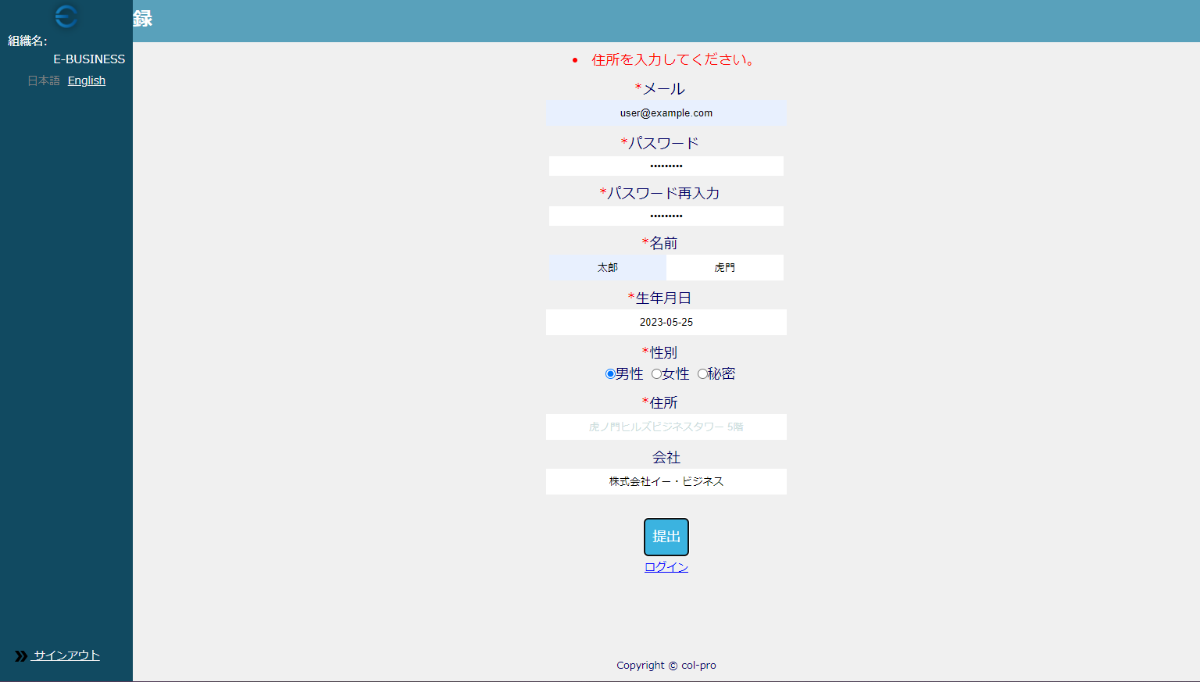

UT-USER02-E-018


UT-USER02-E-020


UT-USER02-E-022
