UT-USER02-E-003
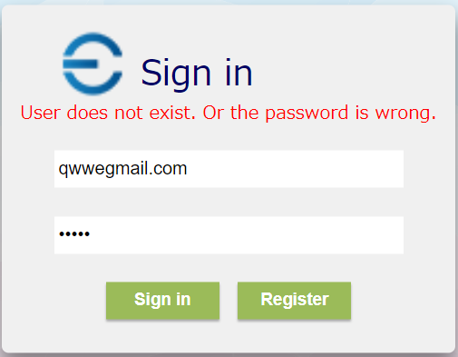

ショット1
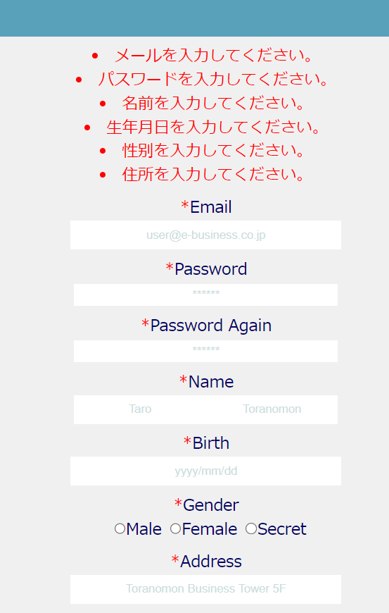

UT-USER02-E-004
UT-USER02-E-005
UT-USER02-E-007
UT-USER02-E-008、UT-USER02-E-009、UT-USER02-E-0010

UT-USER02-E-0011

UT-USER02-E-006
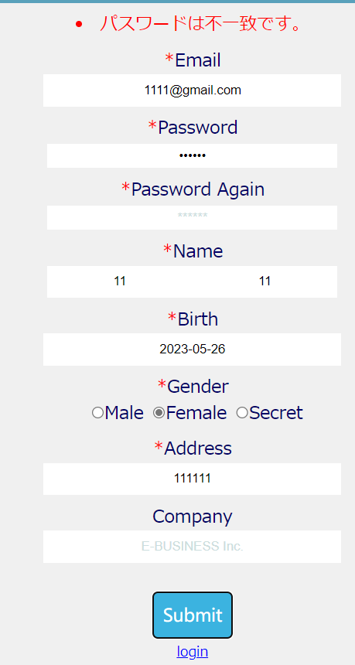

UT-USER02-E-012
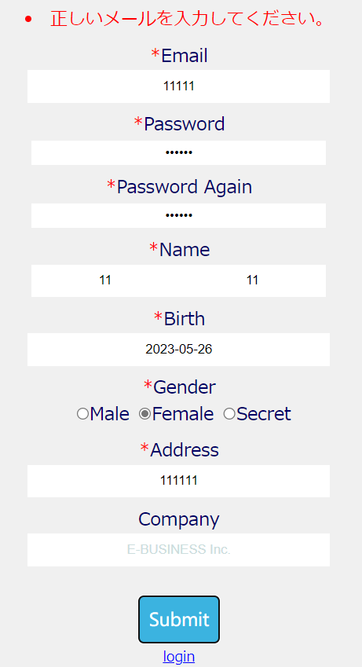

UT-USER02-E-0014
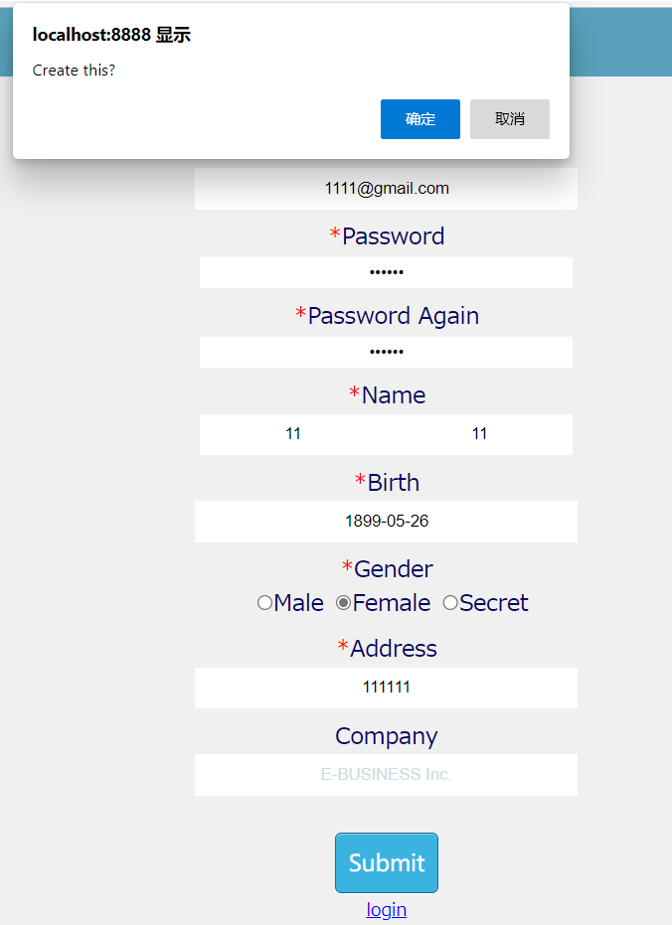

UT-USER02-E-0024
