Output network
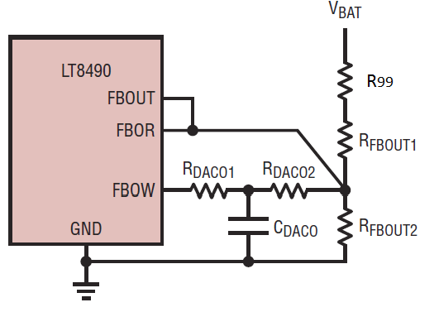
User Inputs
Other Calculated Values
Calculated using E96 Standard Values
Calculated using E192 Standard Values
 |  |  |  | Tip: Try R99 = 4.53 (increase R99 if #NUM! error shows)

 | Check Computed Values |  |  | VS2 | R99 | RFBOUT1 | RFBOUT2 | RDACO1 | RDACO2 | CDACO | <-- Datasheet Names
 | X | 9.7365 |  |  |  | R13 | R16 | R73 | R71 | C68 | <-- DC2069A Names
 | VX3 | 14.265 | V | (Volts) | (kΩ) | (kΩ) | (kΩ) | (kΩ) | (kΩ) | (µF)
 | N1 | 1.219 |  | 14.20 | 4.99 | 112.50 | 10 | 10 | 54.49 | 0.200 | <-- Ideal Values
 | N2 | 0.8059 |  | 14.265 | 4.99 | 113 | 10 | 10 | 54.9 | 0.22 | <-- Using E96 Standard values
 | X | 9.6445 |  | 14.252 | 4.99 | 113 | 10 | 10 | 54.2 | 0.22 | <-- Using E192 Standard values
 | VX3 | 14.252 | V
 | N1 | 1.222
What to look for...
V_{X3} = This is the actual V_{S2} you will get when using the calculated standard-value resistors
N1 - Should be as close to 1.22 as possible.
N2 - Should be as close to 0.805 as possible
X - This is an intermediate value in the calculations.
INSTRUCTIONS
1) Select charge voltage (Vs2) and a standard value for R99 and R_{FBOUT2} (R16).
2) Use the calculator to the left to find a standard value, if necessary. R99 is used to fine adjust V_{BAT}, set to 0 if not needed.
The top row shows selected and ideal values, the medium-green and dark-green rows below show standard values. The calculator provides one answer using resistors from the E96 series (medium-green) and another answer using the precision E192 series (dark- green).
3) Check that the actual V_{S2} is close enough to the intended value. Adjust R99 if necessary (the calculator suggests a value).
The calculations for X, V_{X3}, N1 and N2 to the left are included as a convenience. See page 17 in the data sheet.
The standard E24 value for C_{DACO} (C68) is also calculated. Note that the 2.7, 3.0, 3.3, 3.6, 3.9, 4.3, 4.7 and 8.2 values from the E24 series are deviating from the calculated value, so you may need to manually select the correct value for the capacitor. It is only used for filtering the 32kHz PWM signal on the FBOW pin, so the value does not have to be exact.
 | N2 | 0.8040

 | VFBOUT | 1.210 | V
 | VFBOW | 1.883 | V

 | Standard Value Calculator
 | Input | 6 | kW
 | E192 | 5.97 | kW
 | E96 | 6.04 | kW

Output network (2)
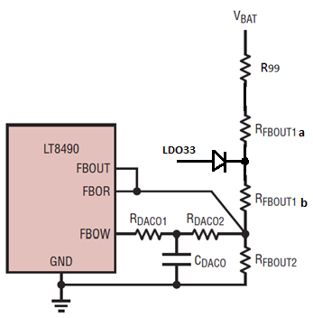
User Inputs
Other Calculated Values
Calculated using E96 Standard Values
Calculated using E192 Standard Values
 |  |  |  | Tip: Try R99 = 4.32 (increase R99 if #NUM! error shows)

 | Check Computed Values |  |  | VS2 | R99 | RFBOUT1a | RFBOUT1b | RFBOUT2 | RDACO1 | RDACO2 | CDACO | <-- Datasheet Names
 | X | 9.731 |  |  |  | R13a | R13b | R16 | R73 | R71 | C68 | <-- DC2069A Names
 | VX3 | 28.496 | V | (Volts) | (kΩ) | (kΩ) | (kΩ) | (kΩ) | (kΩ) | (kΩ) | (µF)
 | N1 | 1.219 |  | 28.40 | 4.99 | 204.28 | 35.70 | 10 | 10 | 57.25 | 0.200 | <-- Ideal Values
 | N2 | 0.806 |  | 28.50 | 4.99 | 205 | 35.7 | 10 | 10 | 57.6 | 0.22 | <-- Using E96 Standard values
 | X | 9.642 |  | 28.47 | 4.99 | 205 | 35.7 | 10 | 10 | 56.9 | 0.22 | <-- Using E192 Standard values
 | VX3 | 28.470 | V
Instructions
Use this calculator when the charger must start without battery voltage.
Split R_{FBOUT1} in two and connect a signal diode (eg 1N4148) from 3.3V as shown, to keep FBOR in the range 0.6V...0.84V with no battery present.
1) Select charge voltage (V_{S2}) and a standard value for R99 and R_{FBOUT2} (R16).
2) Use the calculator in the bottom left corner to find a standard value, if necessary.
The top row shows selected and ideal values, the blue and brown rows below show standard values. The calculator provides one answer using resistors from the E96 series (blue) and another answer using the precision E192 series (brown).
3) Check that the actual V_{S2} is close enough to the intended value. Adjust R99 if necessary (the calculator suggests a value).
The calculations for X, V_{X3}, N1 and N2 to the left are included as a convenience. See page 17 in the data sheet.
The standard E24 value for C_{DACO} (C68) is also calculated. Note that the 2.7, 3.0, 3.3, 3.6, 3.9, 4.3, 4.7 and 8.2 values from the E24 series are deviating from the calculated value, so you may need to manually select the correct value for the capacitor. It is only used for filtering the 32kHz PWM signal on FBOW, so the value does not have to be exact.
 | N1 | 1.222
What to look for...
V_{X3} = This is the actual V_{S2} you will get when using the calculated standard-value resistors
N1 - Should be as close to 1.22 as possible.
N2 - Should be as close to 0.805 as possible
X - This is an intermediate value in the calculations.
 | N2 | 0.804

 | VFBOUT | 1.21 | V
 | VFBOW | 1.883 | V

 | Standard Value Calculator
 | input | 4.95 | kW
 | E192 | 4.93 | kW
 | E96 | 4.99 | kW

Input network
User Inputs
Calculated Intermediate Result
Calculated Primary Result

INSTRUCTIONS
1) Enter a value for Vmax that is higher than V_{OC} at -40C (C6). Use the Panel Calculator (below) and the panel data sheet information and set V_{MAX}>Voc_cold
2) Enter a standard value for R_{FBIN2} in C14
3) Enter a standard value for R_{DACI1} into cell C15 (if not sure, use the suggested value in cell E15)
Standard values for R_{DACI2} and R_{FBIN1} will be calculated (C16, C17)
C_{DACI} will be calculated. Select the nearest standard value from E24 or E12 series (the value is not critical).
A standard value calculator is included. Enter a value in cell C21 and the nearest standard value from E192 and E96 series is calculated below.
A manual check of the network can be done in the Manual Checker area.
Values for V_{X1} and V_{X2} will be calculated.
Cells F7 to K7 are used by the top calculator. Two values for R_{FBIN1} are calculated, one (J7) is focusing on not to drop below V_{INMIN}=6V, the other one (K7) focusing on to give V_{MAX} above the target value. Of these two values, the larger value is chosen, increased by 1% to give some margin, and placed in cell I7. The nearest standard value from the E96 series is calculated and placed in cell I7 (and C17).
The value in F7 is the ideal sum for R_{DACI1} and R_{DACI2}. See data sheet page 14-15.
4) Use Figure 5 to check the input voltage range. For example, if V_{MAX} is set to 70V the charger will not use 100% of the available panel power if the panel voltage is below 20V. This is important if the charger is to be used with both high voltage and low voltage panels.
VMAX | 54 | V |  | RDACI1 + RDACI2 | RFBIN1 | RDACI2 | Rfbin1s | Rfbin1_Vmin | Rfbin1_Vmax
VDAC | 3.3 | V |  | 7.002 | 103.088 | 5.9 | 102 | 102.068 | 101.818
VFBIN | 1.205 | V
VINMIN | 6 | V
Actual VMAX | 54.08 | V
Actual VINMIN | 6.00 | V

Suggested Network Values
RFBIN2 | 3.48 | kW
RDACI1 | 1.1 | kW | 1.4k | suggested
RDACI2 | 5.9 | kW
RFBIN1 | 102 | kW
CDACI | 0.909 | mF

Standard Value Calculator
input | 96 | kW
E192 | 96.50 | kW
E96 | 95.30 | kW

Manual Checker of Chosen Resistor Values |  |  |  |  | Panel Calculator
RFBIN2 (R54) | 3.48 | kW |  |  | TC_VOC | -0.3 | %/oC
RDACI1 (R63) | 1.1 | kW |  |  | VOC @ 25C | 37.8 | V
RDACI2 (R55) | 5.9 | kW |  |  | Min TPANEL | -40 | oC
RFBIN1 (R68) | 102 | kW |  |  | Voc @ Cold | 45.17 | V
VX1 | 54.083 | V |  |  | VMPP @ 25C | 31.1 | V
VX2 | 5.997 | V |  |  | TC_VMPP | -0.45 | %/oC
 |  |  |  |  | Max TPANEL | 90 | oC
DC2069A names in parens ()
 |  |  |  |  | Temp | 0 | oC
 |  |  |  |  | I | 8.05 | A
 |  |  |  |  | PMPP | 278.5 | Watts

