Pivot Tables
 | Pivot Tables and Pivot Charts
 | Creating a pivot table and pivot chart
 | Formatting a pivot chart
 | Modifying chart types
 | Creating new fields from an existing field
 | Slicers and timelines
 | Advanced tweaks

 | Creating a Pivot Table and Pivot Chart

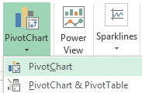
 | Select a cell in the range that contains the data you would like to analyze.
 | Each row must have a different observation, each column must have a different variable.
Insert - Pivot Chart - Pivot Chart

 | Either options will get you both a pivot chart and a pivot table.
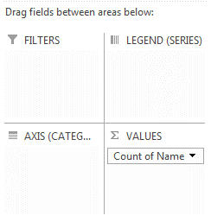
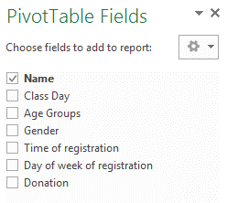
Click on the chart or the table to activate the contextual Pivot Table Fields menu

Or
Click on the chart and go to: PivotChart Tools -Analyze - Field List

 | Drag an ID field or any other field from the top section of the menu to "Sum of Values" in the bottom of the menu.
 | If you selected a numerical variable, you may want to toggle from "Sum of {your field}" to "Count of {your field}" depending on your analysis.
 | Other options are also available and might be appropriate to specific situations - use with caution.
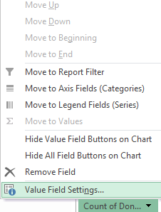
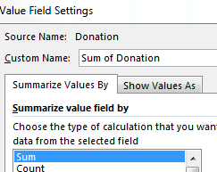
Click on the drop-down arrow besides your field

 | Drag other fields into the "Rows" and "Columns" or "Axis" and "Legend" areas of the bottom menu to generate charts.

 | Drag other fields into "Filter" to filter data - making a subset of the data according to your specified criteria.
 | PLEASE NOTE: filtered fields will stay filtered even after dragging away from the "filter area".
 | Return to the "filter area" and remove the filter by clicking "All", or click on the drop-down arrow that appears when you hover over a field in "PivotTable Fields".
 | Filters are identified in the PivotTable Fields list with the filter symbol.
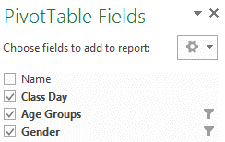

 | Back to Top
 | Formatting a Pivot Chart

 | Click on a chart to activate the contextual PivotChart Tools ribbon.
Click on a chart

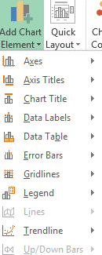
 | Click on "Add Chart Element" to add or remove various aspects of the chart.
PivotChart Tools - Design

 | Some more advanced options are hiding under "More [type of chart element] options.
 | Modify the look as desired -- and use the "bar chart" icon to set advanced settings for the chart.
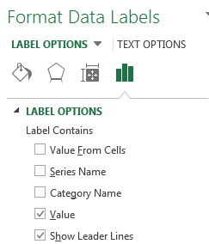

 | Click on a "Quick Layout", Change Colors" or "Chart Styles" to quickly modify the look of the chart.
PivotChart Tools - Design

PivotChart Tools - Analyze | Go to "Field Buttons - Hide All" to remove PivotChart buttons from your chart.
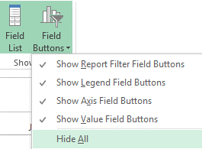

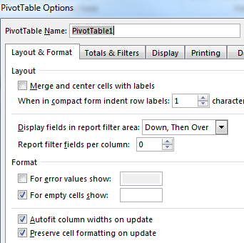
 | To prevent the chart from constantly resizing as you make updates, remove "Autofit columns on update" from the "Options" menu
PivotChart Tools - Analyze

 | Back to Top
 | Modifying Chart Types

 | Click on a chart to activate the contextual PivotChart Tools ribbon.
Click on a chart

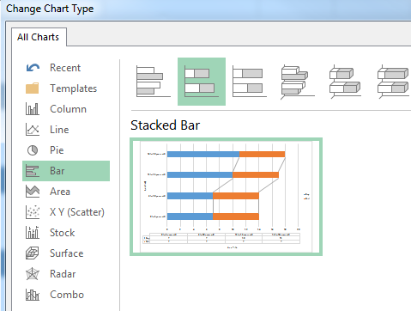
PivotChart Tools - Design

 | Back to Top
 | Creating new fields from an existing field (especially useful with dates/times)

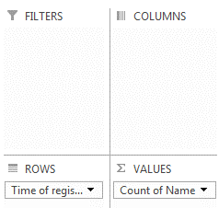
Activate the contextual PivotTable Fields menu (click on chart OR Tools - Analyze - Field List) | Remove all fields except the field in the "Sum of Values" area.
 | Drag the field to be used for extraction in the "Rows" or "Axis" area.

 | Click on a chart to activate the contextual PivotChart Tools ribbon.
Click on a chart

 | Click on a cell in the first column of the Pivot Table

PivotTable Tools - Analyze

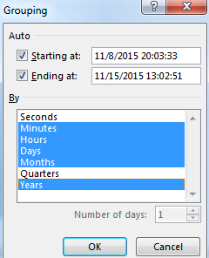

 | Select any desired categories and click on "Ok".
 | Fields will be added to your "PivotTable Fields" contextual menu.
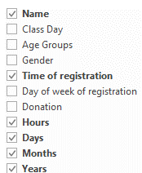

 | Back to Top
 | Slicers and Timelines
 | WARNING: slicers and timelines are only available in the most recent versions of Excel and will not work when opened in older versions.

 | Click on a chart to activate the contextual PivotChart Tools ribbon.
Click on a chart

PivotChart Tools - Analyze

 | Select one or more variables to put into place "slicers".
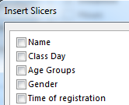
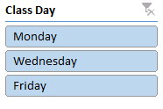

Click (on a value in a slicer) | Filter the pivot chart to only show data that corresponds to the selected value
Ctrl-Click (on values in a slicer) | Select more than one value to use to filter the pivot chart.

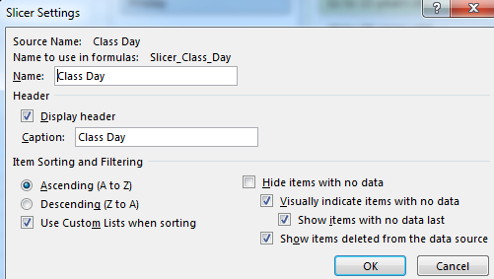
 | Use Slicer Settings to change caption settings, sort order, and behavior of items with no data.
Slicer Tools (click on a slicer to activate)

Slicer Tools (click on a slicer to activate) | Change the number of columns

 | Quickly change the look of the slicer - select one or two values to judge the appearance of unselected values

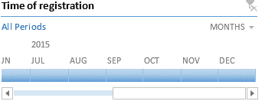
 | Works with date/time variables to create a draggeable "timeline".
PivotChart Tools - Analyze

 | Back to Top
 | Advanced Tweaks

 | Changing the order of data displayed in the chart
File - Options - Advanced - Edit Custom Lists (near end of advanced screen) | When alphabetical order does not display your data correctly, you can use custom lists to tell Excel in what order data should be displayed.
 | This will work when displaying data in Pivot Tables and Pivot Charts.
 | This Excel File already contains a few custom series, take a look and explore!
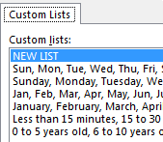

 | Filling in categories to give your data the correct format
 | You will sometimes need to fill in categories so that every row has the category value listed.
 | In the example below, "Teaching", "Community - Large", and "Community - Medium" need to be repeated on every row in order to create a pivot table.
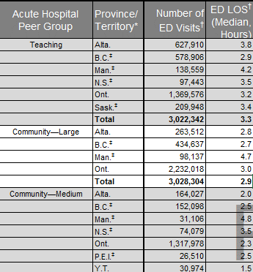

Teaching

Community - Large

Community - Medium

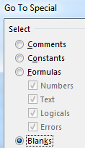
 | Starting from the first cell that contains a category, select ALL affected cells in the column of your table (so all blanks + categories at once).
 | Hit F5 OR go to the Home ribbon - Editing section - Find & Select - Go to special. Select "Blanks".
 | Type "=" (no need to click anywhere, just start typing), hit the "up" arrow on your keyboard, and then do Ctrl-Enter.
 | The series should fill in - please note that formulas will be inserted in the table.

 | Moving Charts
 | You can't delete the pivot table, but you can leave it behind in another worksheet, and hide the worksheet.

 | Click on a chart to activate the contextual PivotChart Tools ribbon.
Click on a chart

PivotChart Tools - Design

 | Connecting a slicer to a second pivot chart
 | Start by creating a slicer connected to your first chart.
 | Select the pivot tables of all pivot charts to connect.
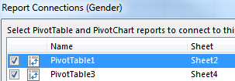
Click on slicer

Instructions
 | Instructions

 | The city of Halifax offered free knitting classes - with voluntary donations - to children aged 3 to 18. Parents were instructed to pick one of three nights: Monday, Wednesday, or Friday. The city would like to learn more about who attended the classes:
 | Question 1: What are the names of the children aged 11 years or older that registered for the Monday class?
 | Question 2: On what day of the week did the city receive the highest amount of donations?
 | Question 3: During what day of the week did most registrations happen? At what time of the day did most registrations happen?
 | Question 4: Which class (day of the week) was most popular for the girls? Which class (day of the week) was most popular for the boys?
 | Question 5: Which day of the week was most popular for children aged 10 years or younger and what was the gender distribution on that day?
 | Question 6: What was the percentage of children from each age groups registed on Monday? Wednesday? Friday?

 | Work through the following series of steps. Eventually, you will have a pivot table and slicers similar to those displayed in the Expected Result worksheet and will be able to answer any other questions the city might ask you about the data.
 | Question 1 - Creating a Pivot Chart and Pivot Table
 | Question 1: What are the names of the children aged 11 years or older that registered for the Monday class?
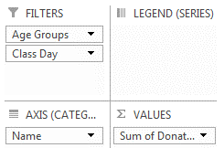
1 | Click on any cell in range A1 to G65 in the 'Exercise' worksheet. Click on the "Insert" ribbon and select "Pivot Chart - Pivot Chart" or "Pivot Table - Pivot Chart" depending on your version of Excel. Click on "Ok".
2 | Click on the chart or pivot table object -- the "PivotTable Fields" menu should appear on the right of the screen.
3 | Drag "Donation" from the top of "PivotTable Fields" to "Sum Values" in the bottom right.
4 | Drag "Name" to the "Rows" or "Axis" area.
5 | Drag "Age Groups" and "Class Day" to "Filters".
6 | Apply the necessary filters to reveal the answer - best seen in the pivot table, but you can also resize the pivot chart.
 | Question 2 - Dynamically Updating a Pivot Chart by Moving Fields
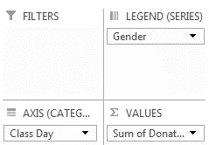
 | Question 2: On what day of the week did the city receive the highest amount of donations?
7 | Remove filters on all variables - right now, you probably have filters on "Age groups" and "Class Day".
8 | Remove "Name" from the Rows/Axis area.
9 | Make sure that "Sum of Donations" is in the "Sum of Values" area.
10 | Drag "Class day" to the Rows/Axis area.
11 | Drag "Gender" to the Columns/Legends area.
12 | Look at the resulting chart to find the answer.
13 | Experiment with dragging fields around: put two variables in the Rows/Axis area and then change the order, put a variable in the Columns/Series area, etc.
 | Question 3 - Grouping Fields to Create New Fields
 | Question 3: During what day of the week did most registrations happen? At what time of the day did most registrations happen?
14 | Either change "Sum of Donations" in the "Sum of Values" area to "Count of Donations" (by clicking on the dropdown arrow, and selecting the right option in "Value Field Settings") OR remove "Sum of Donations" and replace with "Name" in the "Sum of Values" area.
15 | Make any modifications needed so that the Rows/Axis area contains only "Day of week of registration" - that answers the first part of question 3. But what about the time of day?
16 | Modify so that the Rows/Axis area contains only "Time of registration".
17 | Click on any cell containing a date and time in the pivot table - in column A. In the "Analyze" ribbon, click on "Group selection". Select "Hours", "Days", and "Months".
18 | Look in the Rows/Axis area. Your new variables should be there. If there is not a "Hour" variable, "Time of registration" now contains hours of the day.
19 | Make any modifications needed so that you get a chart that shows the number of registrations at each hour of the day. What was the most popular time of day for registrations?
 | Question 4 - Slicers
 | Question 4: Which class was most popular for the girls? Which class was most popular for the boys?
20 | Go to the "Analyze" ribbon and click on "Insert Slicer". Add slicers for "Class Day", "Age Groups", "Gender". WARNING: slicers are only available in the most recent versions of Excel and will not work when opened in older versions.
21 | Arrange the fields of your pivot chart so that clicking on "Girls" in the gender slicer reveals the most popular day of the week for classes for girls, and clicking on "Boys" does the same for the boys. Thanks to the slicer, the gender variable does not necessarily have to be in an area of your resulting chart.
22 | Look at the resulting charts to find the answer.
23 | Experiment with the slicers by clicking on various values, and removing filters.
 | Question 5 - Chart Types
 | Question 5: Which day of the week was most popular for children aged 10 years or younger and what was the gender distribution on that day?
24 | Place "Class Day" in the Rows/Axis area, and "Gender" in the Columns/Legends area.
25 | Click on the pivot chart. Go to the Design ribbon and click on "Change Chart Type".
26 | Select the "Stacked Bar" chart.
27 | Click on the relevant slicers to find the day of the week that was most popular for children aged 10 years or younger.
 | Question 6 - Chart Types
 | Question 6: What was the percentage of children from each age groups registed on Monday? Wednesday? Friday?
28 | Place variables in appropriate areas of Pivotchart Fields.
29 | Choose a pie chart graphic.
30 | Go to the Design ribbon, click on "Add chart elements", select "Data Labels", click on "More data label options", click on the bar chart icon under "label options", select "Percentage" and un-select "Value".
31 | Play with the slicers until you have your answers.

Q2, Q4
Sum of Donation | Column Labels
 | Boy |  |  |  | Boy Total | Girl |  |  |  | Girl Total | Grand Total
Row Labels | 0 to 5 years old | 11 to 15 years old | 16 to 18 years old | 6 to 10 years old |  | 0 to 5 years old | 11 to 15 years old | 16 to 18 years old | 6 to 10 years old
Monday | 29 | 6 | 33 | 29 | 97 | 40 | 24 | 58 | 27 | 149 | 246
Wednesday | 40 | 24 | 28 | 12 | 104 |  | 17 | 10 | 37 | 64 | 168
Friday | 9 | 132 | 50 | 39 | 230 | 20 | 23 | 6 | 15 | 64 | 294
Grand Total | 78 | 162 | 111 | 80 | 431 | 60 | 64 | 74 | 79 | 277 | 708

Question 2: On what day of the week did the city receive the highest amount of donations? |  | Question 4: Which class (day of the week) was most popular for the girls? Which class (day of the week) was most popular for the boys?
City receive the highest amount of donations on MONDAY |  | For Girls, Monday is popular and for boys, Friday is popular.
 | Boy - 0 to 5 years old | Boy - 11 to 15 years old | Boy - 16 to 18 years old | Boy - 6 to 10 years old | Girl - 0 to 5 years old | Girl - 11 to 15 years old | Girl - 16 to 18 years old | Girl - 6 to 10 years old
Monday | 29 | 6 | 33 | 29 | 40 | 24 | 58 | 27
Wednesday | 40 | 24 | 28 | 12 |  | 17 | 10 | 37
Friday | 9 | 132 | 50 | 39 | 20 | 23 | 6 | 15

Q5, Q6
Count of Donation | Column Labels
Row Labels | Boy | Girl | Grand Total
Monday | 10 | 15 | 25
Wednesday | 10 | 6 | 16
Friday | 15 | 7 | 22
Grand Total | 35 | 28 | 63

Pie

Example Result
Art of Knitting Registration
Count of Name | Column Labels
Row Labels | Boy | Girl | Grand Total
Monday | 10 | 15 | 25
Wednesday | 10 | 6 | 16
Friday | 15 | 7 | 22
Grand Total | 35 | 28 | 63

