Imaging features
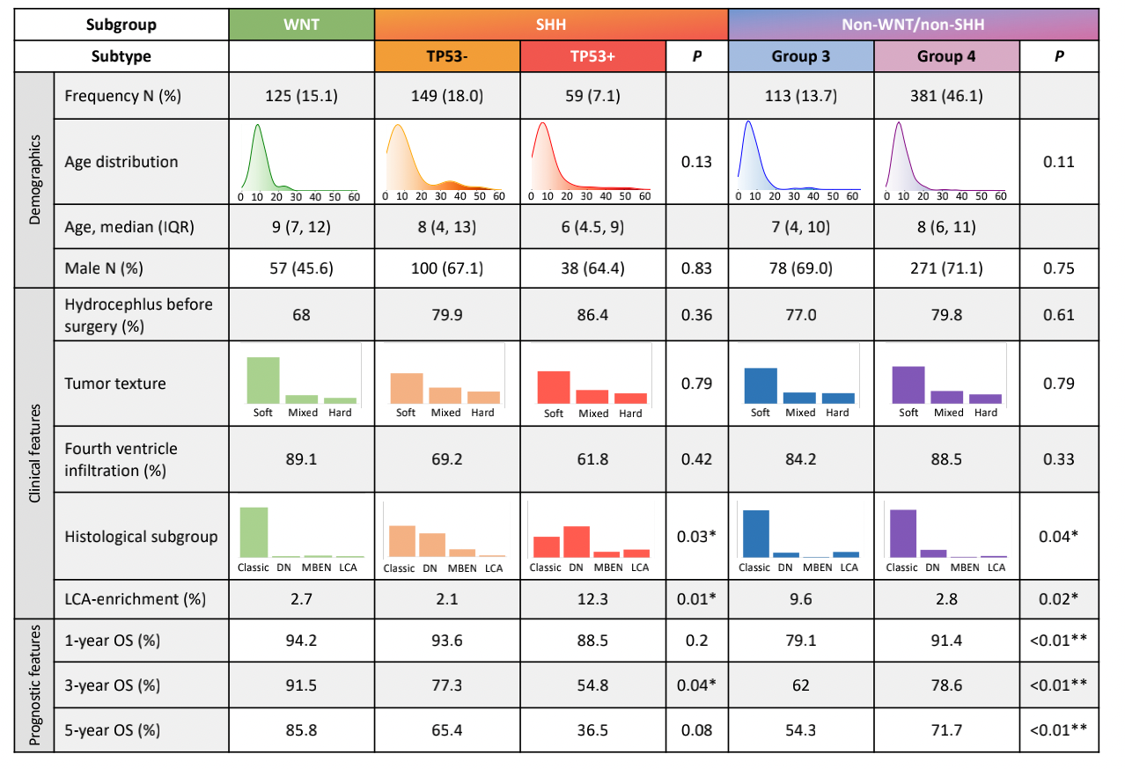
 | Variable | WNT | SHH | Group3 | Group4 | p-value(chi-square) | p-value(Fisher exact) | p-value(G-test) | SHH TP53+ | SHH TP53- | P-value
Location of the primary tumor
Six classes | midline vermis/fourth ventricle | 79 ( 68.10% ) | 90 ( 43.69% ) | 54 ( 56.25% ) | 186 ( 57.94% ) | <0.001 | <0.001 | <0.001 | 27(49.1%) | 60(47.2%) | 0.2674(chi-square) | 0.3572(fisher exact) | 0.2956(G-test)
 | fourth ventricle-uni-CPA | 21 ( 18.10% ) | 17 ( 8.25% ) | 14 ( 14.58% ) | 53 ( 16.51% ) |  |  |  | 4(7.3%) | 13(10.2%)
 | fourth ventricle-bi-CPA | 7 ( 6.03% ) | 17 ( 8.25% ) | 20 ( 20.83% ) | 61 ( 19.00% ) |  |  |  | 3(5.5%) | 12(9.4%)
 | cerebellar hemisphere | 1 ( 0.86% ) | 45 ( 21.84% ) | 0 ( 0.00% ) | 6 ( 1.87% ) |  |  |  | 12(21.8%) | 22(17.3%)
 | cerebellar hemisphere&midline/fourth ventricle | 6 ( 5.17% ) | 35 ( 16.99% ) | 7 ( 7.29% ) | 14 ( 4.36% ) |  |  |  | 7(12.7%) | 20(15.7%)
 | within CPA | 2 ( 1.72% ) | 2 ( 0.97% ) | 1 ( 1.04% ) | 1 ( 0.31% ) |  |  |  | 2(3.6%) | 0(0.0%)
 | total | 116 ( 100.00% ) | 206 ( 100.00% ) | 96 ( 100.00% ) | 321 ( 100.00% ) |  |  |  | 55(100.0%) | 127(100.0%)
Fourth-ventricle infiltration | N | 3 ( 2.59% ) | 47 ( 22.82% ) | 1 ( 1.04% ) | 7 ( 2.18% ) | <0.001 | <0.001 | <0.001 | 41(74.5%) | 104(82.5%)
 | Y | 113 ( 97.41% ) | 159 ( 77.18% ) | 95 ( 98.96% ) | 314 ( 97.82% ) |  |  |  | 14(25.5%) | 22(17.5%) | 0.2998(chi-square) | 0.2291(fisher exact) | 0.227(G-test)
 | total | 116 ( 100.00% ) | 206 ( 100.00% ) | 96 ( 100.00% ) | 321 ( 100.00% ) |  |  |  | 55(100.0%) | 126(100.0%)
Enhancement of the primary tumor
Enhancement pattern (#3) | none/minimal (<10%) | 66 (57.39%) | 91 (44.61%) | 58 (61.05%) | 125 (39.18%) | <0.001 | <0.001 | <0.001
 | heterogeneous (10%-50%) | 45 (39.13%) | 106 (51.96%) | 35 (36.84%) | 177 (55.49%)
 | diffuse (>=50%) | 4 (3.48%) | 7 (3.43%) | 2 (2.11%) | 17 (5.33%)
 | total | 115 (100.00%) | 204 (100.00%) | 95 (100.00%) | 319 (100.00%) |  |  |  | 55(100.00%) | 129(100.00%)
Enhancement ratio (#3) | median (Q1, Q3) | 34.80% (13.60%,53.85%) | 21.85% (10.25%,37.85%) | 32.60% (19.45%,47.15%) | 14.40% (6.75%,28.30%) | <0.001 (ANOVA) |  |  | 24.6%(10.65%,43.35%) | 20.3%(10.10%,33.60%) | 0.0703(ANOVA)
 | mean (std) | 34.46% (22.09%) | 25.49% (18.92%) | 34.87% (19.82%) | 19.66% (16.96%) | <0.001 (Kruskal-Wallis Rank Sum test) |  |  | 28.13%(20.13%) | 22.81%(17.22%) | 0.1325(Kruskal-Wallis Rank Sum test)
Ehancement intensity | similar (reference to arteriovenous vascular ) | 66 (57.39%) | 91 (44.61%) | 58 (61.05%) | 125 (39.18%) | <0.001 | <0.001 | <0.001 | 25(45.45%) | 55(42.97%) | 0.6902(chi-square) | 0.6044(G-test)
 | lower (reference to arteriovenous vascular ) | 45 (39.13%) | 106 (51.96%) | 35 (36.84%) | 177 (55.49%) |  |  |  | 29(52.73%) | 67(52.34%)
 | none | 4 (3.48%) | 7 (3.43%) | 2 (2.11%) | 17 (5.33%) |  |  |  | 1(1.82%) | 6(4.69%)
 | total | 115 (100.00%) | 204 (100.00%) | 95 (100.00%) | 319 (100.00%) |  |  |  | 55(100.00%) | 128(100.00%)
Other imaging features
Tumor Margin | well-defined | 70 (60.34%) | 88 (43.14%) | 62 (64.58%) | 208 (64.80%) | 0.013 | 0.008 | 0.013 | 23(41.8%) | 55(43.3%) | 0.9814(chi-square) | 0.872(fisher exact) | 0.8521(G-test)
 | ill-defined | 46 (39.66%) | 116 (56.86%) | 34 (35.42%) | 113 (35.20%) |  |  |  | 32(58.2%) | 72(56.7%)
 | total | 116 (100.00%) | 204 (100.00%) | 96 (100.00%) | 321 (100.00%) |  |  |  | 55(100.0%) | 127(100.0%)
Peritumoral edema | Y | 67 (57.76%) | 94 (46.08%) | 52 (54.17%) | 189 (58.88%) |  |  |  | 27(49.1%) | 63(49.6%) | 1(chi-square) | 1(fisher exact) | 0.9491(G-test)
 | N | 49 (42.24%) | 110 (53.92%) | 44 (45.83%) | 132 (41.12%) | 0.197 | 0.18 | 0.197 | 28(50.9%) | 64(50.4%)
 | total | 116 (100.00%) | 204 (100.00%) | 96 (100.00%) | 321 (100.00%) |  |  |  | 55(100.0%) | 127(100.0%)
Cystic change/necrosis | Y | 31 (26.72%) | 57 (27.94%) | 25 (26.04%) | 59 (18.38%) |  |  |  | 34(61.8%) | 93(73.2%) | 0.1727(chi-square) | 0.1593(fisher exact) | 0.128(G-test)
 | N | 85 (73.28%) | 147 (72.06%) | 71 (73.96%) | 262 (81.62%) | 0.218 | 0.231 | 0.218 | 21(38.2%) | 34(26.8%)
 | total | 116 (100.00%) | 204 (100.00%) | 96 (100.00%) | 321 (100.00%) |  |  |  | 55(100.0%) | 127(100.0%)
Hydrocephalus_before_Surgery | Y | 42 (31.82%) | 59 (23.32%) | 31 (26.96%) | 83 (21.45%) |  |  |  | 51(86.4%) | 118(80.8%)
 | N | 90 (68.18%) | 194 (76.68%) | 84 (73.04%) | 304 (78.55%) | 0.393 | 0.381 | 0.393 | 8(13.6%) | 28(19.2%) | 0.4505(chi-square) | 0.4196(fisher exact) | 0.3285(G-test)
 | total | 132 (100.00%) | 253 (100.00%) | 115 (100.00%) | 387 (100.00%) |  |  |  | 59(100.0%) | 146(100.0%)
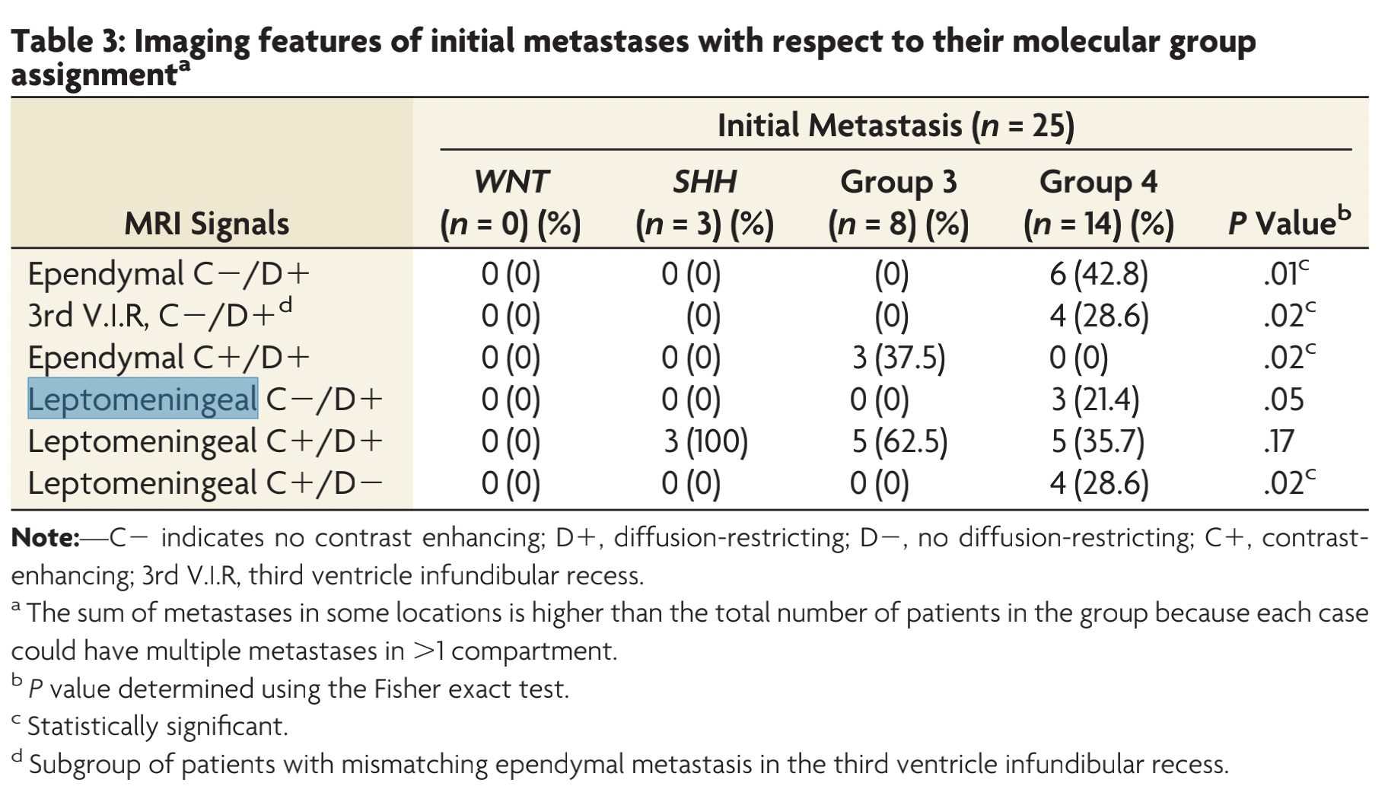
AllDissemination
M2 AllDissemination | Y | 103 (96.26%) | 160 (80.00%) | 67 (77.01%) | 241 (79.54%) | 0.004 | <0.001 | <0.001
 | N | 4 (3.74%) | 40 (20.00%) | 20 (22.99%) | 62 (20.46%)
 | total | 107 (100.00%) | 200 (100.00%) | 87 (100.00%) | 303 (100.00%)

Imaging features-Radiomics
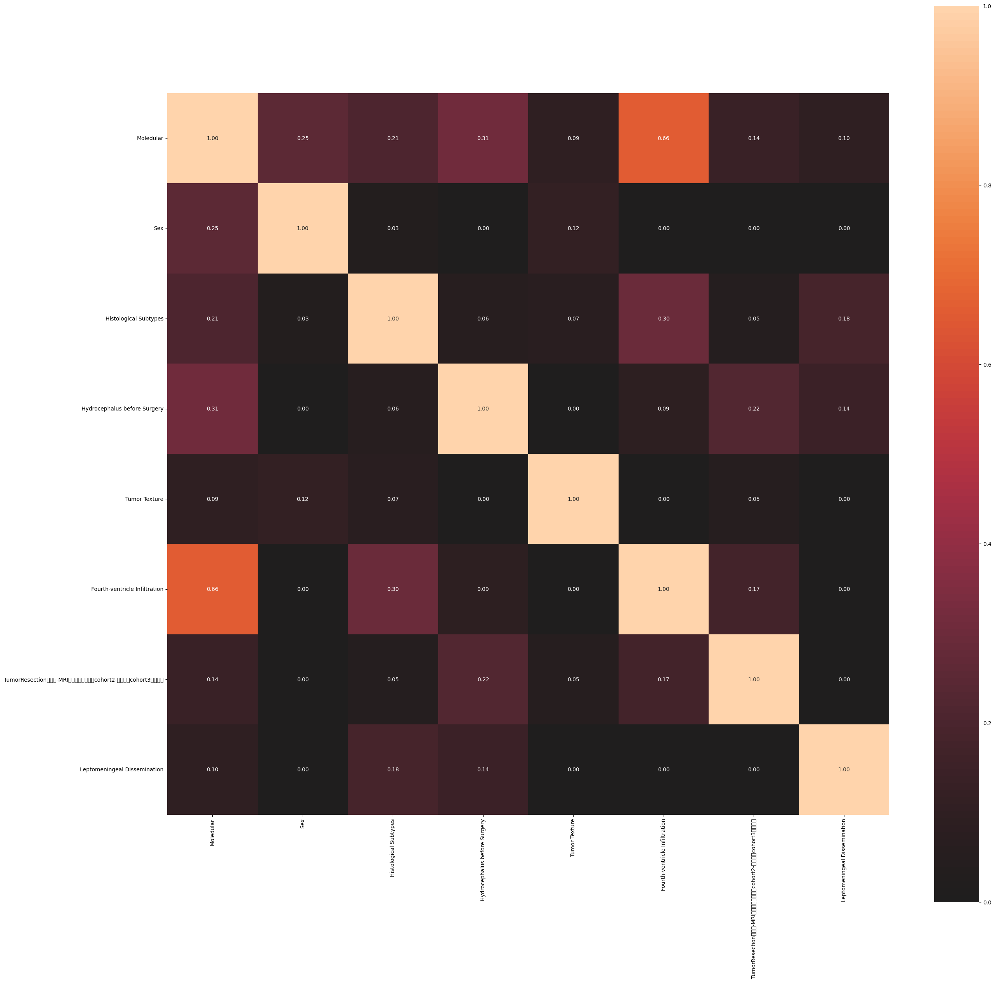
Correlation Table | T1E_lbp-2D_glrlm_RunLengthNonUniformity_x | T1E_lbp-3D-k_firstorder_Kurtosis_y | T1E_lbp-3D-m2_firstorder_TotalEnergy_y | T1E_log-sigma-1-mm-3D_glcm_ClusterShade_x | T1E_log-sigma-1-mm-3D_glrlm_ShortRunHighGrayLevelEmphasis_x | T1E_log-sigma-3-mm-3D_glcm_Autocorrelation_x | T1E_log-sigma-3-mm-3D_gldm_LargeDependenceHighGrayLevelEmphasis_x | T1E_log-sigma-3-mm-3D_glrlm_LongRunLowGrayLevelEmphasis_x | T1E_log-sigma-3-mm-3D_glszm_LowGrayLevelZoneEmphasis_x | T1E_log-sigma-5-mm-3D_firstorder_90Percentile_x | T1E_log-sigma-5-mm-3D_glrlm_LowGrayLevelRunEmphasis_x | T1E_wavelet-HLL_firstorder_Median_x | T1E_wavelet-LHL_firstorder_Mean_x | T1E_wavelet-LHL_firstorder_Median_x | T2_log-sigma-1-mm-3D_gldm_LowGrayLevelEmphasis_x | T2_original_glszm_LargeAreaEmphasis_y | T2_original_shape_Maximum3DDiameter_y | T2_wavelet-HHL_firstorder_Skewness_x | T2_wavelet-HHL_glcm_ClusterShade_x | T2_wavelet-HHL_glcm_SumSquares_x | T2_wavelet-HHL_glrlm_GrayLevelNonUniformityNormalized_x | T2_wavelet-HHL_glszm_GrayLevelNonUniformityNormalized_y | T2_wavelet-LLH_glcm_ClusterShade_y | T2_wavelet-LLH_gldm_DependenceNonUniformity_x | T2_wavelet-LLH_gldm_LargeDependenceLowGrayLevelEmphasis_x | T2_wavelet-LLH_glszm_ZoneEntropy_x
Fourth-ventricle Infiltration | 0.43 | 0.33 | 0.25 | 0.09 | 0.11 | 0.07 | 0.1 | 0.16 | 0.11 | 0.03 | 0.06 | 0.13 | 0.25 | 0.09 | 0.03 | 0.25 | 0.34 | 0.03 | 0.03 | 0.04 | 0.1 | 0.11 | 0.45 | 0.27 | 0.22 | 0.3
Leptomeningeal Dissemination | 0.06 | 0.15 | 0.05 | 0.13 | 0.06 | 0.04 | 0.01 | 0.1 | 0.05 | 0.05 | 0.05 | 0.1 | 0.08 | 0.01 | 0.05 | 0.06 | 0.02 | 0.1 | 0.05 | 0.03 | 0.01 | 0.01 | 0.04 | 0.09 | 0 | 0.03
Measurement | Correlation Ratio

