Dissemination未包含甲基化47例
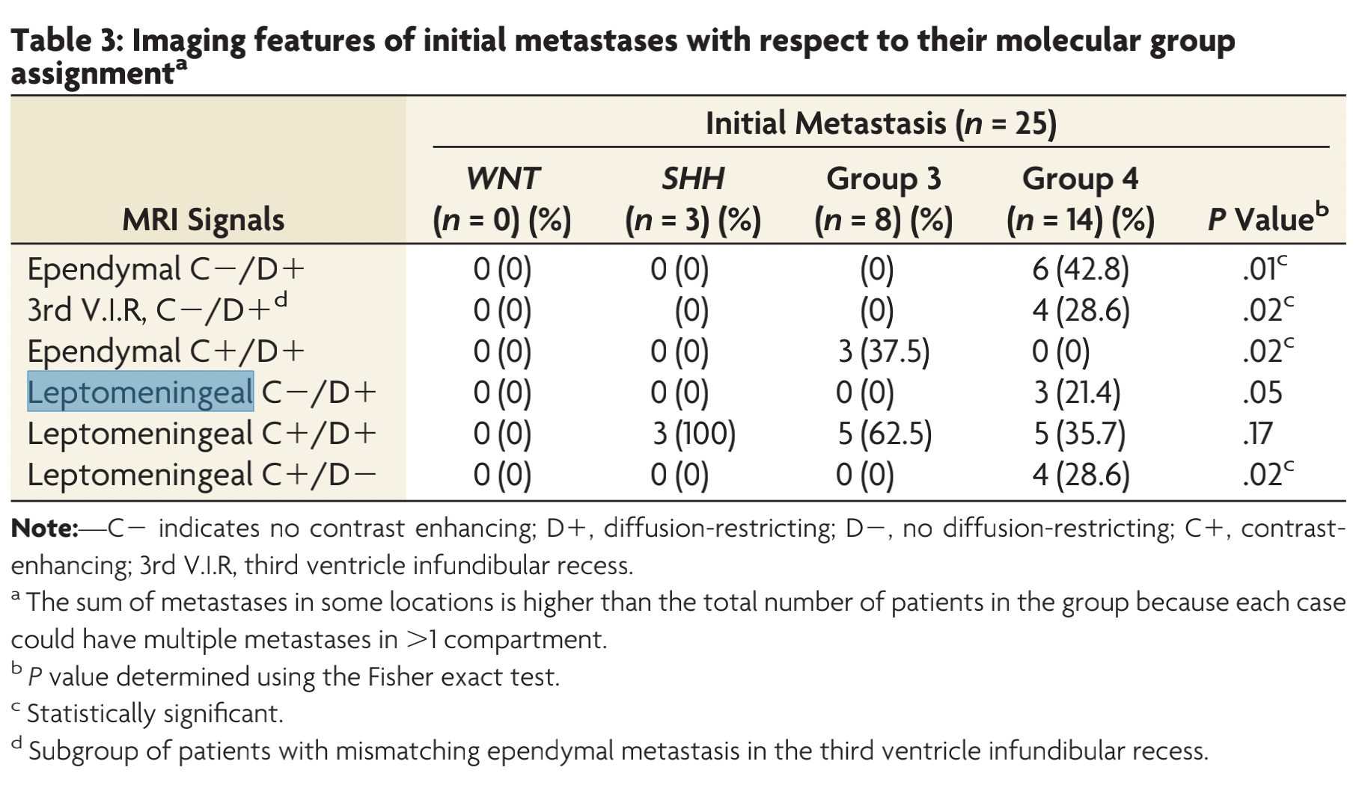
 | Subtype | WNT |  | SHH |  | Group3 |  | Group4 |  | Sum | P-value | SHH TP53+ |  | SHH TP53- |  | Sum | P-value
 | No. Of Subjects | 107 |  | 200 |  | 87 |  | 303 |  | 697 |  | 55 |  | 128
Intracranial solid metastases (M2, according to Chang's classification) |  |  |  |  |  |  |  |  |  |  |  | 11 | 20.00% | 25 | 19.53% | 36 | 1
M2 Dissemination |  | 4 | 3.7% | 40 | 20.0% | 20 | 23.0% | 62 | 20.5% | 126 | <0.001
Ependymal Dissemination (include 3rd V.I.R.)
Ependymal Dissemination | Ependymal C-/D+ | 0 | 0.0% | 3 | 50.0% | 0 | 0.0% | 15 | 71.4% | 18 | 0.082 | 1 | 33.33% | 2 | 66.67% | 3 | 1
 | Ependymal C+/D+ | 1 | 100.0% | 3 | 50.0% | 2 | 100.0% | 5 | 23.8% | 11 | 0.055 | 2 | 66.67% | 1 | 33.33% | 3 | 1
 | Ependymal C+/NA | 0 | 0.0% | 0 | 0.0% | 0 | 0.0% | 1 | 4.8% | 1 | 1.000 | 0 | 0.00% | 0 | 0.00% | 0
 | Total | 1 | 100.0% | 6 | 100.0% | 2 | 100.0% | 21 | 100.0% | 30 |  | 3 | 27.27% | 3 | 12.00% | 6 | 0.3428
Ependymal Dissemination |  | 1 | 25.0% | 6 | 15.0% | 2 | 10.0% | 21 | 33.9% | 30 | 0.051 | 3 | 27.27% | 3 | 12.00% | 6 | 0.3428
3rd V.I.R. Dissemination | 3rd V.I.R., C-/D+ | 0 | 0.0% | 1 | 11.1% | 0 | 0.0% | 7 | 31.8% | 8 | 0.255 | 1 | 50.00% | 0 | 0.00% | 1 | 0.2222
 | 3rd V.I.R., C+/D+ | 1 | 50.0% | 4 | 44.4% | 6 | 75.0% | 12 | 54.5% | 23 | 0.750 | 0 | 0.00% | 4 | 57.14% | 4 | 0.4286
 | 3rd V.I.R., C+/D- | 0 | 0.0% | 3 | 33.3% | 2 | 25.0% | 1 | 4.5% | 6 | 0.086 | 1 | 50.00% | 2 | 28.57% | 3 | 1
 | 3rd V.I.R., C+/NA | 1 | 50.0% | 1 | 11.1% | 0 | 0.0% | 2 | 9.1% | 4 | 0.242 | 0 | 0.00% | 1 | 14.29% | 1
 | Total | 2 | 100.0% | 9 | 100.0% | 8 | 100.0% | 22 | 100.0% | 41 |  | 2 | 18.18% | 7 | 28.00% | 9 | 0.6896
3rd V.I.R. Dissemination |  | 2 | 50.0% | 9 | 22.5% | 8 | 40.0% | 20 | 32.3% | 39 | 0.327
Ependymal + 3rd. V.I.R. Dissemination |  | 2 | 50.0% | 13 | 32.5% | 8 | 40.0% | 33 | 53.2% | 56 | 0.205 | 5 | 45.45% | 8 | 32.00% | 13 | 0.4748
Ependymal + 3rd. V.I.R. (C-/D+) Pattern |  | 0 | 0.0% | 4 | 10.0% | 0 | 0.0% | 18 | 29.0% | 22 | 0.005
LMD (including supratentorial and infratentorial)
Supratentorial LMD | Supratentorial LMD, C-/D+ | 0 | 0.0% | 1 | 7.7% | 0 | 0.0% | 0 | 0.0% | 1 | 1.000 | 0 | 0.00% | 1 | 14.29% | 1 | 1
 | Supratentorial LMD, C+/D+ | 1 | 100.0% | 5 | 38.5% | 1 | 33.3% | 5 | 41.7% | 12 | 0.900 | 2 | 33.33% | 3 | 42.86% | 5 | 1
 | Supratentorial LMD, C+/D- | 0 | 0.0% | 5 | 38.5% | 1 | 33.3% | 3 | 25.0% | 9 | 1.000 | 2 | 33.33% | 3 | 42.86% | 5 | 1
 | Supratentorial LMD, C+/NA | 0 | 0.0% | 2 | 15.4% | 1 | 33.3% | 4 | 33.3% | 7 | 0.597 | 2 | 33.33% | 0 | 0.00% | 2
 | Total | 1 | 100.0% | 13 | 100.0% | 3 | 100.0% | 12 | 100.0% | 29 |  | 6 | 54.55% | 7 | 28.00% | 13 | 0.1525
Supratentorial LMD |  | 1 | 25.0% | 13 | 32.5% | 3 | 15.0% | 12 | 19.4% | 29 | 0.324 | 6 | 54.55% | 7 | 28.00% | 13 | 0.1525
Infratentorial LMD | Infratentorial LMD, C-/D+ | 0 | 0.0% | 1 | 4.8% | 0 | 0.0% | 0 | 0.0% | 1 | 1.000 | 0 | 0.00% | 1 | 7.69% | 1 | 1
 | Infratentorial LMD, C+/D+ | 0 | 0.0% | 12 | 57.1% | 8 | 57.1% | 15 | 71.4% | 35 | 0.204 | 3 | 75.00% | 7 | 53.85% | 10 | 1
 | Infratentorial LMD, C+/D- | 0 | 0.0% | 3 | 14.3% | 4 | 28.6% | 1 | 4.8% | 8 | 0.180 | 1 | 25.00% | 1 | 7.69% | 2 | 1
 | Infratentorial LMD, C+/NA | 1 | 100.0% | 5 | 23.8% | 2 | 14.3% | 5 | 23.8% | 13 | 0.377 | 0 | 0.00% | 4 | 30.77% | 4
 | Total | 1 | 100% | 21 | 100.0% | 14 | 100.0% | 21 | 100.0% | 57 |  | 4 | 36.36% | 13 | 52.00% | 17 | 0.481
Infratentorial LMD |  | 1 | 25.0% | 21 | 52.5% | 14 | 82.4% | 21 | 36.8% | 57 | 0.017 | 4 | 36.36% | 13 | 52.00% | 17 | 0.481
Supratentorial + Infratentorial LMD | LMD, C-/D+ | 0 | 0.0% | 2 | 6.5% | 0 | 0.0% | 0 | 0.0% | 2 | 0.517 | 0 | 0.00% | 2 | 10.53% | 2 | 1
 | LMD, C+/D+ | 1 | 50.0% | 16 | 51.6% | 8 | 57.1% | 20 | 62.5% | 45 | 0.547 | 4 | 50.00% | 10 | 52.63% | 14 | 1
 | LMD, C+/D- | 0 | 0.0% | 6 | 19.4% | 4 | 28.6% | 4 | 12.5% | 14 | 0.637 | 2 | 25.00% | 3 | 15.79% | 5 | 0.5975
 | LMD, C+/NA | 1 | 50.0% | 7 | 22.6% | 2 | 14.3% | 8 | 25.0% | 18 | 0.654 | 2 | 25.00% | 4 | 21.05% | 6
 | Total | 2 | 100.0% | 31 | 100.0% | 14 | 100.0% | 32 | 100.0% | 79 |  | 8 | 72.73% | 19 | 76.00% | 27 | 1
Supratentorial + Infratentorial LMD |  | 2 | 50.0% | 31 | 77.5% | 14 | 70.0% | 32 | 51.6% | 79 | 0.040

