Test Cases
Test Case ID | Feature/Module | Pri | Test Category | Test Case | Automatable? | Browser Dependent? | Test Steps | Test Data | Expected Result | Status (Pass/Fail)
Test_01 | Sign up functionality | P1 | Functional - Positive | Verify user should be able to sign up successfully by providing all the correct details | Yes | No | 1. Launch the brower. 2. Navigate to Sign up page using this url - https://www.hackerrank.com/auth/signup 3. Click on the First and Last name section and enter required data 4. Click on the Email section and enter correct full name. 5. Click on the password section and enter password minimum 6 character long 6. Select the privacy policy and Term of service check box 7. Click on create an account button |  | User should be able to sign up An land on this screen | Pass
Test 02 | Sign up functionality | P1 | Functional - Negative | Verify user should not be able to sign up if Last name is not provided | Yes | No | 1. Launch the brower. 2. Navigate to Sign up page using this url - https://www.hackerrank.com/auth/signup 3. Click on the First and Last name section and enter only first name 4. Click on the Email section and enter correct email 5. Click on the password section and enter password minimum 6 character long 6. Select the privacy policy and Term of service check box 7. Click on create an account button |  | User should not be able top sign up We will obsreve a red obstruction logo while tapping on create account button | pass
Test 02 | Sign up functionality | P1 | Functional - Negative | Verify user should not be able to sign up if incorrect or already reagistered email id is used | Yes | No | 1. Launch the brower. 2. Navigate to Sign up page using this url - https://www.hackerrank.com/auth/signup 3. Click on the First and Last name section and enter correct name 4. Click on the Email section and enter incorrect email or already registered email. 5. Click on the password section and enter password minimum 6 character long 6. Select the privacy policy and Term of service check box 7. Click on create an account button |  | User should not be able top sign up We will obsreve a red obstruction logo while tapping on create account button | pass
Test 03 | Sign up functionality | P1 | Functional - Negative | Verfiy User should not be able to sign up if the password is less the 6 character | Yes | No | 1. Launch the brower. 2. Navigate to Sign up page using this url - https://www.hackerrank.com/auth/signup 3. Click on the First and Last name section and enter correct name 4. Click on the Email section and enter incorrect email or already registered email. 5. Click on the password section and enter password having less than 6 characters 6. Select the privacy policy and Term of service check box 7. Click on create an account button |  | User should not be able top sign up We will obsreve a red obstruction logo while tapping on create account button | pass
Test 04 | Sign up functionality | P1 | Functional - Negative | Verify user sholud not be able to isgn up if the privacy policy and term of service check box is not selected | Yes | No | 1. Launch the brower. 2. Navigate to Sign up page using this url - https://www.hackerrank.com/auth/signup 3. Click on the First and Last name section and enter correct name 4. Click on the Email section and enter incorrect email or already registered email. 5. Click on the password section and enter password having less than 6 character 7. Click on create an account button |  | User should not be able top sign up We will obsreve a red obstruction logo while tapping on create account button | Pass
Test 05 | Connect with third party emails | P1 | Functional - Positive | Verify user should be able to connect with third party email option | Yes | No | 1. Launch the brower. 2. Navigate to Sign up page using this url - https://www.hackerrank.com/auth/signup 3. In the bottom "or connect with" third party email options should be avilable. 4. Click on each of third part connect option |  | A different page of third party own sign in page should be observed and option should be clikcable and working fine, | pass
Test 06 | Privacy policy and terms of service data | P1 | Functional - Positive | Verify user should be able to open the privacy policy and terms of service agreement. | Yes | No | 1. Launch the brower. 2. Navigate to Sign up page using this url - https://www.hackerrank.com/auth/signup 3. In the bottom tap on the terms of srevice and privacy policy hyper link. |  | A seperate page for each terms of service and privacy policy should be open and the user could able to observe the required data. | pass
Test 07 | UI and UX | P1 | UI Validation | Verify user should be able to observe the expected UI and UX page with correct strings and no discrepancy | No | No | 1. Launch the brower. 2. Navigate to Sign up page using this url - https://www.hackerrank.com/auth/signup 3. Observe all the logos and strings should be observed with exoected UI and UX behavior |  | 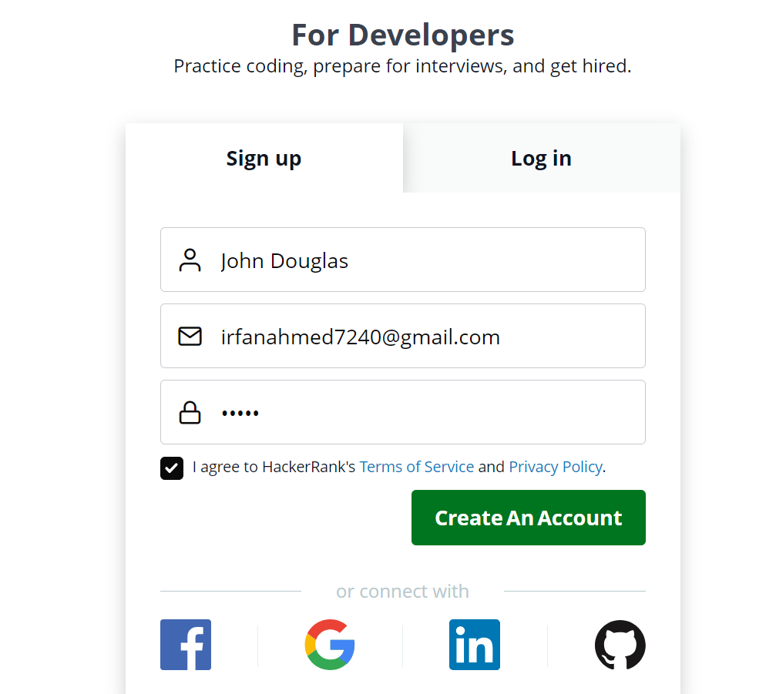 | Pass
Test 08 | SIgn up | P2 | Functional - Positive | Verify hovering over each empty text box we can see a instrucional message | Yes | No | 1. Launch the brower. 2. Navigate to Sign up page using this url - https://www.hackerrank.com/auth/signup 3. Hover the mouse on each below text box section and observe - First Name and Last Name - Email - Your Password |  | For each particualr textbox below message should be observed - Enter first name and last name - Invalid Email address - Password should be at least 6 characters long | Pass

