Sheet1

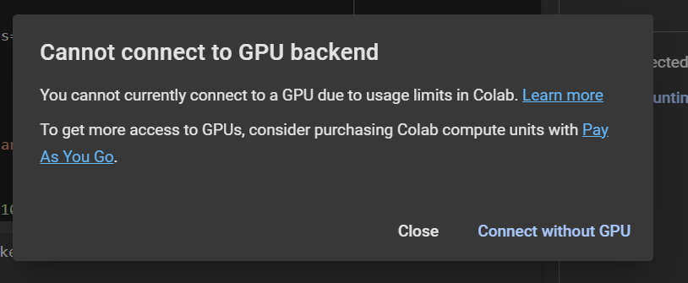
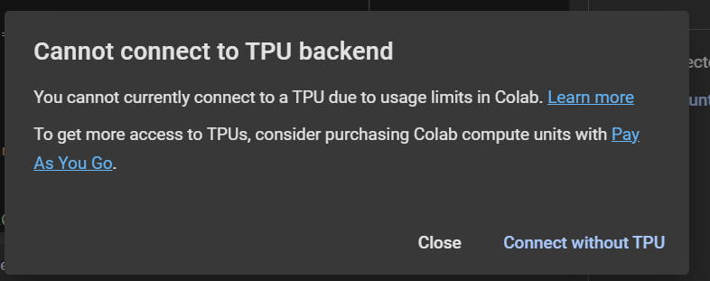
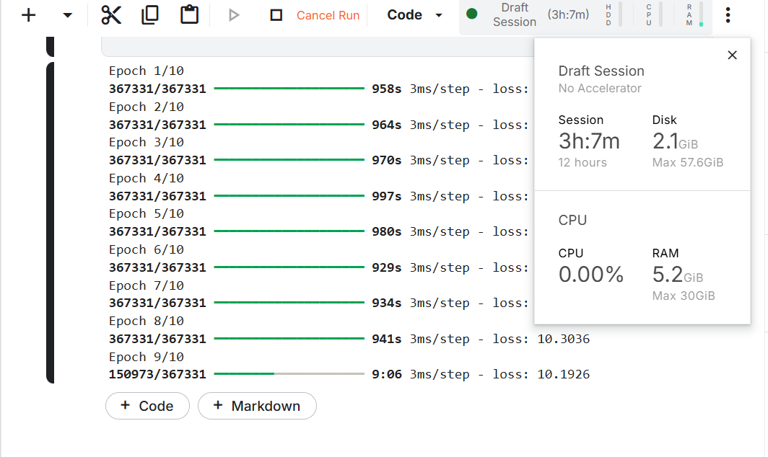
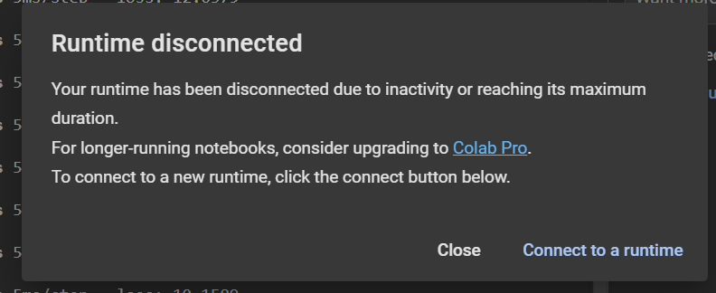
Error/Problem type | Description
Key Error | KeyError: 'pickup_datetime'
 | The above exception was the direct cause of the following exception:

 | 3810 ):
 | 3811 raise InvalidIndexError(key)
 | -> 3812 raise KeyError(key) from err
 | 3813 except TypeError:
 | 3814 # If we have a listlike key, _check_indexing_error will raise

 | KeyError: 'pickup_datetime'
Value Error | alueError Traceback (most recent call last)
 | <ipython-input-14-d1c6b74ffc5f> in <cell line: 3>()
 | 1 from sklearn.preprocessing import StandardScaler
 | 2 scaler = StandardScaler()
 | ----> 3 data[['trip_distance', 'trip_duration']] = scaler.fit_transform(data[['trip_distance', 'trip_duration']])

 | 6 frames

 | /usr/local/lib/python3.10/dist-packages/sklearn/utils/validation.py in check_array(array, accept_sparse, accept_large_sparse, dtype, order, copy, force_writeable, force_all_finite, ensure_all_finite, ensure_non_negative, ensure_2d, allow_nd, ensure_min_samples, ensure_min_features, estimator, input_name)
 | 1128 n_samples = _num_samples(array)
 | 1129 if n_samples < ensure_min_samples:
 | -> 1130 raise ValueError(
 | 1131 "Found array with %d sample(s) (shape=%s) while a"
 | 1132 " minimum of %d is required%s."

 | ValueError: Found array with 0 sample(s) (shape=(0, 2)) while a minimum of 1 is required by StandardScaler.

 | NameError Traceback (most recent call last)
 | <ipython-input-47-7d19c3c319a5> in <cell line: 3>()
 | 1 # LSTM/BiLSTM and CNN
 | 2 model = Sequential()
 | ----> 3 model.add(Conv1D(filters=64, kernel_size=3, activation='relu', input_shape=(timesteps, features)))
 | 4 model.add(MaxPooling1D(pool_size=2))
 | 5 model.add(Bidirectional(LSTM(50, return_sequences=True)))

 | NameError: name 'timesteps' is not defined

 | ---------------------------------------------------------------------------
 | ValueError Traceback (most recent call last)
 | <ipython-input-52-00fd77463145> in <cell line: 1>()
 | ----> 1 history = model.fit(X_train, y_train, epochs=50, validation_data=(X_test, y_test))

 | 1 frames

 | /usr/local/lib/python3.10/dist-packages/keras/src/models/functional.py in _adjust_input_rank(self, flat_inputs)
 | 242 adjusted.append(ops.expand_dims(x, axis=-1))
 | 243 continue
 | --> 244 raise ValueError(
 | 245 f"Invalid input shape for input {x}. Expected shape "
 | 246 f"{ref_shape}, but input has incompatible shape {x.shape}"

 | ValueError: Exception encountered when calling Sequential.call().

 | Invalid input shape for input Tensor("data:0", shape=(None, 3), dtype=float32). Expected shape (None, 10, 5), but input has incompatible shape (None, 3)

 | Arguments received by Sequential.call():
 | • inputs=tf.Tensor(shape=(None, 3), dtype=float32)
 | • training=True
 | • mask=None

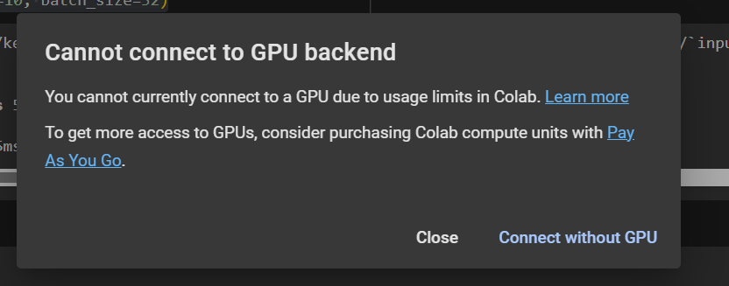
Limit Exceed

