range2-5
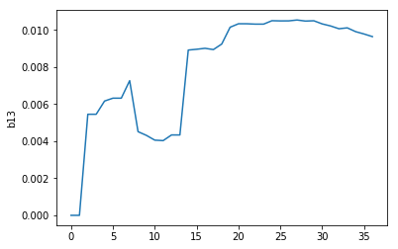
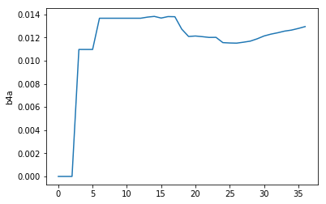
 | 5l | E_ads |  |  |  |  |  |  |  |  |  |  |  | H2-siesta
 |  |  |  |  |  |  |  |  |  |  |  |  |  | -31.621321
pt | -64040.612581 |  |  |  |  |  |  |  |  |  |  |  | H-theory | H
short-bridge | -64057.222186 | -0.7989445 |  | b1a | b12 | b1b | b13 | b4a | b19 | b19b |  |  | -31.621 | -13.548 | -15.8106605
b1b (b27) | -64073.824419 | -1.590517 | 0.007372 | 0 | 0 | 1 | 0 | 0 | 0 | 0 |  |  |  | chạy lại H chỉ 1 H theo setup ban đầu |  |  | -12.276583
b12 | -64073.795804 | -1.561902 | 0.035986999996 | 0 | 1 | 0 | 0 | 0 | 0 | 0
b13 | -64073.826342 | -1.59244 | 0.0054489999966 | 0 | 0 | 0 | 1 | 0 | 0 | 0
b4a | -64073.820822 | -1.58692 | 0.010968999995 | 0 | 0 | 0 | 0 | 1 | 0 | 0 | SUMMARY OUTPUT
b123 | -64090.389737 | -2.3451745 | 0.051658999997 | 0 | 1 | 1 | 1 | 0 | 0 | 0
b124 | -64090.397914 | -2.3533515 | 0.043481999994 | 0 | 1 | 0 | 1 | 0 | 0 | 0 | Regression Statistics
ba47 | -64090.412713 | -2.3681505 | 0.028682999997 | 0 | 0 | 0 | 0 | 2 | 0 | 0 | Multiple R | 0.99938535949
b129 | -64090.372092 | -2.3275295 | 0.069303999997 | 0 | 2 | 0 | 0 | 0 | 1 | 0 | R Square | 0.99877109677
b135 | -64090.429834 | -2.3852715 | 0.011561999992 | 0 | 0 | 0 | 3 | 0 | 0 | 0 | Adjusted R Square | 0.968281869
b1234 | -64106.964669 | -3.109446 | 0.086331999992 | 0 | 2 | 1 | 2 | 0 | 0 | 0 | Standard Error | 0.012896010086
b1239 | -64106.969995 | -3.114772 | 0.081005999993 | 0 | 2 | 1 | 2 | 0 | 1 | 0 | Observations | 39
b1249 | -64106.96843 | -3.113207 | 0.082570999992 | 0 | 2 | 1 | 1 | 0 | 1 | 0
b1352 | -64106.993029 | -3.137806 | 0.057971999995 | 0 | 1 | 1 | 3 | 0 | 0 | 0 | ANOVA
ba479 | -64106.996972 | -3.141749 | 0.054028999992 | 0 | 0 | 1 | 1 | 3 | 0 | 0 |  | df | SS | MS | F | Significance F
b1357i3 | -64123.59528 | -3.9293965 | 0.065325999989 | 0 | 0 | 0 | 6 | 0 | 2 | 2 | Regression | 6 | 4.4603911663 | 0.74339852772 | 4470.0354609 | 2.5260098983E-45
b12345 | -64123.548548 | -3.8826645 | 0.11205799999 | 0 | 2 | 2 | 4 | 0 | 0 | 0 | Residual | 33 | 0.0054881335124 | 0.00016630707613
b12349 | -64123.53324 | -3.8673565 | 0.12736599999 | 0 | 3 | 2 | 3 | 0 | 1 | 0 | Total | 39 | 4.4658792998
b12359 | -64123.55748 | -3.8915965 | 0.10312599999 | 0 | 2 | 1 | 4 | 0 | 1 | 1
b12i0i7i89 | -64140.104766 | -4.628222 | 0.16544499999 | 0 | 6 | 0 | 0 | 0 | 6 | 0 |  | Coefficients | Standard Error | t Stat | P-value | Lower 95% | Upper 95% | Lower 95.0% | Upper 95.0%
b12357i3 | -64140.14053 | -4.663986 | 0.12968099999 | 0 | 1 | 2 | 6 | 0 | 2 | 2 | Intercept | 0 | #N/A | #N/A | #N/A | #N/A | #N/A | #N/A | #N/A
6b13579i1 | -64140.175926 | -4.699382 | 0.094284999985 | 0 | 0 | 0 | 9 | 0 | 3 | 3 | X Variable 1 | 0.024408265493 | 0.0036287616894 | 6.7263346514 | 1.1568323352E-07 | 0.017025494325 | 0.031791036661 | 0.017025494325 | 0.031791036661
6b123456 | -64140.092383 | -4.615839 | 0.17782799999 | 0 | 3 | 3 | 6 | 0 | 0 | 0 | X Variable 2 | 0.012332252621 | 0.0041517089386 | 2.9704039478 | 0.0055098800515 | 0.003885537275 | 0.020778967967 | 0.003885537275 | 0.020778967967
6b123459 | -64140.100874 | -4.62433 | 0.16933699998 | 0 | 3 | 3 | 5 | 0 | 1 | 1 | X Variable 3 | 0.013498748868 | 0.0012293395084 | 10.980488934 | 1.4789793735E-12 | 0.010997638833 | 0.015999858904 | 0.010997638833 | 0.015999858904
7b12i0i7i898 | -64156.680456 | -5.3932515 | 0.19935999998 | 0 | 6 | 1 | 2 | 0 | 6 | 1 | X Variable 4 | 0.010923499678 | 0.0035488273993 | 3.0780588767 | 0.0041741491123 | 0.0037033560465 | 0.01814364331 | 0.0037033560465 | 0.01814364331
7b12357i34 | -64156.692352 | -5.4051475 | 0.18746399999 | 0 | 2 | 3 | 7 | 0 | 2 | 2 | X Variable 5 | 0.0038986291663 | 0.0039516120559 | 0.98659208221 | 0.33102155084 | -0.004140986011 | 0.011938244343 | -0.004140986011 | 0.011938244343
7b1234567 | -64156.644838 | -5.3576335 | 0.23497799999 | 0 | 4 | 4 | 7 | 0 | 1 | 1 | X Variable 6 | -0.014594367689 | 0.0043831309523 | -3.3296672738 | 0.0021483810192 | -0.023511914662 | -0.0056768207153 | -0.023511914662 | -0.0056768207153
8b12345678 | -64173.21637 | -6.118505 | 0.27305099998 | 0 | 5 | 4 | 8 | 0 | 2 | 2
9b123456789 | -64189.759487 | -6.8509615 | 0.33953899998 | 0 | 6 | 6 | 10 | 0 | 3 | 3
10b123456789i0 | -64206.33083 | -7.611644 | 0.37780099998 | 0 | 7 | 6 | 12 | 0 | 4 | 4
11b123456789i0i1 | -64222.867629 | -8.3377825 | 0.45060699998 | 0 | 8 | 8 | 15 | 0 | 5 | 5 | SUMMARY OUTPUT
12b123456789i0i1i2 | -64239.428451 | -9.087944 | 0.49938999998 | 0 | 9 | 9 | 18 | 0 | 6 | 6
13b123456789i0i1i2i3 | -64255.982251 | -9.8310835 | 0.55519499997 | 0 | 10 | 10 | 20 | 0 | 8 | 8 | Regression Statistics
14b123456789i0i1i2i3i4 | -64272.532045 | -10.570217 | 0.61500599997 | 0 | 12 | 11 | 22 | 0 | 10 | 10 | Multiple R | 0.99872297837
15b123456789i0i1i2i3i4i5 | -64289.054872 | -11.2823835 | 0.70178399997 | 0 | 13 | 13 | 25 | 0 | 12 | 12 | R Square | 0.99744758752
16b123456789i0i1i2i3i4i5i6 | -64305.607303 | -12.024154 | 0.75895799997 | 0 | 15 | 14 | 28 | 0 | 14 | 14 | Adjusted R Square | 0.96865738074
17b123456789i0i1i2i3i4i5i6i7 | -64322.127704 | -12.7338945 | 0.84816199997 | 0 | 16 | 16 | 32 | 0 | 16 | 16 | Standard Error | 0.01804657945
18b123456789i0i1i2i3i4i5i6i7i8 | -64338.647262 | -13.442792 | 0.93820899996 | 0 | 18 | 18 | 36 | 0 | 18 | 18 | Observations | 39
b1a | -64073.78368 | -1.549778 | 0.048110999996 | 1 | 0 | 0 | 0 | 0 | 0 | 0
b1a3 | -64090.298675 | -2.2541125 | 0.142721 | 2 | 0 | 0 | 1 | 0 | 0 | 0 | ANOVA
b1a4 | -64090.37595 | -2.3313875 | 0.065445999993 | 1 | 0 | 0 | 0 | 1 | 0 | 0 |  | df | SS | MS | F | Significance F
b24a3 | -64106.916719 | -3.061496 | 0.13428199999 | 2 | 1 | 1 | 1 | 1 | 0 | 0 | Regression | 4 | 4.4544805338 | 1.1136201334 | 3419.379301 | 9.0979198153E-44
b123a | -64106.815552 | -2.960329 | 0.23544899999 | 3 | 1 | 1 | 1 | 0 | 0 | 0 | Residual | 35 | 0.011398766045 | 0.00032567902985
b124a | -64106.872262 | -3.017039 | 0.178739 | 2 | 1 | 0 | 1 | 1 | 0 | 0 | Total | 39 | 4.4658792998
ba419 | -64106.950879 | -3.095656 | 0.10012199999 | 1 | 0 | 1 | 0 | 2 | 1 | 0
ba471 | -64106.961837 | -3.106614 | 0.08916399999 | 1 | 0 | 0 | 1 | 2 | 0 | 0 |  | Coefficients | Standard Error | t Stat | P-value | Lower 95% | Upper 95% | Lower 95.0% | Upper 95.0%
b12a79 | -64123.42102 | -3.7551365 | 0.23958599999 | 2 | 2 | 1 | 2 | 2 | 1 | 0 | Intercept | 0 | #N/A | #N/A | #N/A | #N/A | #N/A | #N/A | #N/A
b123a9 | -64123.388494 | -3.7226105 | 0.27211199999 | 3 | 2 | 1 | 2 | 1 | 1 | 0 | b12 | 0.02814 | 0.0020398369119 | 13.793576582 | 1.024386922E-15 | 0.023995557571 | 0.032277735745 | 0.023995557571 | 0.032277735745
b1234a | -64123.376656 | -3.7107725 | 0.28394999999 | 3 | 2 | 1 | 2 | 1 | 0 | 0 | b1b | 0.00676 | 0.0035775352626 | 1.8891219155 | 0.067183547058 | -0.00050438243202 | 0.014021182968 | -0.00050438243202 | 0.014021182968
ba'2349 | -64123.2938 | -3.6279165 | 0.36680599999 | 4 | 2 | 2 | 2 | 0 | 0 | 0 | b13 | 0.00964 | 0.0014617038427 | 6.5920689258 | 1.2923367466E-07 | 0.0066682359203 | 0.01260306904 | 0.0066682359203 | 0.01260306904
b14 | -64073.826314 | -1.592412 | 0.0054769999988 | 0 | 0 | 0 | 0 | 0 | 0 | 0 | b4a | 0.01295 | 0.0048543276145 | 2.6668375124 | 0.011514817687 | 0.0030908940034 | 0.022800511957 | 0.0030908940034 | 0.022800511957
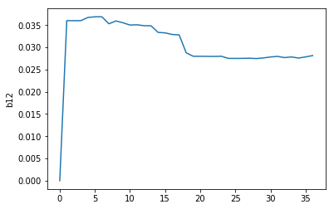
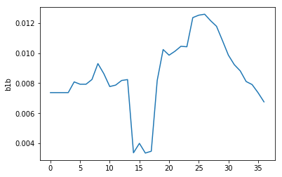
b19 | -64073.820087 | -1.586185 | 0.011703999997 | 0 | 0 | 0 | 0 | 0 | 1 | 0

