Sheet1
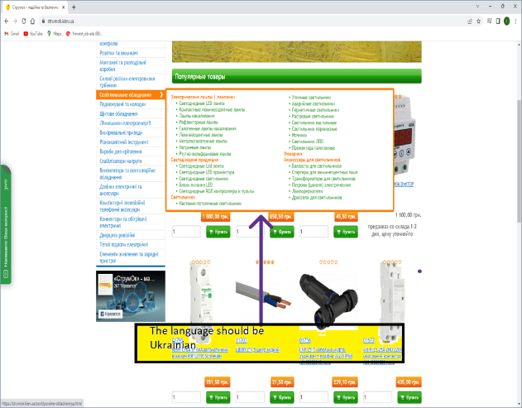
 | Summary | Steps to reproduce | Actual result | Expected result | Environment | Priority | Attachment
 |  |  |  |  |  | Minor
1 | On the home page,when navigate the mouse over the content of the catalog, the content is displayed in Russian | 1. Open the page https://strumok.kiev.ua/ 2.Start to navigate mouse in the catalog from the content "Кабель провід дріт" | Content display on Russian language | Content display on Ukrainian language | Google Chrome.Ink, 08.01.2023, 12:16 PM

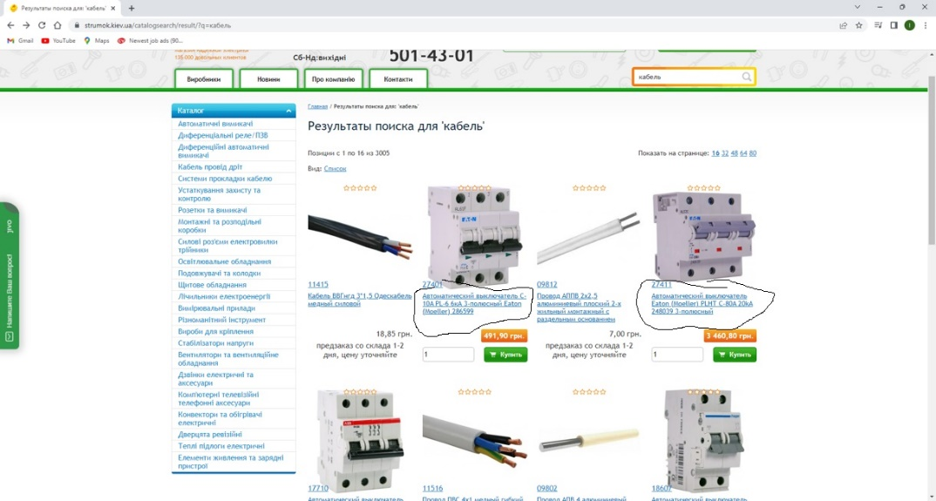
2 | On the home page, in the Search field,when searching with a keyword, the page doesnt show the product which has a requested word in the title | 1. Open the page https://strumok.kiev.ua/ 2. Enter in Search field the word "кабель" 3. Click Search | The page shows a products which doesnt have in the title a requested word "кабель" | The page shows all product with requested word in the title "кабель" | Google Chrome.Ink, 08.01.2023, 12:25 PM | Minor

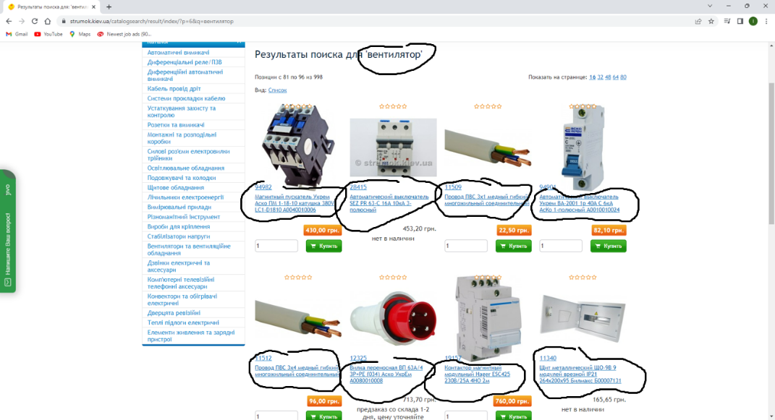
 |  | 1. Open the page https://strumok.kiev.ua/ 2. Enter in Search field the word "вентилятор" 3. Click Search 4. Click on the page number 6 | The page shows a products which doesnt have in the title a requested word "вентилятор" | The page shows all product with requested word in the title "вентилятор" | Google Chrome.Ink, 08.01.2023, 12:30 PM

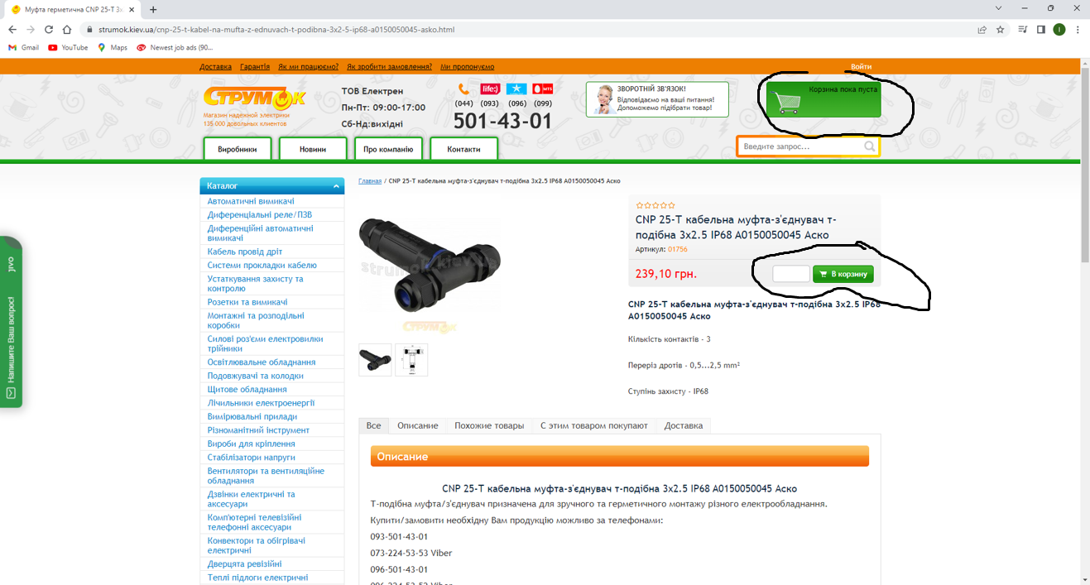
3 | When trying to add an item to the shopping cart, impossible to put the item in the shopping cart | 1. Open the page https://strumok.kiev.ua/ 2. Enter in Search field the number of product "01756" 3. Click Search 4. Click on the picture of product 4. Click the button "В корзину" | Item not added to the shopping cart | Item added to the shopping cart | Google Chrome.Ink, 08.01.2023, 12:40 PM | Major

