Sheet1
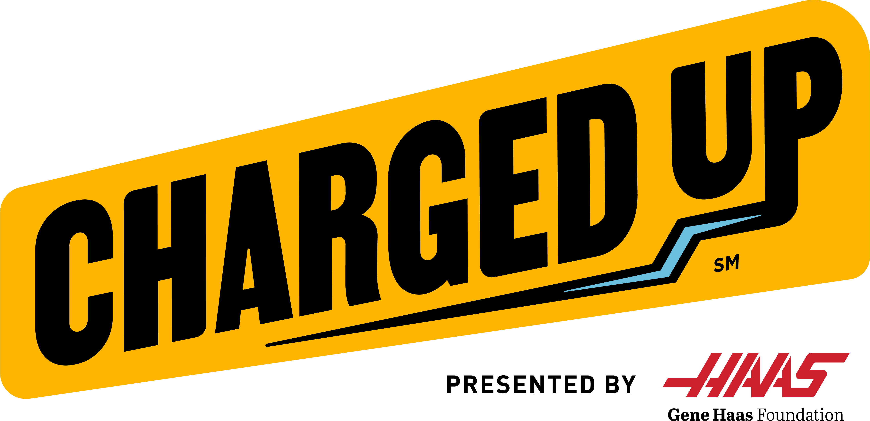
Team Number:
 |  |  |  | Comments

 |  |  |  | Autonomous |  |  |  |  |  |  |  |  | Teleoperated |  |  |  |  |  |  | End of Match
Scout Initials |  | MATCH NUMBER | Match Number | Starting Location | Preload (0/1) | Game Piece ACQUIRED | Game Piece HYBRID NODE | Game Piece MIDDLE NODE | Game Piece TOP NODE | Game Piece DROPPED | Mobility Bonus (0/1 | Docked/Engaged(0/1/2) | Game Piece ACQUIRED | Game Piece HYBRID NODE | Game Piece MIDDLE NODE | Game Piece TOP NODE | Game Piece DROPPED | Defensive Maneuvers PERFORMED | Defensive Maneuvers ENCOUNTER | PARKED/DOCKED/ENGAGES (0/1/2/3) | # Fouls | #Technical Fouls

 | Q1
 | Q2
 | Q3
 | Q4
 | Q5
 | Q6
 | Q7
 | Q8
 | Q9
 | Q10
 | Q11
 | Q12
 | Q13
 | Q14

