You 1993
Age specific prevalence of gastric cancer and precanerous lesions from You 1993 (high risk in China)

MALE
FEMALE
sex | age | No. of cases | Normal | Gastritis | Atrophic gastritis | Intestinal metaplasia | dysplasia | Gastric cancer
Male | 35-39 | 523 | 0.0% | 2.7% | 53.5% | 26.0% | 17.4% | 0.4% | 100%
 | 40-44 | 374 | 0.0% | 1.6% | 45.7% | 32.4% | 20.3% | 0.0% | 100%
 | 45-49 | 192 | 0.0% | 1.6% | 43.2% | 32.8% | 21.9% | 0.5% | 100%
 | 50-54 | 256 | 0.0% | 3.0% | 32.7% | 34.6% | 29.2% | 0.4% | 100%
 | 55-59 | 250 | 0.0% | 1.6% | 26.4% | 40.4% | 30.8% | 0.8% | 100%
 | 60-64 | 197 | 0.0% | 0.0% | 26.9% | 34.5% | 36.5% | 2.0% | 100%
 | TOTAL | 1792 | 0.0% | 1.8% | 41.1% | 32.2% | 24.1% | 0.6% | 100%

sex | age | No. of cases | Normal | Gastritis | Atrophic gastritis | Intestinal metaplasia | dysplasia | Gastric cancer
female | 35-39 | 488 | 0.0% | 2.7% | 57.4% | 30.1% | 9.8% | 0.0% | 100%
 | 40-44 | 389 | 0.0% | 1.8% | 55.3% | 28.5% | 14.4% | 0.0% | 100%
 | 45-49 | 197 | 0.0% | 0.5% | 50.3% | 37.6% | 10.7% | 1.0% | 100%
 | 50-54 | 211 | 0.0% | 0.0% | 37.4% | 43.1% | 19.0% | 0.5% | 100%
 | 55-59 | 204 | 0.0% | 1.0% | 37.7% | 37.3% | 24.0% | 0.0% | 100%
 | 60-64 | 119 | 0.0% | 0.8% | 30.3% | 38.7% | 30.3% | 0.0% | 100%
 | TOTAL | 1608 | 0.0% | 1.5% | 48.9% | 33.9% | 15.5% | 0.2% | 100%

sex | age |  | Normal | Gastritis | Atrophic gastritis | Intestinal metaplasia | dysplasia | Gastric cancer
50:50 both | 35-39 |  | 0.0% | 2.7% | 55.5% | 28.0% | 13.6% | 0.2% | 100%
 | 40-44 |  | 0.0% | 1.7% | 50.5% | 30.5% | 17.4% | 0.0% | 100%
 | 45-49 |  | 0.0% | 1.1% | 46.8% | 35.2% | 16.3% | 0.8% | 100%
 | 50-54 |  | 0.0% | 1.5% | 35.1% | 38.8% | 24.1% | 0.5% | 100%
 | 55-59 |  | 0.0% | 1.3% | 32.1% | 38.9% | 27.4% | 0.4% | 100%
 | 60-64 |  | 0.0% | 0.4% | 28.6% | 36.6% | 33.4% | 1.0% | 100%
 | OVERALL |  | 0.0% | 1.7% | 45.0% | 33.1% | 19.8% | 0.4% | 100%

Kang 2015
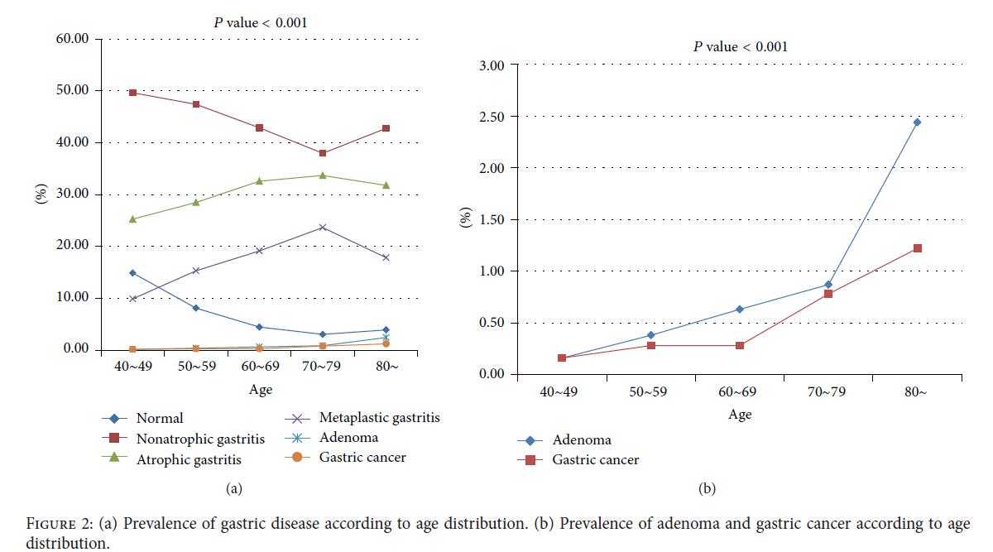
Age-specific prevalence of pre-cancer states (each age group is 100%)
Age specific prevalence of gastric cancer and precanerous lesions from Kang 2015 (Korea)
sex | age | fig 2 | Normal | Gastritis | Atrophic gastritis | Intestinal metaplasia | dysplasia | Gastric cancer
both ? Weighted? | 40-49 | Kang 2015 | 15.0% | 50.0% | 25.0% | 10.0% | 0.00% | 0.0% | 100%
 | 50-59 | Kang 2016 | 9.0% | 48.0% | 28.0% | 14.8% | 0.10% | 0.1% | 100%
 | 60-69 | Kang 2017 | 5.0% | 42.0% | 32.0% | 20.0% | 0.70% | 0.3% | 100%
 | 70-79 | Kang 2018 | 4.0% | 39.0% | 33.0% | 23.0% | 0.50% | 0.5% | 100%
 | 80+ | Kang 2019 | 5.0% | 42.0% | 31.0% | 19.0% | 2.20% | 0.8% | 100%

H pylori by state
p_i = | prevalence of i | for a cohort of | 1,000 |  |  |  |  |  |  |  | PREVALENCE OF PRECANCER STATE for 100% H+ cohorts (for validation)
f_i = | fraction of i that is that is H+
 |  | sex | age |  | Normal/Gastritis |  | Atrophic gastritis | Intestinal metaplasia | dysplasia | H+ prevalence of 55% | age |  | Normal/Gastritis | Atrophic gastritis | Intestinal metaplasia | dysplasia |  |  | NCG | AG | IM | DYS
i= { | 1 - gastritis | 50:50 both? | 40-49 | H+ | 310 |  | 163 | 78 | 0 | 550 | 40-49 | H+ | 0.563 | 0.295 | 0.142 | 0.000 | 1.00 | 40-49 | 43% | 46% | 24% | 0%
 | 2- atrophy |  |  | H- | 341 |  | 88 | 22 | 0 | 450 |  | H- | - | - | - | - | 1 | 50-60 | 30% | 53% | 33% | 1%
 | 3- IM |  |  | TOTAL | 650 |  | 250 | 100 | 0 | 1,000 |  | TOTAL |  |  |  |  |  | 60-70 | 14% | 54% | 38% | 1%
 | 4- DYS |  |  | p_i | 0.650 |  | 0.250 | 0.100 | 0.000 | 1.000 |  |  |  |  |  |  |  | 70-80 | 7% | 51% | 31% | 4%
 | 5- cancer |  |  | f_i | 0.48 |  | 0.65 | 0.78 | 0.78 |  |  |  |  |  |  |  |  | 80+ | 14% | 51% | 31% | 4%

 |  |  | 50-59 | H+ | 251 |  | 182 | 116 | 1 | 550 | age |  | Normal/Gastritis | Atrophic gastritis | Intestinal metaplasia | dysplasia
 |  |  |  | H- | 319 |  | 98 | 33 | 0 | 450 | 50-59 | H+ | 0.301 | 0.331 | 0.210 | 0.001 | 0.84
 |  |  |  | TOTAL | 571 |  | 280 | 148 | 1 | 1,000 |  | H- | - | - | - | - | 1
 |  |  |  | p_i | 0.571 |  | 0.280 | 0.148 | 0.001 | 1.000 |  | TOTAL
 |  |  |  | f_i | 0.29 |  | 0.65 | 0.78 | 0.78

 |  |  | 60-69 | H+ | 179 |  | 209 | 156 | 5 | 550 | age |  | Normal/Gastritis | Atrophic gastritis | Intestinal metaplasia | dysplasia
 |  |  |  | H- | 292 |  | 112 | 44 | 2 | 450 | 60-69 | H+ | 0.33 | 0.38 | 0.28 | 0.01 | 1.00
 |  |  |  | TOTAL | 471 |  | 321 | 201 | 7 | 1,000 |  | H- | - | - | - | - | 1
 |  |  |  | p_i | 0.471 |  | 0.321 | 0.201 | 0.007 | 1.000 |  | TOTAL
 |  |  |  | f_i | 0.38 |  | 0.65 | 0.78 | 0.78

 |  |  | 70-79 | H+ | 150 |  | 216 | 180 | 4 | 550 | age |  | Normal/Gastritis | Atrophic gastritis | Intestinal metaplasia | dysplasia
 |  |  |  | H- | 282 |  | 116 | 51 | 1 | 450 | 70-79 | H+ | 0.27 | 0.39 | 0.33 | 0.01 | 1.00
 |  |  |  | TOTAL | 432 |  | 332 | 231 | 5 | 1,000 |  | H- | - | - | - | - | 1
 |  |  |  | p_i | 0.432 |  | 0.332 | 0.231 | 0.005 | 1.000 |  | TOTAL
 |  |  |  | f_i | 0.35 |  | 0.65 | 0.78 | 0.78

 |  |  | 80+ | H+ | 180 |  | 203 | 149 | 17 | 550 | age |  | Normal/Gastritis | Atrophic gastritis | Intestinal metaplasia | dysplasia
 |  |  |  | H- | 294 |  | 109 | 42 | 5 | 450 | 80+ | H+ | 0.33 | 0.37 | 0.27 | 0.03 | 1.00
 |  |  |  | TOTAL | 474 |  | 313 | 192 | 22 | 1,000 |  | H- | - | - | - | - | 1
 |  |  |  | p_i | 0.474 |  | 0.313 | 0.192 | 0.022 | 1.000 |  | TOTAL
 |  |  |  | f_i | 0.38 |  | 0.65 | 0.78 | 0.78

 |  | SOURCE: | age |  | Normal | Gastritis | Atrophic gastritis | Intestinal metaplasia | dysplasia | Gastric cancer
 |  | Kang 2015, fig 2 | 40-49 |  | 0.150 | 0.500 | 0.250 | 0.100 | 0.000 | 0.000
 |  |  | 50-59 |  | 0.090 | 0.480 | 0.280 | 0.148 | 0.001 | 0.001
 |  |  | 60-69 |  | 0.050 | 0.420 | 0.320 | 0.200 | 0.007 | 0.003
 |  |  | 70-79 |  | 0.040 | 0.390 | 0.330 | 0.230 | 0.005 | 0.005
 |  |  | 80+ |  | 0.050 | 0.420 | 0.310 | 0.190 | 0.022 | 0.008

Aoki 2005
sex | age |  | atrophy + | atrophy - | % H+ | OR | RR of CAG among H+ | p_i = | prevalence of i
50:50 both? | <30 | H+ | 74 | 490 | 564 | 3.901 | 3.5216706068 | f_i = | fraction of i that is that is H+
 |  | H- | 16 | 420 | 436
 |  | TOTAL | 90 | 910 | 1000 |  |  | i= {
 |  | p_atrophy | 0.09 | 0.91 |  |  |  |  | 2- atrophy
 |  | f_atrophy | 0.82 | 0.54
 |  |  |  |  |  |  |  | OR | 3.8 | 3.054-4.631
 | 30-39 | H+ | 93 | 471 | 564 | 3.750 | 3.2956326988
 |  | H- | 22 | 414 | 436
 |  | TOTAL | 115 | 885 | 1000
 |  | p_atrophy | 0.11 | 0.89
 |  | f_atrophy | 0.81 | 0.53

 | 40-49 | H+ | 74 | 490 | 564 | 3.901 | 3.5216706068
 |  | H- | 16 | 420 | 436
 |  | TOTAL | 90 | 910 | 1000
 |  | p_atrophy | 0.09 | 0.91
 |  | f_atrophy | 0.82 | 0.54

 | 50-59 | H+ | 113 | 451 | 564 | 3.873 | 3.2956326988
 |  | H- | 27 | 409 | 436
 |  | TOTAL | 140 | 860 | 1000
 |  | p_atrophy | 0.14 | 0.86
 |  | f_atrophy | 0.81 | 0.52
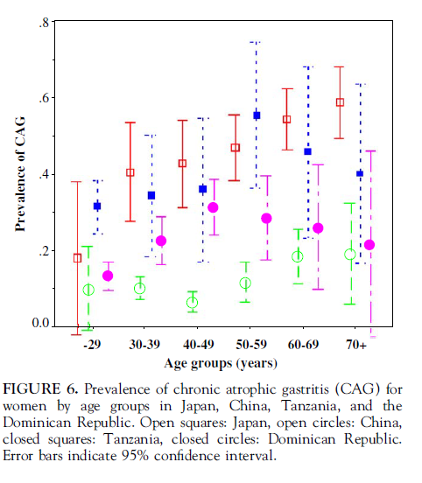
 | 60-69 | H+ | 144 | 420 | 564 | 3.810 | 3.0921985816
 |  | H- | 36 | 400 | 436
 |  | TOTAL | 180 | 820 | 1000
 |  | p_atrophy | 0.18 | 0.82
 |  | f_atrophy | 0.80 | 0.51

 | 70+ | H+ | 186 | 378 | 564 | 3.844 | 2.9081391422
 |  | H- | 49 | 387 | 436
 |  | TOTAL | 235 | 765 | 1000
 |  | p_atrophy | 0.24 | 0.77
 |  | f_atrophy | 0.79 | 0.49
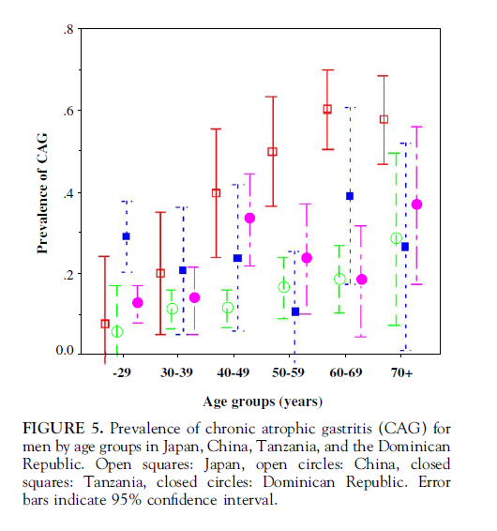

SOURCE: | age |  | Gastritis | 95%CI
MALE | <30 |  | 0.08 | 0.00-0.18
Aoki 2005, fig 5 | 30-39 |  | 0.12 | 0.06-0.18
 | 40-49 |  | 0.12 | 0.07-0.17
 | 50-59 |  | 0.16 | 0.08-0.24
 | 60-69 |  | 0.18 | 0.10-0.26
 | 70+ |  | 0.28 | 0.06-0.50

SOURCE: | age |  | Gastritis | 95%CI
FEMALE | <30 |  | 0.10 | 0.00-0.20
Aoki 2005, fig 6 | 30-39 |  | 0.11 | 0.09-0.13
 | 40-49 |  | 0.06 | 0.04-0.08
 | 50-59 |  | 0.12 | 0.08-0.16
 | 60-69 |  | 0.18 | 0.10-0.26
 | 70+ |  | 0.19 | 0.08-0.30

