Sorting & Filtering Screenshot
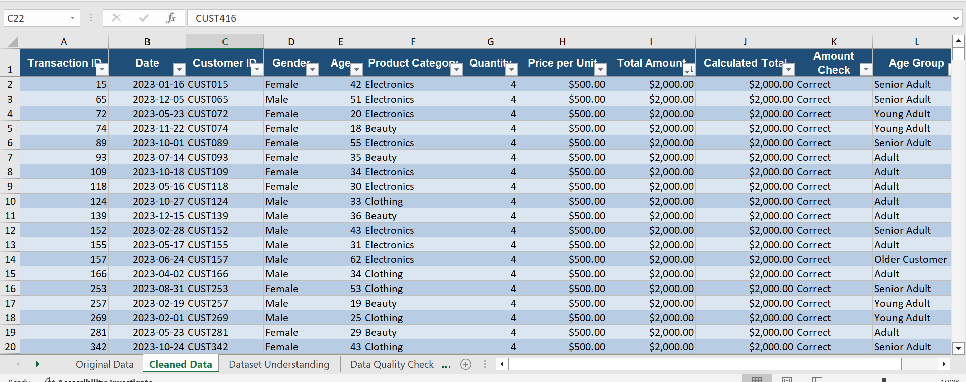
Sorting and Filtering

Question | Answer
Which transaction has the highest total amount? (Transaction ID) | 15
What is the highest total amount? | $2,000.00
Which transaction has the lowest total amount? (Transaction ID) | 44
What is the lowest total amount? | $25.00
How many transactions are in the 'Clothing' category? | 351
How many transactions are by Female customers? | 510
How many transactions have Quantity greater than 2? | $504.00

3 screenshots below

screenshot 1) 'Cleaned Data' sheet -> Data tab -> Filter -> set Product Category = Clothing -> screenshot the filtered rows -> paste below
screenshot 2) Change filter to Gender = Female -> screenshot -> paste below.
screenshot 3) Clear filters -> click any cell in Total Amount column -> Data tab -> Sort Largest to Smallest -> screenshot below.
screenshot #1 Product Category Filter
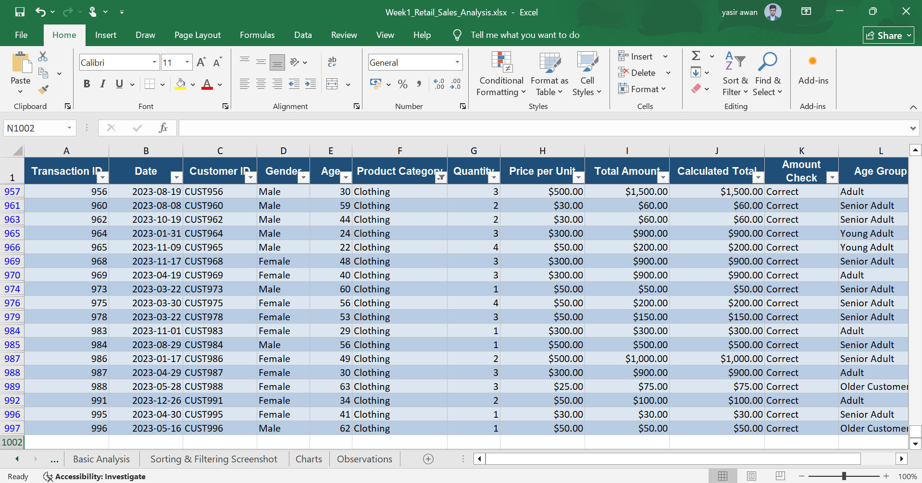

screenshot #2 Gender = Female Filter

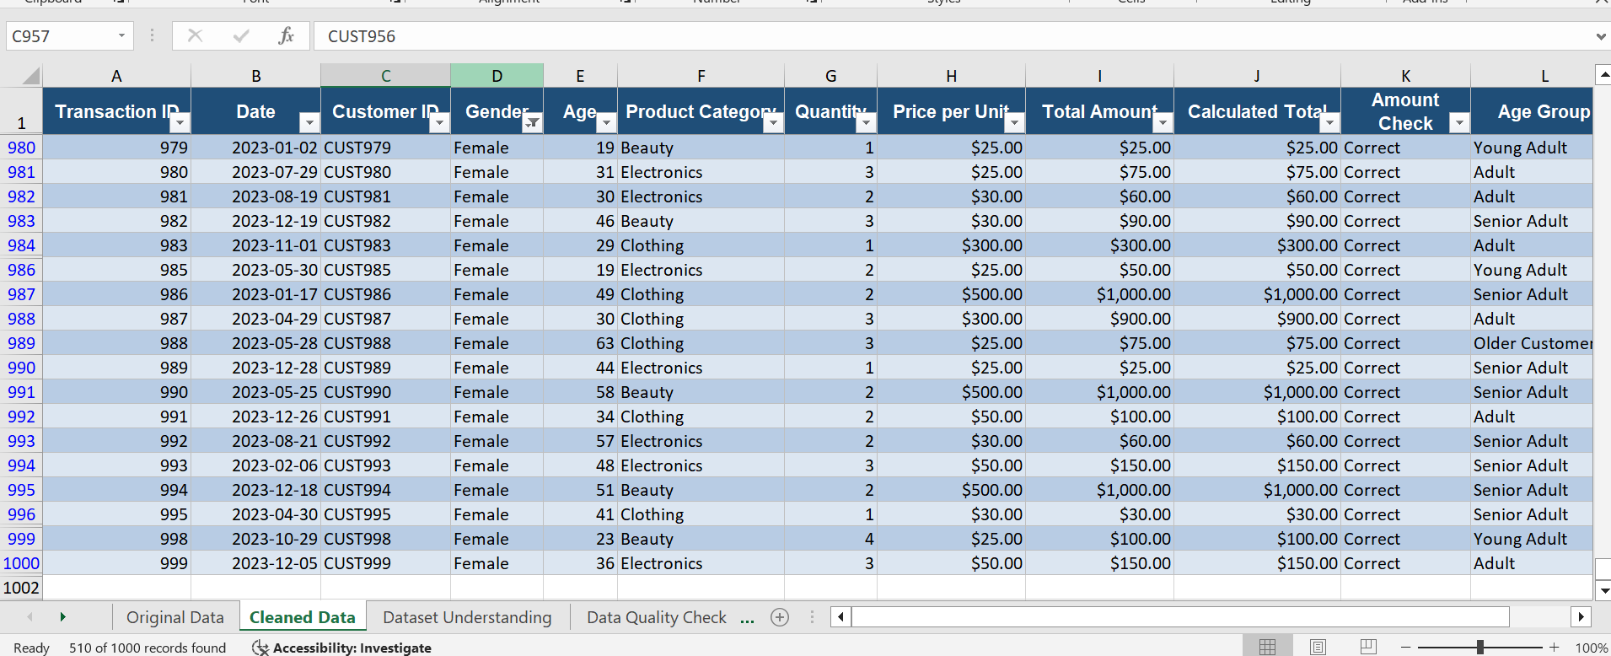

screenshot #3 Largest to Smallest Sor

Charts
Charts
Total Sales by Product Category
 | Total Sales
Beauty | $143,515.00
Clothing | $155,580.00
Electronics | $156,905.00

Total Quantity Sold by Product Category
 | Total Quantity Sold
Beauty | 771
Clothing | 894
Electronics | 849

Total Sales by Gender
 | Total Sales
Male | $223,160.00
Female | $232,840.00

