variant 2
Test to send commentary

Date: 21/09/2021
Author: | Leonid Mayevskyi
Name: | Check the possibility to send commentar
Function: | Comments
Action |  | Expected result | Test result:
 |  |  | · success
 |  |  | · fail
 |  |  | · blocked
Precondition:
Open site from url: https://victorz.ru/202009141265 |  | The site is open and available | success
Go to the comments at the bottom of the page |  | The comments is open and available | success
Test steps:
Fill in the sending form: |  | 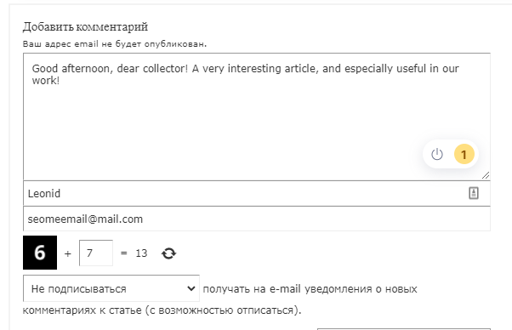 Data entered successfully | success
"Message":
Good afternoon, dear collector! A very interesting article, and especially useful in our work!
"The contact person": Leonid
"E-mail": test@test.com
“Dropdown list subscribe”: unsubscribe

Recognize captcha:
“Decide simple mathematic exercise”

Click the “Submit” button |  | Modal window "Your comment has been sent successfully!" | success
Check if your comment has appeared on the page |  |  | success

