BugReport_1
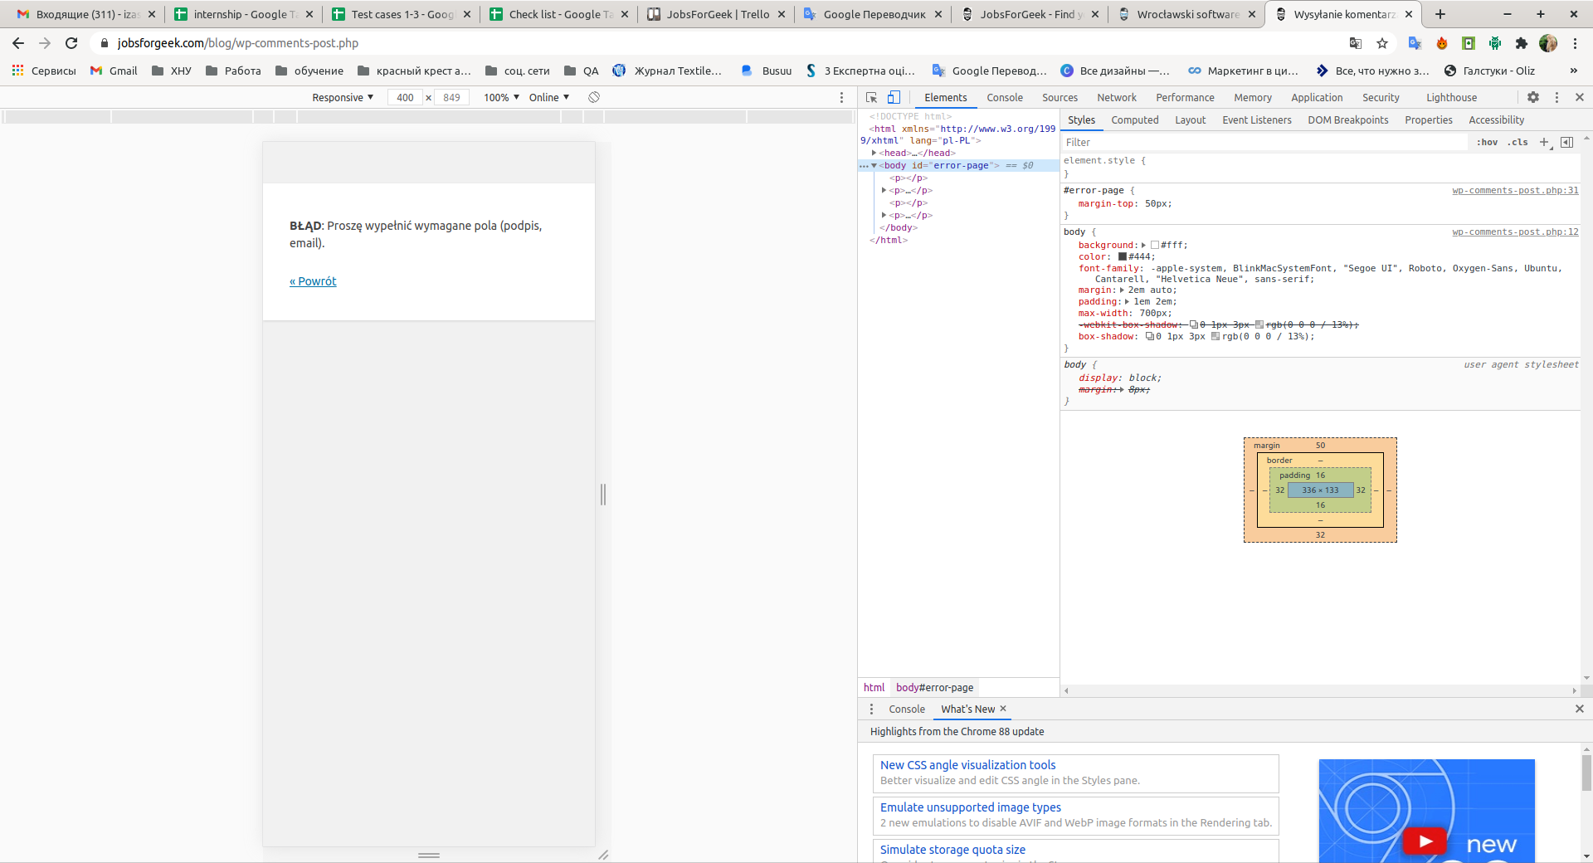
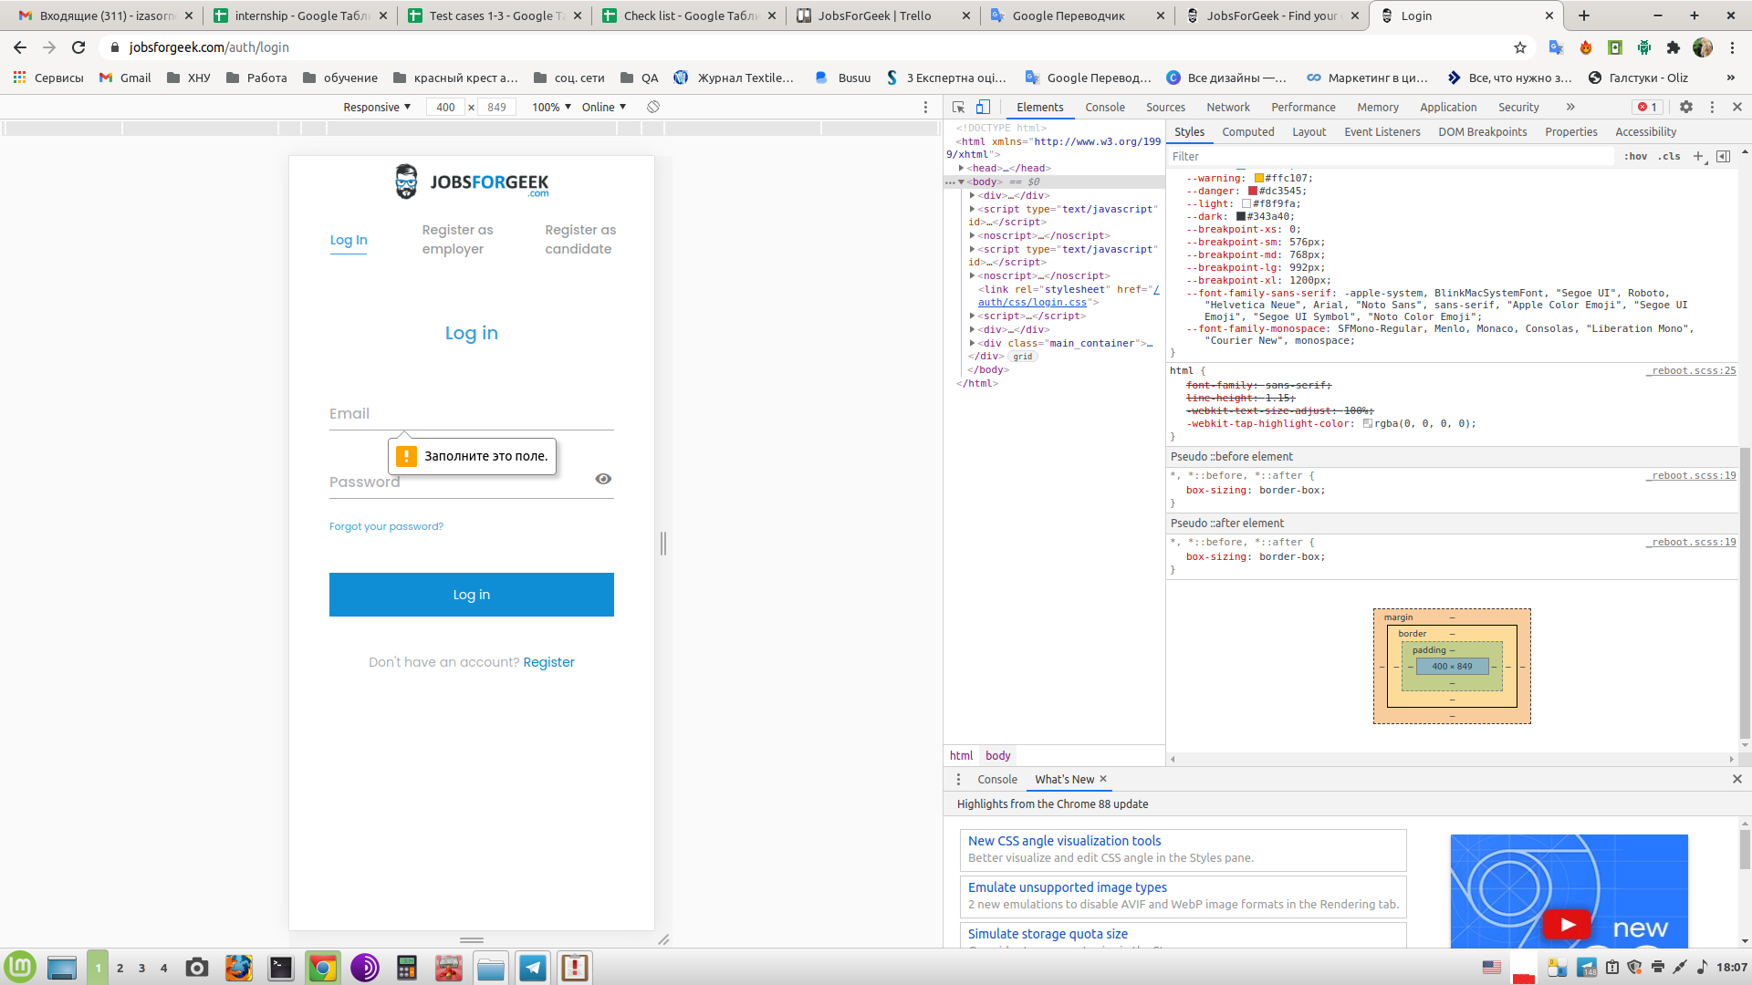
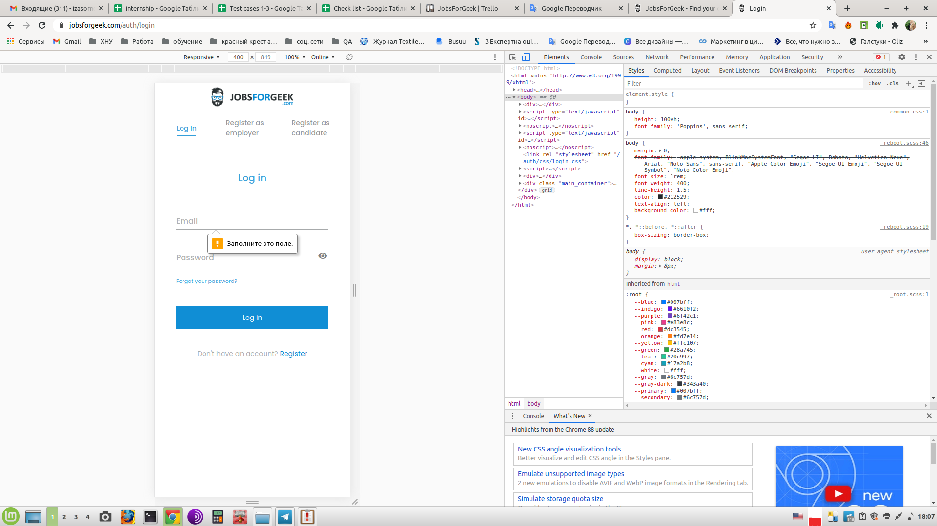
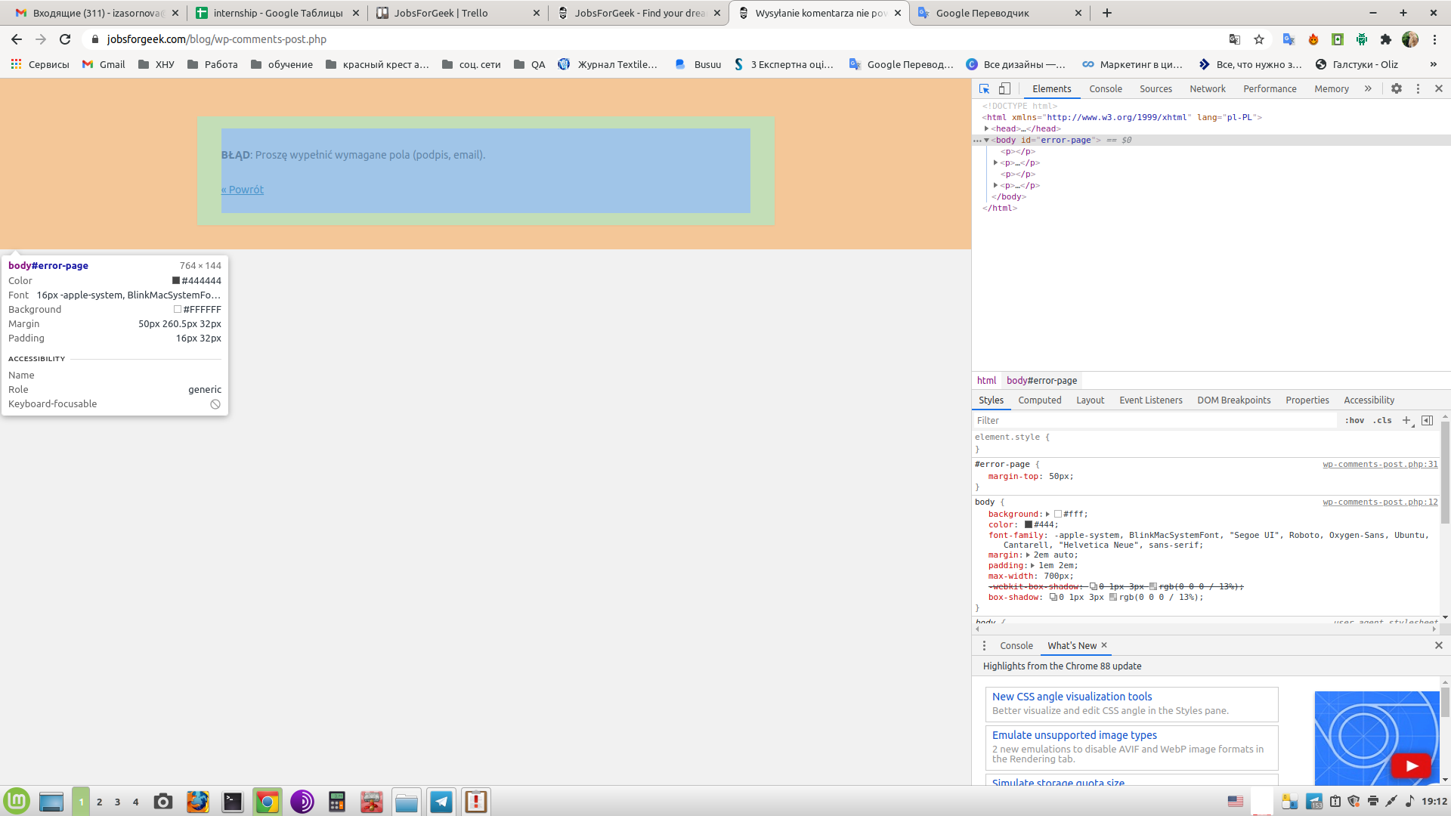
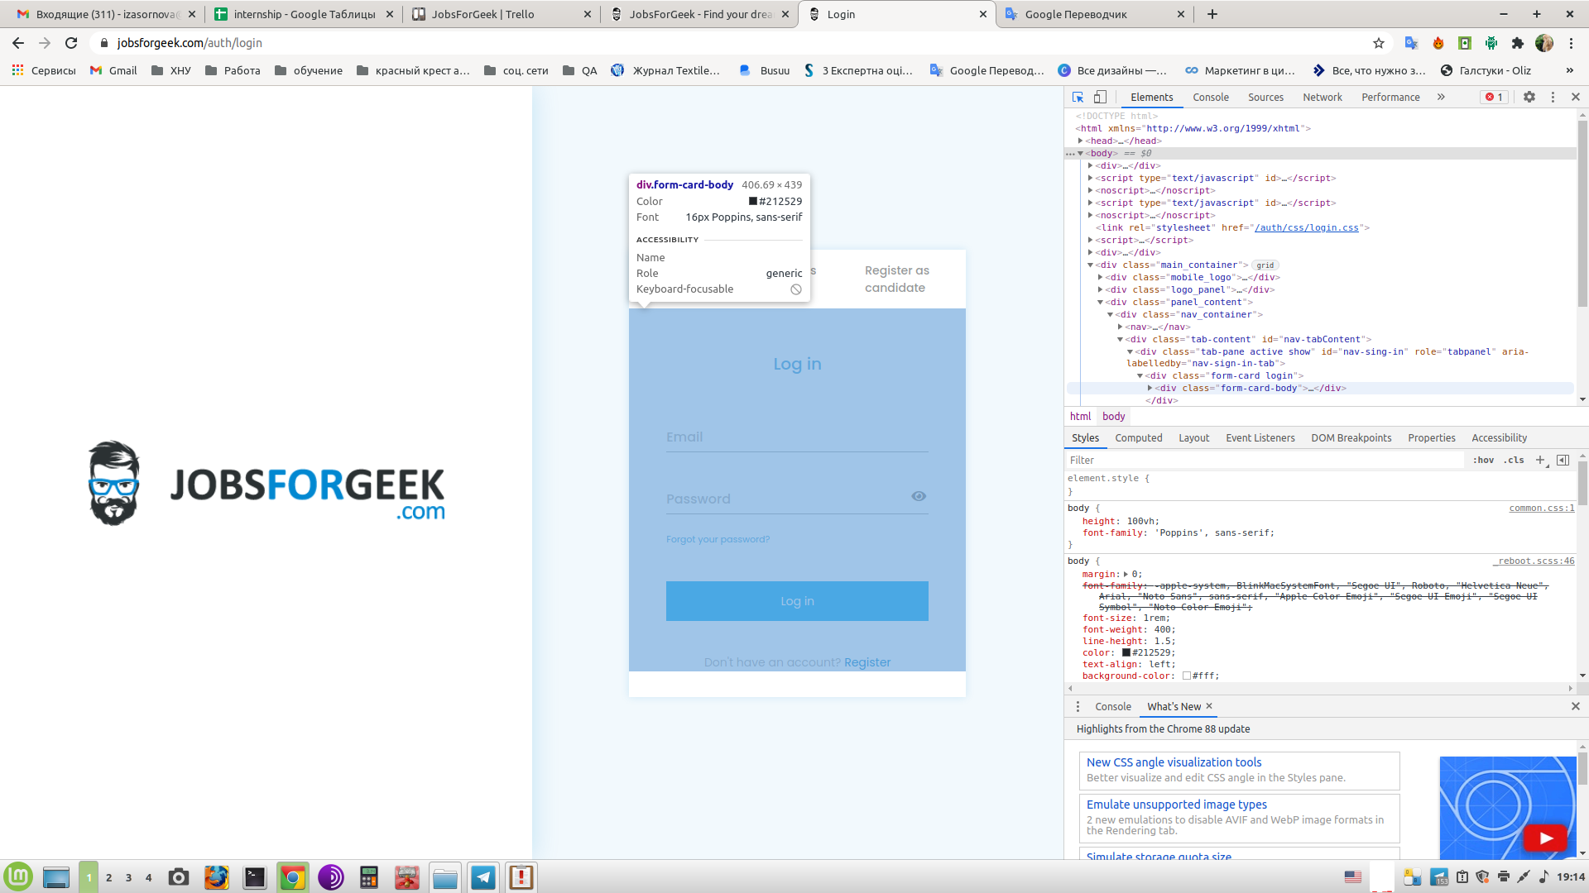
Summary | All error messages displayed in the different CSS style
Project | Online
Component | CSS style
Bug ID | ID number | #0002
 | Submit Date | 2021-09-23
 | Name | This bug affects ""Dodaj komentarz" section and "Log in" form
 | Reporter | Iryna Zasornova
Bug overview | URL | https://jobsforgeek.com/blog/software-house-adoptowal-dwa-pytony-z-zoo/ https://jobsforgeek.com/blog/ "
 | Summary | All error messages displayed in the different CSS style (text style, font size, font color, language)
Environment | Machine | Type: Desktop Mobo: ASUSTeK model: F1A75-M v: Rev X.0x serial: <filter> BIOS: American Megatrends v: 0406 date: 06/11/2011
 | Browser | Google Chrome. Version 88.0.4324.150 (Official assembly), (64 bit)
 | OS | Linux Mint 20 Ulyana base: Ubuntu 20.04 focal
 | Display | x11 server: X.Org 1.20.9 driver: ati,radeon unloaded: fbdev, modesetting, vesa resolution: 1920x1080~60Hz"
Bug details | Steps to reproduce | 1. Open page: https://jobsforgeek.com/blog/software-house-adoptowal-dwa-pytony-z-zoo/
 |  | 2. Go to "Dodaj komentarz" section
 |  | 3. Do not fill in "Komentarz", "Nazwa" and "Email" fields
 |  | 4. Press the “Opublikuj comentarz” button
 |  | 5. Read the notification: "BŁĄD: Proszę wypełnić wymagane pola (podpis, email)"
 |  | 6. Open page: https://jobsforgeek.com/blog/ "
 |  | 7. Press the “Post a job” button
 |  | 8. Go to "Log in" page
 |  | 9. Do not fill in "Email" and "Password" fields
 |  | 10. Press the “Log in” button
 |  | 11. Read the notification: "Заполните это поле"
 |  | 12. Check that all error messages should be displayed in the same CSS style (text style, font size, font color, language)
 | Expected result | All error messages displayed in the same CSS style (text style, font size, font color, language)
 | Actual result | All error messages displayed in the different CSS style (text style, font size, font color, language)
Bug tracking | Severity | Minor
 | Priority | Low
 | Assigned to | Iryna Zasornova

