Bug report
BugID | Summary | Description | Actual result | Expected result | Steps to reproduce | Project | Build number | Siverity | Priority | Enviroment | Attachment
1 | Wrong sorting words descending | Alphabetical entries in the list are displayed incorrectly if you select a sort in descending order. | Alphabetical sorting | Non-alphabetical sorting | 1. Add to list records/open file 2. Choose symbols "Alphabetic" 3. Choose range "All" 4. Choose sort order "Descending" 5. View list | "ListBoxer" | Build number 1.89 | Major | Normal | Windows 10 | 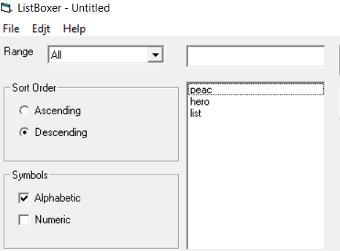
2 | Wrong sorting numeric ascending | Numeric entries in the list are displayed incorrectly if you select a sort in ascending order. | Ascending sorting | Non-ascending sorting | 1. Add to list records/open file 2. Choose symbols "Numeric" 3. Choose range "All" 4. Choose sort order "Ascending" 5. View list | "ListBoxer" | Build number 1.89 | Major | Normal | Windows 10 | 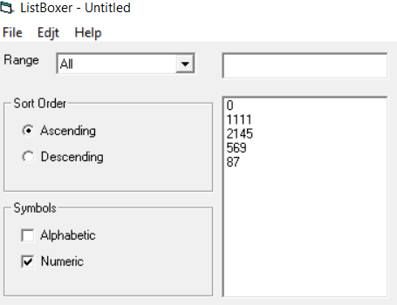
3 | Wrong sorting numeric descending | Numeric entries in the list are displayed incorrectly if you select a sort in descending order. | Descending sorting | Non-descending sorting | 1. Add to list records/open file 2. Choose symbols "Numeric" 3. Choose range "All" 4. Choose sort order "Descending" 5. View list | "ListBoxer" | Build number 1.89 | Major | Normal | Windows 10 | 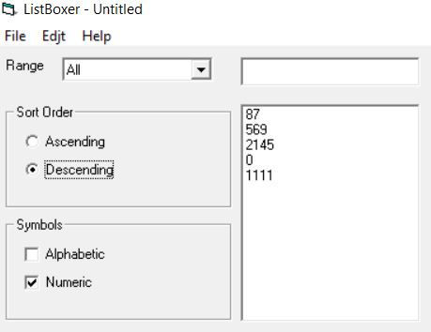
4 | Empty fields are added | Without entering any information by pressing the enter button, an empty line is added. | Cannot enter an empty string | Empty line added | 1. Click the "Add to list" button | "ListBoxer" | Build number 1.98 | Major | Normal | Windows 10 | 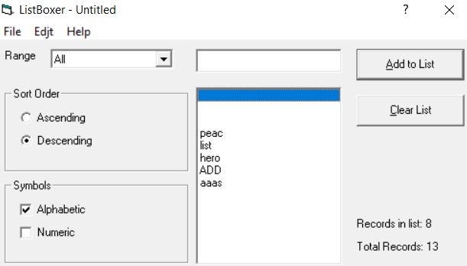
5 | Help file does not open | Redirects to a page in the web browser with error information when viewing application help | Menu "Contents" Allows you to open the help file. | The “Contents” menu does not open the help file. | 1. Click on menu "Help" 2. Choose "Contents" | "ListBoxer" | Build number 1.98 | Major | Normal | Windows 10 | 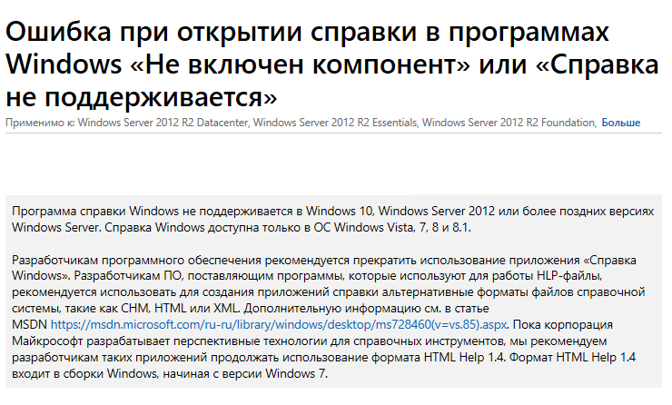
6 | Wrong numeric added | When you enter the number 10,000, the system adds it to the list. | The system adds numbers in the range of 0-9999 | The system added 10,000 to the list. | 1. Choose symols "Numeric" 2. Write number 10000 3. Click "Add to list" button | "ListBoxer" | Build number 1.98 | Major | Normal | Windows 10 | 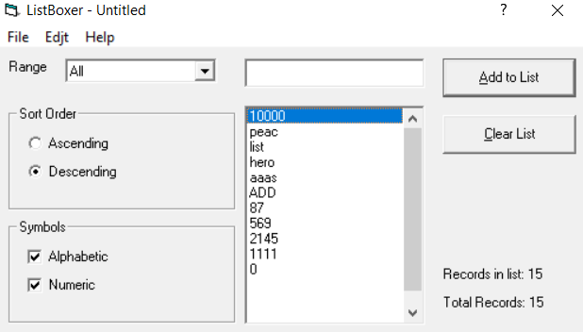
7

