Bug report
BugID | Summary | Description | Expected result | Actual result | Steps to reproduce | Project | Build number | Siverity | Priority | Enviroment | Attachment
1 | Incorrectly sort words when selected "Descending" | Alphabetical entries in the list are displayed incorrectly when select a sort in descending order. | Alphabetical word sorting | Incorrectly sort words when selected "Descending" | 1. Add to list records/open file 2. Choose the symbols "Alphabetic" 3. Choose the range "All" 4. Choose the sort order "Descending" 5. Look at the list | "ListBoxer" | Build number 1.89 | Major | Normal | Windows 10 | 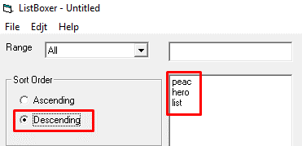
2 | Incorrectly sort numerics when selected "Ascending" | Numeric entries in the list are displayed incorrectly when select a sort in ascending order. | Sort numeric ascending | Incorrectly sort numerics when selected "Ascending" | 1. Add to the list records/open file 2. Choose the symbols "Numeric" 3. Choose the range "All" 4. Choose the sort order "Ascending" 5. Look at the list | "ListBoxer" | Build number 1.89 | Major | Normal | Windows 10 | 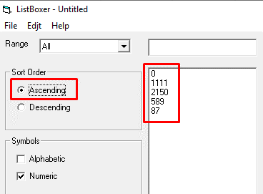
3 | Incorrectly sort numerics when selected "Descending" | Numeric entries in the list are displayed incorrectly when select a sort in descending order. | Sort numeric descending | Incorrectly sort numerics when selected "Descending" | 1. Add to list records/open file 2. Choose the symbols "Numeric" 3. Choose the range "All" 4. Choose the sort order "Descending" 5. Look at the list | "ListBoxer" | Build number 1.89 | Major | Normal | Windows 10 | 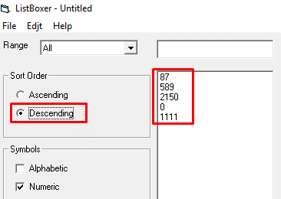
4 | Added empty fields to the list when you click "Add to list" | Without entering any information by pressing the enter button, an empty line is added. | Cannot enter an empty string | Added empty fields to the list when you click "Add to list" | 1. Click the button "Add to list" 2. Look at the list | "ListBoxer" | Build number 1.89 | Major | Normal | Windows 10 | 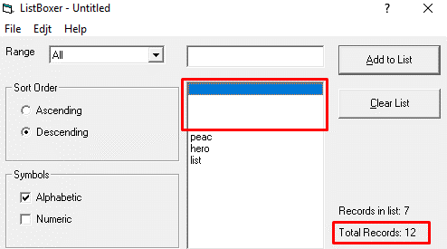
5 | Does not open the help file in the menu “Contents” | Redirects to a page in the web browser with error information when viewing application help | The menu "Contents" Allows you to open the help file. | Does not open the help file in the menu “Contents” | 1. Click on the menu "Help" 2. Choose the menu "Contents" | "ListBoxer" | Build number 1.89 | Major | Normal | Windows 10 | 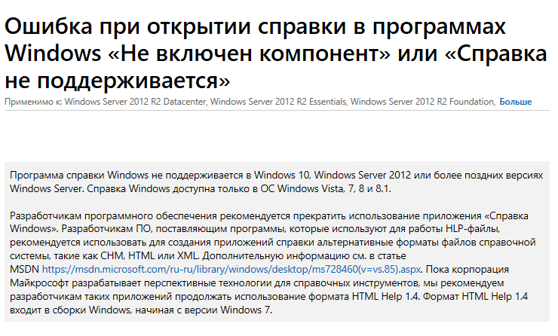
6 | The system added 10,000 to the list. | When you enter the number 10,000, the system adds it to the list. | The system adds numbers in the range of 0-9999 | The system added 10,000 to the list. | 1. Choose the symols "Numeric" 2. Write number 10000 3. Click the button"Add to list" | "ListBoxer" | Build number 1.98 | Major | Normal | Windows 10 | 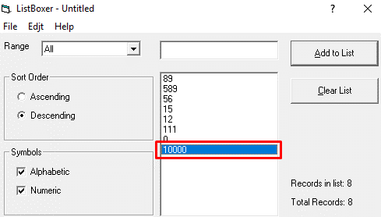
7 | There is no choice to create a new folder when selecting a directory | When installing app and choice a directory missing choice create the new folder | There is a choice to create a new folder when selecting a directory | There is no choice to create a new folder when selecting a directory | 1. Launch installer "setup.exe" 2. Click "Ok" 3. Choose "Change Directory" | "ListBoxer" | Build number 1.89 | Major | Normal | Windows 10
8 | Misprint in the menu "Edit" | In the menu "Edit" present misprint in the form of a single letter | Correct name the menu "Edit" | Misprint in the menu "Edit" | 1. Look at the menu "Edit" | "ListBoxer" | Build number 1.89 | Major | Normal | Windows 10
9 | Isn't active the operation "Cut" in the menu "Edit" | In the menu "Edit" can`t choise the operation "Cut" so that cut | The operation "Cut" is active in the menu "Edit" | Isn't active the operation "Cut" in the menu "Edit" | 1. Look at the menu "Edit" 2. Click the operation "Cut" | "ListBoxer" | Build number 1.89 | Major | Normal | Windows 10 | 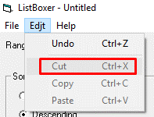
10 | Isn't active the operation "Copy" in the menu "Edit" | In the menu "Edit" can`t choise the operation "Copy" so that cut | The operation "Copy" is active in the menu "Edit" | Isn't active the operation "Copy" in the menu "Edit" | 1. Look at the menu "Edit" 2. Click the operation "Copy" | "ListBoxer" | Build number 1.89 | Major | Normal | Windows 10 | 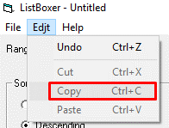
11 | Isn't active the operation "Paste" in the menu "Edit" | In the menu "Edit" can`t choise the operation "Paste" so that cut | The operation "Paste" is active in the menu "Edit" | Isn't active the operation "Paste" in the menu "Edit" | 1. Look at the menu "Edit" 2. Click the operation "Paste" | "ListBoxer" | Build number 1.89 | Major | Normal | Windows 10 | 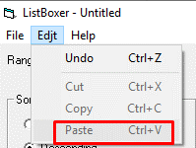
12 | The "Clear list" button on the panel isn`t active when adding one record | When adding one record to the list there is no possibility to clear the entire list. | Ability to clear the field | The "Clear list" button on the panel isn`t active when adding one record | 1. Enter list one record 2. Click the button "Clear list" | "ListBoxer" | Build number 1.89 | Major | Normal | Windows 10 | 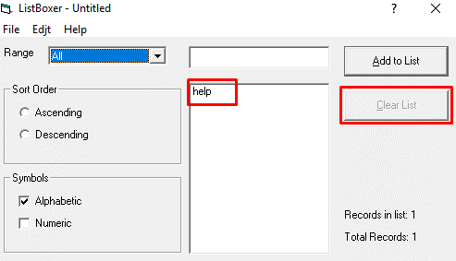
13 | Missing the button "Minimize screen" on panel | User no opportunity minimize screen | The button "Minimize screen" present | Missing the button "Minimize screen" on panel | 1. Look at the panel | "ListBoxer" | Build number 1.89 | Major | Normal | Windows 10 | 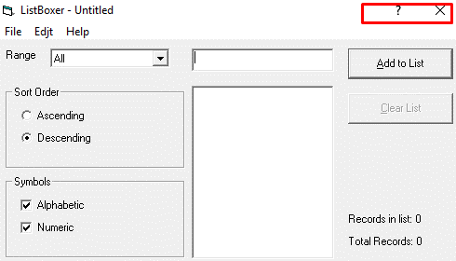
14 | No hint about saving the file when closing the application | With edited entries, clicking close the application does not pop up a prompt about saving the file | A hint about saving the file when closing the application | No hint about saving the file when closing the application | 1. Open file 2. Edit post 3. Close app | "ListBoxer" | Build number 1.89 | Major | Normal | Windows 10
15 | Added empty field when opening an empty file | When you save an empty file and after opening it, one empty field appears in the list. | Opening empty file | Added empty field when opening an empty file | 1. Save empty file 2. Open empty file 3. Look at the list 4. Look at the "Total records" | "ListBoxer" | Build number 1.89 | Major | Normal | Windows 10 | 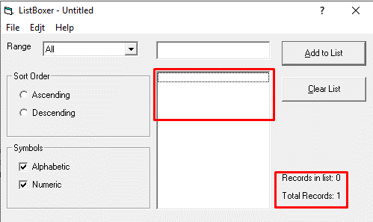
16 | The app is closed with the edited unsaved file on the tooltip when click the button "Cancel" | When click the button "Exit" in the menu "File" edited unsaved file on the tooltip when click the button "Cancel" | The app doesn`t close | The app is closed with the edited unsaved file on the tooltip when click the button "Cancel" | 1. Open the file 2. Edit the file 3. Click the menu "File" 4. Click the menu "Exit" 5. On the tooltip click the button "Cancel" | "ListBoxer" | Build number 1.89 | Major | Normal | Windows 10

